Sheet1
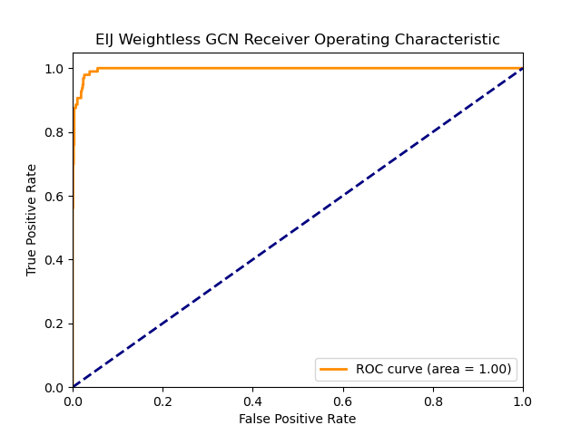
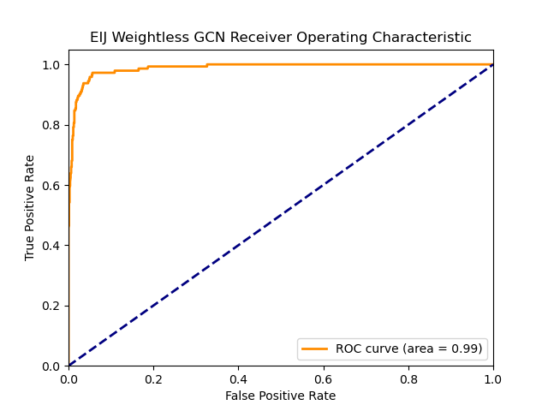
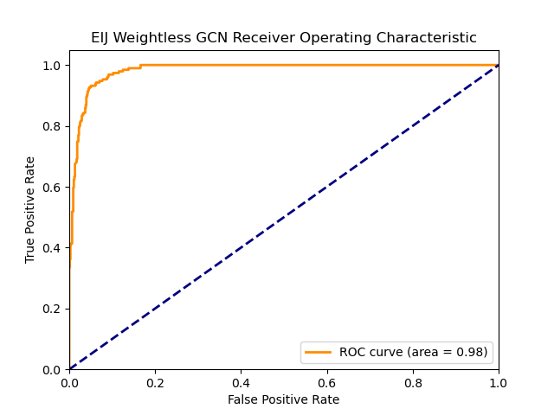

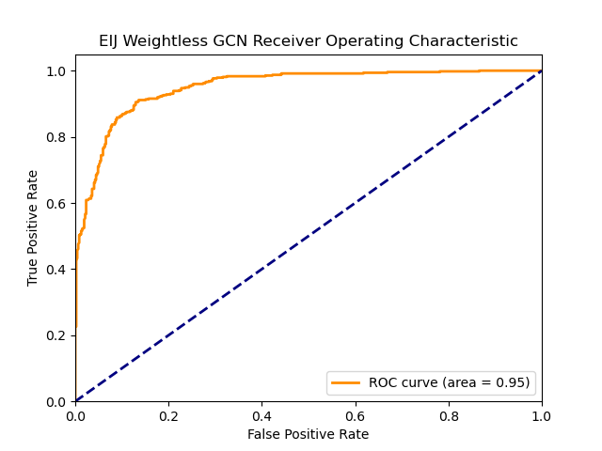
High Low Discriminant | 0.1 |  |  |  | 0.15 |  |  |  | 0.2 |  |  | 0.25 |  |  |  | 0.5
EIJ |  |  |  | EIJ |  |  |  | EIJ |  |  |  | EIJ |  |  |  | EIJ
Graph |  |  |  | Graph |  |  |  | Graph |  |  |  | Graph |  |  |  | Graph

Threshold | 0.5467 |  |  | Threshold | 0.4057 |  |  | Threshold | 0.28068 |  |  | Threshold | 0.21824 |  |  | Threshold | 0.02
ROC-AUC | 0.9964 |  |  | ROC-AUC | 0.988 |  |  | ROC-AUC | 0.983 |  |  | ROC-AUC | 0.9662 |  |  | ROC-AUC | 0.9496
 | 0 | 1 | avg |  | 0 | 1 | avg |  | 0 | 1 | avg |  | 0 | 1 | avg |  | 0 | 1 | avg
F1 | 0.97 | 0.78 | 0.94 | F1 | 0.97 | 0.84 | 0.94 | F1 | 0.95 | 0.83 | 0.92 | F1 | 0.94 | 0.83 | 0.91 | F1 | 0.88 | 0.89 | 0.88
Recall | 0.94 | 1 | 0.97 | Recall | 0.94 | 0.97 | 0.95 | Recall | 0.91 | 0.96 | 0.94 | Recall | 0.91 | 0.9 | 0.9 | Recall | 0.85 | 0.91 | 0.88
Precision | 1 | 0.64 | 0.82 | Precision | 0.99 | 0.74 | 0.87 | Precision | 0.99 | 0.73 | 0.86 | Precision | 0.96 | 0.77 | 0.87 | Precision | 0.91 | 0.86 | 0.88
test set size
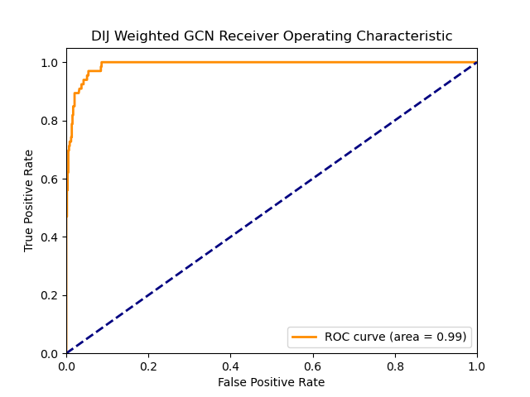




DIJ |  |  |  | DIJ |  |  |  | DIJ |  |  |  | DIJ |  |  |  | DIJ
Graph |  |  |  | Graph |  |  |  | Graph |  |  |  | Graph |  |  |  | Graph

Threshold | 26.44 |  |  | Threshold | 16.6363 |  |  | Threshold | 11.342990654 |  |  | Threshold | 7.485355418 |  |  | Threshold | 0
ROC-AUC | 0.9905 |  |  | ROC-AUC | 0.9863 |  |  | ROC-AUC | 0.9826 |  |  | ROC-AUC | 0.9805 |  |  | ROC-AUC | 0.9673
 | 0 | 1 | avg |  | 0 | 1 | avg |  | 0 | 1 | avg |  | 0 | 1 | avg |  | 0 | 1 | avg
F1 | 0.94 | 0.66 | 0.8 | F1 | 0.94 | 0.75 | 0.84 | F1 | 0.94 | 0.8 | 0.87 | F1 | 0.93 | 0.84 | 0.91 | F1 | 0.92 | 0.91 | 0.91
Recall | 0.89 | 1 | 0.94 | Recall | 0.89 | 0.99 | 0.94 | Recall | 0.89 | 0.97 | 0.93 | Recall | 0.89 | 0.96 | 0.92 | Recall | 0.93 | 0.9 | 0.91
Precision | 1 | 0.49 | 0.75 | Precision | 1 | 0.6 | 0.8 | Precision | 0.99 | 0.69 | 0.84 | Precision | 0.98 | 0.75 | 0.87 | Precision | 0.91 | 0.92 | 0.92
test set size

