Sheet1
Test Case ID | Module | Test Case Description | Test Steps | Test Data | Expected Result | Actual Result | Status (Pass/Fail) | Comments
Test 01 | Authentication | Verify successful login with valid credentials | 1. Open app 2. Enter valid email 3. Enter valid password 4. Click Login | Email: user@example.com Password: ValidPassword123 | User should be redirected to home dashboard | 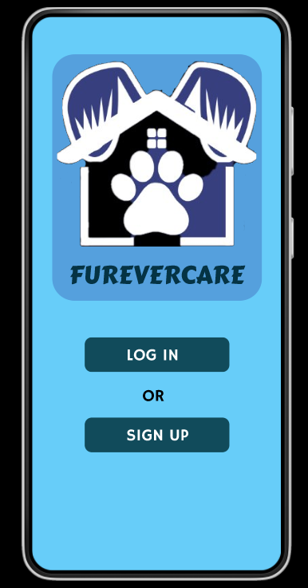 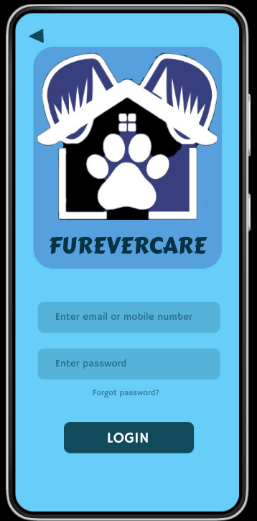

Test 02 | Registration | Verify if the Registration is valid | 1. Start registration 2. Use existing email 3. Complete other fields | Email: user@example.com | Registration successful | 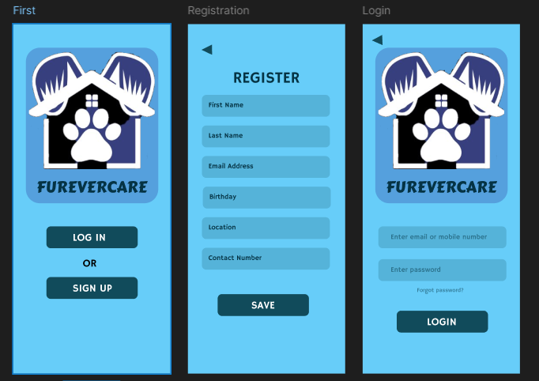

Test 03 | Booking | Verify pet service booking functionality | 1. Select 'Book Service' 2. Choose service type 3. Select date/time 4. Confirm booking | Service: Dog Walking Date: [future date] Time: 10:00 AM | Booking confirmation with details should appear | 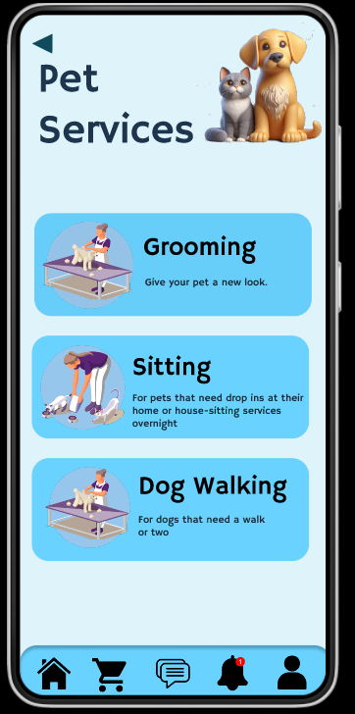 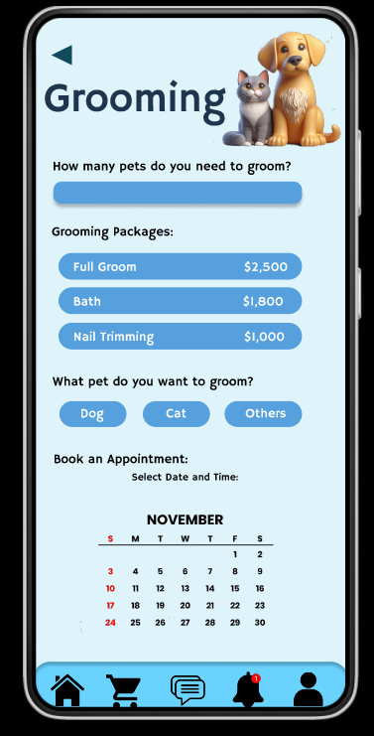 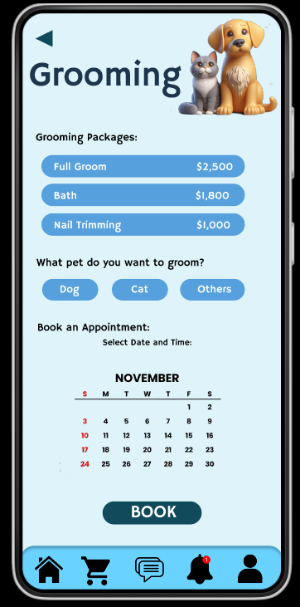 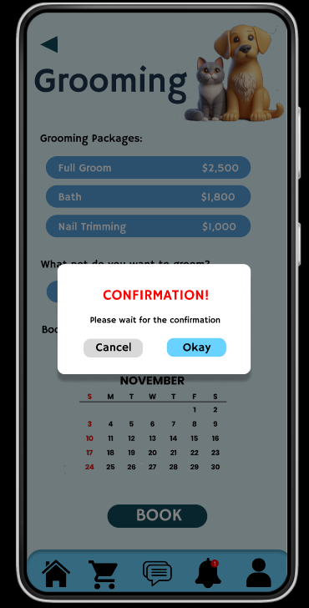

Test-04 | Profile | Verify user profile creation | 1. Open app 2. Click 'Create Profile' 3. Fill all required fields 4. Save profile | Name: John Doe Email: john@example.com Phone: +1234567890 | Profile should be saved and visible in 'My Profile' section | 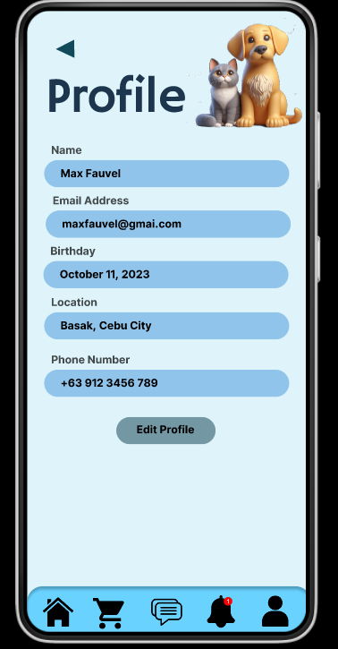

Test 05 | Notifications | Verify booking reminder notification | 1. Create booking 2. Wait for reminder time | Booking set for tomorrow 10:00 AM | Notification should appears | 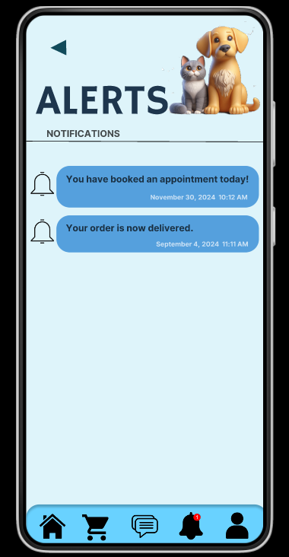

Test 06 | Marketplace | Verify product purchase flow | 1. Browse products 2. Add item to cart 3. Proceed to checkout 4. Complete payment | Product: Dog Food (5kg) | Order confirmation should appear with estimated delivery date | 