Charts
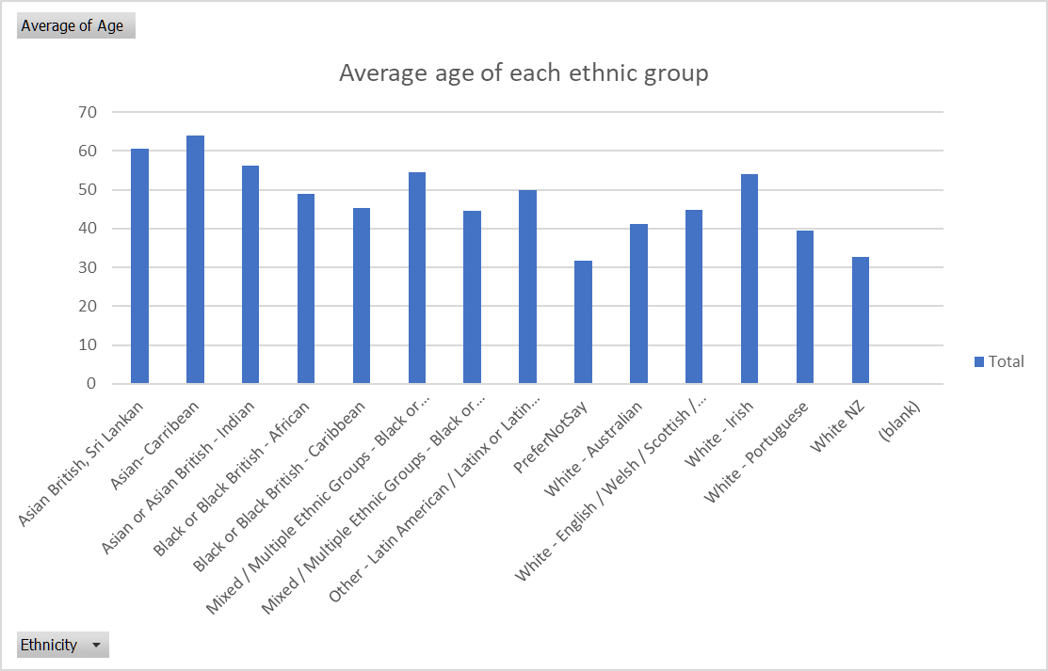
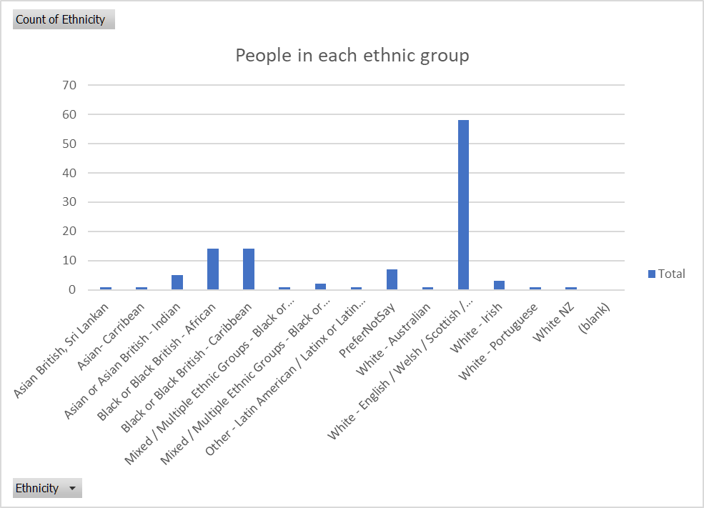
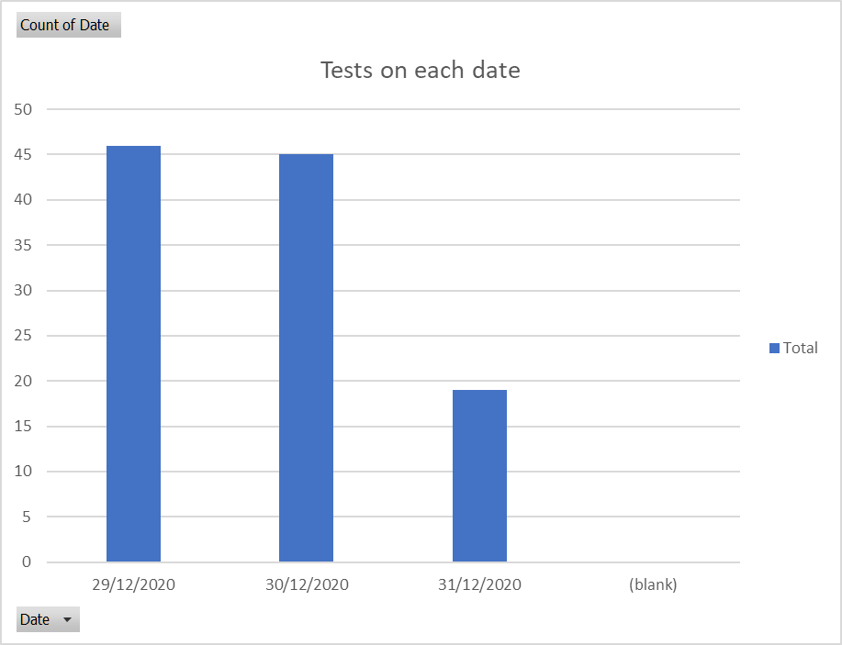
Row Labels | Count of Date
2020-12-29 | 46
2020-12-30 | 45
2020-12-31 | 19
(blank)
Grand Total | 110

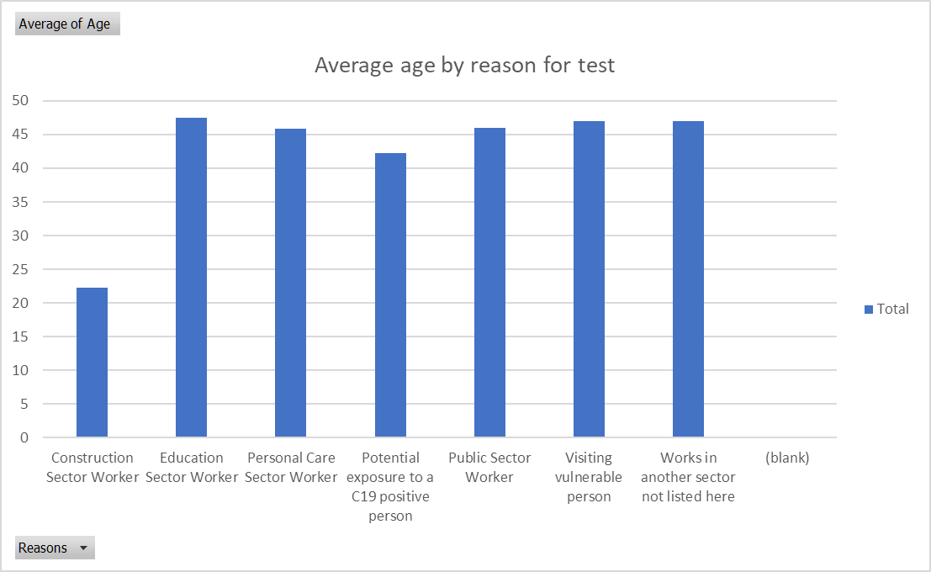
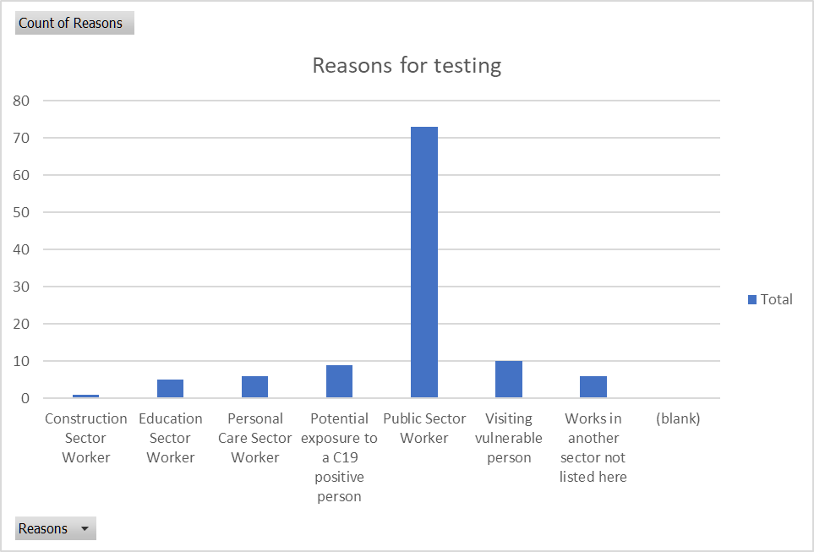

 |  | Other points of interest
 |  | First and second tests
 |  | distance from test centre

