Hoja1
Solver
 | X | Y | Z
 | 24.964285717 | 25.10714285 | -974.98214286

r1: | 100000 | = | 100000
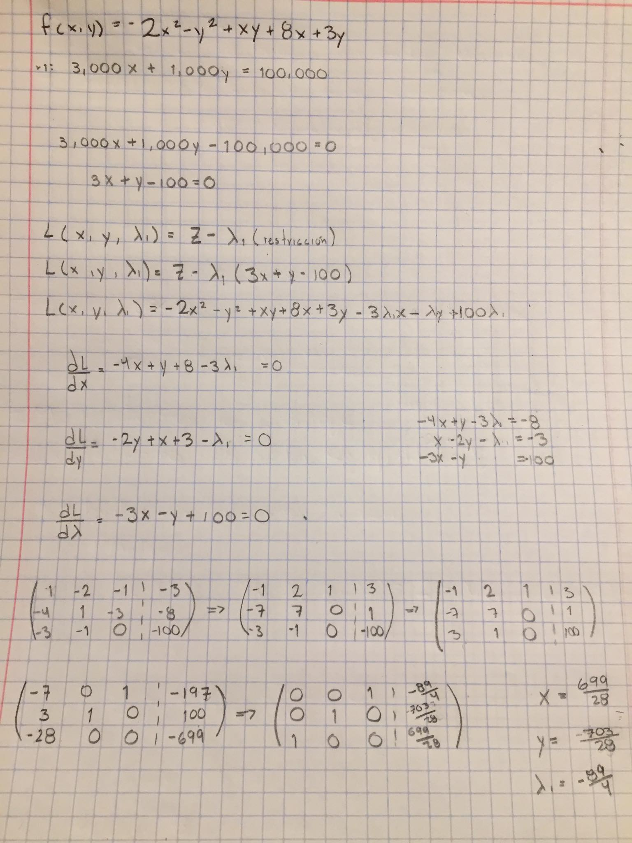

 |  | f(x, y, ʎ)= | -974.98214286

