Sentiment
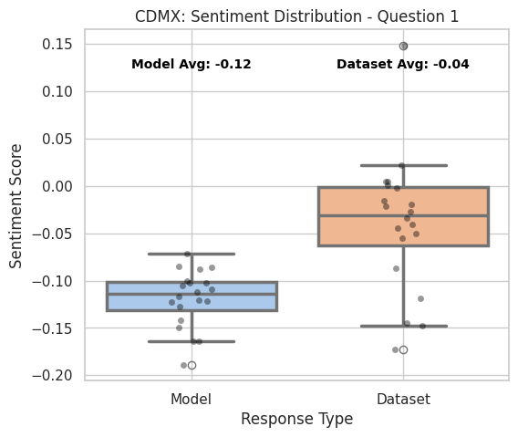
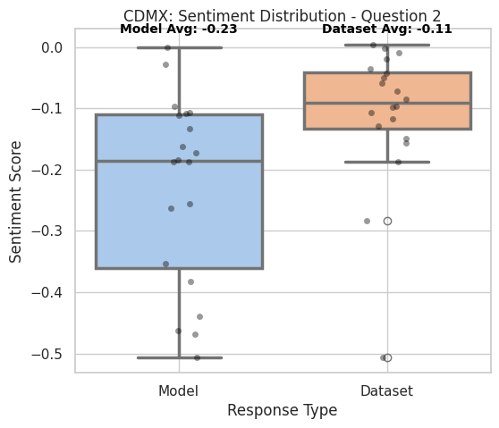
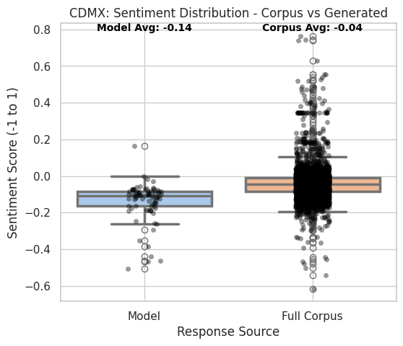
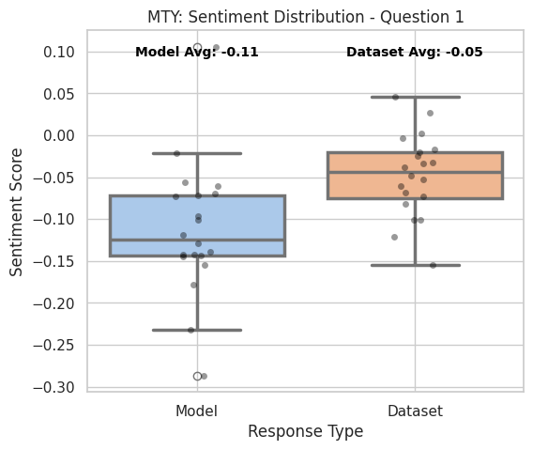
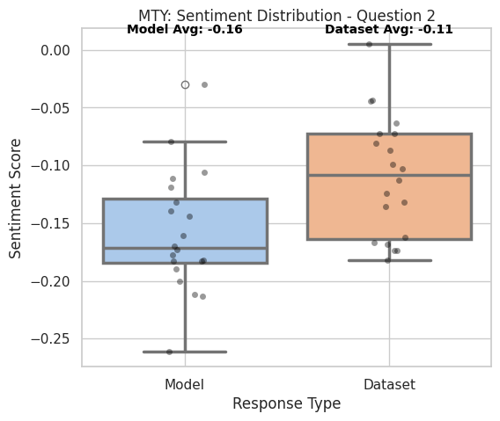
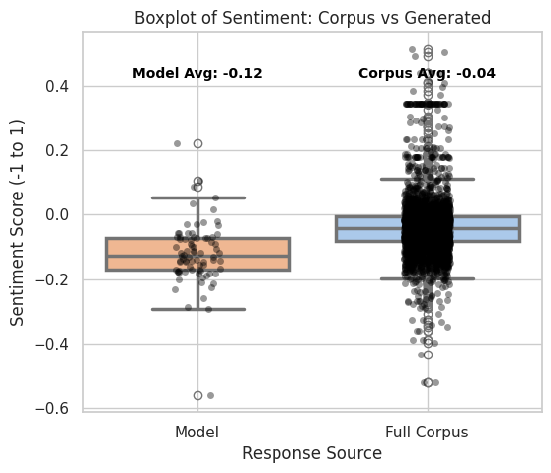
Profile | Question | Model Sentiment | Dataset Sentiment | t-test p | t-test significant | Wilcoxon p | Wilcoxon significant | KS p | KS significant | Corpus Sentiment | Corpus vs Model – t-test p | Corpus vs Model – t-test sig | Corpus vs Model – KS p | Corpus vs Model – KS sig
CDMX / 18-25 y.o. / C-D+ | 1 | -0.118984 | -0.040012 | 0.000459 | Yes | 0.000105 | Yes | 0.00001 | Yes | -0.042 | 0 | Yes | 0 | Yes
CDMX / 18-25 y.o. / C-D+ | 2 | -0.230552 | -0.110049 | 0.017109 | Yes | 0.008308 | Yes | 0.012299 | Yes | -0.042 | 0 | Yes | 0 | Yes
MTY / 35-55 y.o. / C+B | 1 | -0.11269 | -0.047824 | 0.009074 | Yes | 0.002712 | Yes | 0.012299 | Yes | -0.037 | 0 | Yes | 0 | Yes
MTY / 35-55 y.o. / C+B | 2 | -0.158286 | -0.10967 | 0.017353 | Yes | 0.017181 | Yes | 0.081058 | No | -0.037 | 0 | Yes | 0 | Yes

Sentiment Interviews
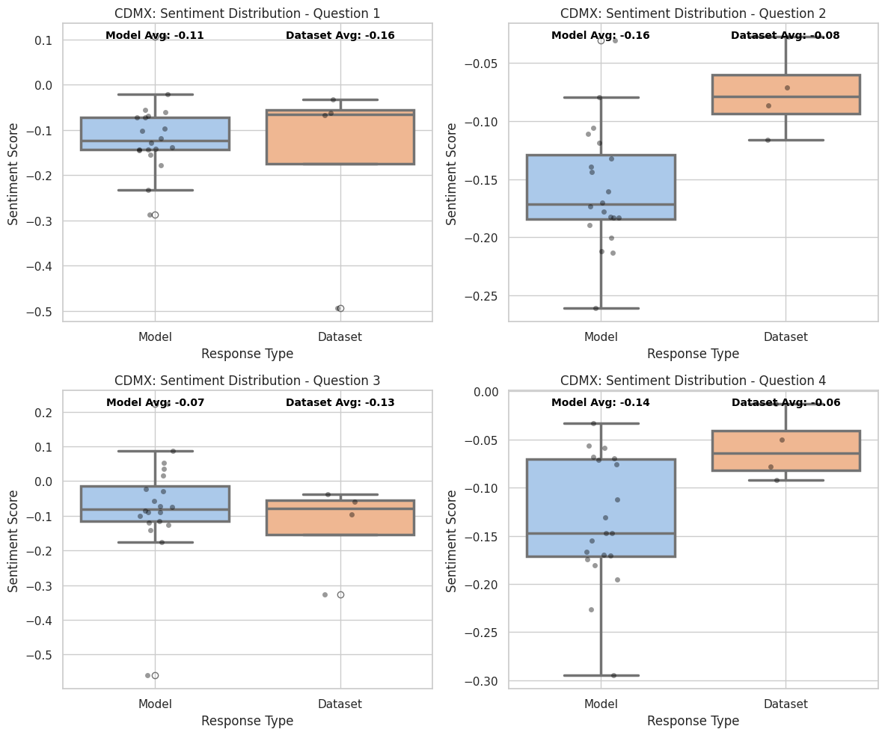

Profile | Question | Model Sentiment | Interviews Sentiment | t-test p | t-test significant | Wilcoxon p | Wilcoxon significant | KS p | KS significant
CDMX / 18-25 y.o. / C-D+ | 1 | -0.118984 | -0.070763 | 0.066699 | No | 0.25 | No | 8.66E-02 | No
CDMX / 18-25 y.o. / C-D+ | 2 | -0.230552 | -0.099033 | 0.025118 | Yes | 0.125 | No | 0.08658 | No
CDMX / 18-25 y.o. / C-D+ | 3 | -0.081162 | -0.057069 | 0.626552 | No | 0.625 | No | 0.44777 | No
CDMX / 18-25 y.o. / C-D+ | 4 | -0.127978 | -0.089282 | 0.517408 | No | 0.625 | No | 0.749482 | No
MTY / 35-55 y.o. / C+B | 1 | -0.11269 | -0.164309 | 0.590627 | No | 1 | No | 0.207039 | No
MTY / 35-55 y.o. / C+B | 2 | -0.158285 | -0.075175 | 0.009358 | Yes | 0.125 | No | 0.013175 | Yes
MTY / 35-55 y.o. / C+B | 3 | -0.0723 | -0.130239 | 0.913708 | No | 0.875 | No | 0.749482 | No
MTY / 35-55 y.o. / C+B | 4 | -0.135208 | -0.058371 | 0.180309 | No | 0.25 | No | 0.08658 | No

Lexico
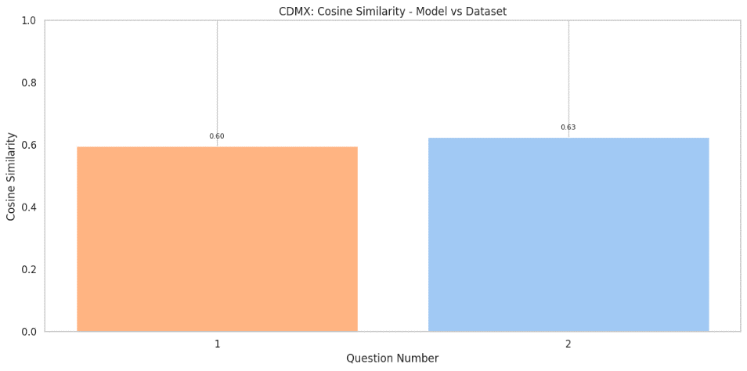
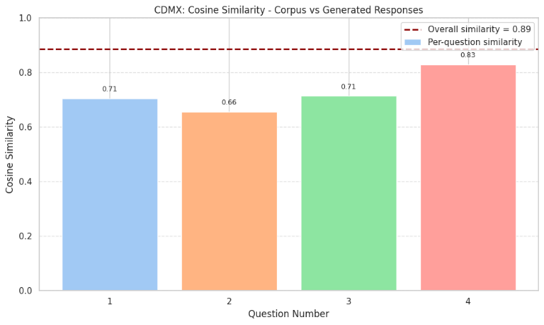
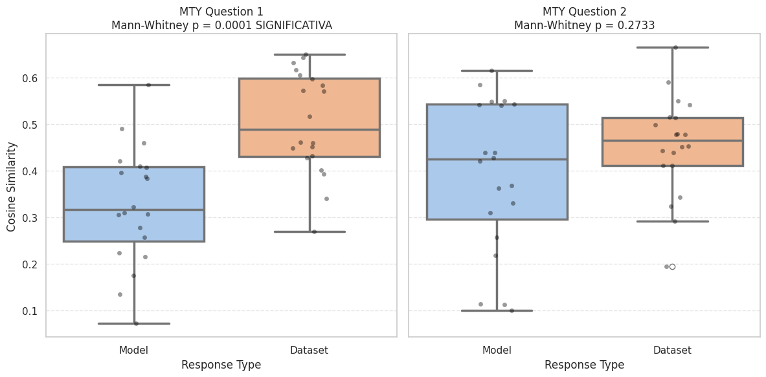
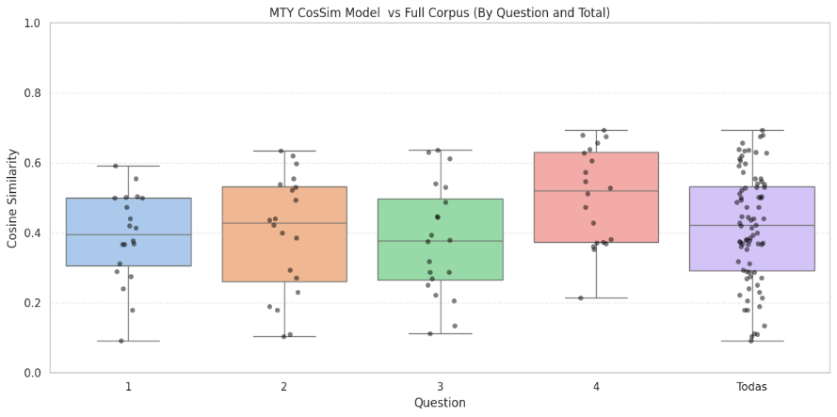
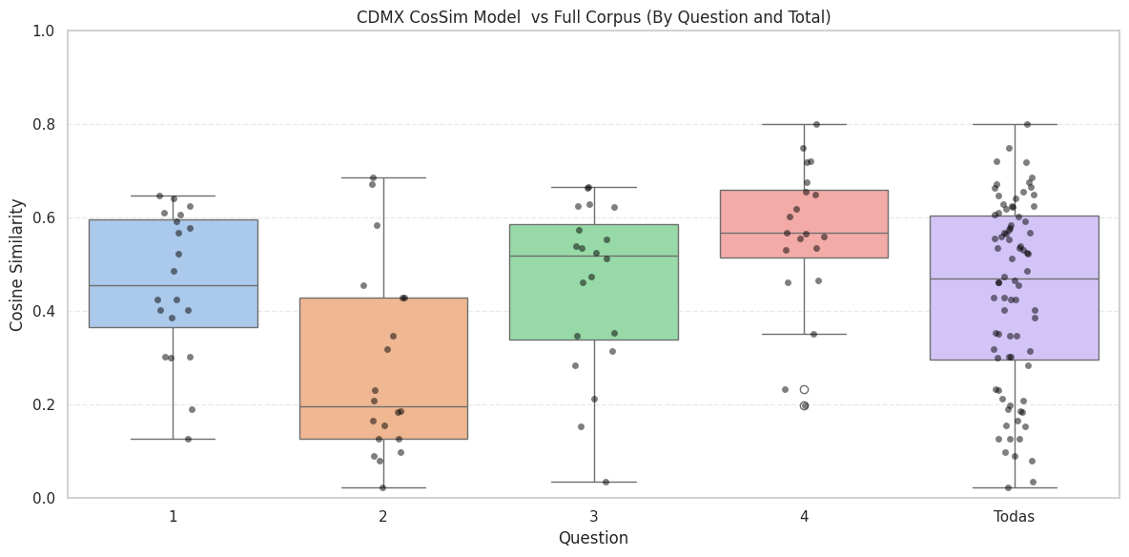
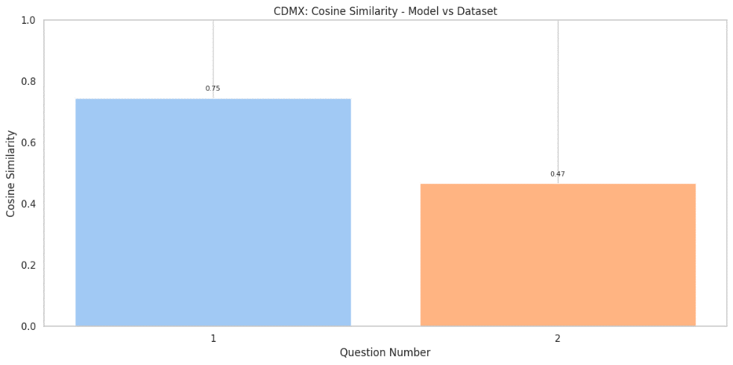
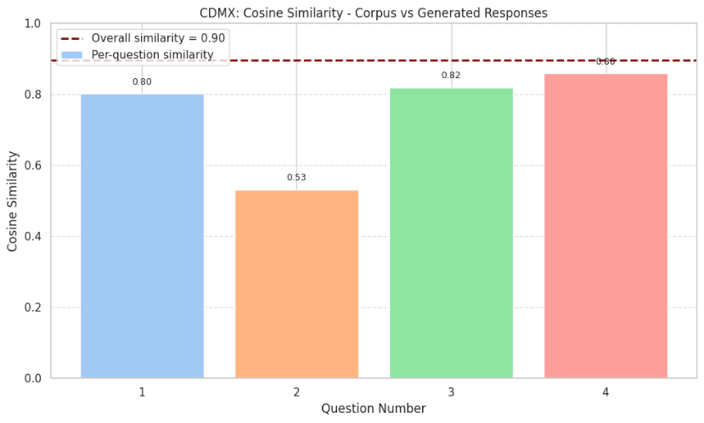
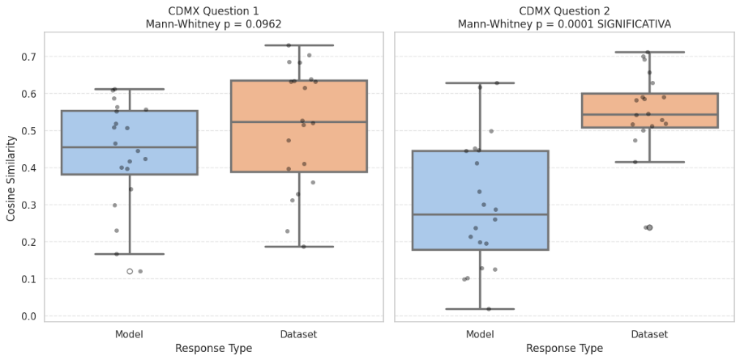
Profile | Question | CosSim Model vs Dataset Answers | CosSim Model vs Full Corpus | Mann-Whitney p | Significant (p < 0.05) | Mann-Whitney p (Full Corpus) | Significant (vs Corpus)
CDMX / 18-25 y.o. / C-D+ | 1 | 0.745023 | 0.801945 | 0.0962 | No | 0.8869 | No
CDMX / 18-25 y.o. / C-D+ | 2 | 0.467193 | 0.531829 | 0.0001 | Yes | 0.0039 | Yes
CDMX / 18-25 y.o. / C-D+ | 3 |  | 0.818824 |  |  | 0.7993 | No
CDMX / 18-25 y.o. / C-D+ | 4 |  | 0.859052 |  |  | 0.0132 | Yes
MTY / 35-55 y.o. / C+B | 1 | 0.596412 | 0.705047 | 0.0001 | Yes | 0.4105 | No
MTY / 35-55 y.o. / C+B | 2 | 0.625716 | 0.655358 | 0.2733 | No | 0.7662 | No
MTY / 35-55 y.o. / C+B | 3 |  | 0.714308 |  |  | 0.3633 | No
MTY / 35-55 y.o. / C+B | 4 |  | 0.82919 |  |  | 0.0415 | Yes

Lexico vs Interview
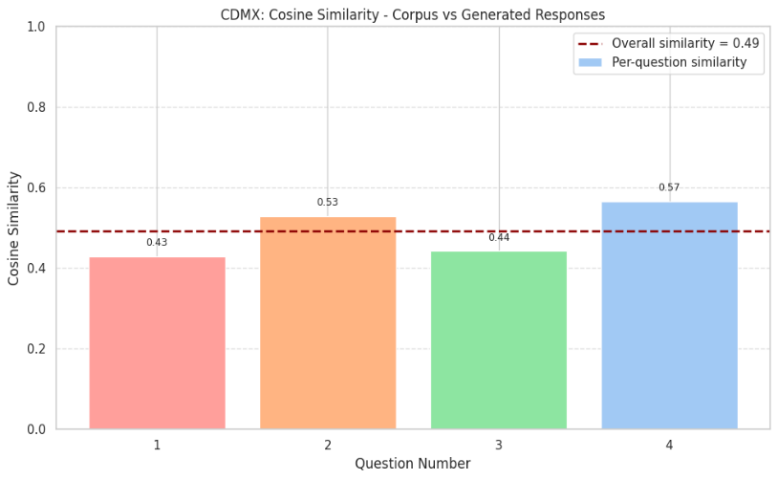
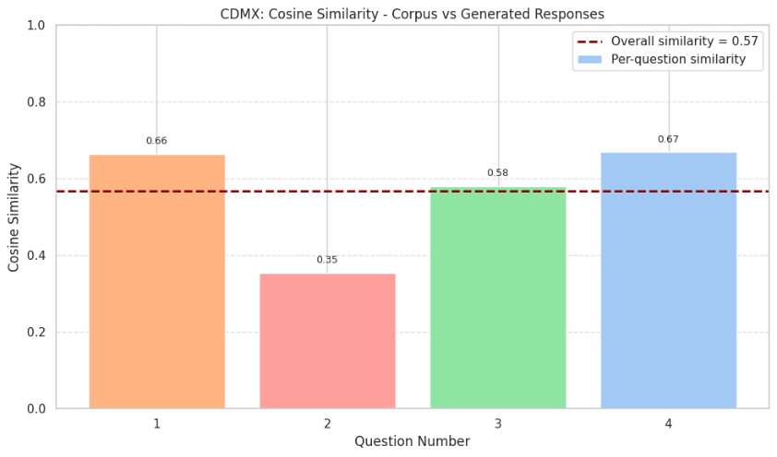
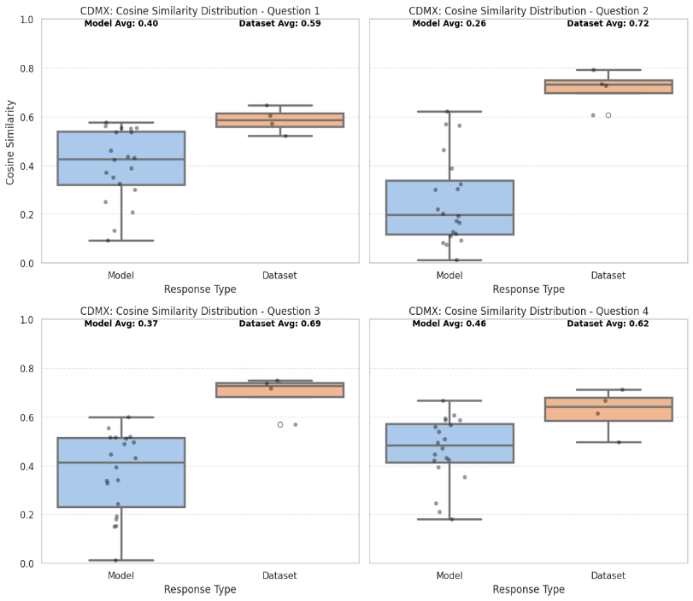
Profile | Question | Model CosSim vs Interview Answers | Mann-Whitney p | Significant (p < 0.05)
CDMX / 18-25 y.o. / C-D+ | 1 | 0.664892 | 0.01 | Yes
CDMX / 18-25 y.o. / C-D+ | 2 | 0.354434 | 0.0004 | Yes
CDMX / 18-25 y.o. / C-D+ | 3 | 0.57989 | 0.0004 | Yes
CDMX / 18-25 y.o. / C-D+ | 4 | 0.669012 | 0.0177 | Yes
MTY / 35-55 y.o. / C+B | 1 | 0.429709 | 0.0004 | Yes
MTY / 35-55 y.o. / C+B | 2 | 0.529842 | 0.0008 | Yes
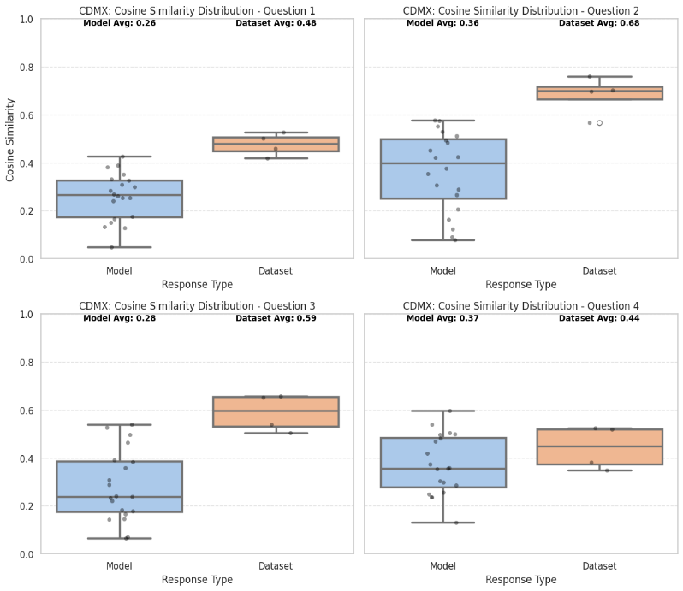
MTY / 35-55 y.o. / C+B | 3 | 0.442684 | 0.0008 | Yes
MTY / 35-55 y.o. / C+B | 4 | 0.565725 | 0.2405 | No

Semantic
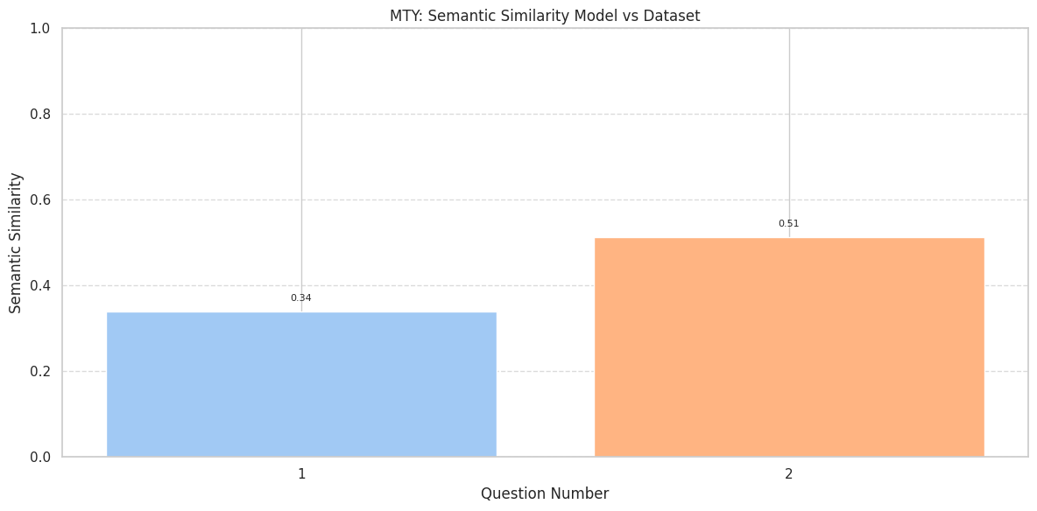
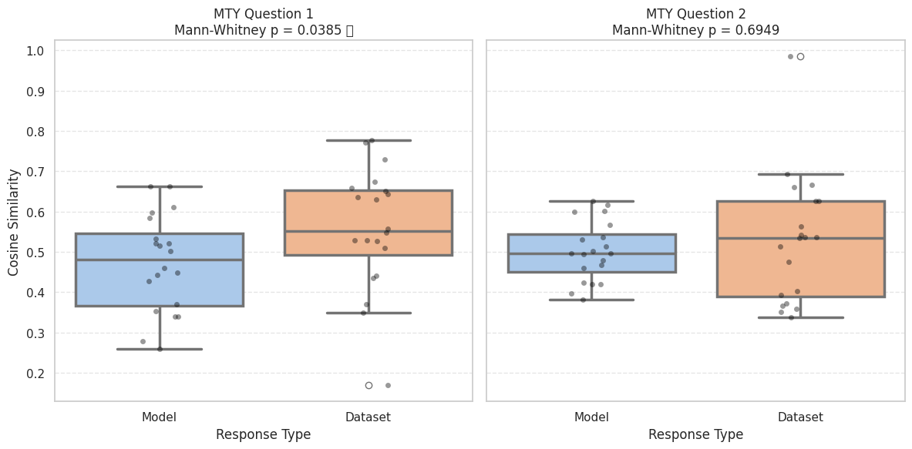
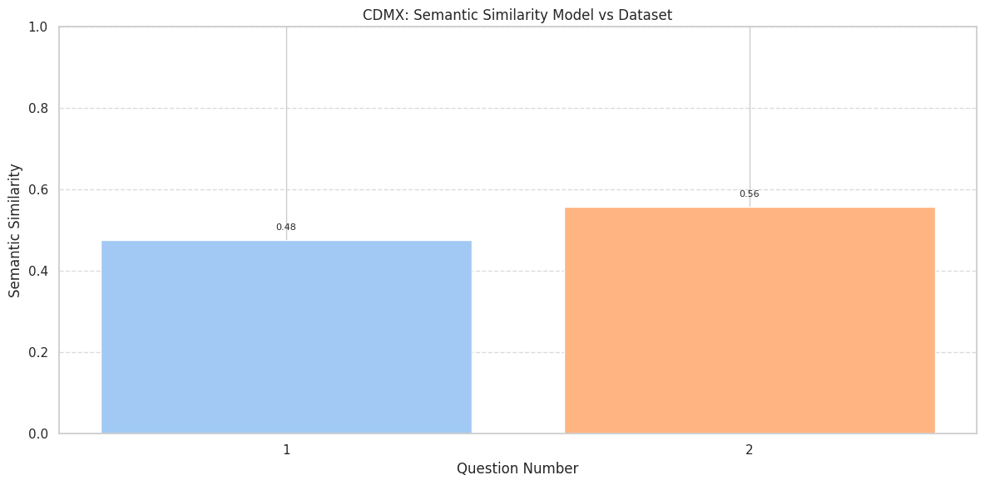
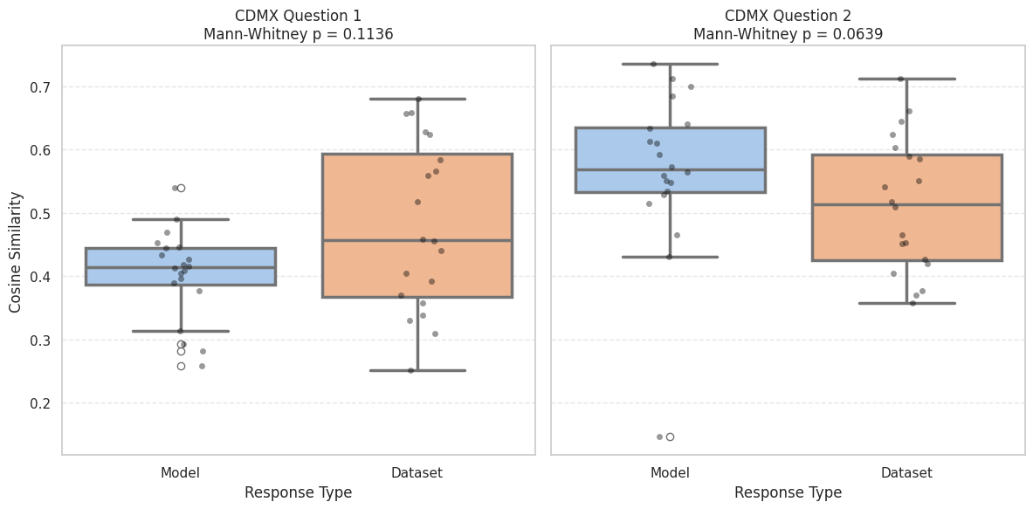
Profile | Question | SemSim Model vs Dataset Answers | Mann-Whitney p | Significant (p < 0.05)
CDMX / 18-25 y.o. / C-D+ | 1 | 0.476901 | 0.1136 | No
CDMX / 18-25 y.o. / C-D+ | 2 | 0.558504 | 0.0639 | No
MTY / 35-55 y.o. / C+B | 1 | 0.339854 | 0.1136 | No
MTY / 35-55 y.o. / C+B | 2 | 0.513347 | 0.0639 | No

Semantic vs Interviews
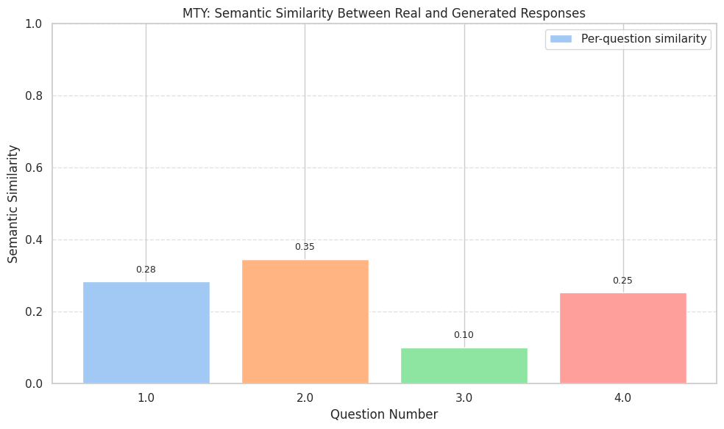
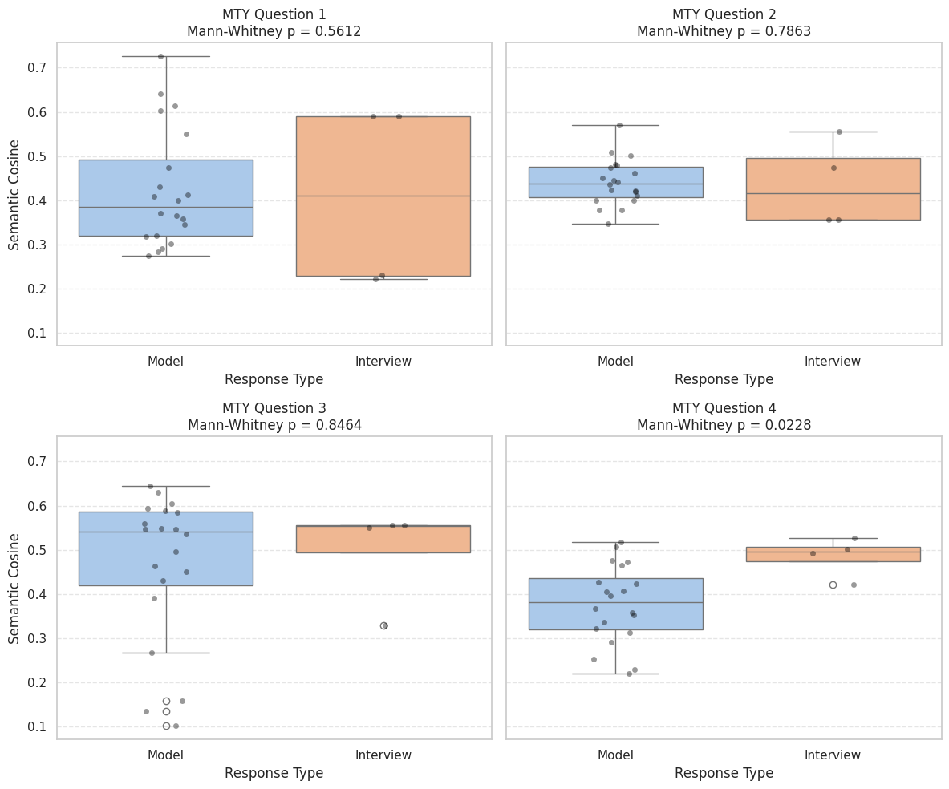
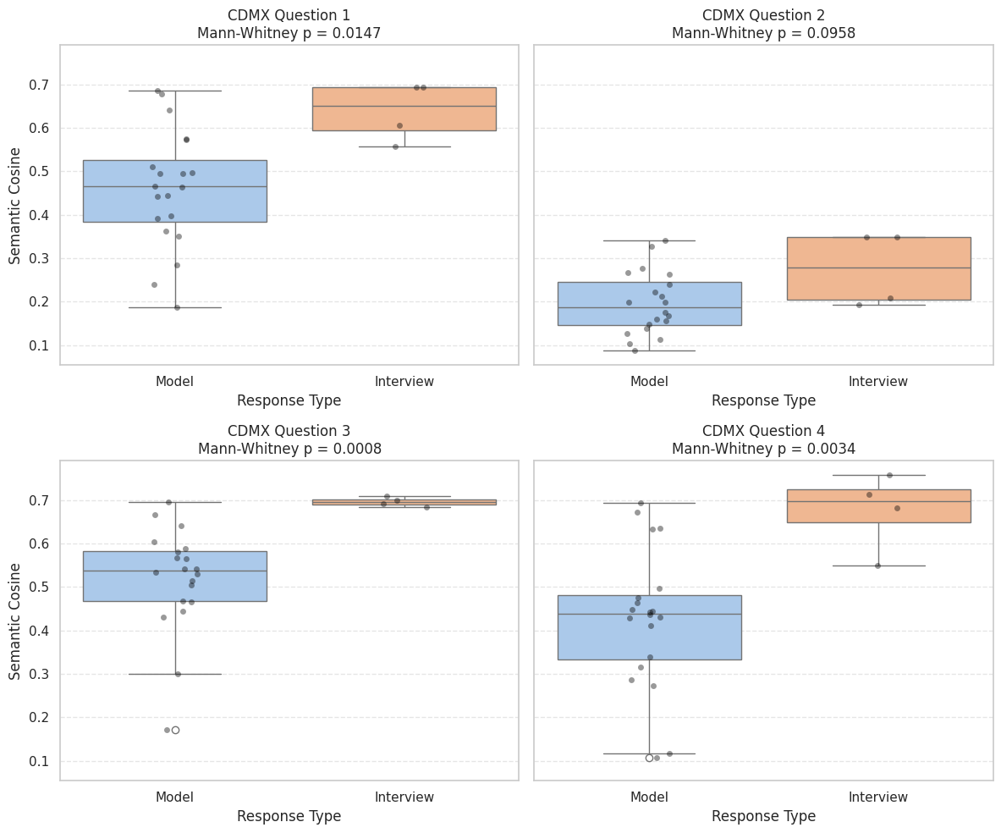
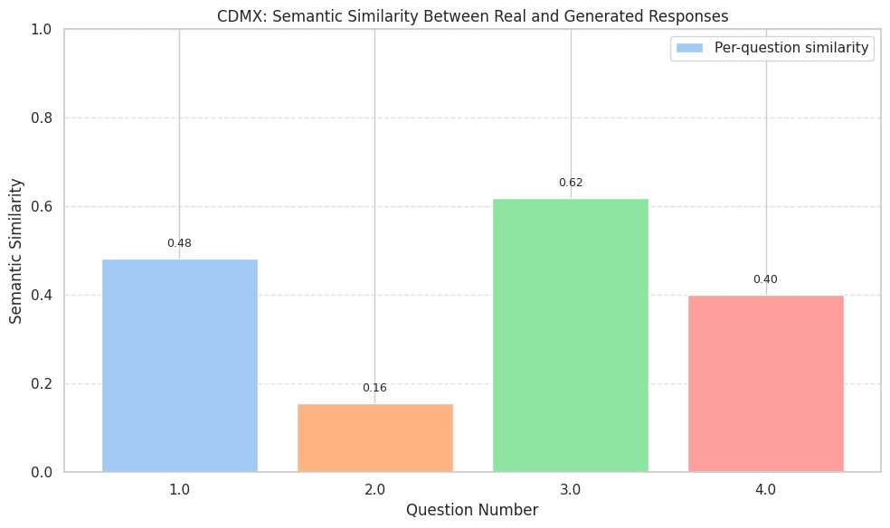
Profile | Question | SemSim Model vs Interview Answers | Mann-Whitney p | Significant (p < 0.05)
CDMX / 18-25 y.o. / C-D+ | 1 | 0.483006 | 0.0147 | Yes
CDMX / 18-25 y.o. / C-D+ | 2 | 0.155695 | 0.0958 | No
CDMX / 18-25 y.o. / C-D+ | 3 | 0.619091 | 0.0008 | Yes
CDMX / 18-25 y.o. / C-D+ | 4 | 0.401177 | 0.0034 | Yes
MTY / 35-55 y.o. / C+B | 1 | 0.283566 | 0.5612 | No
MTY / 35-55 y.o. / C+B | 2 | 0.346277 | 0.7863 | No
MTY / 35-55 y.o. / C+B | 3 | 0.101455 | 0.8464 | No
MTY / 35-55 y.o. / C+B | 4 | 0.252968 | 0.0228 | Yes

