Cover Sheet
Doc Title: |  | HeXI I/O Schedule
Doc No: |  | C15862H-HEXI-IOS |  | Rev: | 0/2
Client: |  | Diamond Light Source Limited
Project: |  | HIMax System
Description: |  | Safety Instrumented System for Three Flagship Beamlines and HeXI |  |  |  | SC Ref:
PO No: |  | 9001537/8046970/9003503 |  |  |  | C15862H

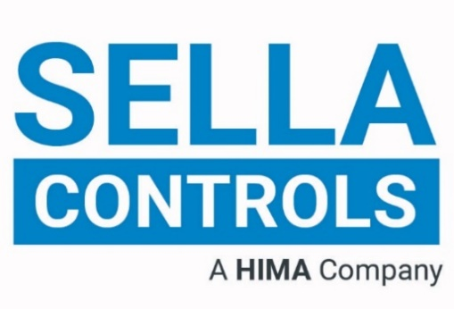

B10 E - HeXI Safety Instrumented System

I/O Schedule

 | 0/2 | 2026-04-16 | Client Mods |  |  | CW
 | 0 | 2026-02-11 | First Issue | EF | NPB | CW
 | Revision | Date | Description | By | Chk | App

 | Carrington Field Street | Stockport | Cheshire | SK1 3JN
 | Tel: 0161 429 4500 | Fax: 0161 476 3095 | Email: admin@sellacontrols.com | Web: www.sellacontrols.com

