Table 1
First Quarter 2015
TREB Member Inquiries: (416) 443-8152 Media/Public Inquiries:
Economic Indicators Real GDP Growth Q3 2014   2.4% Toronto Employment Growthii March 2015   -0.4% Toronto Unemployment Rate March 2015   7.3% Inflation (Yr./Yr. CPI Growth) February 2015   1.0% Bank of Canada Overnight Rate March 2015   0.75% Prime Rate March 2015   2.85% Fixed 5-Year Mortgage Rate March 2015   4.74% S o u rc e s: S t a t ist ic s C a n a d a ; B a n k o f C a n a d a |  |  |  |  |  | Rental Transactions Continue to Increase in Q1 2015 Toronto, April 17, 2015 – Toronto Real Estate Board President Paul Etherington announced that condominium apartment rental transactions and listings reported by Greater Toronto Area REALTORS® were up strongly on a year-over-year basis in the first quarter of 2015. The total number of units rented was up by 20.9 per cent to 6,074. A very similar annual growth rate of 20.2 per cent was noted for the number of units listed during the first quarter, with the number climbing to 13,409. Two-thirds of condo apartment rental transactions took place in TREB's central districts within the City of Toronto. “There are many renter households in the GTA and this number continues to increase as our population grows each year. As a result, demand has been strong, keeping vacancy rates low. This is why, even as more investor-held units became available for rent over the past year, many of these units were absorbed in short order. Condo apartments appeal to renters looking to take advantage of new, modern apartments located in popular locations in the City of Toronto and surrounding regions," said Mr. Etherington. The great majority of condo apartment rentals were accounted for by one-bedroom and two-bedroom units. The average one-bedroom rent was up by 0.8 per cent year-over- year to $1,585. The average two-bedroom rent was up by 1.1 per cent year-over-year to $2,180. "There was enough demand from renter households in the first quarter to see moderate average rent increases for the popular one-bedroom and two-bedroom apartment types. The fact that new listings continued to be absorbed speaks to the fact that the GTA rental market remains tight and investor-held condo units make up an important segment of the overall rental stock," said Jason Mercer, TREB's Director of Market Analysis. |  |  |  |  |  |  |  |  |  | Total TorontoMLS Apartment Rentals1,3
 |  |  |  |  |  |  |  |  |  |  |  |  |  |  |  |  |  |  | 6,074
 |  |  |  |  |  |  |  |  |  |  |  |  |  |  |  |  |  |  |  |  | 5,025
 |  |  |  |  |  |  |  |  |  |  |  |  |  |  |  |  |  | Q1 2015 Q1 2014 TorontoMLS Avg. 1-Bdrm. Apt. Rent1,3
Rental Market Summary: First Quarter 2015 Apartments1,2,3 All Bedroom Types Bachelor One-Bedroom Two-Bedroom Three-Bedroom Listed Leased Leased Avg. Rent Leased Avg. Rent Leased Avg. Rent Leased Avg. Rent Q1 2015 13,409 6,074 158 $1,325 3,576 $1,585 2,221 $2,180 119 $2,777 Q1 2014 11,158 5,025 113 $1,346 2,997 $1,572 1,804 $2,155 111 $2,746 Yr./Yr. % Chg. 20.2% 20.9% 39.8% -1.6% 19.3% 0.8% 23.1% 1.1% 7.2% 1.1% Townhouses1,2,3 All Bedroom Types Bachelor One-Bedroom Two-Bedroom Three-Bedroom Listed Leased Leased Avg. Rent Leased Avg. Rent Leased Avg. Rent Leased Avg. Rent Q1 2015 950 397 3 $932 35 $1,634 163 $1,805 196 $2,025 Q1 2014 803 325 2 $1,150 33 $1,490 107 $1,904 183 $1,947 Yr./Yr. % Chg. 18.3% 22.2% 50.0% -19.0% 6.1% 9.7% 52.3% -5.2% 7.1% 4.0%
 |  |  |  |  |  |  |  |  |  |  |  |  |  |  |  |  |  |  | $1,585 |  | $1,572
 |  |  |  |  |  |  |  |  |  |  |  |  |  |  |  | Q1 2015 Q1 2014

(416) 443-8158
SUMMARY OF RENTAL TRANSACTIONS |  |  |  |  |  |  |  |  |  |  |  |  | APARTMENTS, FIRST QUARTER 2015 ALL TREB AREAS
 |  |  | All Apartments |  |  |  |  |  |  | Bachelor |  | One-Bedroom |  |  | Two-Bedroom |  |  |  |  | Three-Bedroom
 |  |  | Total Listed1 |  |  |  | Total Leased2 |  |  | Leased2 | Avg. Lease Rate3 | Leased2 |  | Avg. Lease Rate3 | Leased2 |  | Avg. Lease Rate3 |  |  | Leased2 |  | Avg. Lease Rate3
TREB Total |  |  | 13,409 |  |  |  | 6,074 |  |  | 158 | $1,325 | 3,576 |  | $1,585 | 2,221 |  | $2,180 |  |  | 119 |  | $2,777
Halton Region |  |  | 206 |  |  |  | 78 |  |  | 0 | - | 47 |  | $1,436 | 29 |  | $2,007 |  |  | 2 |  | $1,525
Burlington |  |  | 32 |  |  |  | 16 |  |  | 0 | - | 13 |  | $1,396 | 2 |  | $2,113 |  |  | 1 |  | $1,450
Halton Hills |  |  | 1 |  |  |  | 0 |  |  | 0 | - | 0 |  | - | 0 |  | - |  |  | 0 |  | -
Milton |  |  | 28 |  |  |  | 19 |  |  | 0 | - | 9 |  | $1,361 | 10 |  | $1,623 |  |  | 0 |  | -
Oakville |  |  | 145 |  |  |  | 43 |  |  | 0 | - | 25 |  | $1,483 | 17 |  | $2,221 |  |  | 1 |  | $1,600
Peel Region |  |  | 989 |  |  |  | 498 |  |  | 4 | $1,349 | 208 |  | $1,443 | 262 |  | $1,716 |  |  | 24 |  | $2,014
Brampton |  |  | 74 |  |  |  | 33 |  |  | 0 | - | 12 |  | $1,312 | 20 |  | $1,420 |  |  | 1 |  | $1,800
Caledon |  |  | 0 |  |  |  | 0 |  |  | 0 | - | 0 |  | - | 0 |  | - |  |  | 0 |  | -
Mississauga |  |  | 915 |  |  |  | 465 |  |  | 4 | $1,349 | 196 |  | $1,451 | 242 |  | $1,741 |  |  | 23 |  | $2,023
City of Toronto |  |  | 11,130 |  |  |  | 4,963 |  |  | 154 | $1,325 | 3,013 |  | $1,617 | 1,712 |  | $2,303 |  |  | 84 |  | $3,091
! TURN PAGE FOR CITY OF TORONTO TABLES OR CLICK HERE:
York Region |  |  | 1,053 |  |  |  | 520 |  |  | 0 | - | 300 |  | $1,396 | 212 |  | $1,805 |  |  | 8 |  | $2,220
Aurora |  |  | 5 |  |  |  | 2 |  |  | 0 | - | 0 |  | - | 2 |  | $2,025 |  |  | 0 |  | -
E. Gwillimbury |  |  | 0 |  |  |  | 0 |  |  | 0 | - | 0 |  | - | 0 |  | - |  |  | 0 |  | -
Georgina |  |  | 2 |  |  |  | 0 |  |  | 0 | - | 0 |  | - | 0 |  | - |  |  | 0 |  | -
King |  |  | 10 |  |  |  | 4 |  |  | 0 | - | 1 |  | $1,200 | 3 |  | $1,567 |  |  | 0 |  | -
Markham |  |  | 511 |  |  |  | 273 |  |  | 0 | - | 153 |  | $1,380 | 114 |  | $1,732 |  |  | 6 |  | $2,138
Newmarket |  |  | 1 |  |  |  | 1 |  |  | 0 | - | 1 |  | $1,650 | 0 |  | - |  |  | 0 |  | -
Richmond Hill |  |  | 243 |  |  |  | 103 |  |  | 0 | - | 64 |  | $1,384 | 38 |  | $1,821 |  |  | 1 |  | $2,350
Vaughan |  |  | 280 |  |  |  | 136 |  |  | 0 | - | 81 |  | $1,434 | 54 |  | $1,950 |  |  | 1 |  | $2,585
Whitchurch-Stouffville |  |  | 1 |  |  |  | 1 |  |  | 0 | - | 0 |  | - | 1 |  | $2,000 |  |  | 0 |  | -
Durham Region |  |  | 27 |  |  |  | 14 |  |  | 0 | - | 8 |  | $1,361 | 5 |  | $1,310 |  |  | 1 |  | $1,650
Ajax |  |  | 6 |  |  |  | 2 |  |  | 0 | - | 1 |  | $1,300 | 0 |  | - |  |  | 1 |  | $1,650
Brock |  |  | 0 |  |  |  | 0 |  |  | 0 | - | 0 |  | - | 0 |  | - |  |  | 0 |  | -
Clarington |  |  | 8 |  |  |  | 6 |  |  | 0 | - | 3 |  | $1,297 | 3 |  | $1,233 |  |  | 0 |  | -
Oshawa |  |  | 2 |  |  |  | 1 |  |  | 0 | - | 0 |  | - | 1 |  | $1,250 |  |  | 0 |  | -
Pickering |  |  | 8 |  |  |  | 4 |  |  | 0 | - | 3 |  | $1,433 | 1 |  | $1,600 |  |  | 0 |  | -
Scugog |  |  | 0 |  |  |  | 0 |  |  | 0 | - | 0 |  | - | 0 |  | - |  |  | 0 |  | -
Uxbridge |  |  | 0 |  |  |  | 0 |  |  | 0 | - | 0 |  | - | 0 |  | - |  |  | 0 |  | -
Whitby |  |  | 3 |  |  |  | 1 |  |  | 0 | - | 1 |  | $1,400 | 0 |  | - |  |  | 0 |  | -
Dufferin County |  |  | 1 |  |  |  | 0 |  |  | 0 | - | 0 |  | - | 0 |  | - |  |  | 0 |  | -
Orangeville |  |  | 1 |  |  |  | 0 |  |  | 0 | - | 0 |  | - | 0 |  | - |  |  | 0 |  | -
Simcoe County |  |  | 3 |  |  |  | 1 |  |  | 0 | - | 0 |  | - | 1 |  | $1,450 |  |  | 0 |  | -
Adjala-Tosorontio |  |  | 0 |  |  |  | 0 |  |  | 0 | - | 0 |  | - | 0 |  | - |  |  | 0 |  | -
Bradford West Gwillimbury |  |  | 1 |  |  |  | 1 |  |  | 0 | - | 0 |  | - | 1 |  | $1,450 |  |  | 0 |  | -
Essa |  |  | 0 |  |  |  | 0 |  |  | 0 | - | 0 |  | - | 0 |  | - |  |  | 0 |  | -
Innisfil |  |  | 0 |  |  |  | 0 |  |  | 0 | - | 0 |  | - | 0 |  | - |  |  | 0 |  | -
New Tecumseth |  |  | 2 |  |  |  | 0 |  |  | 0 | - | 0 |  | - | 0 |  | - |  |  | 0 |  | -

SUMMARY OF RENTAL TRANSACTIONS |  |  |  |  |  |  |  |  |  | APARTMENTS, FIRST QUARTER 2015 CITY OF TORONTO MUNICIPAL BREAKDOWN
 |  |  | All Apartments |  |  |  |  |  |  | Bachelor |  | One-Bedroom |  |  | Two-Bedroom |  |  |  |  | Three-Bedroom
 |  |  | Total Listed1 |  |  |  | Total Leased2 |  |  | Leased2 | Avg. Lease Rate3 | Leased2 |  | Avg. Lease Rate3 | Leased2 |  | Avg. Lease Rate3 |  |  | Leased2 |  | Avg. Lease Rate3
TREB Total |  |  | 13,409 |  |  |  | 6,074 |  |  | 158 | $1,325 | 3,576 |  | $1,585 | 2,221 |  | $2,180 |  |  | 119 |  | $2,777
City of Toronto Total |  |  | 11,130 |  |  |  | 4,963 |  |  | 154 | $1,325 | 3,013 |  | $1,617 | 1,712 |  | $2,303 |  |  | 84 |  | $3,091
Toronto West |  |  | 1,508 |  |  |  | 628 |  |  | 6 | $1,114 | 363 |  | $1,445 | 249 |  | $1,979 |  |  | 10 |  | $2,204
Toronto W01 |  |  | 155 |  |  |  | 66 |  |  | 0 | - | 36 |  | $1,565 | 29 |  | $2,107 |  |  | 1 |  | $1,750
Toronto W02 |  |  | 58 |  |  |  | 30 |  |  | 0 | - | 20 |  | $1,495 | 10 |  | $2,045 |  |  | 0 |  | -
Toronto W03 |  |  | 5 |  |  |  | 1 |  |  | 0 | - | 0 |  | - | 1 |  | $1,500 |  |  | 0 |  | -
Toronto W04 |  |  | 82 |  |  |  | 33 |  |  | 0 | - | 21 |  | $1,324 | 12 |  | $1,663 |  |  | 0 |  | -
Toronto W05 |  |  | 46 |  |  |  | 25 |  |  | 2 | $1,068 | 15 |  | $1,475 | 6 |  | $1,492 |  |  | 2 |  | $1,485
Toronto W06 |  |  | 773 |  |  |  | 299 |  |  | 4 | $1,137 | 175 |  | $1,431 | 116 |  | $2,109 |  |  | 4 |  | $3,068
Toronto W07 |  |  | 18 |  |  |  | 7 |  |  | 0 | - | 5 |  | $1,445 | 2 |  | $1,825 |  |  | 0 |  | -
Toronto W08 |  |  | 316 |  |  |  | 145 |  |  | 0 | - | 84 |  | $1,454 | 59 |  | $1,897 |  |  | 2 |  | $1,775
Toronto W09 |  |  | 10 |  |  |  | 2 |  |  | 0 | - | 0 |  | - | 2 |  | $1,750 |  |  | 0 |  | -
Toronto W10 |  |  | 45 |  |  |  | 20 |  |  | 0 | - | 7 |  | $1,256 | 12 |  | $1,431 |  |  | 1 |  | $1,500
Toronto Central |  |  | 9,045 |  |  |  | 4,078 |  |  | 144 | $1,342 | 2,519 |  | $1,652 | 1,351 |  | $2,416 |  |  | 64 |  | $3,424
Toronto C01 |  |  | 4,633 |  |  |  | 2,106 |  |  | 96 | $1,335 | 1,336 |  | $1,704 | 640 |  | $2,487 |  |  | 34 |  | $3,410
Toronto C02 |  |  | 381 |  |  |  | 122 |  |  | 7 | $1,407 | 57 |  | $1,964 | 53 |  | $5,030 |  |  | 5 |  | $6,113
Toronto C03 |  |  | 92 |  |  |  | 55 |  |  | 0 | - | 38 |  | $1,670 | 17 |  | $2,396 |  |  | 0 |  | -
Toronto C04 |  |  | 58 |  |  |  | 20 |  |  | 0 | - | 10 |  | $1,578 | 7 |  | $2,403 |  |  | 3 |  | $2,167
Toronto C06 |  |  | 46 |  |  |  | 27 |  |  | 0 | - | 16 |  | $1,375 | 9 |  | $1,822 |  |  | 2 |  | $1,875
Toronto C07 |  |  | 607 |  |  |  | 301 |  |  | 1 | $1,300 | 151 |  | $1,545 | 144 |  | $2,008 |  |  | 5 |  | $2,700
Toronto C08 |  |  | 1,157 |  |  |  | 510 |  |  | 26 | $1,368 | 337 |  | $1,720 | 146 |  | $2,468 |  |  | 1 |  | $8,500
Toronto C09 |  |  | 64 |  |  |  | 23 |  |  | 0 | - | 13 |  | $2,000 | 9 |  | $2,700 |  |  | 1 |  | $8,500
Toronto C10 |  |  | 120 |  |  |  | 45 |  |  | 1 | $1,325 | 27 |  | $1,826 | 17 |  | $2,479 |  |  | 0 |  | -
Toronto C11 |  |  | 45 |  |  |  | 13 |  |  | 0 | - | 5 |  | $1,367 | 8 |  | $1,900 |  |  | 0 |  | -
Toronto C12 |  |  | 43 |  |  |  | 14 |  |  | 0 | - | 5 |  | $1,815 | 8 |  | $2,939 |  |  | 1 |  | $2,400
Toronto C13 |  |  | 149 |  |  |  | 69 |  |  | 2 | $1,150 | 42 |  | $1,410 | 25 |  | $1,818 |  |  | 0 |  | -
Toronto C14 |  |  | 887 |  |  |  | 345 |  |  | 9 | $1,349 | 170 |  | $1,524 | 159 |  | $2,008 |  |  | 7 |  | $2,519
Toronto C15 |  |  | 763 |  |  |  | 428 |  |  | 2 | $1,270 | 312 |  | $1,445 | 109 |  | $1,941 |  |  | 5 |  | $2,362
Toronto East |  |  | 577 |  |  |  | 257 |  |  | 4 | $1,031 | 131 |  | $1,403 | 112 |  | $1,665 |  |  | 10 |  | $1,848
Toronto E01 |  |  | 45 |  |  |  | 18 |  |  | 2 | $963 | 13 |  | $1,892 | 3 |  | $2,383 |  |  | 0 |  | -
Toronto E02 |  |  | 40 |  |  |  | 11 |  |  | 0 | - | 7 |  | $1,620 | 4 |  | $2,925 |  |  | 0 |  | -
Toronto E03 |  |  | 19 |  |  |  | 8 |  |  | 0 | - | 2 |  | $850 | 5 |  | $1,510 |  |  | 1 |  | $1,600
Toronto E04 |  |  | 31 |  |  |  | 14 |  |  | 0 | - | 6 |  | $1,268 | 7 |  | $1,513 |  |  | 1 |  | $1,650
Toronto E05 |  |  | 98 |  |  |  | 42 |  |  | 0 | - | 20 |  | $1,280 | 19 |  | $1,638 |  |  | 3 |  | $1,808
Toronto E06 |  |  | 9 |  |  |  | 3 |  |  | 0 | - | 3 |  | $1,550 | 0 |  | - |  |  | 0 |  | -
Toronto E07 |  |  | 95 |  |  |  | 46 |  |  | 0 | - | 21 |  | $1,325 | 23 |  | $1,527 |  |  | 2 |  | $1,600
Toronto E08 |  |  | 14 |  |  |  | 8 |  |  | 0 | - | 1 |  | $1,100 | 7 |  | $1,476 |  |  | 0 |  | -
Toronto E09 |  |  | 204 |  |  |  | 99 |  |  | 2 | $1,100 | 55 |  | $1,374 | 39 |  | $1,686 |  |  | 3 |  | $2,200
Toronto E10 |  |  | 10 |  |  |  | 3 |  |  | 0 | - | 1 |  | $1,300 | 2 |  | $1,425 |  |  | 0 |  | -
Toronto E11 |  |  | 12 |  |  |  | 5 |  |  | 0 | - | 2 |  | $1,225 | 3 |  | $1,425 |  |  | 0 |  | -
SUMMARY OF RENTAL TRANSACTIONS TOWNHOUSES, FIRST QUARTER 2015 ALL TREB AREAS
 |  |  | All Apartments |  |  |  |  |  |  | Bachelor |  | One-Bedroom |  |  | Two-Bedroom |  |  |  |  | Three-Bedroom
 |  |  | Total Listed1 |  |  |  | Total Leased2 |  |  | Leased2 | Avg. Lease Rate3 | Leased2 |  | Avg. Lease Rate3 | Leased2 |  | Avg. Lease Rate3 |  |  | Leased2 |  | Avg. Lease Rate3
TREB Total |  |  | 950 |  |  |  | 397 |  |  | 3 | $932 | 35 |  | $1,634 | 163 |  | $1,805 |  |  | 196 |  | $2,025
Halton Region |  |  | 84 |  |  |  | 39 |  |  | 0 | - | 1 |  | $1,600 | 23 |  | $1,523 |  |  | 15 |  | $1,860
Burlington |  |  | 16 |  |  |  | 5 |  |  | 0 | - | 1 |  | $1,600 | 2 |  | $1,600 |  |  | 2 |  | $1,913
Halton Hills |  |  | 2 |  |  |  | 2 |  |  | 0 | - | 0 |  | - | 0 |  | - |  |  | 2 |  | $1,350
Milton |  |  | 4 |  |  |  | 0 |  |  | 0 | - | 0 |  | - | 0 |  | - |  |  | 0 |  | -
Oakville |  |  | 62 |  |  |  | 32 |  |  | 0 | - | 0 |  | - | 21 |  | $1,515 |  |  | 11 |  | $1,943
Peel Region |  |  | 317 |  |  |  | 142 |  |  | 2 | $773 | 11 |  | $1,248 | 38 |  | $1,630 |  |  | 91 |  | $1,812
...
 |  |  |  |  |  |  |  |  |  |  |  |  |  |  |  |  |  |  |  | 0 |  | -
Toronto E07 |  |  | 4 |  |  |  | 3 |  |  | 0 | - | 0 |  | - | 0 |  | - |  |  | 3 |  | $1,887
Toronto E08 |  |  | 0 |  |  |  | 0 |  |  | 0 | - | 0 |  | - | 0 |  | - |  |  | 0 |  | -
Toronto E09 |  |  | 12 |  |  |  | 5 |  |  | 0 | - | 0 |  | - | 4 |  | $1,583 |  |  | 1 |  | $2,200
Toronto E10 |  |  | 8 |  |  |  | 2 |  |  | 0 | - | 0 |  | - | 0 |  | - |  |  | 2 |  | $1,550
Toronto E11 |  |  | 3 |  |  |  | 1 |  |  | 0 | - | 0 |  | - | 0 |  | - |  |  | 1 |  | $1,600
Share of GTA Condo Apartments In Rental
Halton Peel Toronto York Durham Source: CMHC, 2014 Fall Rental Market Survey
GTA Condo Apartment Vacancy Rate
 |  |  |  |  | 2.1%
6
0.8% Halton | 1.2% Peel | 1.3% Toronto |  | York |  |  |  | 0.8% Durham |  | NOTES 1Refers to the total number of rental units that were available during the reporting period. 2Refers to firm lease transactions entered in the TorontoMLS system between the first and last day of the reporting period. 3Refers to the average lease rate for firm lease transactions entered in the TorontoMLS system between the first and last day of the reporting period. 4Statistics Canada, Quarter-over-quarter annualized growth rate. 5Statistics Canada, Year-over-year growth rate. 6Bank of Canada, rates for most recently completed month.
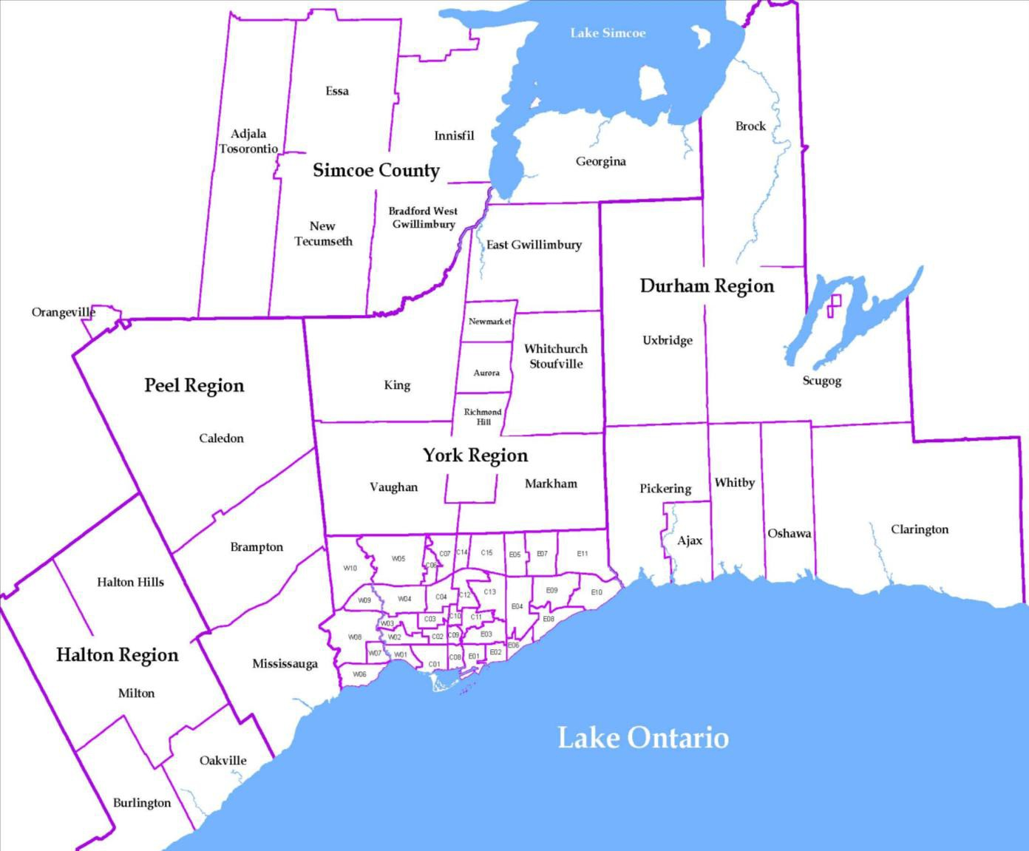
Source: CMHC, 2014 Fall Rental Market Survey |  |  |  |  |  |  |  |  | Rental Market Report, First Quarter 2015

