Table 1
Rental Market Report
TREB Member Inquiries: (416) 443-8152 Media/Public Inquiries:
First Quarter 2016 |  |  | (416) 443-8158
Economic Indicators Real GDP Quarterly Q4 2015 0.8% Toronto Employment Growth |  |  |  |  | Robust Average Rent Increases in Q1 2016 TORONTO, April 22, 2016 – Toronto Real Estate Board President Mark McLean announced 6,458 condominium apartment rental transactions reported through TREB’s MLS® System during the first quarter of 2016. This result represented a year-over-year increase of 6.5 per cent compared to the first quarter of 2015. “It’s not just the home ownership market that is tight in the Greater Toronto Area. Demand for condominium apartment rentals remained very strong relative to available listings. As a result, strong competition between renters prompted very strong growth in average rents, particularly for the popular one-bedroom and two-bedroom apartment categories,” said Mr. McLean. The average one-bedroom apartment rent was $1,662 in the first quarter – up 4.8 per cent compared to the same period in 2015. The average two- bedroom rent climbed by 8.9 per cent to $2,375 on a year-over-year basis. “Even with record and near-record completions over the last few years, condominium apartment vacancy rates have remained low. Renters looking for new apartments in popular neighbourhoods are by and large pointed at investor-held condominium apartments. This is why new rental listings have been absorbed in short order and average rents have trended upwards over the past year,” said Jason Mercer, TREB’s Director of Market Analysis. |  |  |  |  |  |  |  |  |  |  |  |  |  |  |  |  |  | Total TREB MLS® Apartment Rentals 1,3
 |  |  |  |  |  |  |  |  |  |  |  |  |  |  |  |  |  |  |  |  |  |  |  | 6,458
March 2016 3.4% Toronto Unemployment Rate March 2016 7.3% Inflation Rate (Yr./Yr. CPI Growth) February 2016 1.4% Bank of Canada Overnight Rate March 2016 -- 0.5% Prime Rate March 2016 -- 2.7% Fixed 5-Year Mortgage Rate March 2016 -- 4.64% Sources: Statistics Canada; Bank of Canada |  |  |  |  |  |  |  |  |  |  |  |  |  |  |  |  |  |  |  |  |  |  |  |  |  |  | 6,063
 |  |  |  |  |  |  |  |  |  |  |  |  |  |  |  |  |  |  |  |  |  |  | Q1 Q1 2016 2015 TREB MLS® Avg. 1-Bdrm. Apt. Rent 1,3
Rental Market Summary: First Quarter 2016 Apartments1,2,3
 |  |  |  |  |  |  |  |  |  |  |  |  |  |  |  |  |  |  |  |  |  |  |  | $1,662 |  |  | $1,585
 | All Bedroom Types |  |  |  | Bachelor |  |  |  |  |  | One-Bedroom |  |  |  | Two-Bedroom |  |  |  | Three-Bedroom
 | Listed | Leased |  |  | Leased |  |  |  | Avg. Rent |  | Leased |  | Avg. Rent |  | Leased |  | Avg. Rent |  | Leased |  | Avg. Rent
Q1 2016 | 11,483 | 6,458 |  |  | 195 |  |  |  | $1,376 |  | 3,891 |  | $1,662 |  | 2,234 |  | $2,375 |  | 138 |  | $2,789
Q1 2015 | 13,338 | 6,063 |  |  | 158 |  |  |  | $1,325 |  | 3,569 |  | $1,585 |  | 2,217 |  | $2,180 |  | 119 |  | $2,777
2Y0r.1/Y61r. % Chg. | -13.9% | 6.5% |  |  | 23.4% |  |  |  | 3.8% |  | 9.0% |  | 4.8% 1 |  | 0.8% |  | 8.9% 9 |  | 16.0% 7 |  | 0.5%
Townhouses1,2,3
 | All Bedroom Types |  |  |  | Bachelor |  |  |  |  |  | One-Bedroom |  |  |  | Two-Bedroom |  |  |  | Three-Bedroom
 | Listed | Leased |  |  | Leased |  |  |  | Avg. Rent |  | Leased |  | Avg. Rent |  | Leased |  | Avg. Rent |  | Leased |  | Avg. Rent
Q1 2016 | 887 | 413 |  |  | 1 |  |  |  | $1,100 |  | 36 |  | $1,492 |  | 167 |  | $1,840 |  | 209 |  | $2,093
 |  |  |  |  |  |  |  |  |  |  |  |  |  |  |  |  |  |  |  |  |  |  | Q1 Q1 2016 2015
Q1 2015 | 942 | 396 |  |  | 2 |  |  |  | $1,073 |  | 35 |  | $1,634 |  | 163 |  | $1,805 |  | 196 |  | $2,025
2Y0r.1/6Y1r. % Chg. | -5.8% | 4.3% |  |  | -50.0% |  |  |  | 2.6% |  | 2.9% |  | -8.7% |  | 2.5% |  | 1.9% |  | 4 6.6% |  | 3.4%

SUMMARY OF RENTAL TRANSACTIONS APARTMENTS, FIRST QUARTER 2016 ALL TREB AREAS
 |  |  |  | All Apartments |  |  |  |  |  |  |  | Bachelor |  |  |  | One-Bedroom |  |  |  |  |  | Two-Bedroom |  |  |  | Three-Bedroom
 |  |  |  | Total Listed1 |  |  |  | Total Leased2 |  |  |  | Leased 2 |  | Avg. Lease Rate3 |  | Leased 2 |  |  |  | Avg. Lease Rate3 |  | Leased 2 |  |  | Avg. Lease Rate3 | Leased 2 |  | Avg. Lease Rate3
TREB Total |  |  |  | 11,483 |  |  |  | 6,458 |  |  |  | 195 |  | $1,376 |  | 3,891 |  |  |  | $1,662 |  | 2,234 |  |  | $2,375 | 138 |  | $2,789
Halton Region |  |  |  | 247 |  |  |  | 109 |  |  |  | 0 |  | - |  | 57 |  |  |  | $1,500 |  | 49 |  |  | $2,207 | 3 |  | $2,698
Burlington |  |  |  | 31 |  |  |  | 18 |  |  |  | 0 |  | - |  | 11 |  |  |  | $1,470 |  | 7 |  |  | $1,800 | 0 |  | -
Halton Hills |  |  |  | 0 |  |  |  | 0 |  |  |  | 0 |  | - |  | 0 |  |  |  | - |  | 0 |  |  | - | 0 |  | -
Milton |  |  |  | 21 |  |  |  | 14 |  |  |  | 0 |  | - |  | 5 |  |  |  | $1,379 |  | 7 |  |  | $1,612 | 2 |  | $1,698
Oakville |  |  |  | 195 |  |  |  | 77 |  |  |  | 0 |  | - |  | 41 |  |  |  | $1,522 |  | 35 |  |  | $2,407 | 1 |  | $4,700
Peel Region |  |  |  | 841 |  |  |  | 505 |  |  |  | 9 |  | $1,314 |  | 227 |  |  |  | $1,513 |  | 256 |  |  | $1,810 | 13 |  | $1,942
Brampton |  |  |  | 42 |  |  |  | 26 |  |  |  | 0 |  | - |  | 12 |  |  |  | $1,365 |  | 12 |  |  | $1,505 | 2 |  | $1,575
Caledon |  |  |  | 0 |  |  |  | 0 |  |  |  | 0 |  | - |  | 0 |  |  |  | - |  | 0 |  |  | - | 0 |  | -
Mississauga |  |  |  | 799 |  |  |  | 479 |  |  |  | 9 |  | $1,314 |  | 215 |  |  |  | $1,521 |  | 244 |  |  | $1,825 | 11 |  | $2,009
City of Toronto |  |  |  | 9,259 |  |  |  | 5,217 |  |  |  | 185 |  | $1,380 |  | 3,231 |  |  |  | $1,701 |  | 1,691 |  |  | $2,544 | 110 |  | $2,963
Toronto West |  |  |  | 955 |  |  |  | 573 |  |  |  | 7 |  | $1,221 |  | 342 |  |  |  | $1,559 |  | 215 |  |  | $2,187 | 9 |  | $2,506
Toronto Central |  |  |  | 7,801 |  |  |  | 4,342 |  |  |  | 174 |  | $1,394 |  | 2,746 |  |  |  | $1,732 |  | 1,334 |  |  | $2,686 | 88 |  | $3,177
Toronto East |  |  |  | 503 |  |  |  | 302 |  |  |  | 4 |  | $1,020 |  | 143 |  |  |  | $1,444 |  | 142 |  |  | $1,750 | 13 |  | $1,835
York Region |  |  |  | 1,097 |  |  |  | 602 |  |  |  | 1 |  | $1,150 |  | 370 |  |  |  | $1,441 |  | 224 |  |  | $1,834 | 7 |  | $2,589
Aurora |  |  |  | 3 |  |  |  | 2 |  |  |  | 0 |  | - |  | 1 |  |  |  | $1,550 |  | 1 |  |  | $1,600 | 0 |  | -
E. Gwillimbury |  |  |  | 1 |  |  |  | 1 |  |  |  | 0 |  | - |  | 0 |  |  |  | - |  | 1 |  |  | $1,475 | 0 |  | -
Georgina |  |  |  | 0 |  |  |  | 0 |  |  |  | 0 |  | - |  | 0 |  |  |  | - |  | 0 |  |  | - | 0 |  | -
King |  |  |  | 1 |  |  |  | 1 |  |  |  | 0 |  | - |  | 1 |  |  |  | $1,600 |  | 0 |  |  | - | 0 |  | -
Markham |  |  |  | 477 |  |  |  | 272 |  |  |  | 1 |  | $1,150 |  | 174 |  |  |  | $1,414 |  | 94 |  |  | $1,806 | 3 |  | $2,767
Newmarket |  |  |  | 4 |  |  |  | 3 |  |  |  | 0 |  | - |  | 0 |  |  |  | - |  | 3 |  |  | $1,650 | 0 |  | -
Richmond Hill |  |  |  | 324 |  |  |  | 162 |  |  |  | 0 |  | - |  | 103 |  |  |  | $1,432 |  | 57 |  |  | $1,829 | 2 |  | $2,413
Vaughan |  |  |  | 285 |  |  |  | 159 |  |  |  | 0 |  | - |  | 91 |  |  |  | $1,498 |  | 66 |  |  | $1,891 | 2 |  | $2,500
Whitchurch-Stouffville |  |  |  | 2 |  |  |  | 2 |  |  |  | 0 |  | - |  | 0 |  |  |  | - |  | 2 |  |  | $2,000 | 0 |  | -
Durham Region |  |  |  | 36 |  |  |  | 24 |  |  |  | 0 |  | - |  | 5 |  |  |  | $1,515 |  | 14 |  |  | $1,629 | 5 |  | $1,505
Ajax |  |  |  | 4 |  |  |  | 1 |  |  |  | 0 |  | - |  | 1 |  |  |  | $1,925 |  | 0 |  |  | - | 0 |  | -
Brock |  |  |  | 0 |  |  |  | 0 |  |  |  | 0 |  | - |  | 0 |  |  |  | - |  | 0 |  |  | - | 0 |  | -
Clarington |  |  |  | 8 |  |  |  | 4 |  |  |  | 0 |  | - |  | 2 |  |  |  | $1,400 |  | 2 |  |  | $1,300 | 0 |  | -
Oshawa |  |  |  | 4 |  |  |  | 3 |  |  |  | 0 |  | - |  | 0 |  |  |  | - |  | 1 |  |  | $900 | 2 |  | $1,475
Pickering |  |  |  | 14 |  |  |  | 10 |  |  |  | 0 |  | - |  | 2 |  |  |  | $1,425 |  | 6 |  |  | $1,825 | 2 |  | $1,575
Scugog |  |  |  | 0 |  |  |  | 0 |  |  |  | 0 |  | - |  | 0 |  |  |  | - |  | 0 |  |  | - | 0 |  | -
Uxbridge |  |  |  | 1 |  |  |  | 1 |  |  |  | 0 |  | - |  | 0 |  |  |  | - |  | 1 |  |  | $1,600 | 0 |  | -
Whitby |  |  |  | 5 |  |  |  | 5 |  |  |  | 0 |  | - |  | 0 |  |  |  | - |  | 4 |  |  | $1,688 | 1 |  | $1,425
Dufferin County |  |  |  | 1 |  |  |  | 1 |  |  |  | 0 |  | - |  | 1 |  |  |  | $1,100 |  | 0 |  |  | - | 0 |  | -
Orangeville |  |  |  | 1 |  |  |  | 1 |  |  |  | 0 |  | - |  | 1 |  |  |  | $1,100 |  | 0 |  |  | - | 0 |  | -
Simcoe County |  |  |  | 2 |  |  |  | 0 |  |  |  | 0 |  | - |  | 0 |  |  |  | - |  | 0 |  |  | - | 0 |  | -
Adjala-Tosorontio |  |  |  | 0 |  |  |  | 0 |  |  |  | 0 |  | - |  | 0 |  |  |  | - |  | 0 |  |  | - | 0 |  | -
Bradford West Gwillimbury |  |  |  | 0 |  |  |  | 0 |  |  |  | 0 |  | - |  | 0 |  |  |  | - |  | 0 |  |  | - | 0 |  | -
Essa |  |  |  | 0 |  |  |  | 0 |  |  |  | 0 |  | - |  | 0 |  |  |  | - |  | 0 |  |  | - | 0 |  | -
Innisfil |  |  |  | 0 |  |  |  | 0 |  |  |  | 0 |  | - |  | 0 |  |  |  | - |  | 0 |  |  | - | 0 |  | -
New Tecumseth |  |  |  | 2 |  |  |  | 0 |  |  |  | 0 |  | - |  | 0 |  |  |  | - |  | 0 |  |  | - | 0 |  | -
SUMMARY OF RENTAL TRANSACTIONS APARTMENTS, FIRST QUARTER 2016 CITY OF TORONTO MUNICIPAL BREAKDOWN
 |  |  |  | All Apartments |  |  |  |  |  |  |  | Bachelor |  |  |  | One-Bedroom |  |  |  |  |  | Two-Bedroom |  |  |  | Three-Bedroom
 |  |  |  | Total Listed 1 |  |  |  | Total Leased 2 |  |  |  | Leased 2 |  | Avg. Lease Rate3 |  | Leased 2 |  |  |  | Avg. Lease Rate3 |  | Leased 2 |  |  | Avg. Lease Rate3 | Leased2 |  | Avg. Lease Rate3
TREB Total |  |  |  | 11,483 |  |  |  | 6,458 |  |  |  | 195 |  | $1,376 |  | 3,891 |  |  |  | $1,662 |  | 2,234 |  |  | $2,375 | 138 |  | $2,789
City of Toronto Total |  |  |  | 9,259 |  |  |  | 5,217 |  |  |  | 185 |  | $1,380 |  | 3,231 |  |  |  | $1,701 |  | 1,691 |  |  | $2,544 | 110 |  | $2,963
Toronto West |  |  |  | 955 |  |  |  | 573 |  |  |  | 7 |  | $1,221 |  | 342 |  |  |  | $1,559 |  | 215 |  |  | $2,187 | 9 |  | $2,506
Toronto W01 |  |  |  | 78 |  |  |  | 50 |  |  |  | 0 |  | - |  | 25 |  |  |  | $1,662 |  | 24 |  |  | $2,532 | 1 |  | $1,700
Toronto W02 |  |  |  | 98 |  |  |  | 72 |  |  |  | 5 |  | $1,280 |  | 51 |  |  |  | $1,758 |  | 16 |  |  | $2,681 | 0 |  | -
Toronto W03 |  |  |  | 3 |  |  |  | 3 |  |  |  | 0 |  | - |  | 2 |  |  |  | $1,263 |  | 1 |  |  | $1,675 | 0 |  | -
Toronto W04 |  |  |  | 39 |  |  |  | 17 |  |  |  | 0 |  | - |  | 13 |  |  |  | $1,328 |  | 3 |  |  | $1,725 | 1 |  | $2,350
Toronto W05 |  |  |  | 58 |  |  |  | 34 |  |  |  | 2 |  | $1,075 |  | 24 |  |  |  | $1,503 |  | 7 |  |  | $1,681 | 1 |  | $1,450
Toronto W06 |  |  |  | 393 |  |  |  | 236 |  |  |  | 0 |  | - |  | 144 |  |  |  | $1,564 |  | 89 |  |  | $2,287 | 3 |  | $4,000
Toronto W07 |  |  |  | 5 |  |  |  | 2 |  |  |  | 0 |  | - |  | 1 |  |  |  | $1,650 |  | 1 |  |  | $2,200 | 0 |  | -
Toronto W08 |  |  |  | 215 |  |  |  | 132 |  |  |  | 0 |  | - |  | 69 |  |  |  | $1,476 |  | 63 |  |  | $1,984 | 0 |  | -
Toronto W09 |  |  |  | 9 |  |  |  | 3 |  |  |  | 0 |  | - |  | 0 |  |  |  | - |  | 2 |  |  | $1,588 | 1 |  | $2,000
Toronto W10 |  |  |  | 57 |  |  |  | 24 |  |  |  | 0 |  | - |  | 13 |  |  |  | $1,338 |  | 9 |  |  | $1,544 | 2 |  | $1,525
Toronto Central |  |  |  | 7,801 |  |  |  | 4,342 |  |  |  | 174 |  | $1,394 |  | 2,746 |  |  |  | $1,732 |  | 1,334 |  |  | $2,686 | 88 |  | $3,177
Toronto C01 |  |  |  | 4,059 |  |  |  | 2,351 |  |  |  | 121 |  | $1,404 |  | 1,548 |  |  |  | $1,774 |  | 634 |  |  | $2,973 | 48 |  | $3,534
Toronto C02 |  |  |  | 393 |  |  |  | 155 |  |  |  | 4 |  | $1,363 |  | 82 |  |  |  | $1,969 |  | 67 |  |  | $4,094 | 2 |  | $5,200
Toronto C03 |  |  |  | 149 |  |  |  | 72 |  |  |  | 4 |  | $1,250 |  | 52 |  |  |  | $1,706 |  | 15 |  |  | $2,397 | 1 |  | $1,995
Toronto C04 |  |  |  | 32 |  |  |  | 10 |  |  |  | 1 |  | $1,175 |  | 3 |  |  |  | $1,500 |  | 6 |  |  | $2,717 | 0 |  | -
Toronto C06 |  |  |  | 71 |  |  |  | 47 |  |  |  | 0 |  | - |  | 26 |  |  |  | $1,450 |  | 21 |  |  | $1,832 | 0 |  | -
Toronto C07 |  |  |  | 382 |  |  |  | 216 |  |  |  | 1 |  | $1,300 |  | 111 |  |  |  | $1,627 |  | 92 |  |  | $2,083 | 12 |  | $2,233
Toronto C08 |  |  |  | 985 |  |  |  | 490 |  |  |  | 30 |  | $1,382 |  | 307 |  |  |  | $1,793 |  | 147 |  |  | $2,650 | 6 |  | $3,516
Toronto C09 |  |  |  | 72 |  |  |  | 37 |  |  |  | 0 |  | - |  | 21 |  |  |  | $2,001 |  | 15 |  |  | $2,833 | 1 |  | $2,950
Toronto C10 |  |  |  | 169 |  |  |  | 67 |  |  |  | 1 |  | $1,455 |  | 41 |  |  |  | $1,815 |  | 24 |  |  | $2,656 | 1 |  | $3,625
Toronto C11 |  |  |  | 55 |  |  |  | 26 |  |  |  | 0 |  | - |  | 10 |  |  |  | $1,385 |  | 14 |  |  | $1,846 | 2 |  | $1,575
Toronto C12 |  |  |  | 34 |  |  |  | 15 |  |  |  | 0 |  | - |  | 9 |  |  |  | $1,872 |  | 6 |  |  | $2,617 | 0 |  | -
Toronto C13 |  |  |  | 126 |  |  |  | 70 |  |  |  | 1 |  | $1,650 |  | 39 |  |  |  | $1,475 |  | 27 |  |  | $1,966 | 3 |  | $2,167
...
 |  |  |  |  |  |  |  | 2 |  |  |  | 0 |  | - |  | 0 |  |  |  | - |  | 2 |  |  | $1,865
 |  |  |  |  |  |  |  | 0 |  |  |  | 0 |  | - |  | 0 |  |  |  | - |  | 0 |  |  | -
 |  |  |  |  |  |  |  | 3 |  |  |  | 0 |  | - |  | 0 |  |  |  | - |  | 1 |  |  | $1,500
 |  |  |  |  |  |  |  | 10 |  |  |  | 0 |  | - |  | 0 |  |  |  | - |  | 1 |  |  | $1,700
 |  |  |  |  |  |  |  | 0 |  |  |  | 0 |  | - |  | 0 |  |  |  | - |  | 0 |  |  | -
 |  |  |  |  |  |  |  | 3 |  |  |  | 0 |  | - |  | 0 |  |  |  | - |  | 0 |  |  | -
 |  |  |  |  |  |  |  | 3 |  |  |  | 0 |  | - |  | 0 |  |  |  | - |  | 0 |  |  | -
 |  |  |  |  |  |  |  | 4 |  |  |  | 0 |  | - |  | 1 |  |  |  | $1,600 |  | 2 |  |  | $1,338
 |  |  |  |  |  |  |  | 3 |  |  |  | 0 |  | - |  | 0 |  |  |  | - |  | 3 |  |  | $1,466
 |  |  |  |  |  |  |  | 4 |  |  |  | 0 |  | - |  | 0 |  |  |  | - |  | 2 |  |  | $1,213
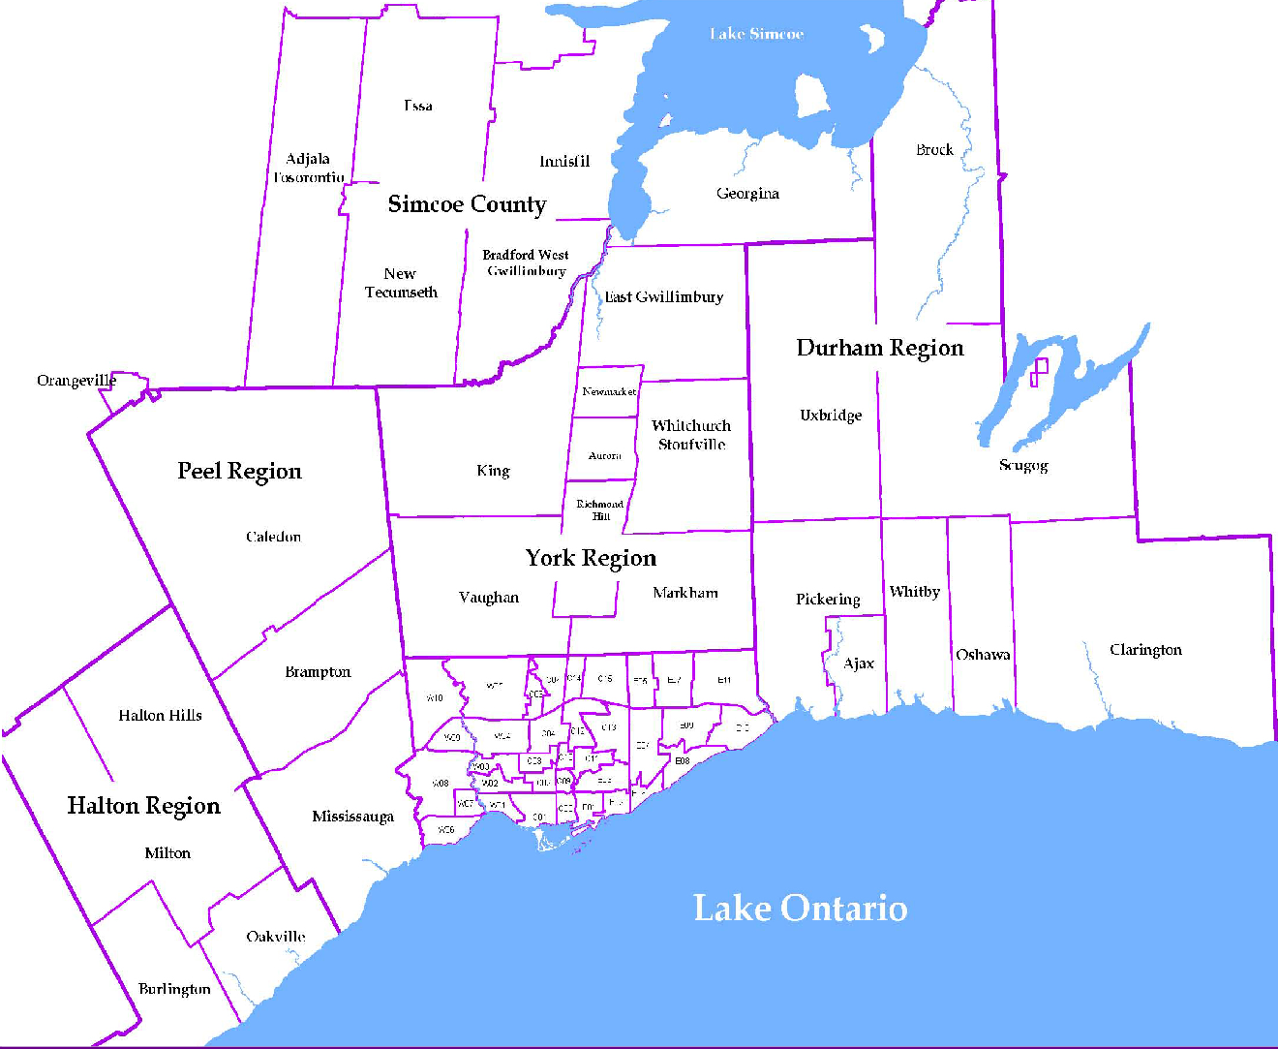
 |  |  |  |  |  |  |  |  |  | NOTES 1 - Refers to the total number of rental units that were available during the reporting period. 2 - Refers to firm lease transactions entered in the TorontoMLS system between the first and last day of the reporting period. 3 - Refers to the average lease rate for firm lease transactions entered in the TREB MLS® system between the first and last day of the reporting period. 4 - Statistics Canada, Quarter-over-quarter annualized growth rate. 5 - Statistics Canada, Year-over-year growth rate. 6 - Bank of Canada, rates for most recently completed month.
...
 |  |  |  |  |  | 15.3%
...
 |  |  |  |  |  |  | 1.4%
...
 |  |  |  |  |  |  |  |  |  |  |  |  |  |  |  |  |  | Rental Market Report, First Quarter 2016 6
...

