Table 1
Rental Market Report
TREB Member Inquiries: (416) 443-8152 Media/Public Inquiries:
First Quarter 2017 |  |  | (416) 443-8158
Economic Indicators Real GDP Quarterly Q4 2016 2.6% Toronto Employment Growth |  |  |  |  | Tight Rental Market Conditions Continue in Q1 TORONTO, ONTARIO, April 25, 2017 – Toronto Real Estate Board President Larry Cerqua announced that Greater Toronto Area REALTORS® reported 6,680 condominium apartment lease transactions through TREB’s MLS® System during the first quarter of 2017. This result was up by 3.5 per cent compared to the first quarter of 2016. The number of condominium apartments listed for rent at some point during the first quarter was up on a year-over-year basis, but by less than one per cent. “As the population and, by extension, number of households continues to grow in the Greater Toronto Area, the demand for housing increases. Some of this demand is pointed at the rental market, including condominium apartments that owners have chosen to rent out to tenants. The problem is that the supply of units available for rent has not kept up with demand, leading to more competition between renters and strong upward pressure on average rents,” said Mr. Cerqua. The average one-bedroom condominium apartment rent for the TREB market area as a whole was up by 7.8 per cent to $1,791. The average two-bedroom rent was up by 6.8 per cent to $2,432. “It is important to remember that the rental market meets the housing needs for a substantial number of GTA residents, including newcomers to Canada who choose to settle in the region. As a result, the rental market often falls under the public policy lens. Policies pointed at the rental market should be based on solid empirical evidence and should not hamper the supply of rental listings, which has been the main issue impacting renters over the last year,” said Jason Mercer, TREB’s Director of Market Analysis. |  |  |  |  |  |  |  |  |  |  |  |  |  |  |  |  |  | Total TREB MLS® Apartment Rentals 1,3
 |  |  |  |  |  |  |  |  |  |  |  |  |  |  |  |  |  |  |  |  |  |  |  | 6,680 |  |  | 6,452
March 2017 1.2% Toronto Unemployment Rate March 2017 -- 7.1% Inflation Rate (Yr./Yr. CPI Growth) March 2017 1.6% Bank of Canada Overnight Rate March 2017 -- 0.5% Prime Rate March 2017 -- 2.7% Fixed 5-Year Mortgage Rate March 2017 -- 4.64% Sources: Statistics Canada; Bank of Canada
 |  |  |  |  |  |  |  |  |  |  |  |  |  |  |  |  |  |  |  |  |  |  | Q1 Q1 2017 2016 TREB MLS® Avg. 1-Bdrm. Apt. Rent 1,3
Rental Market Summary: First Quarter 2017 Apartments1,2,3
 |  |  |  |  |  |  |  |  |  |  |  |  |  |  |  |  |  |  |  |  |  |  |  | $1,791
 |  |  |  |  |  |  |  |  |  |  |  |  |  |  |  |  |  |  |  |  |  |  |  |  |  |  | $1,662
 | All Bedroom Types |  |  |  | Bachelor |  |  |  |  |  | One-Bedroom |  |  |  | Two-Bedroom |  |  |  | Three-Bedroom
 | Listed | Leased |  |  | Leased |  |  |  | Avg. Rent |  | Leased |  | Avg. Rent |  | Leased |  | Avg. Rent |  | Leased |  | Avg. Rent
Q1 2017 | 11,529 | 6,680 |  |  | 218 |  |  |  | $1,507 |  | 4,038 |  | $1,791 |  | 2,311 |  | $2,432 |  | 113 |  | $3,083
Q1 2016 | 11,445 | 6,452 |  |  | 195 |  |  |  | $1,376 |  | 3,889 |  | $1,662 |  | 2,230 |  | $2,278 |  | 138 |  | $2,789
2Y0r.1/Y71r. % Chg. | 0.7% | 3.5% |  |  | 11.8% |  |  |  | 9.6% |  | 3.8% |  | 7.8% 0 |  | 3.6% |  | 6.8% |  | 1 -18.1% 2 |  | 10.5%
Townhouses1,2,3
 | All Bedroom Types |  |  |  | Bachelor |  |  |  |  |  | One-Bedroom |  |  |  | Two-Bedroom |  |  |  | Three-Bedroom
 | Listed | Leased |  |  | Leased |  |  |  | Avg. Rent |  | Leased |  | Avg. Rent |  | Leased |  | Avg. Rent |  | Leased |  | Avg. Rent
Q1 2017 | 959 | 492 |  |  | 3 |  |  |  | $1,275 |  | 50 |  | $1,593 |  | 208 |  | $2,002 |  | 231 |  | $2,209
 |  |  |  |  |  |  |  |  |  |  |  |  |  |  |  |  |  |  |  |  |  |  | Q1 Q1 2017 2016
Q1 2016 | 881 | 411 |  |  | 1 |  |  |  | $1,100 |  | 36 |  | $1,492 |  | 166 |  | $1,842 |  | 208 |  | $2,095
2Y0r.1/7Y1r. % Chg. | 8.9% | 19.7% |  |  | 200.0% |  |  |  | 15.9% |  | 38.9% |  | 6.7% |  | 25.3% |  | 8.7% |  | 8 11.1% |  | 5.4%

SUMMARY OF RENTAL TRANSACTIONS APARTMENTS, FIRST QUARTER 2017 ALL TREB AREAS
 |  |  |  | All Apartments |  |  |  |  |  |  |  | Bachelor |  |  |  | One-Bedroom |  |  |  |  |  | Two-Bedroom |  |  |  | Three-Bedroom
 |  |  |  | Total Listed1 |  |  |  | Total Leased2 |  |  |  | Leased 2 |  | Avg. Lease Rate3 |  | Leased 2 |  |  |  | Avg. Lease Rate3 |  | Leased 2 |  |  | Avg. Lease Rate3 | Leased 2 |  | Avg. Lease Rate3
TREB Total |  |  |  | 11,529 |  |  |  | 6,680 |  |  |  | 218 |  | $1,507 |  | 4,038 |  |  |  | $1,791 |  | 2,311 |  |  | $2,432 | 113 |  | $3,083
Halton Region |  |  |  | 222 |  |  |  | 132 |  |  |  | 0 |  | - |  | 41 |  |  |  | $1,550 |  | 88 |  |  | $2,009 | 3 |  | $1,900
Burlington |  |  |  | 47 |  |  |  | 23 |  |  |  | 0 |  | - |  | 10 |  |  |  | $1,505 |  | 13 |  |  | $1,902 | 0 |  | -
Halton Hills |  |  |  | 0 |  |  |  | 0 |  |  |  | 0 |  | - |  | 0 |  |  |  | - |  | 0 |  |  | - | 0 |  | -
Milton |  |  |  | 45 |  |  |  | 35 |  |  |  | 0 |  | - |  | 7 |  |  |  | $1,441 |  | 25 |  |  | $1,607 | 3 |  | $1,900
Oakville |  |  |  | 130 |  |  |  | 74 |  |  |  | 0 |  | - |  | 24 |  |  |  | $1,601 |  | 50 |  |  | $2,238 | 0 |  | -
Peel Region |  |  |  | 852 |  |  |  | 491 |  |  |  | 2 |  | $1,325 |  | 237 |  |  |  | $1,636 |  | 230 |  |  | $2,036 | 22 |  | $2,034
Brampton |  |  |  | 49 |  |  |  | 34 |  |  |  | 1 |  | $1,200 |  | 13 |  |  |  | $1,415 |  | 15 |  |  | $1,681 | 5 |  | $1,670
Caledon |  |  |  | 0 |  |  |  | 0 |  |  |  | 0 |  | - |  | 0 |  |  |  | - |  | 0 |  |  | - | 0 |  | -
Mississauga |  |  |  | 803 |  |  |  | 457 |  |  |  | 1 |  | $1,450 |  | 224 |  |  |  | $1,649 |  | 215 |  |  | $2,061 | 17 |  | $2,141
City of Toronto |  |  |  | 9,260 |  |  |  | 5,330 |  |  |  | 215 |  | $1,510 |  | 3,287 |  |  |  | $1,839 |  | 1,746 |  |  | $2,570 | 82 |  | $3,480
Toronto West |  |  |  | 1,156 |  |  |  | 724 |  |  |  | 6 |  | $1,452 |  | 451 |  |  |  | $1,660 |  | 254 |  |  | $2,220 | 13 |  | $2,646
Toronto Central |  |  |  | 7,678 |  |  |  | 4,318 |  |  |  | 204 |  | $1,518 |  | 2,686 |  |  |  | $1,885 |  | 1,367 |  |  | $2,699 | 61 |  | $3,849
Toronto East |  |  |  | 426 |  |  |  | 288 |  |  |  | 5 |  | $1,266 |  | 150 |  |  |  | $1,554 |  | 125 |  |  | $1,879 | 8 |  | $2,026
York Region |  |  |  | 1,134 |  |  |  | 697 |  |  |  | 1 |  | $1,200 |  | 458 |  |  |  | $1,552 |  | 232 |  |  | $1,984 | 6 |  | $2,088
Aurora |  |  |  | 13 |  |  |  | 5 |  |  |  | 0 |  | - |  | 1 |  |  |  | $1,650 |  | 4 |  |  | $2,063 | 0 |  | -
E. Gwillimbury |  |  |  | 0 |  |  |  | 0 |  |  |  | 0 |  | - |  | 0 |  |  |  | - |  | 0 |  |  | - | 0 |  | -
Georgina |  |  |  | 0 |  |  |  | 0 |  |  |  | 0 |  | - |  | 0 |  |  |  | - |  | 0 |  |  | - | 0 |  | -
King |  |  |  | 4 |  |  |  | 2 |  |  |  | 0 |  | - |  | 0 |  |  |  | - |  | 2 |  |  | $1,725 | 0 |  | -
Markham |  |  |  | 539 |  |  |  | 351 |  |  |  | 1 |  | $1,200 |  | 226 |  |  |  | $1,511 |  | 120 |  |  | $1,941 | 4 |  | $2,058
Newmarket |  |  |  | 2 |  |  |  | 2 |  |  |  | 0 |  | - |  | 1 |  |  |  | $1,500 |  | 1 |  |  | $1,350 | 0 |  | -
Richmond Hill |  |  |  | 258 |  |  |  | 147 |  |  |  | 0 |  | - |  | 104 |  |  |  | $1,571 |  | 42 |  |  | $2,007 | 1 |  | $2,400
Vaughan |  |  |  | 317 |  |  |  | 190 |  |  |  | 0 |  | - |  | 126 |  |  |  | $1,608 |  | 63 |  |  | $2,064 | 1 |  | $1,900
Whitchurch-Stouffville |  |  |  | 1 |  |  |  | 0 |  |  |  | 0 |  | - |  | 0 |  |  |  | - |  | 0 |  |  | - | 0 |  | -
Durham Region |  |  |  | 58 |  |  |  | 28 |  |  |  | 0 |  | - |  | 15 |  |  |  | $1,569 |  | 13 |  |  | $1,948 | 0 |  | -
Ajax |  |  |  | 3 |  |  |  | 3 |  |  |  | 0 |  | - |  | 0 |  |  |  | - |  | 3 |  |  | $1,650 | 0 |  | -
Brock |  |  |  | 0 |  |  |  | 0 |  |  |  | 0 |  | - |  | 0 |  |  |  | - |  | 0 |  |  | - | 0 |  | -
Clarington |  |  |  | 0 |  |  |  | 0 |  |  |  | 0 |  | - |  | 0 |  |  |  | - |  | 0 |  |  | - | 0 |  | -
Oshawa |  |  |  | 8 |  |  |  | 0 |  |  |  | 0 |  | - |  | 0 |  |  |  | - |  | 0 |  |  | - | 0 |  | -
Pickering |  |  |  | 44 |  |  |  | 23 |  |  |  | 0 |  | - |  | 13 |  |  |  | $1,579 |  | 10 |  |  | $2,038 | 0 |  | -
Scugog |  |  |  | 0 |  |  |  | 0 |  |  |  | 0 |  | - |  | 0 |  |  |  | - |  | 0 |  |  | - | 0 |  | -
Uxbridge |  |  |  | 1 |  |  |  | 0 |  |  |  | 0 |  | - |  | 0 |  |  |  | - |  | 0 |  |  | - | 0 |  | -
Whitby |  |  |  | 2 |  |  |  | 2 |  |  |  | 0 |  | - |  | 2 |  |  |  | $1,500 |  | 0 |  |  | - | 0 |  | -
Dufferin County |  |  |  | 0 |  |  |  | 0 |  |  |  | 0 |  | - |  | 0 |  |  |  | - |  | 0 |  |  | - | 0 |  | -
Orangeville |  |  |  | 0 |  |  |  | 0 |  |  |  | 0 |  | - |  | 0 |  |  |  | - |  | 0 |  |  | - | 0 |  | -
Simcoe County |  |  |  | 3 |  |  |  | 2 |  |  |  | 0 |  | - |  | 0 |  |  |  | - |  | 2 |  |  | $1,425 | 0 |  | -
Adjala-Tosorontio |  |  |  | 0 |  |  |  | 0 |  |  |  | 0 |  | - |  | 0 |  |  |  | - |  | 0 |  |  | - | 0 |  | -
Bradford West Gwillimbury |  |  |  | 2 |  |  |  | 1 |  |  |  | 0 |  | - |  | 0 |  |  |  | - |  | 1 |  |  | $1,450 | 0 |  | -
Essa |  |  |  | 0 |  |  |  | 0 |  |  |  | 0 |  | - |  | 0 |  |  |  | - |  | 0 |  |  | - | 0 |  | -
Innisfil |  |  |  | 0 |  |  |  | 0 |  |  |  | 0 |  | - |  | 0 |  |  |  | - |  | 0 |  |  | - | 0 |  | -
New Tecumseth |  |  |  | 1 |  |  |  | 1 |  |  |  | 0 |  | - |  | 0 |  |  |  | - |  | 1 |  |  | $1,400 | 0 |  | -
SUMMARY OF RENTAL TRANSACTIONS APARTMENTS, FIRST QUARTER 2017 CITY OF TORONTO MUNICIPAL BREAKDOWN
 |  |  |  | All Apartments |  |  |  |  |  |  |  | Bachelor |  |  |  | One-Bedroom |  |  |  |  |  | Two-Bedroom |  |  |  | Three-Bedroom
 |  |  |  | Total Listed 1 |  |  |  | Total Leased 2 |  |  |  | Leased 2 |  | Avg. Lease Rate3 |  | Leased 2 |  |  |  | Avg. Lease Rate3 |  | Leased 2 |  |  | Avg. Lease Rate3 | Leased2 |  | Avg. Lease Rate3
TREB Total |  |  |  | 11,529 |  |  |  | 6,680 |  |  |  | 218 |  | $1,507 |  | 4,038 |  |  |  | $1,791 |  | 2,311 |  |  | $2,432 | 113 |  | $3,083
City of Toronto Total |  |  |  | 9,260 |  |  |  | 5,330 |  |  |  | 215 |  | $1,510 |  | 3,287 |  |  |  | $1,839 |  | 1,746 |  |  | $2,570 | 82 |  | $3,480
Toronto West |  |  |  | 1,156 |  |  |  | 724 |  |  |  | 6 |  | $1,452 |  | 451 |  |  |  | $1,660 |  | 254 |  |  | $2,220 | 13 |  | $2,646
Toronto W01 |  |  |  | 65 |  |  |  | 41 |  |  |  | 0 |  | - |  | 28 |  |  |  | $1,878 |  | 12 |  |  | $2,581 | 1 |  | $2,150
Toronto W02 |  |  |  | 102 |  |  |  | 63 |  |  |  | 2 |  | $1,550 |  | 36 |  |  |  | $1,729 |  | 24 |  |  | $2,358 | 1 |  | $3,300
Toronto W03 |  |  |  | 3 |  |  |  | 1 |  |  |  | 0 |  | - |  | 1 |  |  |  | $1,550 |  | 0 |  |  | - | 0 |  | -
Toronto W04 |  |  |  | 134 |  |  |  | 103 |  |  |  | 1 |  | $1,400 |  | 77 |  |  |  | $1,499 |  | 22 |  |  | $1,889 | 3 |  | $2,350
Toronto W05 |  |  |  | 61 |  |  |  | 35 |  |  |  | 0 |  | - |  | 26 |  |  |  | $1,592 |  | 8 |  |  | $1,880 | 1 |  | $1,950
Toronto W06 |  |  |  | 559 |  |  |  | 332 |  |  |  | 2 |  | $1,418 |  | 203 |  |  |  | $1,687 |  | 123 |  |  | $2,332 | 4 |  | $3,275
Toronto W07 |  |  |  | 10 |  |  |  | 6 |  |  |  | 0 |  | - |  | 3 |  |  |  | $1,700 |  | 3 |  |  | $2,613 | 0 |  | -
Toronto W08 |  |  |  | 183 |  |  |  | 123 |  |  |  | 1 |  | $1,375 |  | 69 |  |  |  | $1,684 |  | 50 |  |  | $2,058 | 3 |  | $2,283
Toronto W09 |  |  |  | 9 |  |  |  | 6 |  |  |  | 0 |  | - |  | 0 |  |  |  | - |  | 6 |  |  | $1,988 | 0 |  | -
Toronto W10 |  |  |  | 30 |  |  |  | 14 |  |  |  | 0 |  | - |  | 8 |  |  |  | $1,422 |  | 6 |  |  | $1,698 | 0 |  | -
Toronto Central |  |  |  | 7,678 |  |  |  | 4,318 |  |  |  | 204 |  | $1,518 |  | 2,686 |  |  |  | $1,885 |  | 1,367 |  |  | $2,699 | 61 |  | $3,849
Toronto C01 |  |  |  | 3,827 |  |  |  | 2,137 |  |  |  | 127 |  | $1,543 |  | 1,351 |  |  |  | $1,947 |  | 632 |  |  | $2,890 | 27 |  | $4,338
Toronto C02 |  |  |  | 366 |  |  |  | 151 |  |  |  | 10 |  | $1,530 |  | 85 |  |  |  | $2,222 |  | 53 |  |  | $3,957 | 3 |  | $9,233
Toronto C03 |  |  |  | 89 |  |  |  | 30 |  |  |  | 2 |  | $1,300 |  | 18 |  |  |  | $1,766 |  | 9 |  |  | $2,677 | 1 |  | $2,650
Toronto C04 |  |  |  | 65 |  |  |  | 39 |  |  |  | 4 |  | $1,275 |  | 19 |  |  |  | $1,888 |  | 14 |  |  | $2,875 | 2 |  | $2,313
Toronto C06 |  |  |  | 40 |  |  |  | 25 |  |  |  | 0 |  | - |  | 11 |  |  |  | $1,591 |  | 13 |  |  | $1,894 | 1 |  | $2,500
Toronto C07 |  |  |  | 308 |  |  |  | 185 |  |  |  | 1 |  | $1,450 |  | 97 |  |  |  | $1,776 |  | 78 |  |  | $2,306 | 9 |  | $2,442
Toronto C08 |  |  |  | 1,119 |  |  |  | 637 |  |  |  | 44 |  | $1,480 |  | 408 |  |  |  | $1,931 |  | 182 |  |  | $2,638 | 3 |  | $4,232
Toronto C09 |  |  |  | 52 |  |  |  | 28 |  |  |  | 0 |  | - |  | 14 |  |  |  | $2,046 |  | 11 |  |  | $3,322 | 3 |  | $4,617
Toronto C10 |  |  |  | 544 |  |  |  | 274 |  |  |  | 4 |  | $1,425 |  | 177 |  |  |  | $1,834 |  | 93 |  |  | $2,552 | 0 |  | -
Toronto C11 |  |  |  | 131 |  |  |  | 84 |  |  |  | 0 |  | - |  | 49 |  |  |  | $1,472 |  | 34 |  |  | $2,017 | 1 |  | $1,650
Toronto C12 |  |  |  | 26 |  |  |  | 17 |  |  |  | 0 |  | - |  | 6 |  |  |  | $2,058 |  | 11 |  |  | $3,001 | 0 |  | -
...
 |  |  |  |  |  |  |  | 2 |  |  |  | 0 |  | - |  | 0 |  |  |  | - |  | 0 |  |  | -
 |  |  |  |  |  |  |  | 0 |  |  |  | 0 |  | - |  | 0 |  |  |  | - |  | 0 |  |  | -
 |  |  |  |  |  |  |  | 3 |  |  |  | 0 |  | - |  | 0 |  |  |  | - |  | 3 |  |  | $1,690
 |  |  |  |  |  |  |  | 9 |  |  |  | 0 |  | - |  | 0 |  |  |  | - |  | 1 |  |  | $2,050
 |  |  |  |  |  |  |  | 0 |  |  |  | 0 |  | - |  | 0 |  |  |  | - |  | 0 |  |  | -
 |  |  |  |  |  |  |  | 3 |  |  |  | 0 |  | - |  | 1 |  |  |  | $799 |  | 0 |  |  | -
 |  |  |  |  |  |  |  | 2 |  |  |  | 0 |  | - |  | 0 |  |  |  | - |  | 0 |  |  | -
 |  |  |  |  |  |  |  | 3 |  |  |  | 0 |  | - |  | 1 |  |  |  | $1,300 |  | 1 |  |  | $1,925
 |  |  |  |  |  |  |  | 1 |  |  |  | 0 |  | - |  | 0 |  |  |  | - |  | 1 |  |  | $1,700
 |  |  |  |  |  |  |  | 5 |  |  |  | 0 |  | - |  | 0 |  |  |  | - |  | 1 |  |  | $1,300
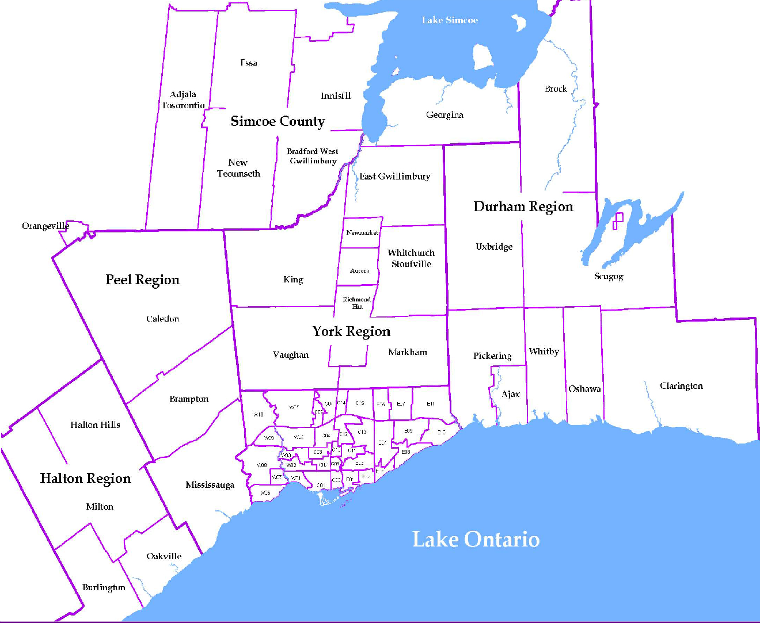
 |  |  |  |  |  |  |  |  |  | NOTES 1 - Refers to the total number of rental units that were available during the reporting period. 2 - Refers to firm lease transactions entered in the TorontoMLS system between the first and last day of the reporting period. 3 - Refers to the average lease rate for firm lease transactions entered in the TREB MLS® system between the first and last day of the reporting period. 4 - Statistics Canada, Quarter-over-quarter annualized growth rate. 5 - Statistics Canada, Year-over-year growth rate. 6 - Bank of Canada, rates for most recently completed month.
...
 |  |  |  |  |  | 17.2%
...
 |  |  |  |  |  |  | 0.4%
...
 |  |  |  |  |  |  |  |  |  |  |  |  |  |  |  |  |  | Rental Market Report, First Quarter 2017 6
...

