Table 1
Rental Market Report
TREB Member Inquiries: (416) 443-8152 Media/Public Inquiries:
First Quarter 2018 |  |  | (416) 443-8158
Economic Indicators Real GDP Quarterly Q4 2017 -- 1.7% Toronto Employment Growth |  |  |  |  | Above-Inflation Rent Increases Continue in Q1 2018 TORONTO, ONTARIO, April 16, 2018 – Toronto Real Estate Board President Tim Syrianos announced that average rents for one-bedroom and two-bedroom condominium apartment rental units were up well above the rate of inflation on a year-over-year basis in the first quarter of 2018. The average rent for one-bedroom condominium apartments in the TREB market area was up 11.4 per cent on an annual basis to $1,995. The average two-bedroom condominium apartment rent was up by 9.1 per cent over the same time period to $2,653. “The GTA continues to be one of the most desirable locations to live in the world and will remain so over the long term. As people have moved to the region to take advantage of quality employment opportunities, rental demand has remained strong. The result has been heightened competition between renters, in an ultra-low vacancy environment, and double-digit rent growth in some market segments,” said Mr. Syrianos. The number of condominium apartments listed during the first quarter was down 11.8 per cent compared to Q1 2017. The total number of units leased was down 7.5 per cent. With a vacancy rate hovering at one percent for condominium apartments, there has been less supply available to would-be renters, which has resulted in fewer lease agreements being signed. “The low-vacancy, high rent growth situation that has unfolded in the GTA over the past year will be further exacerbated by the rent control provisions contained in the Fair Housing Plan. Some investors who, previously would have considered investing in rental units may now look elsewhere for returns on their money. This does not bode well for a sustained increase in rental supply over the long term,” said Jason Mercer, TREB’s Director of Market Analysis. |  |  |  |  |  |  |  |  |  |  |  |  |  |  |  |  |  | Total TREB MLS® Apartment Rentals 1,3
 |  |  |  |  |  |  |  |  |  |  |  |  |  |  |  |  |  |  |  |  |  |  |  |  |  |  | 6,670
March 2018 3.2% Toronto Unemployment Rate March 2018 -- 5.8% Inflation Rate (Yr./Yr. CPI Growth) February 2018 2.2% Bank of Canada Overnight Rate March 2018 -- 1.3% Prime Rate March 2018 -- 3.5% Fixed 5-Year Mortgage Rate March 2018 -- 5.14% Sources: Statistics Canada; Bank of Canada |  |  |  |  |  |  |  |  |  |  |  |  |  |  |  |  |  |  |  |  |  |  |  | 6,171
 |  |  |  |  |  |  |  |  |  |  |  |  |  |  |  |  |  |  |  |  |  |  | Q1 Q1 2018 2017 TREB MLS® Avg. 1-Bdrm. Apt. Rent 1,3
Rental Market Summary: First Quarter 2018 Apartments1,2,3
 |  |  |  |  |  |  |  |  |  |  |  |  |  |  |  |  |  |  |  |  |  |  |  | $1,995
 |  |  |  |  |  |  |  |  |  |  |  |  |  |  |  |  |  |  |  |  |  |  |  |  |  |  | $1,791
 | All Bedroom Types |  |  |  | Bachelor |  |  |  |  |  | One-Bedroom |  |  |  | Two-Bedroom |  |  |  | Three-Bedroom
 | Listed | Leased |  |  | Leased |  |  |  | Avg. Rent |  | Leased |  | Avg. Rent |  | Leased |  | Avg. Rent |  | Leased |  | Avg. Rent
Q1 2018 | 10,128 | 6,171 |  |  | 244 |  |  |  | $1,657 |  | 3,608 |  | $1,995 |  | 2,183 |  | $2,653 |  | 136 |  | $3,344
Q1 2017 | 11,480 | 6,670 |  |  | 218 |  |  |  | $1,507 |  | 4,032 |  | $1,791 |  | 2,308 |  | $2,433 |  | 112 |  | $3,094
2Y0r.1/Y81r. % Chg. | -11.8% | -7.5% |  |  | 11.9% |  |  |  | 10.0% |  | -10.5% |  | 1 11.4% 7 |  | -5.4% |  | 9.1% 8 |  | 21.4% 3 |  | 8.1%
Townhouses1,2,3
 | All Bedroom Types |  |  |  | Bachelor |  |  |  |  |  | One-Bedroom |  |  |  | Two-Bedroom |  |  |  | Three-Bedroom
 | Listed | Leased |  |  | Leased |  |  |  | Avg. Rent |  | Leased |  | Avg. Rent |  | Leased |  | Avg. Rent |  | Leased |  | Avg. Rent
Q1 2018 | 1,010 | 538 |  |  | 2 |  |  |  | $1,650 |  | 71 |  | $1,759 |  | 230 |  | $2,077 |  | 235 |  | $2,282
 |  |  |  |  |  |  |  |  |  |  |  |  |  |  |  |  |  |  |  |  |  |  | Q1 Q1 2018 2017
Q1 2017 | 955 | 492 |  |  | 3 |  |  |  | $1,275 |  | 50 |  | $1,593 |  | 208 |  | $2,002 |  | 231 |  | $2,209
2Y0r.1/8Y1r. % Chg. | 5.8% | 9.3% |  |  | -33.3% |  |  |  | 29.4% |  | 42.0% |  | 10.5% |  | 10.6% |  | 3.7% |  | 1 1.7% |  | 3.3%

SUMMARY OF RENTAL TRANSACTIONS APARTMENTS, FIRST QUARTER 2018 ALL TREB AREAS
 |  |  |  | All Apartments |  |  |  |  |  |  |  | Bachelor |  |  |  | One-Bedroom |  |  |  |  |  | Two-Bedroom |  |  |  | Three-Bedroom
 |  |  |  | Total Listed1 |  |  |  | Total Leased2 |  |  |  | Leased 2 |  | Avg. Lease Rate3 |  | Leased 2 |  |  |  | Avg. Lease Rate3 |  | Leased 2 |  |  | Avg. Lease Rate3 | Leased 2 |  | Avg. Lease Rate3
TREB Total |  |  |  | 10,128 |  |  |  | 6,171 |  |  |  | 244 |  | $1,657 |  | 3,608 |  |  |  | $1,995 |  | 2,183 |  |  | $2,653 | 136 |  | $3,344
Halton Region |  |  |  | 255 |  |  |  | 144 |  |  |  | 1 |  | $1,350 |  | 77 |  |  |  | $1,685 |  | 66 |  |  | $2,070 | 0 |  | -
Burlington |  |  |  | 49 |  |  |  | 22 |  |  |  | 0 |  | - |  | 13 |  |  |  | $1,690 |  | 9 |  |  | $2,366 | 0 |  | -
Halton Hills |  |  |  | 3 |  |  |  | 2 |  |  |  | 0 |  | - |  | 0 |  |  |  | - |  | 2 |  |  | $2,150 | 0 |  | -
Milton |  |  |  | 41 |  |  |  | 26 |  |  |  | 0 |  | - |  | 9 |  |  |  | $1,531 |  | 17 |  |  | $1,754 | 0 |  | -
Oakville |  |  |  | 162 |  |  |  | 94 |  |  |  | 1 |  | $1,350 |  | 55 |  |  |  | $1,708 |  | 38 |  |  | $2,137 | 0 |  | -
Peel Region |  |  |  | 843 |  |  |  | 564 |  |  |  | 2 |  | $1,525 |  | 251 |  |  |  | $1,790 |  | 294 |  |  | $2,150 | 17 |  | $2,318
Brampton |  |  |  | 46 |  |  |  | 23 |  |  |  | 0 |  | - |  | 5 |  |  |  | $1,595 |  | 14 |  |  | $1,776 | 4 |  | $1,975
Caledon |  |  |  | 0 |  |  |  | 0 |  |  |  | 0 |  | - |  | 0 |  |  |  | - |  | 0 |  |  | - | 0 |  | -
Mississauga |  |  |  | 797 |  |  |  | 541 |  |  |  | 2 |  | $1,525 |  | 246 |  |  |  | $1,794 |  | 280 |  |  | $2,169 | 13 |  | $2,423
City of Toronto |  |  |  | 7,983 |  |  |  | 4,866 |  |  |  | 239 |  | $1,662 |  | 2,904 |  |  |  | $2,055 |  | 1,616 |  |  | $2,836 | 107 |  | $3,597
Toronto West |  |  |  | 950 |  |  |  | 610 |  |  |  | 14 |  | $1,435 |  | 359 |  |  |  | $1,853 |  | 225 |  |  | $2,467 | 12 |  | $3,208
Toronto Central |  |  |  | 6,572 |  |  |  | 3,952 |  |  |  | 217 |  | $1,684 |  | 2,395 |  |  |  | $2,102 |  | 1,262 |  |  | $2,985 | 78 |  | $3,972
Toronto East |  |  |  | 461 |  |  |  | 304 |  |  |  | 8 |  | $1,459 |  | 150 |  |  |  | $1,785 |  | 129 |  |  | $2,024 | 17 |  | $2,149
York Region |  |  |  | 999 |  |  |  | 577 |  |  |  | 2 |  | $1,450 |  | 369 |  |  |  | $1,730 |  | 195 |  |  | $2,139 | 11 |  | $2,627
Aurora |  |  |  | 11 |  |  |  | 3 |  |  |  | 0 |  | - |  | 2 |  |  |  | $1,863 |  | 1 |  |  | $1,650 | 0 |  | -
E. Gwillimbury |  |  |  | 0 |  |  |  | 0 |  |  |  | 0 |  | - |  | 0 |  |  |  | - |  | 0 |  |  | - | 0 |  | -
Georgina |  |  |  | 0 |  |  |  | 0 |  |  |  | 0 |  | - |  | 0 |  |  |  | - |  | 0 |  |  | - | 0 |  | -
King |  |  |  | 0 |  |  |  | 0 |  |  |  | 0 |  | - |  | 0 |  |  |  | - |  | 0 |  |  | - | 0 |  | -
Markham |  |  |  | 458 |  |  |  | 270 |  |  |  | 1 |  | $1,400 |  | 163 |  |  |  | $1,691 |  | 99 |  |  | $2,106 | 7 |  | $2,629
Newmarket |  |  |  | 4 |  |  |  | 0 |  |  |  | 0 |  | - |  | 0 |  |  |  | - |  | 0 |  |  | - | 0 |  | -
Richmond Hill |  |  |  | 189 |  |  |  | 95 |  |  |  | 1 |  | $1,500 |  | 57 |  |  |  | $1,717 |  | 36 |  |  | $2,100 | 1 |  | $2,200
Vaughan |  |  |  | 332 |  |  |  | 207 |  |  |  | 0 |  | - |  | 145 |  |  |  | $1,781 |  | 59 |  |  | $2,227 | 3 |  | $2,767
Whitchurch-Stouffville |  |  |  | 5 |  |  |  | 2 |  |  |  | 0 |  | - |  | 2 |  |  |  | $1,400 |  | 0 |  |  | - | 0 |  | -
Durham Region |  |  |  | 41 |  |  |  | 20 |  |  |  | 0 |  | - |  | 7 |  |  |  | $1,600 |  | 12 |  |  | $1,917 | 1 |  | $1,600
Ajax |  |  |  | 3 |  |  |  | 2 |  |  |  | 0 |  | - |  | 0 |  |  |  | - |  | 2 |  |  | $1,825 | 0 |  | -
Brock |  |  |  | 0 |  |  |  | 0 |  |  |  | 0 |  | - |  | 0 |  |  |  | - |  | 0 |  |  | - | 0 |  | -
Clarington |  |  |  | 6 |  |  |  | 2 |  |  |  | 0 |  | - |  | 1 |  |  |  | $1,400 |  | 1 |  |  | $1,250 | 0 |  | -
Oshawa |  |  |  | 6 |  |  |  | 0 |  |  |  | 0 |  | - |  | 0 |  |  |  | - |  | 0 |  |  | - | 0 |  | -
Pickering |  |  |  | 20 |  |  |  | 11 |  |  |  | 0 |  | - |  | 3 |  |  |  | $1,567 |  | 7 |  |  | $2,022 | 1 |  | $1,600
Scugog |  |  |  | 0 |  |  |  | 0 |  |  |  | 0 |  | - |  | 0 |  |  |  | - |  | 0 |  |  | - | 0 |  | -
Uxbridge |  |  |  | 0 |  |  |  | 0 |  |  |  | 0 |  | - |  | 0 |  |  |  | - |  | 0 |  |  | - | 0 |  | -
Whitby |  |  |  | 6 |  |  |  | 5 |  |  |  | 0 |  | - |  | 3 |  |  |  | $1,700 |  | 2 |  |  | $1,975 | 0 |  | -
Dufferin County |  |  |  | 0 |  |  |  | 0 |  |  |  | 0 |  | - |  | 0 |  |  |  | - |  | 0 |  |  | - | 0 |  | -
Orangeville |  |  |  | 0 |  |  |  | 0 |  |  |  | 0 |  | - |  | 0 |  |  |  | - |  | 0 |  |  | - | 0 |  | -
Simcoe County |  |  |  | 7 |  |  |  | 0 |  |  |  | 0 |  | - |  | 0 |  |  |  | - |  | 0 |  |  | - | 0 |  | -
Adjala-Tosorontio |  |  |  | 0 |  |  |  | 0 |  |  |  | 0 |  | - |  | 0 |  |  |  | - |  | 0 |  |  | - | 0 |  | -
Bradford West Gwillimbury |  |  |  | 0 |  |  |  | 0 |  |  |  | 0 |  | - |  | 0 |  |  |  | - |  | 0 |  |  | - | 0 |  | -
Essa |  |  |  | 0 |  |  |  | 0 |  |  |  | 0 |  | - |  | 0 |  |  |  | - |  | 0 |  |  | - | 0 |  | -
Innisfil |  |  |  | 7 |  |  |  | 0 |  |  |  | 0 |  | - |  | 0 |  |  |  | - |  | 0 |  |  | - | 0 |  | -
New Tecumseth |  |  |  | 0 |  |  |  | 0 |  |  |  | 0 |  | - |  | 0 |  |  |  | - |  | 0 |  |  | - | 0 |  | -
SUMMARY OF RENTAL TRANSACTIONS APARTMENTS, FIRST QUARTER 2018 CITY OF TORONTO MUNICIPAL BREAKDOWN
 |  |  |  | All Apartments |  |  |  |  |  |  |  | Bachelor |  |  |  | One-Bedroom |  |  |  |  |  | Two-Bedroom |  |  |  | Three-Bedroom
 |  |  |  | Total Listed 1 |  |  |  | Total Leased 2 |  |  |  | Leased 2 |  | Avg. Lease Rate3 |  | Leased 2 |  |  |  | Avg. Lease Rate3 |  | Leased 2 |  |  | Avg. Lease Rate3 | Leased2 |  | Avg. Lease Rate3
TREB Total |  |  |  | 10,128 |  |  |  | 6,171 |  |  |  | 244 |  | $1,657 |  | 3,608 |  |  |  | $1,995 |  | 2,183 |  |  | $2,653 | 136 |  | $3,344
City of Toronto Total |  |  |  | 7,983 |  |  |  | 4,866 |  |  |  | 239 |  | $1,662 |  | 2,904 |  |  |  | $2,055 |  | 1,616 |  |  | $2,836 | 107 |  | $3,597
Toronto West |  |  |  | 950 |  |  |  | 610 |  |  |  | 14 |  | $1,435 |  | 359 |  |  |  | $1,853 |  | 225 |  |  | $2,467 | 12 |  | $3,208
Toronto W01 |  |  |  | 74 |  |  |  | 43 |  |  |  | 1 |  | $1,900 |  | 23 |  |  |  | $1,987 |  | 19 |  |  | $2,687 | 0 |  | -
Toronto W02 |  |  |  | 56 |  |  |  | 44 |  |  |  | 0 |  | - |  | 26 |  |  |  | $2,034 |  | 14 |  |  | $2,519 | 4 |  | $3,113
Toronto W03 |  |  |  | 9 |  |  |  | 5 |  |  |  | 0 |  | - |  | 2 |  |  |  | $2,050 |  | 3 |  |  | $2,150 | 0 |  | -
Toronto W04 |  |  |  | 50 |  |  |  | 34 |  |  |  | 1 |  | $1,200 |  | 22 |  |  |  | $1,648 |  | 10 |  |  | $2,138 | 1 |  | $2,250
Toronto W05 |  |  |  | 89 |  |  |  | 68 |  |  |  | 10 |  | $1,395 |  | 39 |  |  |  | $1,730 |  | 18 |  |  | $1,974 | 1 |  | $2,100
Toronto W06 |  |  |  | 383 |  |  |  | 226 |  |  |  | 2 |  | $1,525 |  | 120 |  |  |  | $1,906 |  | 102 |  |  | $2,689 | 2 |  | $6,750
Toronto W07 |  |  |  | 5 |  |  |  | 2 |  |  |  | 0 |  | - |  | 1 |  |  |  | $1,800 |  | 1 |  |  | $2,900 | 0 |  | -
Toronto W08 |  |  |  | 233 |  |  |  | 154 |  |  |  | 0 |  | - |  | 102 |  |  |  | $1,845 |  | 50 |  |  | $2,259 | 2 |  | $2,150
Toronto W09 |  |  |  | 7 |  |  |  | 4 |  |  |  | 0 |  | - |  | 0 |  |  |  | - |  | 3 |  |  | $2,100 | 1 |  | $2,100
Toronto W10 |  |  |  | 44 |  |  |  | 30 |  |  |  | 0 |  | - |  | 24 |  |  |  | $1,675 |  | 5 |  |  | $1,811 | 1 |  | $1,800
Toronto Central |  |  |  | 6,572 |  |  |  | 3,952 |  |  |  | 217 |  | $1,684 |  | 2,395 |  |  |  | $2,102 |  | 1,262 |  |  | $2,985 | 78 |  | $3,972
Toronto C01 |  |  |  | 3,064 |  |  |  | 1,906 |  |  |  | 118 |  | $1,705 |  | 1,199 |  |  |  | $2,189 |  | 551 |  |  | $3,222 | 38 |  | $4,687
Toronto C02 |  |  |  | 265 |  |  |  | 116 |  |  |  | 11 |  | $1,760 |  | 60 |  |  |  | $2,386 |  | 41 |  |  | $4,227 | 4 |  | $5,375
Toronto C03 |  |  |  | 62 |  |  |  | 37 |  |  |  | 1 |  | $1,200 |  | 20 |  |  |  | $1,937 |  | 15 |  |  | $2,650 | 1 |  | $3,100
Toronto C04 |  |  |  | 36 |  |  |  | 22 |  |  |  | 0 |  | - |  | 14 |  |  |  | $1,996 |  | 7 |  |  | $3,173 | 1 |  | $5,750
Toronto C06 |  |  |  | 33 |  |  |  | 19 |  |  |  | 0 |  | - |  | 14 |  |  |  | $1,739 |  | 5 |  |  | $2,130 | 0 |  | -
Toronto C07 |  |  |  | 318 |  |  |  | 180 |  |  |  | 1 |  | $1,600 |  | 79 |  |  |  | $2,050 |  | 86 |  |  | $2,538 | 14 |  | $2,683
Toronto C08 |  |  |  | 1,289 |  |  |  | 739 |  |  |  | 74 |  | $1,664 |  | 438 |  |  |  | $2,107 |  | 224 |  |  | $3,028 | 3 |  | $3,817
Toronto C09 |  |  |  | 57 |  |  |  | 31 |  |  |  | 0 |  | - |  | 18 |  |  |  | $2,155 |  | 11 |  |  | $3,045 | 2 |  | $7,525
Toronto C10 |  |  |  | 285 |  |  |  | 158 |  |  |  | 2 |  | $1,625 |  | 94 |  |  |  | $2,019 |  | 62 |  |  | $2,822 | 0 |  | -
Toronto C11 |  |  |  | 58 |  |  |  | 39 |  |  |  | 0 |  | - |  | 23 |  |  |  | $1,726 |  | 12 |  |  | $2,140 | 4 |  | $1,974
Toronto C12 |  |  |  | 26 |  |  |  | 10 |  |  |  | 0 |  | - |  | 5 |  |  |  | $2,260 |  | 5 |  |  | $3,180 | 0 |  | -
...
 |  |  |  |  |  |  |  | 4 |  |  |  | 0 |  | - |  | 0 |  |  |  | - |  | 0 |  |  | -
 |  |  |  |  |  |  |  | 0 |  |  |  | 0 |  | - |  | 0 |  |  |  | - |  | 0 |  |  | -
 |  |  |  |  |  |  |  | 10 |  |  |  | 0 |  | - |  | 0 |  |  |  | - |  | 5 |  |  | $1,871
 |  |  |  |  |  |  |  | 8 |  |  |  | 0 |  | - |  | 1 |  |  |  | $1,000 |  | 1 |  |  | $1,980
 |  |  |  |  |  |  |  | 0 |  |  |  | 0 |  | - |  | 0 |  |  |  | - |  | 0 |  |  | -
 |  |  |  |  |  |  |  | 1 |  |  |  | 0 |  | - |  | 0 |  |  |  | - |  | 0 |  |  | -
 |  |  |  |  |  |  |  | 0 |  |  |  | 0 |  | - |  | 0 |  |  |  | - |  | 0 |  |  | -
 |  |  |  |  |  |  |  | 6 |  |  |  | 0 |  | - |  | 0 |  |  |  | - |  | 2 |  |  | $1,950
 |  |  |  |  |  |  |  | 3 |  |  |  | 0 |  | - |  | 0 |  |  |  | - |  | 1 |  |  | $1,575
 |  |  |  |  |  |  |  | 5 |  |  |  | 0 |  | - |  | 0 |  |  |  | - |  | 2 |  |  | $1,913
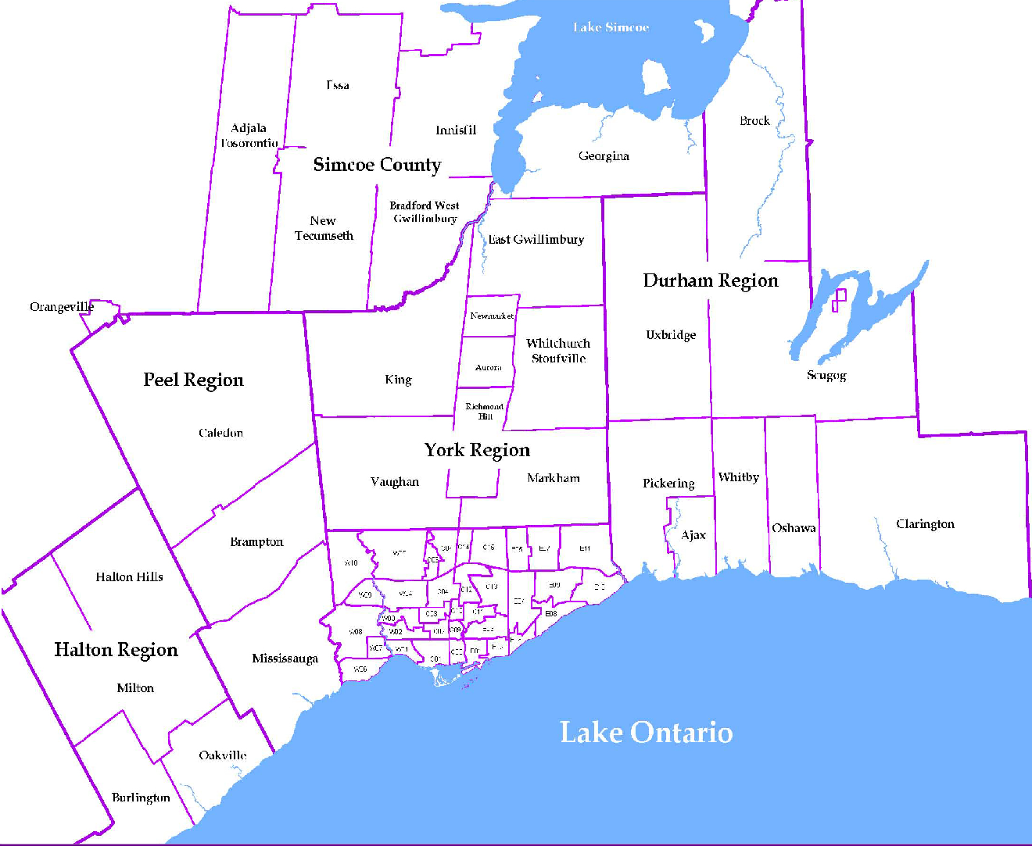
 |  |  |  |  |  |  |  |  |  | NOTES 1 - Refers to the total number of rental units that were available during the reporting period. 2 - Refers to firm lease transactions entered in the TorontoMLS system between the first and last day of the reporting period. 3 - Refers to the average lease rate for firm lease transactions entered in the TREB MLS® system between the first and last day of the reporting period. 4 - Statistics Canada, Quarter-over-quarter annualized growth rate. 5 - Statistics Canada, Year-over-year growth rate. 6 - Bank of Canada, rates for most recently completed month.
...
 |  |  |  |  |  | 21.6%
...
 |  |  |  |  |  |  | 0.3%
...
 |  |  |  |  |  |  |  |  |  |  |  |  |  |  |  |  |  | Rental Market Report, First Quarter 2018 6
...

