Table 1
Rental Market Report
TREB Member Inquiries: (416) 443-8152 Media/Public Inquiries:
First Quarter 2019 |  |  | (416) 443-8158
Economic Indicators Real GDP Quarterly Q4 2018 0.4% Toronto Employment Growth |  |  |  |  | TREB Releases Q1 2019 Condo Rental Market Stats TORONTO, ONTARIO, April 3, 2019 – Toronto Real Estate Board President Garry Bhaura announced that Greater Toronto Area REALTORS® reported 6,646 condominium apartment rental transactions through TREB’s MLS® System in the first quarter of 2019. This result was up by 7.7 per cent compared to Q1 2018. Rental transactions were up for bachelor, one-bedroom and two- bedroom apartments. The number of condominium rental apartments listed at some point during the first quarter of 2019 was also up on a year-over-year basis by 22.4 per cent – outstripping the annual growth rate for rental transactions. “It makes sense that we continued to see an increase in condominium apartment rentals during the last quarter. The GTA’s population continues to grow as people are attracted to the region by its strong economy and diversity. At the same time, it was also good to see an increase in the number of units listed for rent. However, with average rents continuing to increase well-above the rate of inflation on an annual basis, market conditions clearly remain tight. Development of more rental supply is imperative to the long-term sustainability of the GTA rental market,” said Mr. Bhaura. The average Q1 2019 one-bedroom condominium apartment rent for the GTA as a whole was $2,143 – up 7.4 per cent compared to Q1 2018. Over the same period, the average two-bedroom condominium apartment rent increased by six per cent to $2,811. “Affordable rental housing is an important component in the overall competitiveness of the GTA. Businesses and individuals are more likely to locate in regions where there is a ready supply of affordable housing alternatives. While condominium apartment investor-owners have provided the great majority of new rental stock over the past decade, we know there is a need for many more rental units, as evidenced by vacancy rates hovering around one per cent. TREB looks forward to working with polic |  |  |  |  |  |  |  |  |  |  |  |  |  |  |  |  | Total TREB MLS® Apartment Rentals 1,3
 |  |  |  |  |  |  |  |  |  |  |  |  |  |  |  |  |  |  |  |  |  |  | 6,646
February 2019 1.8% Toronto Unemployment Rate February 2019 6.3% Inflation Rate (Yr./Yr. CPI Growth) February 2019 1.5% Bank of Canada Overnight Rate March 2019 -- 1.8% Prime Rate March 2019 -- 4.0% Fixed 5-Year Mortgage Rate March 2019 -- 5.34% Sources: Statistics Canada; Bank of Canada |  |  |  |  |  |  |  |  |  |  |  |  |  |  |  |  |  |  |  |  |  |  |  |  |  | 6,170
 |  |  |  |  |  |  |  |  |  |  |  |  |  |  |  |  |  |  |  |  |  | Q1 Q1 2019 2018 TREB MLS® Avg. 1-Bdrm. Apt. Rent 1,3
Rental Market Summary: First Quarter 2019 Apartments1,2,3
 |  |  |  |  |  |  |  |  |  |  |  |  |  |  |  |  |  |  |  |  |  |  | $2,143
 |  |  |  |  |  |  |  |  |  |  |  |  |  |  |  |  |  |  |  |  |  |  |  |  |  | $1,995
 | All Bedroom Types |  |  |  | Bachelor |  |  |  |  | One-Bedroom |  |  |  | Two-Bedroom |  |  |  | Three-Bedroom
 | Listed | Leased |  |  | Leased |  |  | Avg. Rent |  | Leased |  | Avg. Rent |  | Leased |  | Avg. Rent |  | Leased |  | Avg. Rent
Q1 2019 | 12,358 | 6,646 |  |  | 268 |  |  | $1,816 |  | 3,882 |  | $2,143 |  | 2,369 |  | $2,811 |  | 127 |  | $3,665
Q1 2018 | 10,093 | 6,170 |  |  | 244 |  |  | $1,657 |  | 3,607 |  | $1,995 |  | 2,183 |  | $2,653 |  | 136 |  | $3,344
2Y0r.1/Y91r. % Chg. | 22.4% | 7.7% |  |  | 9.8% |  |  | 9.6% |  | 7.6% |  | 7.4% |  | 7 8.5% |  | 6.0% 4 |  | -6.6% 2 |  | 9.6%
Townhouses1,2,3
 | All Bedroom Types |  |  |  | Bachelor |  |  |  |  | One-Bedroom |  |  |  | Two-Bedroom |  |  |  | Three-Bedroom
 | Listed | Leased |  |  | Leased |  |  | Avg. Rent |  | Leased |  | Avg. Rent |  | Leased |  | Avg. Rent |  | Leased |  | Avg. Rent
Q1 2019 | 1,004 | 537 |  |  | 1 |  |  | $1,600 |  | 58 |  | $1,920 |  | 237 |  | $2,315 |  | 241 |  | $2,598
 |  |  |  |  |  |  |  |  |  |  |  |  |  |  |  |  |  |  |  |  |  | Q1 Q1 2019 2018
Q1 2018 | 1,008 | 538 |  |  | 2 |  |  | $1,650 |  | 71 |  | $1,759 |  | 230 |  | $2,077 |  | 235 |  | $2,282
2Y0r.1/9Y1r. % Chg. | -0.4% | -0.2% |  |  | -50.0% |  |  | -3.0% |  | -18.3% |  | 9.1% |  | 3.0% |  | 11.4% |  | 8 2.6% |  | 13.9%

SUMMARY OF RENTAL TRANSACTIONS APARTMENTS, FIRST QUARTER 2019 ALL TREB AREAS
 |  |  |  | All Apartments |  |  |  |  |  |  | Bachelor |  |  |  | One-Bedroom |  |  |  |  |  | Two-Bedroom |  |  |  | Three-Bedroom
 |  |  |  | Total Listed1 |  |  | Total Leased2 |  |  |  | Leased 2 |  | Avg. Lease Rate3 |  | Leased 2 |  |  |  | Avg. Lease Rate3 |  | Leased 2 |  |  | Avg. Lease Rate3 | Leased 2 |  | Avg. Lease Rate3
TREB Total |  |  |  | 12,358 |  |  | 6,646 |  |  |  | 268 |  | $1,816 |  | 3,882 |  |  |  | $2,143 |  | 2,369 |  |  | $2,811 | 127 |  | $3,665
Halton Region |  |  |  | 216 |  |  | 151 |  |  |  | 0 |  | - |  | 89 |  |  |  | $1,815 |  | 58 |  |  | $2,302 | 4 |  | $2,275
Burlington |  |  |  | 56 |  |  | 33 |  |  |  | 0 |  | - |  | 22 |  |  |  | $1,735 |  | 11 |  |  | $2,284 | 0 |  | -
Halton Hills |  |  |  | 1 |  |  | 0 |  |  |  | 0 |  | - |  | 0 |  |  |  | - |  | 0 |  |  | - | 0 |  | -
Milton |  |  |  | 38 |  |  | 31 |  |  |  | 0 |  | - |  | 7 |  |  |  | $1,707 |  | 23 |  |  | $1,963 | 1 |  | $2,250
Oakville |  |  |  | 121 |  |  | 87 |  |  |  | 0 |  | - |  | 60 |  |  |  | $1,856 |  | 24 |  |  | $2,636 | 3 |  | $2,283
Peel Region |  |  |  | 878 |  |  | 527 |  |  |  | 7 |  | $1,668 |  | 239 |  |  |  | $2,035 |  | 261 |  |  | $2,387 | 20 |  | $2,660
Brampton |  |  |  | 43 |  |  | 35 |  |  |  | 1 |  | $1,400 |  | 9 |  |  |  | $1,747 |  | 21 |  |  | $2,045 | 4 |  | $2,175
Caledon |  |  |  | 0 |  |  | 0 |  |  |  | 0 |  | - |  | 0 |  |  |  | - |  | 0 |  |  | - | 0 |  | -
Mississauga |  |  |  | 835 |  |  | 492 |  |  |  | 6 |  | $1,713 |  | 230 |  |  |  | $2,046 |  | 240 |  |  | $2,417 | 16 |  | $2,781
City of Toronto |  |  |  | 10,332 |  |  | 5,383 |  |  |  | 259 |  | $1,822 |  | 3,238 |  |  |  | $2,186 |  | 1,789 |  |  | $2,964 | 97 |  | $3,997
Toronto West |  |  |  | 1,225 |  |  | 697 |  |  |  | 6 |  | $1,667 |  | 418 |  |  |  | $2,019 |  | 262 |  |  | $2,678 | 11 |  | $3,145
Toronto Central |  |  |  | 8,678 |  |  | 4,400 |  |  |  | 248 |  | $1,829 |  | 2,673 |  |  |  | $2,227 |  | 1,404 |  |  | $3,075 | 75 |  | $4,349
Toronto East |  |  |  | 429 |  |  | 286 |  |  |  | 5 |  | $1,660 |  | 147 |  |  |  | $1,924 |  | 123 |  |  | $2,302 | 11 |  | $2,444
York Region |  |  |  | 829 |  |  | 532 |  |  |  | 2 |  | $1,538 |  | 297 |  |  |  | $1,883 |  | 228 |  |  | $2,360 | 5 |  | $2,750
Aurora |  |  |  | 9 |  |  | 3 |  |  |  | 0 |  | - |  | 1 |  |  |  | $1,950 |  | 2 |  |  | $2,000 | 0 |  | -
E. Gwillimbury |  |  |  | 0 |  |  | 0 |  |  |  | 0 |  | - |  | 0 |  |  |  | - |  | 0 |  |  | - | 0 |  | -
Georgina |  |  |  | 0 |  |  | 0 |  |  |  | 0 |  | - |  | 0 |  |  |  | - |  | 0 |  |  | - | 0 |  | -
King |  |  |  | 3 |  |  | 0 |  |  |  | 0 |  | - |  | 0 |  |  |  | - |  | 0 |  |  | - | 0 |  | -
Markham |  |  |  | 400 |  |  | 272 |  |  |  | 1 |  | $1,425 |  | 170 |  |  |  | $1,866 |  | 99 |  |  | $2,355 | 2 |  | $2,450
Newmarket |  |  |  | 1 |  |  | 0 |  |  |  | 0 |  | - |  | 0 |  |  |  | - |  | 0 |  |  | - | 0 |  | -
Richmond Hill |  |  |  | 165 |  |  | 98 |  |  |  | 1 |  | $1,650 |  | 56 |  |  |  | $1,893 |  | 40 |  |  | $2,346 | 1 |  | $2,800
Vaughan |  |  |  | 249 |  |  | 159 |  |  |  | 0 |  | - |  | 70 |  |  |  | $1,915 |  | 87 |  |  | $2,381 | 2 |  | $3,025
Whitchurch-Stouffville |  |  |  | 2 |  |  | 0 |  |  |  | 0 |  | - |  | 0 |  |  |  | - |  | 0 |  |  | - | 0 |  | -
Durham Region |  |  |  | 69 |  |  | 40 |  |  |  | 0 |  | - |  | 15 |  |  |  | $1,724 |  | 24 |  |  | $1,988 | 1 |  | $1,750
Ajax |  |  |  | 4 |  |  | 3 |  |  |  | 0 |  | - |  | 1 |  |  |  | $1,750 |  | 1 |  |  | $1,850 | 1 |  | $1,750
Brock |  |  |  | 0 |  |  | 0 |  |  |  | 0 |  | - |  | 0 |  |  |  | - |  | 0 |  |  | - | 0 |  | -
Clarington |  |  |  | 13 |  |  | 6 |  |  |  | 0 |  | - |  | 1 |  |  |  | $1,700 |  | 5 |  |  | $1,595 | 0 |  | -
Oshawa |  |  |  | 16 |  |  | 3 |  |  |  | 0 |  | - |  | 2 |  |  |  | $1,405 |  | 1 |  |  | $1,875 | 0 |  | -
Pickering |  |  |  | 32 |  |  | 25 |  |  |  | 0 |  | - |  | 8 |  |  |  | $1,794 |  | 17 |  |  | $2,118 | 0 |  | -
Scugog |  |  |  | 0 |  |  | 0 |  |  |  | 0 |  | - |  | 0 |  |  |  | - |  | 0 |  |  | - | 0 |  | -
Uxbridge |  |  |  | 0 |  |  | 0 |  |  |  | 0 |  | - |  | 0 |  |  |  | - |  | 0 |  |  | - | 0 |  | -
Whitby |  |  |  | 4 |  |  | 3 |  |  |  | 0 |  | - |  | 3 |  |  |  | $1,750 |  | 0 |  |  | - | 0 |  | -
Dufferin County |  |  |  | 2 |  |  | 1 |  |  |  | 0 |  | - |  | 0 |  |  |  | - |  | 1 |  |  | $1,900 | 0 |  | -
Orangeville |  |  |  | 2 |  |  | 1 |  |  |  | 0 |  | - |  | 0 |  |  |  | - |  | 1 |  |  | $1,900 | 0 |  | -
Simcoe County |  |  |  | 32 |  |  | 12 |  |  |  | 0 |  | - |  | 4 |  |  |  | $1,600 |  | 8 |  |  | $1,675 | 0 |  | -
Adjala-Tosorontio |  |  |  | 0 |  |  | 0 |  |  |  | 0 |  | - |  | 0 |  |  |  | - |  | 0 |  |  | - | 0 |  | -
Bradford West Gwillimbury |  |  |  | 0 |  |  | 0 |  |  |  | 0 |  | - |  | 0 |  |  |  | - |  | 0 |  |  | - | 0 |  | -
Essa |  |  |  | 0 |  |  | 0 |  |  |  | 0 |  | - |  | 0 |  |  |  | - |  | 0 |  |  | - | 0 |  | -
Innisfil |  |  |  | 22 |  |  | 5 |  |  |  | 0 |  | - |  | 1 |  |  |  | $1,900 |  | 4 |  |  | $1,738 | 0 |  | -
New Tecumseth |  |  |  | 10 |  |  | 7 |  |  |  | 0 |  | - |  | 3 |  |  |  | $1,500 |  | 4 |  |  | $1,613 | 0 |  | -
SUMMARY OF RENTAL TRANSACTIONS APARTMENTS, FIRST QUARTER 2019 CITY OF TORONTO MUNICIPAL BREAKDOWN
 |  |  |  | All Apartments |  |  |  |  |  |  | Bachelor |  |  |  | One-Bedroom |  |  |  |  |  | Two-Bedroom |  |  |  | Three-Bedroom
 |  |  |  | Total Listed 1 |  |  | Total Leased 2 |  |  |  | Leased 2 |  | Avg. Lease Rate3 |  | Leased 2 |  |  |  | Avg. Lease Rate3 |  | Leased 2 |  |  | Avg. Lease Rate3 | Leased2 |  | Avg. Lease Rate3
TREB Total |  |  |  | 12,358 |  |  | 6,646 |  |  |  | 268 |  | $1,816 |  | 3,882 |  |  |  | $2,143 |  | 2,369 |  |  | $2,811 | 127 |  | $3,665
City of Toronto Total |  |  |  | 10,332 |  |  | 5,383 |  |  |  | 259 |  | $1,822 |  | 3,238 |  |  |  | $2,186 |  | 1,789 |  |  | $2,964 | 97 |  | $3,997
Toronto West |  |  |  | 1,225 |  |  | 697 |  |  |  | 6 |  | $1,667 |  | 418 |  |  |  | $2,019 |  | 262 |  |  | $2,678 | 11 |  | $3,145
Toronto W01 |  |  |  | 84 |  |  | 47 |  |  |  | 1 |  | $1,600 |  | 31 |  |  |  | $2,234 |  | 15 |  |  | $3,257 | 0 |  | -
Toronto W02 |  |  |  | 117 |  |  | 65 |  |  |  | 0 |  | - |  | 42 |  |  |  | $2,068 |  | 22 |  |  | $3,084 | 1 |  | $3,500
Toronto W03 |  |  |  | 10 |  |  | 5 |  |  |  | 0 |  | - |  | 4 |  |  |  | $1,975 |  | 1 |  |  | $2,300 | 0 |  | -
Toronto W04 |  |  |  | 140 |  |  | 92 |  |  |  | 2 |  | $1,700 |  | 54 |  |  |  | $1,879 |  | 35 |  |  | $2,316 | 1 |  | $3,100
Toronto W05 |  |  |  | 46 |  |  | 31 |  |  |  | 0 |  | - |  | 19 |  |  |  | $1,874 |  | 11 |  |  | $2,209 | 1 |  | $2,200
Toronto W06 |  |  |  | 517 |  |  | 281 |  |  |  | 2 |  | $1,600 |  | 169 |  |  |  | $2,069 |  | 109 |  |  | $2,891 | 1 |  | $7,500
Toronto W07 |  |  |  | 4 |  |  | 1 |  |  |  | 0 |  | - |  | 0 |  |  |  | - |  | 1 |  |  | $2,100 | 0 |  | -
Toronto W08 |  |  |  | 252 |  |  | 148 |  |  |  | 1 |  | $1,800 |  | 87 |  |  |  | $1,967 |  | 54 |  |  | $2,394 | 6 |  | $2,624
Toronto W09 |  |  |  | 17 |  |  | 7 |  |  |  | 0 |  | - |  | 2 |  |  |  | $1,825 |  | 4 |  |  | $2,436 | 1 |  | $2,549
Toronto W10 |  |  |  | 38 |  |  | 20 |  |  |  | 0 |  | - |  | 10 |  |  |  | $1,871 |  | 10 |  |  | $2,098 | 0 |  | -
Toronto Central |  |  |  | 8,678 |  |  | 4,400 |  |  |  | 248 |  | $1,829 |  | 2,673 |  |  |  | $2,227 |  | 1,404 |  |  | $3,075 | 75 |  | $4,349
Toronto C01 |  |  |  | 3,959 |  |  | 1,990 |  |  |  | 154 |  | $1,831 |  | 1,247 |  |  |  | $2,326 |  | 554 |  |  | $3,304 | 35 |  | $5,205
Toronto C02 |  |  |  | 312 |  |  | 124 |  |  |  | 7 |  | $1,981 |  | 57 |  |  |  | $2,564 |  | 57 |  |  | $4,684 | 3 |  | $4,967
Toronto C03 |  |  |  | 135 |  |  | 61 |  |  |  | 1 |  | $1,725 |  | 52 |  |  |  | $2,072 |  | 8 |  |  | $2,763 | 0 |  | -
Toronto C04 |  |  |  | 59 |  |  | 19 |  |  |  | 0 |  | - |  | 7 |  |  |  | $2,117 |  | 10 |  |  | $2,990 | 2 |  | $2,875
Toronto C06 |  |  |  | 39 |  |  | 27 |  |  |  | 0 |  | - |  | 12 |  |  |  | $1,900 |  | 14 |  |  | $2,346 | 1 |  | $3,300
Toronto C07 |  |  |  | 368 |  |  | 178 |  |  |  | 0 |  | - |  | 85 |  |  |  | $2,126 |  | 86 |  |  | $2,778 | 7 |  | $2,764
Toronto C08 |  |  |  | 1,994 |  |  | 1,029 |  |  |  | 71 |  | $1,828 |  | 635 |  |  |  | $2,156 |  | 311 |  |  | $2,957 | 12 |  | $3,838
Toronto C09 |  |  |  | 68 |  |  | 26 |  |  |  | 0 |  | - |  | 14 |  |  |  | $2,393 |  | 12 |  |  | $3,067 | 0 |  | -
Toronto C10 |  |  |  | 479 |  |  | 201 |  |  |  | 6 |  | $1,713 |  | 124 |  |  |  | $2,143 |  | 66 |  |  | $2,886 | 5 |  | $4,375
Toronto C11 |  |  |  | 58 |  |  | 36 |  |  |  | 0 |  | - |  | 18 |  |  |  | $1,866 |  | 16 |  |  | $2,327 | 2 |  | $2,400
...
 |  |  |  |  |  |  | 2 |  |  |  | 0 |  | - |  | 0 |  |  |  | - |  | 0 |  |  | -
 |  |  |  |  |  |  | 0 |  |  |  | 0 |  | - |  | 0 |  |  |  | - |  | 0 |  |  | -
 |  |  |  |  |  |  | 4 |  |  |  | 0 |  | - |  | 0 |  |  |  | - |  | 4 |  |  | $2,075
 |  |  |  |  |  |  | 6 |  |  |  | 0 |  | - |  | 1 |  |  |  | $750 |  | 0 |  |  | -
 |  |  |  |  |  |  | 0 |  |  |  | 0 |  | - |  | 0 |  |  |  | - |  | 0 |  |  | -
 |  |  |  |  |  |  | 1 |  |  |  | 0 |  | - |  | 0 |  |  |  | - |  | 0 |  |  | -
 |  |  |  |  |  |  | 0 |  |  |  | 0 |  | - |  | 0 |  |  |  | - |  | 0 |  |  | -
 |  |  |  |  |  |  | 2 |  |  |  | 0 |  | - |  | 1 |  |  |  | $1,700 |  | 1 |  |  | $2,100
 |  |  |  |  |  |  | 3 |  |  |  | 0 |  | - |  | 0 |  |  |  | - |  | 1 |  |  | $1,800
 |  |  |  |  |  |  | 11 |  |  |  | 0 |  | - |  | 1 |  |  |  | $1,650 |  | 5 |  |  | $1,910
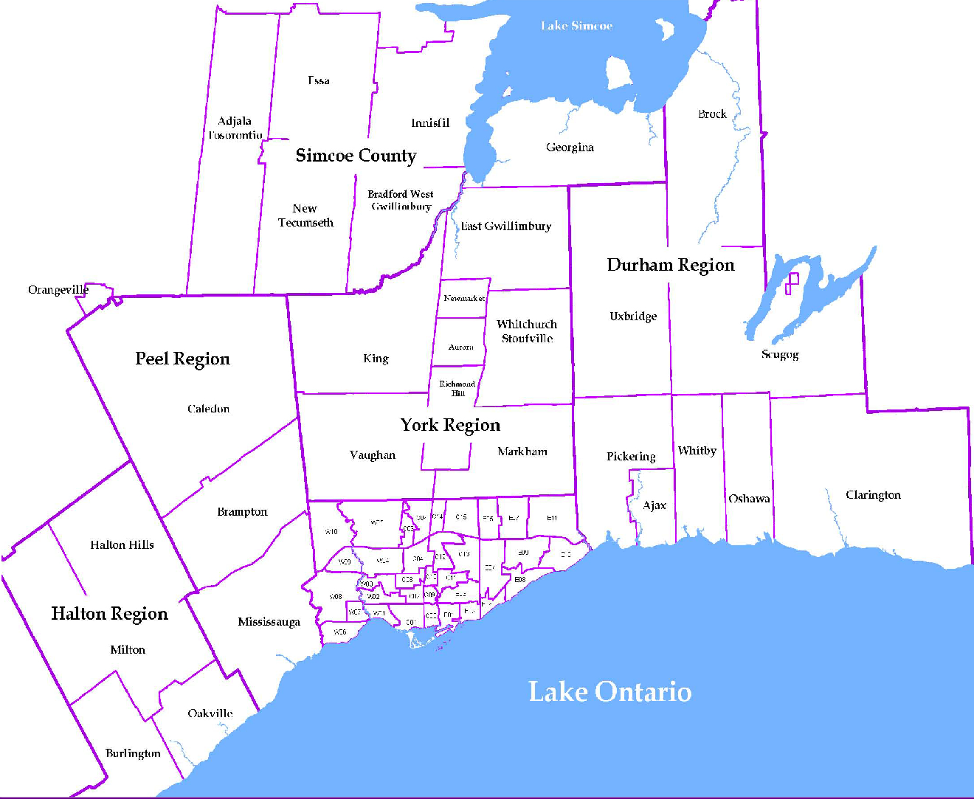
 |  |  |  |  |  |  |  |  | NOTES 1 - Refers to the total number of rental units that were available during the reporting period. 2 - Refers to firm lease transactions entered in the TorontoMLS system between the first and last day of the reporting period. 3 - Refers to the average lease rate for firm lease transactions entered in the TREB MLS® system between the first and last day of the reporting period. 4 - Statistics Canada, Quarter-over-quarter annualized growth rate. 5 - Statistics Canada, Year-over-year growth rate. 6 - Bank of Canada, rates for most recently completed month.
...
 |  |  |  |  |  | 17.8%
...
 |  |  |  |  |  |  |  |  |  |  |  |  |  |  |  |  | Rental Market Report, First Quarter 2019 6
...

