Table 1
 | All Apartments |  | Bachelor |  | One Bedroom |  | Two Bedroom |  | Three Bedroom
 | Total Listed1 | Total Leased2 | Leased2 | Avg. Lease Rate3 | Leased2 | Avg. Lease Rate3 | Leased 2 | Avg. Lease Rate3 | Leased2 Avg. Lease Rate3
TRREB Total | 16,058 | 7,192 | 299 | $1,844 | 4,274 | $2,187 | 2,440 | $2,811 | 179 | $3,575
City of Toronto Toronto West | 13,348 1,469 | 5,794 756 | 291 10 | $1,851 $1,727 | 3,561 429 | $2,222 $2,102 | 1,808 304 | $2,943 $2,727 | 134 13 | $3,839 $3,441
Toronto W01 | 111 | 61 | 2 | $1,725 | 39 | $2,173 | 19 | $2,772 | 1 | $7,750
Toronto W02 | 86 | 48 | 4 | $1,767 | 27 | $2,206 | 15 | $2,987 | 2 | $3,550
Toronto W03 | 8 | 1 | 0 | $0 | 1 | $2,050 | 0 | $0 | 0 | $0
Toronto W04 | 119 | 62 | 1 | $1,500 | 35 | $1,949 | 25 | $2,391 | 1 | $2,995
Toronto W05 | 47 | 28 | 1 | $1,700 | 15 | $1,963 | 9 | $2,214 | 3 | $2,317
Toronto W06 | 709 | 349 | 2 | $1,775 | 209 | $2,138 | 136 | $2,904 | 2 | $4,800
Toronto W07 | 9 | 11 | 0 | $0 | 5 | $2,010 | 6 | $2,900 | 0 | $0
Toronto W08 | 306 | 156 | 0 | $0 | 82 | $2,072 | 73 | $2,607 | 1 | $2,800
Toronto W09 | 14 | 10 | 0 | $0 | 1 | $2,050 | 6 | $2,524 | 3 | $2,512
Toronto W10 | 60 | 30 | 0 | $0 | 15 | $1,932 | 15 | $2,273 | 0 | $0
Toronto Central | 11,000 | 4,610 | 273 | $1,853 | 2,908 | $2,256 | 1,320 | $3,083 | 109 | $3,993
Toronto C01 | 5,360 | 2,127 | 147 | $1,866 | 1,386 | $2,324 | 547 | $3,319 | 47 | $4,788
Toronto C02 | 458 | 133 | 8 | $1,873 | 83 | $2,515 | 41 | $4,438 | 1 | $4,200
Toronto C03 | 115 | 45 | 1 | $1,600 | 29 | $2,117 | 12 | $2,978 | 3 | $4,667
Toronto C04 | 56 | 24 | 1 | $1,700 | 9 | $2,133 | 12 | $2,971 | 2 | $3,325
Toronto C06 | 56 | 38 | 0 | $0 | 20 | $1,979 | 17 | $2,394 | 1 | $2,850
Toronto C07 | 372 | 162 | 0 | $0 | 78 | $2,204 | 74 | $2,813 | 10 | $3,143
Toronto C08 | 2,191 | 948 | 95 | $1,861 | 613 | $2,232 | 225 | $3,054 | 15 | $4,253
Toronto C09 | 100 | 31 | 0 | $0 | 14 | $2,878 | 16 | $3,712 | 1 | $3,150
Toronto C10 | 502 | 212 | 8 | $1,738 | 139 | $2,203 | 64 | $2,838 | 1 | $3,750
Toronto C11 | 147 | 54 | 2 | $1,550 | 23 | $1,909 | 19 | $2,463 | 10 | $2,525
Toronto C12 | 23 | 9 | 0 | $0 | 2 | $2,440 | 7 | $3,129 | 0 | $0
Toronto C13 | 144 | 61 | 1 | $1,900 | 36 | $2,038 | 20 | $2,474 | 4 | $2,500
Toronto C14 | 779 | 377 | 4 | $1,756 | 217 | $2,133 | 150 | $2,712 | 6 | $3,572
Toronto C15 | 697 | 389 | 6 | $1,758 | 259 | $2,078 | 116 | $2,572 | 8 | $2,969
Toronto East | 879 | 428 | 8 | $1,941 | 224 | $2,018 | 184 | $2,302 | 12 | $2,869
Toronto E01 | 197 | 96 | 2 | $2,758 | 60 | $2,270 | 31 | $2,592 | 3 | $3,700
Toronto E02 | 27 | 11 | 0 | $0 | 8 | $2,340 | 3 | $2,383 | 0 | $0
Toronto E03 | 16 | 5 | 0 | $0 | 4 | $1,838 | 1 | $2,500 | 0 | $0
Toronto E04 | 59 | 25 | 0 | $0 | 12 | $1,699 | 13 | $2,222 | 0 | $0
Toronto E05 | 48 | 32 | 0 | $0 | 12 | $1,977 | 17 | $2,292 | 3 | $2,427
Toronto E06 | 21 | 7 | 0 | $0 | 3 | $2,017 | 4 | $2,263 | 0 | $0
Toronto E07 | 212 | 103 | 0 | $0 | 59 | $1,868 | 41 | $2,133 | 3 | $2,583
Toronto E08 | 30 | 12 | 0 | $0 | 1 | $1,800 | 11 | $2,168 | 0 | $0
Toronto E09 | 232 | 124 | 6 | $1,669 | 61 | $1,973 | 55 | $2,359 | 2 | $2,900
Toronto E10 | 4 | 1 | 0 | $0 | 0 | $0 | 1 | $1,700 | 0 | $0
Toronto E11 | 33 | 12 | 0 | $0 | 4 | $1,819 | 7 | $1,986 | 1 | $2,500

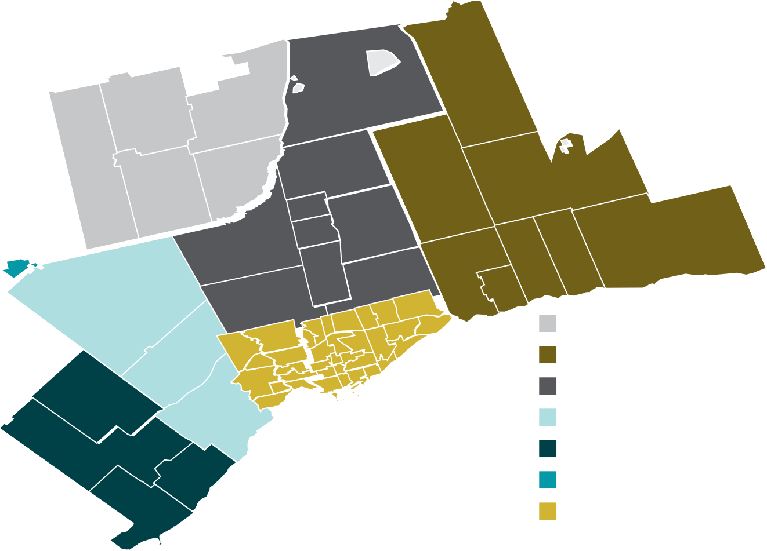
Adjala-Tosorontio
Brock
Georgina
Innisfil
Essa
East Gwillimbury
Bradford West Gwillimbury
Uxbridge
Scugog
King
Aurora
Clarington
Oshawa
Pickering
Markham
Ajax
Caledon
Vaughan
E11
Whitby
E07
C15
C14
E10
C07 C06
Simcoe
W05
C12
Brampton
E04
C04
W10
E09
E08
W04
W03 W02
C10
Durham
W09
C03 C02
C11
E03
E06
E02
C08
W08
C01
E01
Halton Hills
W07
York
Mississauga W06
Peel
Milton
Halton
Oakville
Dufferin
Burlington
Toronto

