Table 1
(416) 443-8152
Rental Market Report TREB Member Inquiries: Media/Public Inquiries:
Second Quarter 2015
Economic Indicators Real GDP Growth Q1 2015   -0.6% Toronto Employment Growthii June 2015   -0.4% Toronto Unemployment Rate June 2015   7.3% Inflation (Yr./Yr. CPI Growth) May 2015  0.9% Bank of Canada Overnight Rate June 2015   0.75% Prime Rate June 2015   2.85% Fixed 5-Year Mortgage Rate June 2015   4.64% S our c e s: S t a t i st i c s C a na da ; B a nk of C a na da |  |  |  |  |  | Rental Demand Remains Strong in Q2 2015 Toronto, July 17, 2015 – Toronto Real Estate Board President Mark McLean announced that GTA REALTORS® reported 8,821 condominium apartment rentals through TREB’s MLS® System in the second quarter of 2015. This result represented a 20.3 per cent year-over- year increase compared to 7,333 condo apartment rentals reported in Q2 2014. Growth in the number of units rented tracked growth in supply quite closely, with the number of condo apartments listed for rent during the second quarter increasing by 23 per cent annually. “The demand for rental accommodation in the Greater Toronto Area increased in the second quarter in response to the sustained population growth we continue to enjoy as a result of our region’s status as one of the best places to live and do business,” said Mr. McLean. “Many renter households continued to focus their attention on investor-owned condominium apartments. So much so that the strong growth in the supply of units for rent was closely matched by the growth in the number of units rented, indicating that there exists a certain degree of pent-up demand in some segments of the rental market,” McLean continued. For TREB’s market area as a whole, average rents for one-bedroom and two-bedroom apartments, which made up a combined 94 per cent of rental transactions, were up by 1.5 and 4.5 per cent respectively to $1,608 and $2,239. “Growth in average rents is generally impacted by both market conditions and the type and size of units rented from one period to the next. Both of these factors played into rent increases over the past year, but the bottom line is that despite robust listings growth, strong renter demand has provided a firm foundation for rents,” said Jason Mercer, TREB’s Director of Market Analysis. |  |  |  |  |  |  |  |  |  |  |  |  |  |  |  |  | Total TorontoMLS Apartment Rentals1,3
 |  |  |  |  |  |  |  |  |  |  |  |  |  |  |  |  |  |  |  |  |  |  |  |  | 8,821
 |  |  |  |  |  |  |  |  |  |  |  |  |  |  |  |  |  |  |  |  |  |  |  |  |  |  |  |  |  | 7,333
 |  |  |  |  |  |  |  |  |  |  |  |  |  |  |  |  |  |  |  |  |  |  |  | Q2 2015 Q2 2014 TorontoMLS Avg. 1-Bdrm. Apt. Rent1,3
Rental Market Summary: Second Quarter 2015 Apartments1,2,3 All Bedroom Types Bachelor One-Bedroom Two-Bedroom Three-Bedroom Listed Leased Leased Avg. Rent Leased Avg. Rent Leased Avg. Rent Leased Avg. Rent Q2 2015 15,323 8,821 328 $1,334 5,161 $1,608 3,157 $2,239 175 $2,649 Q2 2014 12,476 7,333 195 $1,328 4,327 $1,584 2,658 $2,143 153 $2,612 Yr./Yr. % Chg. 22.8% 20.3% 68.2% 0.4% 19.3% 1.5% 18.8% 4.5% 14.4% 1.4% Townhouses1,2,3 All Bedroom Types Bachelor One-Bedroom Two-Bedroom Three-Bedroom Listed Leased Leased Avg. Rent Leased Avg. Rent Leased Avg. Rent Leased Avg. Rent Q2 2015 987 518 3 $817 58 $1,445 183 $1,991 274 $2,057 Q2 2014 865 444 1 $1,020 53 $1,400 134 $1,858 256 $2,039 Yr./Yr. % Chg. 14.1% 16.7% 200.0% -19.9% 9.4% 3.2% 36.6% 7.1% 7.0% 0.9%
 |  |  |  |  |  |  |  |  |  |  |  |  |  |  |  |  |  |  |  |  |  |  |  |  | $1,608 |  |  |  |  | $1,584
 |  |  |  |  |  |  |  |  |  |  |  |  |  |  |  |  |  |  |  |  |  |  | Q2 2015 Q2 2014

(416) 443-8158
SUMMARY OF RENTAL TRANSACTIONS |  |  |  |  |  |  |  |  |  |  |  |  |  |  |  | APARTMENTS, SECOND QUARTER 2015 ALL TREB AREAS
 |  |  | All Apartments |  |  |  |  |  | Bachelor |  |  |  |  | One-Bedroom |  |  |  |  | Two-Bedroom |  |  |  |  |  |  | Three-Bedroom
 |  |  | Total Listed1 |  |  | Total Leased2 |  |  | Leased2 |  |  | Avg. Lease Rate3 |  | Leased2 |  |  | Avg. Lease Rate3 |  | Leased2 |  | Avg. Lease Rate3 |  |  |  |  | Leased2 |  | Avg. Lease Rate3
TREB Total |  |  | 15,323 |  |  | 8,821 |  |  | 328 |  |  | $1,334 |  | 5,161 |  |  | $1,608 |  | 3,157 |  | $2,239 |  |  |  |  | 175 |  | $2,649
Halton Region |  |  | 186 |  |  | 107 |  |  | 0 |  |  | - |  | 42 |  |  | $1,497 |  | 62 |  | $2,025 |  |  |  |  | 3 |  | $1,632
Burlington |  |  | 35 |  |  | 17 |  |  | 0 |  |  | - |  | 10 |  |  | $1,359 |  | 7 |  | $1,711 |  |  |  |  | 0 |  | -
Halton Hills |  |  | 1 |  |  | 0 |  |  | 0 |  |  | - |  | 0 |  |  | - |  | 0 |  | - |  |  |  |  | 0 |  | -
Milton |  |  | 16 |  |  | 9 |  |  | 0 |  |  | - |  | 6 |  |  | $1,379 |  | 3 |  | $1,600 |  |  |  |  | 0 |  | -
Oakville |  |  | 134 |  |  | 81 |  |  | 0 |  |  | - |  | 26 |  |  | $1,578 |  | 52 |  | $2,091 |  |  |  |  | 3 |  | $1,632
Peel Region |  |  | 1,192 |  |  | 762 |  |  | 6 |  |  | $1,263 |  | 348 |  |  | $1,473 |  | 374 |  | $1,790 |  |  |  |  | 34 |  | $1,947
Brampton |  |  | 61 |  |  | 38 |  |  | 0 |  |  | - |  | 9 |  |  | $1,369 |  | 25 |  | $1,536 |  |  |  |  | 4 |  | $1,550
Caledon |  |  | 0 |  |  | 0 |  |  | 0 |  |  | - |  | 0 |  |  | - |  | 0 |  | - |  |  |  |  | 0 |  | -
Mississauga |  |  | 1,131 |  |  | 724 |  |  | 6 |  |  | $1,263 |  | 339 |  |  | $1,476 |  | 349 |  | $1,809 |  |  |  |  | 30 |  | $2,000
City of Toronto |  |  | 12,699 |  |  | 7,151 |  |  | 320 |  |  | $1,336 |  | 4,276 |  |  | $1,642 |  | 2,436 |  | $2,361 |  |  |  |  | 119 |  | $2,938
! TURN PAGE FOR CITY OF TORONTO TABLES OR CLICK HERE:
York Region |  |  | 1,207 |  |  | 780 |  |  | 2 |  |  | $1,175 |  | 485 |  |  | $1,418 |  | 274 |  | $1,837 |  |  |  |  | 19 |  | $2,263
Aurora |  |  | 5 |  |  | 3 |  |  | 0 |  |  | - |  | 2 |  |  | $1,640 |  | 1 |  | $1,450 |  |  |  |  | 0 |  | -
E. Gwillimbury |  |  | 0 |  |  | 0 |  |  | 0 |  |  | - |  | 0 |  |  | - |  | 0 |  | - |  |  |  |  | 0 |  | -
Georgina |  |  | 0 |  |  | 0 |  |  | 0 |  |  | - |  | 0 |  |  | - |  | 0 |  | - |  |  |  |  | 0 |  | -
King |  |  | 8 |  |  | 5 |  |  | 0 |  |  | - |  | 0 |  |  | - |  | 5 |  | $1,660 |  |  |  |  | 0 |  | -
Markham |  |  | 639 |  |  | 417 |  |  | 1 |  |  | $1,100 |  | 258 |  |  | $1,403 |  | 142 |  | $1,815 |  |  |  |  | 16 |  | $2,265
Newmarket |  |  | 1 |  |  | 1 |  |  | 0 |  |  | - |  | 1 |  |  | $1,250 |  | 0 |  | - |  |  |  |  | 0 |  | -
Richmond Hill |  |  | 258 |  |  | 157 |  |  | 1 |  |  | $1,250 |  | 101 |  |  | $1,391 |  | 52 |  | $1,828 |  |  |  |  | 3 |  | $2,250
Vaughan |  |  | 296 |  |  | 197 |  |  | 0 |  |  | - |  | 123 |  |  | $1,470 |  | 74 |  | $1,901 |  |  |  |  | 0 |  | -
Whitchurch-Stouffville |  |  | 0 |  |  | 0 |  |  | 0 |  |  | - |  | 0 |  |  | - |  | 0 |  | - |  |  |  |  | 0 |  | -
Durham Region |  |  | 35 |  |  | 19 |  |  | 0 |  |  | - |  | 9 |  |  | $1,436 |  | 10 |  | $1,828 |  |  |  |  | 0 |  | -
Ajax |  |  | 3 |  |  | 2 |  |  | 0 |  |  | - |  | 0 |  |  | - |  | 2 |  | $1,500 |  |  |  |  | 0 |  | -
Brock |  |  | 0 |  |  | 0 |  |  | 0 |  |  | - |  | 0 |  |  | - |  | 0 |  | - |  |  |  |  | 0 |  | -
Clarington |  |  | 2 |  |  | 0 |  |  | 0 |  |  | - |  | 0 |  |  | - |  | 0 |  | - |  |  |  |  | 0 |  | -
Oshawa |  |  | 2 |  |  | 1 |  |  | 0 |  |  | - |  | 0 |  |  | - |  | 1 |  | $1,600 |  |  |  |  | 0 |  | -
Pickering |  |  | 18 |  |  | 13 |  |  | 0 |  |  | - |  | 8 |  |  | $1,434 |  | 5 |  | $1,755 |  |  |  |  | 0 |  | -
Scugog |  |  | 0 |  |  | 0 |  |  | 0 |  |  | - |  | 0 |  |  | - |  | 0 |  | - |  |  |  |  | 0 |  | -
Uxbridge |  |  | 1 |  |  | 0 |  |  | 0 |  |  | - |  | 0 |  |  | - |  | 0 |  | - |  |  |  |  | 0 |  | -
Whitby |  |  | 9 |  |  | 3 |  |  | 0 |  |  | - |  | 1 |  |  | $1,450 |  | 2 |  | $2,450 |  |  |  |  | 0 |  | -
Dufferin County |  |  | 0 |  |  | 0 |  |  | 0 |  |  | - |  | 0 |  |  | - |  | 0 |  | - |  |  |  |  | 0 |  | -
Orangeville |  |  | 0 |  |  | 0 |  |  | 0 |  |  | - |  | 0 |  |  | - |  | 0 |  | - |  |  |  |  | 0 |  | -
Simcoe County |  |  | 4 |  |  | 2 |  |  | 0 |  |  | - |  | 1 |  |  | $1,300 |  | 1 |  | $1,500 |  |  |  |  | 0 |  | -
Adjala-Tosorontio |  |  | 0 |  |  | 0 |  |  | 0 |  |  | - |  | 0 |  |  | - |  | 0 |  | - |  |  |  |  | 0 |  | -
Bradford West Gwillimbury |  |  | 0 |  |  | 0 |  |  | 0 |  |  | - |  | 0 |  |  | - |  | 0 |  | - |  |  |  |  | 0 |  | -
Essa |  |  | 0 |  |  | 0 |  |  | 0 |  |  | - |  | 0 |  |  | - |  | 0 |  | - |  |  |  |  | 0 |  | -
Innisfil |  |  | 0 |  |  | 0 |  |  | 0 |  |  | - |  | 0 |  |  | - |  | 0 |  | - |  |  |  |  | 0 |  | -
New Tecumseth |  |  | 4 |  |  | 2 |  |  | 0 |  |  | - |  | 1 |  |  | $1,300 |  | 1 |  | $1,500 |  |  |  |  | 0 |  | -

SUMMARY OF RENTAL TRANSACTIONS |  |  |  |  |  |  |  |  |  |  | APARTMENTS, SECOND QUARTER 2015 CITY OF TORONTO MUNICIPAL BREAKDOWN
 |  |  | All Apartments |  |  |  |  |  | Bachelor |  |  |  |  |  | One-Bedroom |  |  |  |  | Two-Bedroom |  |  |  |  |  |  | Three-Bedroom
 |  |  | Total Listed1 |  |  | Total Leased2 |  |  | Leased2 |  |  |  | Avg. Lease Rate3 |  | Leased2 |  |  | Avg. Lease Rate3 |  | Leased2 |  | Avg. Lease Rate3 |  |  |  |  | Leased2 |  | Avg. Lease Rate3
TREB Total |  |  | 15,323 |  |  | 8,821 |  |  | 328 |  |  |  | $1,334 |  | 5,161 |  |  | $1,608 |  | 3,157 |  | $2,239 |  |  |  |  | 175 |  | $2,649
City of Toronto Total |  |  | 12,699 |  |  | 7,151 |  |  | 320 |  |  |  | $1,336 |  | 4,276 |  |  | $1,642 |  | 2,436 |  | $2,361 |  |  |  |  | 119 |  | $2,938
Toronto West |  |  | 1,732 |  |  | 983 |  |  | 5 |  |  |  | $1,106 |  | 590 |  |  | $1,458 |  | 377 |  | $1,954 |  |  |  |  | 11 |  | $2,174
Toronto W01 |  |  | 195 |  |  | 102 |  |  | 0 |  |  |  | - |  | 70 |  |  | $1,632 |  | 31 |  | $2,110 |  |  |  |  | 1 |  | $2,190
Toronto W02 |  |  | 76 |  |  | 56 |  |  | 0 |  |  |  | - |  | 35 |  |  | $1,516 |  | 21 |  | $2,304 |  |  |  |  | 0 |  | -
Toronto W03 |  |  | 4 |  |  | 2 |  |  | 0 |  |  |  | - |  | 1 |  |  | $1,400 |  | 0 |  | - |  |  |  |  | 1 |  | $1,900
Toronto W04 |  |  | 108 |  |  | 72 |  |  | 0 |  |  |  | - |  | 51 |  |  | $1,305 |  | 18 |  | $1,644 |  |  |  |  | 3 |  | $1,750
Toronto W05 |  |  | 100 |  |  | 39 |  |  | 2 |  |  |  | $1,123 |  | 23 |  |  | $1,413 |  | 12 |  | $1,612 |  |  |  |  | 2 |  | $2,000
Toronto W06 |  |  | 850 |  |  | 482 |  |  | 2 |  |  |  | $1,038 |  | 276 |  |  | $1,448 |  | 202 |  | $2,012 |  |  |  |  | 2 |  | $2,925
...
 |  |  |  |  |  |  |  |  |  |  |  |  |  |  |  |  |  |  |  |  |  |  |  |  |  |  |  |  | -
Toronto E07 |  |  | 13 |  |  | 6 |  |  | 0 |  |  |  | - |  | 0 |  |  | - |  | 0 |  | - |  |  |  |  | 6 |  | $1,699
Toronto E08 |  |  | 3 |  |  | 1 |  |  | 0 |  |  |  | - |  | 0 |  |  | - |  | 0 |  | - |  |  |  |  | 1 |  | $1,800
Toronto E09 |  |  | 14 |  |  | 7 |  |  | 0 |  |  |  | - |  | 1 |  |  | $1,425 |  | 4 |  | $1,563 |  |  |  |  | 2 |  | $2,000
Toronto E10 |  |  | 4 |  |  | 0 |  |  | 0 |  |  |  | - |  | 0 |  |  | - |  | 0 |  | - |  |  |  |  | 0 |  | -
Toronto E11 |  |  | 6 |  |  | 3 |  |  | 0 |  |  |  | - |  | 0 |  |  | - |  | 3 |  | $1,193 |  |  |  |  | 0 |  | -
Share of GTA Condo Apartments In Rental
Halton Peel Toronto York Durham Source: CMHC, 2014 Fall Rental Market Survey
GTA Condo Apartment Vacancy Rate
 |  |  |  |  | 2.1%
6
0.8% Halton | 1.2% Peel | 1.3% Toronto |  | York |  |  | 0.8% Durham |  |  | NOTES 1Refers to the total number of rental units that were available during the reporting period. 2Refers to firm lease transactions entered in the TorontoMLS system between the first and last day of the reporting period. 3Refers to the average lease rate for firm lease transactions entered in the TorontoMLS system between the first and last day of the reporting peri 4Statistics Canada, Quarter-over-quarter annualized growth rate. 5Statistics Canada, Year-over-year growth rate. 6Bank of Canada, rates for most recently completed month.
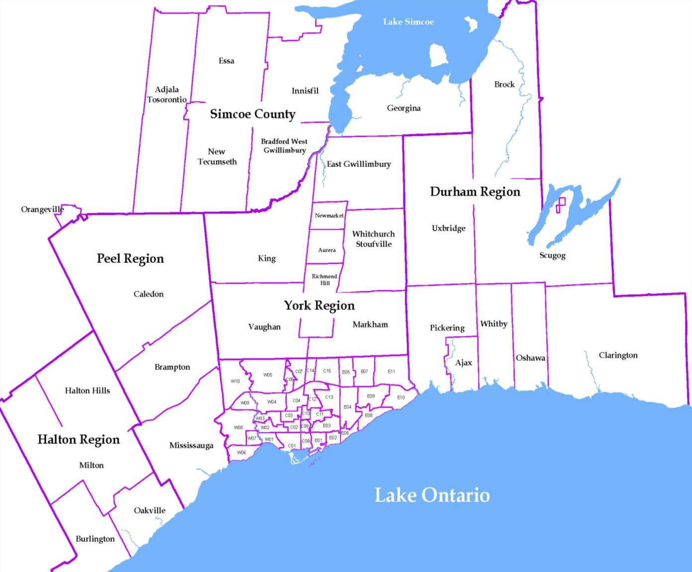
Source: CMHC, 2014 Fall Rental Market Survey |  |  |  |  |  |  |  | Rental Market Report, Second Quarter 2015

