Table 1
Rental Market Report
TREB Member Inquiries: (416) 443-8152 Media/Public Inquiries:
Second Quarter 2016 |  |  |  | (416) 443-8158
Economic Indicators Real GDP Quarterly Q1 2016 2.4% Toronto Employment Growth |  |  |  |  | Strong Growth in Average Rents in Q2 2016 TORONTO, July 21, 2016 – Toronto Real Estate Board President Larry Cerqua announced that despite a decline in the number of condominium apartments listed for rent on TREB’s MLS® System in the second quarter of 2016, the number of condo apartments rented remained similar on a year- over-year basis – down by only 2.7 per cent compared to the second quarter of 2015. “Greater Toronto Area REALTORS® continued to facilitate a large number of rental transactions in the second quarter, as investor-held condo apartments remained an important component of the overall rental supply in the GTA. If the market had benefitted from more listings in Q2, the number of rentals would have likely been above last year’s level,” said Mr. Cerqua. The average one-bedroom condominium apartment rent was $1,710 per month in the second quarter – up by 6.4 per cent compared to the same period in 2015. The average two-bedroom rent was up by 4.1 per cent year- over-year to $2,330. “Year-to-date, total condominium apartment completions in the GTA were down compared to the same period in 2015. This contributed to the decline in the number of apartments listed for rent on TREB’s MLS® system. However, the number of rental transactions remained similar to last year, suggesting that competition between renters increased, leading to strong growth in average rents,” said Jason Mercer, TREB’s Director of Market Analysis. |  |  |  |  |  |  |  |  |  |  |  |  |  |  |  |  |  | Total TREB MLS® Apartment Rentals 1,3
June 2016 2.2% Toronto Unemployment Rate June 2016 6.7% Inflation Rate (Yr./Yr. CPI Growth) May 2016 1.5% Bank of Canada Overnight Rate June 2016 -- 0.5% Prime Rate June 2016 -- 2.7% Fixed 5-Year Mortgage Rate June 2016 -- 4.64% Sources: Statistics Canada; Bank of Canada |  |  |  |  |  |  |  |  |  |  |  |  |  |  |  |  |  |  |  |  |  |  |  | 8,574 |  |  | 8,812
 |  |  |  |  |  |  |  |  |  |  |  |  |  |  |  |  |  |  |  |  |  |  | Q2 Q2 2016 2015 TREB MLS® Avg. 1-Bdrm. Apt. Rent 1,3
Rental Market Summary: Second Quarter 2016 Apartments1,2,3
 |  |  |  |  |  |  |  |  |  |  |  |  |  |  |  |  |  |  |  |  |  |  |  | $1,710
 |  |  |  |  |  |  |  |  |  |  |  |  |  |  |  |  |  |  |  |  |  |  |  |  |  |  | $1,608
 | All Bedroom Types |  |  |  | Bachelor |  |  |  |  |  | One-Bedroom |  |  |  | Two-Bedroom |  |  |  | Three-Bedroom
 | Listed | Leased |  |  | Leased |  |  |  | Avg. Rent |  | Leased |  | Avg. Rent |  | Leased |  | Avg. Rent |  | Leased |  | Avg. Rent
Q2 2016 | 12,337 | 8,574 |  |  | 278 |  |  |  | $1,425 |  | 4,959 |  | $1,710 |  | 3,145 |  | $2,330 |  | 192 |  | $3,046
Q2 2015 | 15,280 | 8,812 |  |  | 328 |  |  |  | $1,334 |  | 5,156 |  | $1,608 |  | 3,153 |  | $2,240 |  | 175 |  | $2,649
2Y0r.1/Y62r. % Chg. | -19.3% | -2.7% |  |  | -15.2% |  |  |  | 6.8% |  | -3.8% |  | 6.4% 7 |  | -0.3% |  | 4.1% |  | 2 9.7% 1 |  | 15.0%
Townhouses1,2,3
 | All Bedroom Types |  |  |  | Bachelor |  |  |  |  |  | One-Bedroom |  |  |  | Two-Bedroom |  |  |  | Three-Bedroom
 | Listed | Leased |  |  | Leased |  |  |  | Avg. Rent |  | Leased |  | Avg. Rent |  | Leased |  | Avg. Rent |  | Leased |  | Avg. Rent
Q2 2016 | 944 | 571 |  |  | 2 |  |  |  | $1,350 |  | 54 |  | $1,558 |  | 226 |  | $1,903 |  | 289 |  | $2,193
 |  |  |  |  |  |  |  |  |  |  |  |  |  |  |  |  |  |  |  |  |  |  | Q2 Q2 2016 2015
Q2 2015 | 983 | 518 |  |  | 3 |  |  |  | $817 |  | 58 |  | $1,447 |  | 183 |  | $1,991 |  | 274 |  | $2,057
2Y0r.1/6Y2r. % Chg. | -4.0% | 10.2% |  |  | -33.3% |  |  |  | 65.3% |  | -6.9% |  | 7.7% |  | 23.5% |  | -4.4% |  | 9 5.5% |  | 6.6%

SUMMARY OF RENTAL TRANSACTIONS APARTMENTS, SECOND QUARTER 2016 ALL TREB AREAS
 |  |  | All Apartments |  |  |  |  |  |  |  |  | Bachelor |  |  |  | One-Bedroom |  |  |  |  |  | Two-Bedroom |  |  |  | Three-Bedroom
 |  |  | Total Listed1 |  |  |  |  | Total Leased2 |  |  |  | Leased 2 |  | Avg. Lease Rate3 |  | Leased 2 |  |  |  | Avg. Lease Rate3 |  | Leased 2 |  |  | Avg. Lease Rate3 | Leased 2 |  | Avg. Lease Rate3
TREB Total |  |  | 12,337 |  |  |  |  | 8,574 |  |  |  | 278 |  | $1,425 |  | 4,959 |  |  |  | $1,710 |  | 3,145 |  |  | $2,330 | 192 |  | $3,046
Halton Region |  |  | 235 |  |  |  |  | 147 |  |  |  | 1 |  | $1,100 |  | 72 |  |  |  | $1,537 |  | 71 |  |  | $2,080 | 3 |  | $1,703
Burlington |  |  | 32 |  |  |  |  | 20 |  |  |  | 0 |  | - |  | 9 |  |  |  | $1,492 |  | 11 |  |  | $1,815 | 0 |  | -
Halton Hills |  |  | 1 |  |  |  |  | 0 |  |  |  | 0 |  | - |  | 0 |  |  |  | - |  | 0 |  |  | - | 0 |  | -
Milton |  |  | 14 |  |  |  |  | 8 |  |  |  | 0 |  | - |  | 4 |  |  |  | $1,450 |  | 3 |  |  | $1,692 | 1 |  | $1,610
Oakville |  |  | 188 |  |  |  |  | 119 |  |  |  | 1 |  | $1,100 |  | 59 |  |  |  | $1,550 |  | 57 |  |  | $2,151 | 2 |  | $1,750
Peel Region |  |  | 988 |  |  |  |  | 706 |  |  |  | 7 |  | $1,325 |  | 317 |  |  |  | $1,544 |  | 355 |  |  | $1,895 | 27 |  | $2,151
Brampton |  |  | 45 |  |  |  |  | 29 |  |  |  | 0 |  | - |  | 10 |  |  |  | $1,333 |  | 16 |  |  | $1,595 | 3 |  | $1,647
Caledon |  |  | 1 |  |  |  |  | 1 |  |  |  | 0 |  | - |  | 0 |  |  |  | - |  | 1 |  |  | $2,300 | 0 |  | -
Mississauga |  |  | 942 |  |  |  |  | 676 |  |  |  | 7 |  | $1,325 |  | 307 |  |  |  | $1,551 |  | 338 |  |  | $1,908 | 24 |  | $2,215
City of Toronto |  |  | 9,891 |  |  |  |  | 6,907 |  |  |  | 269 |  | $1,430 |  | 4,095 |  |  |  | $1,752 |  | 2,395 |  |  | $2,465 | 148 |  | $3,289
Toronto West |  |  | 1,013 |  |  |  |  | 742 |  |  |  | 5 |  | $1,270 |  | 460 |  |  |  | $1,579 |  | 265 |  |  | $2,136 | 12 |  | $3,131
Toronto Central |  |  | 8,340 |  |  |  |  | 5,780 |  |  |  | 258 |  | $1,438 |  | 3,444 |  |  |  | $1,789 |  | 1,960 |  |  | $2,567 | 118 |  | $3,500
Toronto East |  |  | 538 |  |  |  |  | 385 |  |  |  | 6 |  | $1,189 |  | 191 |  |  |  | $1,498 |  | 170 |  |  | $1,800 | 18 |  | $2,011
York Region |  |  | 1,188 |  |  |  |  | 790 |  |  |  | 1 |  | $1,200 |  | 469 |  |  |  | $1,492 |  | 307 |  |  | $1,884 | 13 |  | $2,562
Aurora |  |  | 4 |  |  |  |  | 4 |  |  |  | 0 |  | - |  | 1 |  |  |  | $1,750 |  | 3 |  |  | $1,808 | 0 |  | -
E. Gwillimbury |  |  | 0 |  |  |  |  | 0 |  |  |  | 0 |  | - |  | 0 |  |  |  | - |  | 0 |  |  | - | 0 |  | -
Georgina |  |  | 0 |  |  |  |  | 0 |  |  |  | 0 |  | - |  | 0 |  |  |  | - |  | 0 |  |  | - | 0 |  | -
King |  |  | 6 |  |  |  |  | 5 |  |  |  | 0 |  | - |  | 3 |  |  |  | $1,417 |  | 2 |  |  | $2,088 | 0 |  | -
Markham |  |  | 526 |  |  |  |  | 340 |  |  |  | 0 |  | - |  | 202 |  |  |  | $1,475 |  | 131 |  |  | $1,874 | 7 |  | $2,371
Newmarket |  |  | 2 |  |  |  |  | 2 |  |  |  | 0 |  | - |  | 0 |  |  |  | - |  | 1 |  |  | $1,500 | 1 |  | $1,950
Richmond Hill |  |  | 380 |  |  |  |  | 262 |  |  |  | 0 |  | - |  | 159 |  |  |  | $1,493 |  | 100 |  |  | $1,863 | 3 |  | $2,433
Vaughan |  |  | 269 |  |  |  |  | 176 |  |  |  | 1 |  | $1,200 |  | 104 |  |  |  | $1,524 |  | 69 |  |  | $1,934 | 2 |  | $3,725
Whitchurch-Stouffville |  |  | 1 |  |  |  |  | 1 |  |  |  | 0 |  | - |  | 0 |  |  |  | - |  | 1 |  |  | $2,000 | 0 |  | -
Durham Region |  |  | 33 |  |  |  |  | 22 |  |  |  | 0 |  | - |  | 5 |  |  |  | $1,450 |  | 16 |  |  | $1,575 | 1 |  | $1,550
Ajax |  |  | 8 |  |  |  |  | 8 |  |  |  | 0 |  | - |  | 2 |  |  |  | $1,400 |  | 6 |  |  | $1,550 | 0 |  | -
Brock |  |  | 0 |  |  |  |  | 0 |  |  |  | 0 |  | - |  | 0 |  |  |  | - |  | 0 |  |  | - | 0 |  | -
Clarington |  |  | 9 |  |  |  |  | 3 |  |  |  | 0 |  | - |  | 0 |  |  |  | - |  | 3 |  |  | $1,283 | 0 |  | -
Oshawa |  |  | 3 |  |  |  |  | 1 |  |  |  | 0 |  | - |  | 0 |  |  |  | - |  | 1 |  |  | $1,350 | 0 |  | -
Pickering |  |  | 9 |  |  |  |  | 8 |  |  |  | 0 |  | - |  | 2 |  |  |  | $1,500 |  | 5 |  |  | $1,850 | 1 |  | $1,550
Scugog |  |  | 0 |  |  |  |  | 0 |  |  |  | 0 |  | - |  | 0 |  |  |  | - |  | 0 |  |  | - | 0 |  | -
Uxbridge |  |  | 0 |  |  |  |  | 0 |  |  |  | 0 |  | - |  | 0 |  |  |  | - |  | 0 |  |  | - | 0 |  | -
Whitby |  |  | 4 |  |  |  |  | 2 |  |  |  | 0 |  | - |  | 1 |  |  |  | $1,450 |  | 1 |  |  | $1,450 | 0 |  | -
Dufferin County |  |  | 0 |  |  |  |  | 0 |  |  |  | 0 |  | - |  | 0 |  |  |  | - |  | 0 |  |  | - | 0 |  | -
Orangeville |  |  | 0 |  |  |  |  | 0 |  |  |  | 0 |  | - |  | 0 |  |  |  | - |  | 0 |  |  | - | 0 |  | -
Simcoe County |  |  | 2 |  |  |  |  | 2 |  |  |  | 0 |  | - |  | 1 |  |  |  | $1,100 |  | 1 |  |  | $1,300 | 0 |  | -
Adjala-Tosorontio |  |  | 0 |  |  |  |  | 0 |  |  |  | 0 |  | - |  | 0 |  |  |  | - |  | 0 |  |  | - | 0 |  | -
Bradford West Gwillimbury |  |  | 0 |  |  |  |  | 0 |  |  |  | 0 |  | - |  | 0 |  |  |  | - |  | 0 |  |  | - | 0 |  | -
Essa |  |  | 0 |  |  |  |  | 0 |  |  |  | 0 |  | - |  | 0 |  |  |  | - |  | 0 |  |  | - | 0 |  | -
Innisfil |  |  | 0 |  |  |  |  | 0 |  |  |  | 0 |  | - |  | 0 |  |  |  | - |  | 0 |  |  | - | 0 |  | -
New Tecumseth |  |  | 2 |  |  |  |  | 2 |  |  |  | 0 |  | - |  | 1 |  |  |  | $1,100 |  | 1 |  |  | $1,300 | 0 |  | -
SUMMARY OF RENTAL TRANSACTIONS APARTMENTS, SECOND QUARTER 2016 CITY OF TORONTO MUNICIPAL BREAKDOWN
 |  |  | All Apartments |  |  |  |  |  |  |  |  | Bachelor |  |  |  | One-Bedroom |  |  |  |  |  | Two-Bedroom |  |  |  | Three-Bedroom
 |  |  | Total Listed 1 |  |  |  |  | Total Leased 2 |  |  |  | Leased 2 |  | Avg. Lease Rate3 |  | Leased 2 |  |  |  | Avg. Lease Rate3 |  | Leased 2 |  |  | Avg. Lease Rate3 | Leased2 |  | Avg. Lease Rate3
TREB Total |  |  | 12,337 |  |  |  |  | 8,574 |  |  |  | 278 |  | $1,425 |  | 4,959 |  |  |  | $1,710 |  | 3,145 |  |  | $2,330 | 192 |  | $3,046
City of Toronto Total |  |  | 9,891 |  |  |  |  | 6,907 |  |  |  | 269 |  | $1,430 |  | 4,095 |  |  |  | $1,752 |  | 2,395 |  |  | $2,465 | 148 |  | $3,289
Toronto West |  |  | 1,013 |  |  |  |  | 742 |  |  |  | 5 |  | $1,270 |  | 460 |  |  |  | $1,579 |  | 265 |  |  | $2,136 | 12 |  | $3,131
Toronto W01 |  |  | 80 |  |  |  |  | 62 |  |  |  | 0 |  | - |  | 44 |  |  |  | $1,724 |  | 15 |  |  | $2,279 | 3 |  | $4,417
Toronto W02 |  |  | 55 |  |  |  |  | 38 |  |  |  | 4 |  | $1,338 |  | 21 |  |  |  | $1,659 |  | 12 |  |  | $2,889 | 1 |  | $2,550
Toronto W03 |  |  | 1 |  |  |  |  | 1 |  |  |  | 1 |  | $1,000 |  | 0 |  |  |  | - |  | 0 |  |  | - | 0 |  | -
Toronto W04 |  |  | 37 |  |  |  |  | 25 |  |  |  | 0 |  | - |  | 17 |  |  |  | $1,411 |  | 7 |  |  | $1,754 | 1 |  | $1,375
Toronto W05 |  |  | 70 |  |  |  |  | 40 |  |  |  | 0 |  | - |  | 26 |  |  |  | $1,494 |  | 14 |  |  | $1,644 | 0 |  | -
Toronto W06 |  |  | 465 |  |  |  |  | 358 |  |  |  | 0 |  | - |  | 230 |  |  |  | $1,589 |  | 127 |  |  | $2,294 | 1 |  | $8,000
Toronto W07 |  |  | 14 |  |  |  |  | 9 |  |  |  | 0 |  | - |  | 7 |  |  |  | $1,618 |  | 2 |  |  | $1,775 | 0 |  | -
Toronto W08 |  |  | 223 |  |  |  |  | 157 |  |  |  | 0 |  | - |  | 92 |  |  |  | $1,563 |  | 62 |  |  | $1,993 | 3 |  | $2,283
Toronto W09 |  |  | 15 |  |  |  |  | 9 |  |  |  | 0 |  | - |  | 1 |  |  |  | $2,400 |  | 5 |  |  | $1,840 | 3 |  | $1,850
Toronto W10 |  |  | 53 |  |  |  |  | 43 |  |  |  | 0 |  | - |  | 22 |  |  |  | $1,360 |  | 21 |  |  | $1,637 | 0 |  | -
Toronto Central |  |  | 8,340 |  |  |  |  | 5,780 |  |  |  | 258 |  | $1,438 |  | 3,444 |  |  |  | $1,789 |  | 1,960 |  |  | $2,567 | 118 |  | $3,500
Toronto C01 |  |  | 4,152 |  |  |  |  | 2,941 |  |  |  | 171 |  | $1,451 |  | 1,834 |  |  |  | $1,855 |  | 867 |  |  | $2,748 | 69 |  | $3,623
Toronto C02 |  |  | 420 |  |  |  |  | 225 |  |  |  | 11 |  | $1,455 |  | 120 |  |  |  | $2,055 |  | 90 |  |  | $4,083 | 4 |  | $8,738
Toronto C03 |  |  | 128 |  |  |  |  | 92 |  |  |  | 2 |  | $1,345 |  | 58 |  |  |  | $1,714 |  | 32 |  |  | $2,504 | 0 |  | -
Toronto C04 |  |  | 72 |  |  |  |  | 24 |  |  |  | 2 |  | $1,273 |  | 13 |  |  |  | $1,640 |  | 7 |  |  | $2,264 | 2 |  | $5,550
Toronto C06 |  |  | 60 |  |  |  |  | 40 |  |  |  | 0 |  | - |  | 28 |  |  |  | $1,506 |  | 12 |  |  | $1,883 | 0 |  | -
Toronto C07 |  |  | 415 |  |  |  |  | 311 |  |  |  | 0 |  | - |  | 149 |  |  |  | $1,646 |  | 150 |  |  | $2,162 | 12 |  | $2,446
Toronto C08 |  |  | 1,372 |  |  |  |  | 924 |  |  |  | 60 |  | $1,422 |  | 566 |  |  |  | $1,780 |  | 294 |  |  | $2,462 | 4 |  | $3,500
Toronto C09 |  |  | 79 |  |  |  |  | 39 |  |  |  | 0 |  | - |  | 18 |  |  |  | $1,952 |  | 21 |  |  | $2,702 | 0 |  | -
Toronto C10 |  |  | 165 |  |  |  |  | 96 |  |  |  | 1 |  | $1,395 |  | 53 |  |  |  | $1,833 |  | 39 |  |  | $2,790 | 3 |  | $4,500
Toronto C11 |  |  | 64 |  |  |  |  | 42 |  |  |  | 0 |  | - |  | 16 |  |  |  | $1,430 |  | 21 |  |  | $1,955 | 5 |  | $1,566
Toronto C12 |  |  | 35 |  |  |  |  | 18 |  |  |  | 0 |  | - |  | 6 |  |  |  | $2,012 |  | 12 |  |  | $3,120 | 0 |  | -
Toronto C13 |  |  | 109 |  |  |  |  | 66 |  |  |  | 0 |  | - |  | 26 |  |  |  | $1,502 |  | 40 |  |  | $1,925 | 0 |  | -
...
 |  |  |  |  |  |  |  | 3 |  |  |  | 0 |  | - |  | 0 |  |  |  | - |  | 1 |  |  | $2,750
 |  |  |  |  |  |  |  | 0 |  |  |  | 0 |  | - |  | 0 |  |  |  | - |  | 0 |  |  | -
 |  |  |  |  |  |  |  | 1 |  |  |  | 0 |  | - |  | 0 |  |  |  | - |  | 0 |  |  | -
 |  |  |  |  |  |  |  | 8 |  |  |  | 0 |  | - |  | 1 |  |  |  | $700 |  | 0 |  |  | -
 |  |  |  |  |  |  |  | 0 |  |  |  | 0 |  | - |  | 0 |  |  |  | - |  | 0 |  |  | -
 |  |  |  |  |  |  |  | 4 |  |  |  | 0 |  | - |  | 1 |  |  |  | $650 |  | 0 |  |  | -
 |  |  |  |  |  |  |  | 1 |  |  |  | 0 |  | - |  | 0 |  |  |  | - |  | 0 |  |  | -
 |  |  |  |  |  |  |  | 2 |  |  |  | 0 |  | - |  | 0 |  |  |  | - |  | 2 |  |  | $1,775
 |  |  |  |  |  |  |  | 4 |  |  |  | 0 |  | - |  | 0 |  |  |  | - |  | 1 |  |  | $1,550
 |  |  |  |  |  |  |  | 7 |  |  |  | 0 |  | - |  | 0 |  |  |  | - |  | 2 |  |  | $1,288
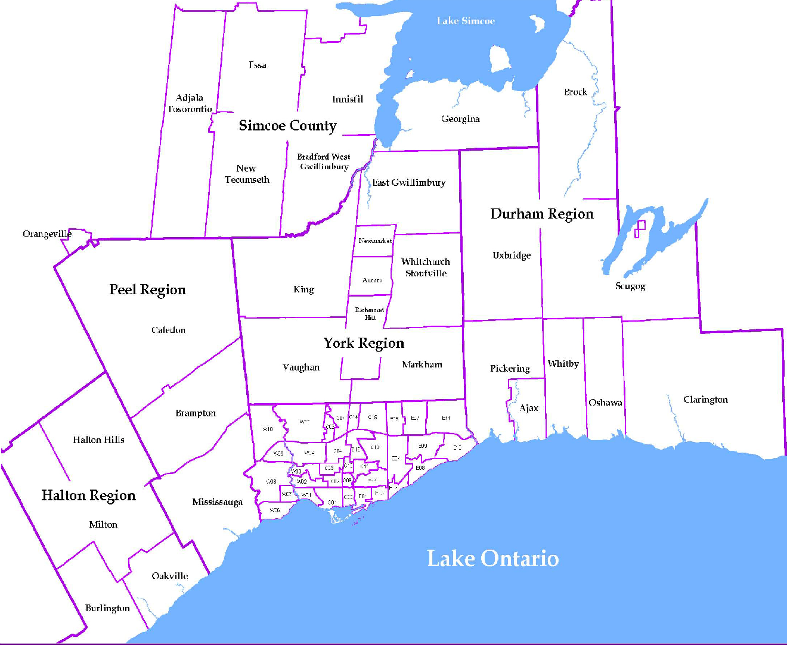
 |  |  |  |  |  |  |  |  |  | NOTES 1 - Refers to the total number of rental units that were available during the reporting period. 2 - Refers to firm lease transactions entered in the TorontoMLS system between the first and last day of the reporting period. 3 - Refers to the average lease rate for firm lease transactions entered in the TREB MLS® system between the first and last day of the reporting period. 4 - Statistics Canada, Quarter-over-quarter annualized growth rate. 5 - Statistics Canada, Year-over-year growth rate. 6 - Bank of Canada, rates for most recently completed month.
...
 |  |  |  |  |  | 15.3%
...
 |  |  |  |  |  |  | 1.4%
...
 |  |  |  |  |  |  |  |  |  |  |  |  |  |  |  |  |  | Rental Market Report, Second Quarter 2016 6
...

