Table 1
Rental Market Report
TREB Member Inquiries: (416) 443-8152 Media/Public Inquiries:
Second Quarter 2017 |  |  |  | (416) 443-8158
Economic Indicators Real GDP Quarterly Q1 2017 3.7% Toronto Employment Growth |  |  |  |  | Strong Growth in Average Rents in Q2 2017 TORONTO, ONTARIO, July 24, 2017 – Toronto Real Estate Board President Tim Syrianos announced the continuation of very tight conditions in the condominium apartment rental market in the second quarter of 2017. The number of rental transactions reported through TREB’s MLS® System remained in line with Q2 2016 levels, while the number of units listed at some point during the quarter declined year- over-year. Average annual rates of rent growth for one- and two-bedroom condominium apartments were over eight per cent. “The Greater Toronto Area continues to be a very attractive place to live for many people, some of whom choose to rent. While rental demand remained very strong from a historic perspective in the second quarter, the supply of available rental units remained constrained, and average rents continued to grow well-above current and expected future rates of inflation,” said Mr. Syrianos. “It is clear that we continue to suffer from a lack of available rental units. The Fair Housing Plan announced by the Government of Ontario committed to measures designed to increase housing supply. Conversely, the Fair Housing Plan also expanded rent controls, which could preclude investment in rental properties, thereby further constricting supply. With different policy components potentially at odds, it will be interesting to see the eventual impact of the Fair Housing Plan on the rental market in the GTA,” continued Mr. Syrianos. The average one-bedroom condominium apartment rent was up by 8.8 per cent year-over-year in the second quarter to $1,861 per month. The average two-bedroom rent was up by 8.7 per cent to $2,533. “Competition between would-be renters increased in the second quarter of this year relative to the same time period in 2016. This meant that average rents increased by much more than the rate of inflation. In addition, the annual pace of rent growth also increased compared to Q2 2016, reflecting the fac |  |  |  |  |  |  |  |  |  |  |  |  |  |  |  |  |  | Total TREB MLS® Apartment Rentals 1,3
June 2017 1.1% Toronto Unemployment Rate June 2017 6.7% Inflation Rate (Yr./Yr. CPI Growth) June 2017 1.0% Bank of Canada Overnight Rate June 2017 -- 0.5% Prime Rate June 2017 -- 2.7% Fixed 5-Year Mortgage Rate June 2017 -- 4.64% Sources: Statistics Canada; Bank of Canada |  |  |  |  |  |  |  |  |  |  |  |  |  |  |  |  |  |  |  |  |  |  |  | 8,553 |  |  | 8,560
 |  |  |  |  |  |  |  |  |  |  |  |  |  |  |  |  |  |  |  |  |  |  | Q2 Q2 2017 2016 TREB MLS® Avg. 1-Bdrm. Apt. Rent 1,3
Rental Market Summary: Second Quarter 2017 Apartments1,2,3
 |  |  |  |  |  |  |  |  |  |  |  |  |  |  |  |  |  |  |  |  |  |  |  | $1,861
 |  |  |  |  |  |  |  |  |  |  |  |  |  |  |  |  |  |  |  |  |  |  |  |  |  |  | $1,710
 | All Bedroom Types |  |  |  | Bachelor |  |  |  |  |  | One-Bedroom |  |  |  | Two-Bedroom |  |  |  | Three-Bedroom
 | Listed | Leased |  |  | Leased |  |  |  | Avg. Rent |  | Leased |  | Avg. Rent |  | Leased |  | Avg. Rent |  | Leased |  | Avg. Rent
Q2 2017 | 11,890 | 8,553 |  |  | 273 |  |  |  | $1,551 |  | 5,027 |  | $1,861 |  | 3,071 |  | $2,533 |  | 182 |  | $3,148
Q2 2016 | 12,276 | 8,560 |  |  | 277 |  |  |  | $1,425 |  | 4,953 |  | $1,710 |  | 3,138 |  | $2,331 |  | 192 |  | $3,046
2Y0r.1/Y72r. % Chg. | -3.1% | -0.1% |  |  | -1.4% |  |  |  | 8.8% |  | 1.5% |  | 8.8% 2 |  | -2.1% |  | 8.7% |  | 0 -5.2% 1 |  | 3.4%
Townhouses1,2,3
 | All Bedroom Types |  |  |  | Bachelor |  |  |  |  |  | One-Bedroom |  |  |  | Two-Bedroom |  |  |  | Three-Bedroom
 | Listed | Leased |  |  | Leased |  |  |  | Avg. Rent |  | Leased |  | Avg. Rent |  | Leased |  | Avg. Rent |  | Leased |  | Avg. Rent
Q2 2017 | 956 | 613 |  |  | 4 |  |  |  | $1,169 |  | 52 |  | $1,767 |  | 239 |  | $2,092 |  | 318 |  | $2,415
 |  |  |  |  |  |  |  |  |  |  |  |  |  |  |  |  |  |  |  |  |  |  | Q2 Q2 2017 2016
Q2 2016 | 939 | 570 |  |  | 2 |  |  |  | $1,350 |  | 54 |  | $1,558 |  | 226 |  | $1,903 |  | 288 |  | $2,194
2Y0r.1/7Y2r. % Chg. | 1.8% | 7.5% |  |  | 100.0% |  |  |  | -13.4% |  | -3.7% |  | 13.4% |  | 5.8% |  | 10.0% |  | 2 10.4% |  | 10.1%

SUMMARY OF RENTAL TRANSACTIONS APARTMENTS, SECOND QUARTER 2017 ALL TREB AREAS
 |  |  | All Apartments |  |  |  |  |  |  |  |  | Bachelor |  |  |  | One-Bedroom |  |  |  |  |  | Two-Bedroom |  |  |  | Three-Bedroom
 |  |  | Total Listed1 |  |  |  |  | Total Leased2 |  |  |  | Leased 2 |  | Avg. Lease Rate3 |  | Leased 2 |  |  |  | Avg. Lease Rate3 |  | Leased 2 |  |  | Avg. Lease Rate3 | Leased 2 |  | Avg. Lease Rate3
TREB Total |  |  | 11,890 |  |  |  |  | 8,553 |  |  |  | 273 |  | $1,551 |  | 5,027 |  |  |  | $1,861 |  | 3,071 |  |  | $2,533 | 182 |  | $3,148
Halton Region |  |  | 197 |  |  |  |  | 118 |  |  |  | 0 |  | - |  | 61 |  |  |  | $1,606 |  | 56 |  |  | $2,141 | 1 |  | $1,875
Burlington |  |  | 47 |  |  |  |  | 30 |  |  |  | 0 |  | - |  | 17 |  |  |  | $1,624 |  | 13 |  |  | $1,988 | 0 |  | -
Halton Hills |  |  | 2 |  |  |  |  | 0 |  |  |  | 0 |  | - |  | 0 |  |  |  | - |  | 0 |  |  | - | 0 |  | -
Milton |  |  | 19 |  |  |  |  | 15 |  |  |  | 0 |  | - |  | 7 |  |  |  | $1,505 |  | 8 |  |  | $1,791 | 0 |  | -
Oakville |  |  | 129 |  |  |  |  | 73 |  |  |  | 0 |  | - |  | 37 |  |  |  | $1,617 |  | 35 |  |  | $2,278 | 1 |  | $1,875
Peel Region |  |  | 1,042 |  |  |  |  | 754 |  |  |  | 10 |  | $1,394 |  | 368 |  |  |  | $1,678 |  | 350 |  |  | $2,042 | 26 |  | $2,287
Brampton |  |  | 35 |  |  |  |  | 28 |  |  |  | 0 |  | - |  | 13 |  |  |  | $1,471 |  | 13 |  |  | $1,796 | 2 |  | $1,750
Caledon |  |  | 0 |  |  |  |  | 0 |  |  |  | 0 |  | - |  | 0 |  |  |  | - |  | 0 |  |  | - | 0 |  | -
Mississauga |  |  | 1,007 |  |  |  |  | 726 |  |  |  | 10 |  | $1,394 |  | 355 |  |  |  | $1,685 |  | 337 |  |  | $2,051 | 24 |  | $2,331
City of Toronto |  |  | 9,521 |  |  |  |  | 6,870 |  |  |  | 262 |  | $1,558 |  | 4,110 |  |  |  | $1,910 |  | 2,357 |  |  | $2,677 | 141 |  | $3,387
Toronto West |  |  | 1,237 |  |  |  |  | 853 |  |  |  | 10 |  | $1,323 |  | 519 |  |  |  | $1,725 |  | 314 |  |  | $2,398 | 10 |  | $2,208
Toronto Central |  |  | 7,842 |  |  |  |  | 5,695 |  |  |  | 246 |  | $1,574 |  | 3,434 |  |  |  | $1,950 |  | 1,899 |  |  | $2,775 | 116 |  | $3,650
Toronto East |  |  | 442 |  |  |  |  | 322 |  |  |  | 6 |  | $1,292 |  | 157 |  |  |  | $1,636 |  | 144 |  |  | $1,985 | 15 |  | $2,136
York Region |  |  | 1,071 |  |  |  |  | 769 |  |  |  | 1 |  | $1,250 |  | 471 |  |  |  | $1,623 |  | 285 |  |  | $2,080 | 12 |  | $2,583
Aurora |  |  | 18 |  |  |  |  | 11 |  |  |  | 0 |  | - |  | 6 |  |  |  | $1,800 |  | 5 |  |  | $2,065 | 0 |  | -
E. Gwillimbury |  |  | 0 |  |  |  |  | 0 |  |  |  | 0 |  | - |  | 0 |  |  |  | - |  | 0 |  |  | - | 0 |  | -
Georgina |  |  | 0 |  |  |  |  | 0 |  |  |  | 0 |  | - |  | 0 |  |  |  | - |  | 0 |  |  | - | 0 |  | -
King |  |  | 1 |  |  |  |  | 0 |  |  |  | 0 |  | - |  | 0 |  |  |  | - |  | 0 |  |  | - | 0 |  | -
Markham |  |  | 521 |  |  |  |  | 375 |  |  |  | 1 |  | $1,250 |  | 237 |  |  |  | $1,597 |  | 132 |  |  | $2,046 | 5 |  | $2,330
Newmarket |  |  | 0 |  |  |  |  | 0 |  |  |  | 0 |  | - |  | 0 |  |  |  | - |  | 0 |  |  | - | 0 |  | -
Richmond Hill |  |  | 250 |  |  |  |  | 188 |  |  |  | 0 |  | - |  | 114 |  |  |  | $1,615 |  | 68 |  |  | $2,036 | 6 |  | $2,642
Vaughan |  |  | 280 |  |  |  |  | 194 |  |  |  | 0 |  | - |  | 114 |  |  |  | $1,675 |  | 79 |  |  | $2,170 | 1 |  | $3,500
Whitchurch-Stouffville |  |  | 1 |  |  |  |  | 1 |  |  |  | 0 |  | - |  | 0 |  |  |  | - |  | 1 |  |  | $2,500 | 0 |  | -
Durham Region |  |  | 58 |  |  |  |  | 41 |  |  |  | 0 |  | - |  | 16 |  |  |  | $1,603 |  | 23 |  |  | $1,817 | 2 |  | $1,575
Ajax |  |  | 3 |  |  |  |  | 1 |  |  |  | 0 |  | - |  | 0 |  |  |  | - |  | 1 |  |  | $2,200 | 0 |  | -
Brock |  |  | 0 |  |  |  |  | 0 |  |  |  | 0 |  | - |  | 0 |  |  |  | - |  | 0 |  |  | - | 0 |  | -
Clarington |  |  | 4 |  |  |  |  | 2 |  |  |  | 0 |  | - |  | 1 |  |  |  | $1,300 |  | 1 |  |  | $1,350 | 0 |  | -
Oshawa |  |  | 13 |  |  |  |  | 7 |  |  |  | 0 |  | - |  | 2 |  |  |  | $1,238 |  | 4 |  |  | $1,646 | 1 |  | $1,550
Pickering |  |  | 33 |  |  |  |  | 27 |  |  |  | 0 |  | - |  | 13 |  |  |  | $1,683 |  | 13 |  |  | $1,931 | 1 |  | $1,600
Scugog |  |  | 0 |  |  |  |  | 0 |  |  |  | 0 |  | - |  | 0 |  |  |  | - |  | 0 |  |  | - | 0 |  | -
Uxbridge |  |  | 1 |  |  |  |  | 1 |  |  |  | 0 |  | - |  | 0 |  |  |  | - |  | 1 |  |  | $1,300 | 0 |  | -
Whitby |  |  | 4 |  |  |  |  | 3 |  |  |  | 0 |  | - |  | 0 |  |  |  | - |  | 3 |  |  | $1,748 | 0 |  | -
Dufferin County |  |  | 0 |  |  |  |  | 0 |  |  |  | 0 |  | - |  | 0 |  |  |  | - |  | 0 |  |  | - | 0 |  | -
Orangeville |  |  | 0 |  |  |  |  | 0 |  |  |  | 0 |  | - |  | 0 |  |  |  | - |  | 0 |  |  | - | 0 |  | -
Simcoe County |  |  | 1 |  |  |  |  | 1 |  |  |  | 0 |  | - |  | 1 |  |  |  | $1,400 |  | 0 |  |  | - | 0 |  | -
Adjala-Tosorontio |  |  | 0 |  |  |  |  | 0 |  |  |  | 0 |  | - |  | 0 |  |  |  | - |  | 0 |  |  | - | 0 |  | -
Bradford West Gwillimbury |  |  | 1 |  |  |  |  | 1 |  |  |  | 0 |  | - |  | 1 |  |  |  | $1,400 |  | 0 |  |  | - | 0 |  | -
Essa |  |  | 0 |  |  |  |  | 0 |  |  |  | 0 |  | - |  | 0 |  |  |  | - |  | 0 |  |  | - | 0 |  | -
Innisfil |  |  | 0 |  |  |  |  | 0 |  |  |  | 0 |  | - |  | 0 |  |  |  | - |  | 0 |  |  | - | 0 |  | -
New Tecumseth |  |  | 0 |  |  |  |  | 0 |  |  |  | 0 |  | - |  | 0 |  |  |  | - |  | 0 |  |  | - | 0 |  | -
SUMMARY OF RENTAL TRANSACTIONS APARTMENTS, SECOND QUARTER 2017 CITY OF TORONTO MUNICIPAL BREAKDOWN
 |  |  | All Apartments |  |  |  |  |  |  |  |  | Bachelor |  |  |  | One-Bedroom |  |  |  |  |  | Two-Bedroom |  |  |  | Three-Bedroom
 |  |  | Total Listed 1 |  |  |  |  | Total Leased 2 |  |  |  | Leased 2 |  | Avg. Lease Rate3 |  | Leased 2 |  |  |  | Avg. Lease Rate3 |  | Leased 2 |  |  | Avg. Lease Rate3 | Leased2 |  | Avg. Lease Rate3
TREB Total |  |  | 11,890 |  |  |  |  | 8,553 |  |  |  | 273 |  | $1,551 |  | 5,027 |  |  |  | $1,861 |  | 3,071 |  |  | $2,533 | 182 |  | $3,148
City of Toronto Total |  |  | 9,521 |  |  |  |  | 6,870 |  |  |  | 262 |  | $1,558 |  | 4,110 |  |  |  | $1,910 |  | 2,357 |  |  | $2,677 | 141 |  | $3,387
Toronto West |  |  | 1,237 |  |  |  |  | 853 |  |  |  | 10 |  | $1,323 |  | 519 |  |  |  | $1,725 |  | 314 |  |  | $2,398 | 10 |  | $2,208
Toronto W01 |  |  | 94 |  |  |  |  | 61 |  |  |  | 0 |  | - |  | 36 |  |  |  | $1,814 |  | 24 |  |  | $2,499 | 1 |  | $3,000
Toronto W02 |  |  | 161 |  |  |  |  | 108 |  |  |  | 3 |  | $1,410 |  | 79 |  |  |  | $1,683 |  | 25 |  |  | $2,571 | 1 |  | $2,550
Toronto W03 |  |  | 3 |  |  |  |  | 2 |  |  |  | 0 |  | - |  | 1 |  |  |  | $1,400 |  | 1 |  |  | $2,250 | 0 |  | -
Toronto W04 |  |  | 60 |  |  |  |  | 47 |  |  |  | 1 |  | $1,000 |  | 31 |  |  |  | $1,596 |  | 13 |  |  | $2,017 | 2 |  | $2,600
Toronto W05 |  |  | 39 |  |  |  |  | 27 |  |  |  | 1 |  | $1,200 |  | 21 |  |  |  | $1,545 |  | 4 |  |  | $1,848 | 1 |  | $1,400
Toronto W06 |  |  | 605 |  |  |  |  | 412 |  |  |  | 5 |  | $1,360 |  | 239 |  |  |  | $1,777 |  | 166 |  |  | $2,531 | 2 |  | $2,550
Toronto W07 |  |  | 5 |  |  |  |  | 2 |  |  |  | 0 |  | - |  | 1 |  |  |  | $1,700 |  | 1 |  |  | $2,050 | 0 |  | -
Toronto W08 |  |  | 191 |  |  |  |  | 148 |  |  |  | 0 |  | - |  | 83 |  |  |  | $1,721 |  | 63 |  |  | $2,213 | 2 |  | $2,125
Toronto W09 |  |  | 9 |  |  |  |  | 8 |  |  |  | 0 |  | - |  | 1 |  |  |  | $1,900 |  | 7 |  |  | $1,957 | 0 |  | -
Toronto W10 |  |  | 70 |  |  |  |  | 38 |  |  |  | 0 |  | - |  | 27 |  |  |  | $1,571 |  | 10 |  |  | $1,750 | 1 |  | $575
Toronto Central |  |  | 7,842 |  |  |  |  | 5,695 |  |  |  | 246 |  | $1,574 |  | 3,434 |  |  |  | $1,950 |  | 1,899 |  |  | $2,775 | 116 |  | $3,650
Toronto C01 |  |  | 3,791 |  |  |  |  | 2,748 |  |  |  | 164 |  | $1,591 |  | 1,699 |  |  |  | $2,030 |  | 827 |  |  | $2,983 | 58 |  | $4,088
Toronto C02 |  |  | 376 |  |  |  |  | 230 |  |  |  | 13 |  | $1,585 |  | 131 |  |  |  | $2,060 |  | 84 |  |  | $3,749 | 2 |  | $5,275
Toronto C03 |  |  | 117 |  |  |  |  | 67 |  |  |  | 2 |  | $1,538 |  | 34 |  |  |  | $1,831 |  | 31 |  |  | $2,562 | 0 |  | -
Toronto C04 |  |  | 45 |  |  |  |  | 31 |  |  |  | 2 |  | $1,340 |  | 12 |  |  |  | $1,683 |  | 16 |  |  | $2,987 | 1 |  | $2,250
Toronto C06 |  |  | 44 |  |  |  |  | 35 |  |  |  | 0 |  | - |  | 18 |  |  |  | $1,674 |  | 17 |  |  | $2,045 | 0 |  | -
Toronto C07 |  |  | 373 |  |  |  |  | 280 |  |  |  | 0 |  | - |  | 137 |  |  |  | $1,837 |  | 127 |  |  | $2,427 | 16 |  | $2,757
Toronto C08 |  |  | 1,201 |  |  |  |  | 882 |  |  |  | 49 |  | $1,575 |  | 575 |  |  |  | $1,997 |  | 254 |  |  | $2,794 | 4 |  | $4,861
Toronto C09 |  |  | 65 |  |  |  |  | 41 |  |  |  | 0 |  | - |  | 18 |  |  |  | $2,138 |  | 21 |  |  | $2,746 | 2 |  | $5,325
Toronto C10 |  |  | 369 |  |  |  |  | 293 |  |  |  | 3 |  | $1,550 |  | 182 |  |  |  | $1,893 |  | 105 |  |  | $2,687 | 3 |  | $3,667
Toronto C11 |  |  | 76 |  |  |  |  | 53 |  |  |  | 0 |  | - |  | 29 |  |  |  | $1,567 |  | 21 |  |  | $2,132 | 3 |  | $2,073
Toronto C12 |  |  | 31 |  |  |  |  | 21 |  |  |  | 0 |  | - |  | 12 |  |  |  | $2,108 |  | 8 |  |  | $2,966 | 1 |  | $2,900
Toronto C13 |  |  | 119 |  |  |  |  | 72 |  |  |  | 1 |  | $1,400 |  | 39 |  |  |  | $1,657 |  | 30 |  |  | $2,122 | 2 |  | $2,925
...
 |  |  |  |  |  |  |  | 6 |  |  |  | 0 |  | - |  | 0 |  |  |  | - |  | 4 |  |  | $2,500
 |  |  |  |  |  |  |  | 1 |  |  |  | 0 |  | - |  | 0 |  |  |  | - |  | 0 |  |  | -
 |  |  |  |  |  |  |  | 2 |  |  |  | 0 |  | - |  | 0 |  |  |  | - |  | 2 |  |  | $1,700
 |  |  |  |  |  |  |  | 9 |  |  |  | 0 |  | - |  | 0 |  |  |  | - |  | 1 |  |  | $1,995
 |  |  |  |  |  |  |  | 0 |  |  |  | 0 |  | - |  | 0 |  |  |  | - |  | 0 |  |  | -
 |  |  |  |  |  |  |  | 4 |  |  |  | 0 |  | - |  | 0 |  |  |  | - |  | 0 |  |  | -
 |  |  |  |  |  |  |  | 2 |  |  |  | 0 |  | - |  | 0 |  |  |  | - |  | 0 |  |  | -
 |  |  |  |  |  |  |  | 1 |  |  |  | 0 |  | - |  | 0 |  |  |  | - |  | 1 |  |  | $1,800
 |  |  |  |  |  |  |  | 2 |  |  |  | 0 |  | - |  | 0 |  |  |  | - |  | 0 |  |  | -
 |  |  |  |  |  |  |  | 0 |  |  |  | 0 |  | - |  | 0 |  |  |  | - |  | 0 |  |  | -
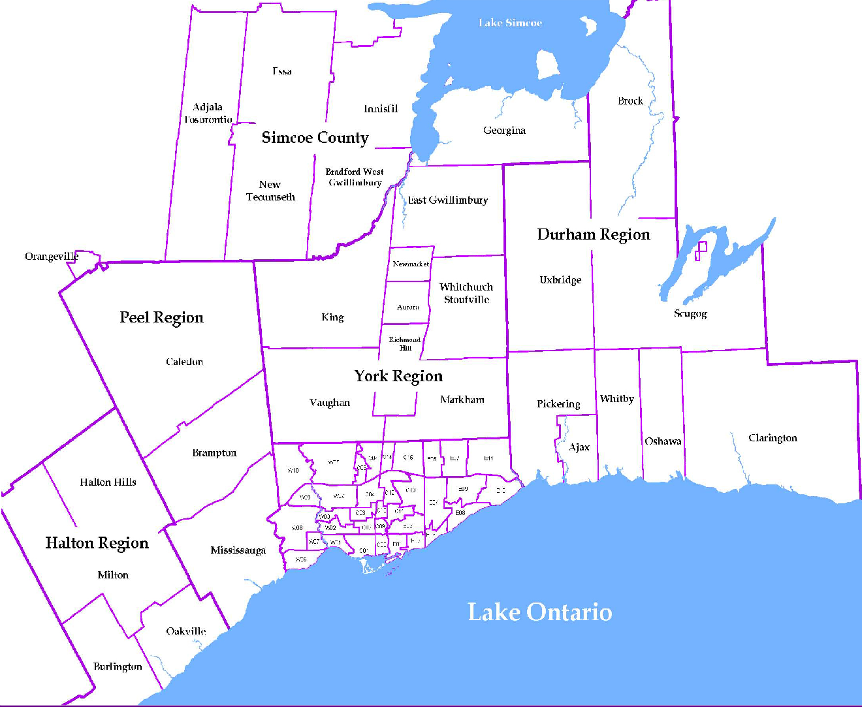
 |  |  |  |  |  |  |  |  |  | NOTES 1 - Refers to the total number of rental units that were available during the reporting period. 2 - Refers to firm lease transactions entered in the TorontoMLS system between the first and last day of the reporting period. 3 - Refers to the average lease rate for firm lease transactions entered in the TREB MLS® system between the first and last day of the reporting period. 4 - Statistics Canada, Quarter-over-quarter annualized growth rate. 5 - Statistics Canada, Year-over-year growth rate. 6 - Bank of Canada, rates for most recently completed month.
...
 |  |  |  |  |  | 17.2%
...
 |  |  |  |  |  |  | 0.4%
...
 |  |  |  |  |  |  |  |  |  |  |  |  |  |  |  |  |  | Rental Market Report, Second Quarter 2017 6
...

