Table 1
Rental Market Report
TREB Member Inquiries: (416) 443-8152 Media/Public Inquiries:
Second Quarter 2018 |  |  |  | (416) 443-8158
Economic Indicators Real GDP Quarterly Q1 2018 1.3% Toronto Employment Growth |  |  |  |  | Strong Condo Rent Growth Continued in Q2 2018 TORONTO, ONTARIO, July 17, 2018 – Toronto Real Estate Board President Garry Bhaura announced that Greater Toronto Area REALTORS® continued to report strong average rent increases for GTA condominium apartments rented through TREB’s MLS® System in the second quarter of 2018 relative to Q2 2017. “The demand for condominium apartment rentals remained strong compared to the number of units available for rent. Current market conditions point to the fact that renters have little choice when it comes to finding a place to live. Governments need to look at ways to increase the supply of rental accommodation, both in terms of purpose-built rental properties and individual investor-held units. This would go a long way to easing the pace of rent growth in the GTA,” said Mr. Bhaura. The average one-bedroom condominium apartment rent increased by 10.4 per cent on a year- over-year basis to $2,055 in Q2 2018. The number of one-bedroom condominium apartments rented through TREB’s MLS® System amounted to 4,879 – a 2.9 per cent decrease compared to Q2 2017. The average two-bedroom condominium apartment rent increased by 8.8 per cent on a year-over- year basis to $2,755 in Q2 2018. The number of two-bedroom condominium apartments rented through TREB’s MLS® System amounted to 3,104 – a 1.2 per cent increase compared to Q2 2017. “Recent government policy changes, including rent controls, have not alleviated the strong upward pressure on monthly rents for available condominium apartments in the GTA. New, investor-held condominium apartments entering the market have not been enough to provide the needed balance in the condo rental market. As a result, the strong competition between renters continues to sustain double-digit or near-double-digit annual average rent increases,” said Jason Mercer, TREB’s Director of Market Analysis. |  |  |  |  |  |  |  |  |  |  |  |  |  |  |  |  |  | Total TREB MLS® Apartment Rentals 1,3
June 2018 2.3% Toronto Unemployment Rate June 2018 6.3% Inflation Rate (Yr./Yr. CPI Growth) May 2018 -- 2.2% Bank of Canada Overnight Rate June 2018 -- 1.3% Prime Rate June 2018 -- 3.5% Fixed 5-Year Mortgage Rate June 2018 -- 5.34% Sources: Statistics Canada; Bank of Canada |  |  |  |  |  |  |  |  |  |  |  |  |  |  |  |  |  |  |  |  |  |  |  | 8,497 |  |  | 8,545
 |  |  |  |  |  |  |  |  |  |  |  |  |  |  |  |  |  |  |  |  |  |  | Q2 Q2 2018 2017 TREB MLS® Avg. 1-Bdrm. Apt. Rent 1,3
Rental Market Summary: Second Quarter 2018 Apartments1,2,3
 |  |  |  |  |  |  |  |  |  |  |  |  |  |  |  |  |  |  |  |  |  |  |  | $2,055
 | All Bedroom Types |  |  |  | Bachelor |  |  |  |  |  | One-Bedroom |  |  |  | Two-Bedroom |  |  |  | Three-Bedroom |  |  |  |  |  |  |  | $1,861
 | Listed | Leased |  |  | Leased |  |  |  | Avg. Rent |  | Leased |  | Avg. Rent |  | Leased |  | Avg. Rent |  | Leased |  | Avg. Rent
Q2 2018 | 11,963 | 8,497 |  |  | 331 |  |  |  | $1,716 |  | 4,879 |  | $2,055 |  | 3,104 |  | $2,755 |  | 183 |  | $3,469
Q2 2017 | 11,843 | 8,545 |  |  | 272 |  |  |  | $1,551 |  | 5,023 |  | $1,861 |  | 3,068 |  | $2,533 |  | 182 |  | $3,148
2Y0r.1/Y82r. % Chg. | 1.0% | -0.6% |  |  | 21.7% |  |  |  | 10.6% |  | -2.9% |  | 10.4% |  | 0 1.2% |  | 8.8% 9 |  | 0.5% 5 |  | 10.2%
Townhouses1,2,3
 | All Bedroom Types |  |  |  | Bachelor |  |  |  |  |  | One-Bedroom |  |  |  | Two-Bedroom |  |  |  | Three-Bedroom
 | Listed | Leased |  |  | Leased |  |  |  | Avg. Rent |  | Leased |  | Avg. Rent |  | Leased |  | Avg. Rent |  | Leased |  | Avg. Rent
Q2 2018 | 985 | 665 |  |  | 3 |  |  |  | $1,650 |  | 45 |  | $1,907 |  | 287 |  | $2,186 |  | 330 |  | $2,462
 |  |  |  |  |  |  |  |  |  |  |  |  |  |  |  |  |  |  |  |  |  |  | Q2 Q2 2018 2017
Q2 2017 | 952 | 613 |  |  | 4 |  |  |  | $1,169 |  | 52 |  | $1,767 |  | 239 |  | $2,092 |  | 318 |  | $2,415
2Y0r.1/8Y2r. % Chg. | 3.5% | 8.5% |  |  | -25.0% |  |  |  | 41.2% |  | -13.5% |  | 7.9% |  | 20.1% |  | 4.5% |  | 2 3.8% |  | 1.9%

SUMMARY OF RENTAL TRANSACTIONS APARTMENTS, SECOND QUARTER 2018 ALL TREB AREAS
 |  |  | All Apartments |  |  |  |  |  |  |  |  | Bachelor |  |  |  | One-Bedroom |  |  |  |  |  | Two-Bedroom |  |  |  | Three-Bedroom
 |  |  | Total Listed1 |  |  |  |  | Total Leased2 |  |  |  | Leased 2 |  | Avg. Lease Rate3 |  | Leased 2 |  |  |  | Avg. Lease Rate3 |  | Leased 2 |  |  | Avg. Lease Rate3 | Leased 2 |  | Avg. Lease Rate3
TREB Total |  |  | 11,963 |  |  |  |  | 8,497 |  |  |  | 331 |  | $1,716 |  | 4,879 |  |  |  | $2,055 |  | 3,104 |  |  | $2,755 | 183 |  | $3,469
Halton Region |  |  | 261 |  |  |  |  | 183 |  |  |  | 2 |  | $1,400 |  | 90 |  |  |  | $1,737 |  | 85 |  |  | $2,158 | 6 |  | $2,725
Burlington |  |  | 52 |  |  |  |  | 36 |  |  |  | 0 |  | - |  | 14 |  |  |  | $1,725 |  | 22 |  |  | $2,126 | 0 |  | -
Halton Hills |  |  | 1 |  |  |  |  | 1 |  |  |  | 0 |  | - |  | 0 |  |  |  | - |  | 1 |  |  | $1,950 | 0 |  | -
Milton |  |  | 25 |  |  |  |  | 19 |  |  |  | 0 |  | - |  | 9 |  |  |  | $1,554 |  | 10 |  |  | $1,830 | 0 |  | -
Oakville |  |  | 183 |  |  |  |  | 127 |  |  |  | 2 |  | $1,400 |  | 67 |  |  |  | $1,765 |  | 52 |  |  | $2,239 | 6 |  | $2,725
Peel Region |  |  | 890 |  |  |  |  | 686 |  |  |  | 7 |  | $1,486 |  | 319 |  |  |  | $1,880 |  | 334 |  |  | $2,271 | 26 |  | $2,614
Brampton |  |  | 53 |  |  |  |  | 39 |  |  |  | 2 |  | $1,450 |  | 13 |  |  |  | $1,637 |  | 20 |  |  | $1,961 | 4 |  | $1,919
Caledon |  |  | 0 |  |  |  |  | 0 |  |  |  | 0 |  | - |  | 0 |  |  |  | - |  | 0 |  |  | - | 0 |  | -
Mississauga |  |  | 837 |  |  |  |  | 647 |  |  |  | 5 |  | $1,500 |  | 306 |  |  |  | $1,890 |  | 314 |  |  | $2,290 | 22 |  | $2,741
City of Toronto |  |  | 9,487 |  |  |  |  | 6,721 |  |  |  | 319 |  | $1,726 |  | 3,922 |  |  |  | $2,119 |  | 2,347 |  |  | $2,930 | 133 |  | $3,795
Toronto West |  |  | 1,157 |  |  |  |  | 770 |  |  |  | 8 |  | $1,469 |  | 455 |  |  |  | $1,905 |  | 288 |  |  | $2,593 | 19 |  | $2,737
Toronto Central |  |  | 7,811 |  |  |  |  | 5,571 |  |  |  | 304 |  | $1,743 |  | 3,289 |  |  |  | $2,165 |  | 1,884 |  |  | $3,050 | 94 |  | $4,267
Toronto East |  |  | 519 |  |  |  |  | 380 |  |  |  | 7 |  | $1,278 |  | 178 |  |  |  | $1,829 |  | 175 |  |  | $2,183 | 20 |  | $2,582
York Region |  |  | 1,262 |  |  |  |  | 875 |  |  |  | 3 |  | $1,400 |  | 533 |  |  |  | $1,747 |  | 322 |  |  | $2,189 | 17 |  | $2,591
Aurora |  |  | 18 |  |  |  |  | 11 |  |  |  | 0 |  | - |  | 6 |  |  |  | $1,814 |  | 5 |  |  | $2,160 | 0 |  | -
E. Gwillimbury |  |  | 0 |  |  |  |  | 0 |  |  |  | 0 |  | - |  | 0 |  |  |  | - |  | 0 |  |  | - | 0 |  | -
Georgina |  |  | 0 |  |  |  |  | 0 |  |  |  | 0 |  | - |  | 0 |  |  |  | - |  | 0 |  |  | - | 0 |  | -
King |  |  | 1 |  |  |  |  | 1 |  |  |  | 0 |  | - |  | 0 |  |  |  | - |  | 1 |  |  | $2,000 | 0 |  | -
Markham |  |  | 600 |  |  |  |  | 436 |  |  |  | 3 |  | $1,400 |  | 288 |  |  |  | $1,719 |  | 138 |  |  | $2,151 | 7 |  | $2,696
Newmarket |  |  | 6 |  |  |  |  | 6 |  |  |  | 0 |  | - |  | 4 |  |  |  | $1,675 |  | 2 |  |  | $1,738 | 0 |  | -
Richmond Hill |  |  | 278 |  |  |  |  | 157 |  |  |  | 0 |  | - |  | 85 |  |  |  | $1,747 |  | 65 |  |  | $2,212 | 7 |  | $2,482
Vaughan |  |  | 355 |  |  |  |  | 262 |  |  |  | 0 |  | - |  | 149 |  |  |  | $1,802 |  | 110 |  |  | $2,239 | 3 |  | $2,600
Whitchurch-Stouffville |  |  | 4 |  |  |  |  | 2 |  |  |  | 0 |  | - |  | 1 |  |  |  | $1,400 |  | 1 |  |  | $1,800 | 0 |  | -
Durham Region |  |  | 51 |  |  |  |  | 31 |  |  |  | 0 |  | - |  | 15 |  |  |  | $1,663 |  | 15 |  |  | $1,828 | 1 |  | $1,800
Ajax |  |  | 5 |  |  |  |  | 5 |  |  |  | 0 |  | - |  | 2 |  |  |  | $1,575 |  | 3 |  |  | $1,850 | 0 |  | -
Brock |  |  | 0 |  |  |  |  | 0 |  |  |  | 0 |  | - |  | 0 |  |  |  | - |  | 0 |  |  | - | 0 |  | -
Clarington |  |  | 9 |  |  |  |  | 6 |  |  |  | 0 |  | - |  | 3 |  |  |  | $1,333 |  | 3 |  |  | $1,525 | 0 |  | -
Oshawa |  |  | 11 |  |  |  |  | 4 |  |  |  | 0 |  | - |  | 1 |  |  |  | $1,400 |  | 3 |  |  | $1,767 | 0 |  | -
Pickering |  |  | 18 |  |  |  |  | 10 |  |  |  | 0 |  | - |  | 5 |  |  |  | $1,860 |  | 4 |  |  | $1,988 | 1 |  | $1,800
Scugog |  |  | 0 |  |  |  |  | 0 |  |  |  | 0 |  | - |  | 0 |  |  |  | - |  | 0 |  |  | - | 0 |  | -
Uxbridge |  |  | 1 |  |  |  |  | 1 |  |  |  | 0 |  | - |  | 0 |  |  |  | - |  | 1 |  |  | $1,850 | 0 |  | -
Whitby |  |  | 7 |  |  |  |  | 5 |  |  |  | 0 |  | - |  | 4 |  |  |  | $1,775 |  | 1 |  |  | $2,200 | 0 |  | -
Dufferin County |  |  | 1 |  |  |  |  | 0 |  |  |  | 0 |  | - |  | 0 |  |  |  | - |  | 0 |  |  | - | 0 |  | -
Orangeville |  |  | 1 |  |  |  |  | 0 |  |  |  | 0 |  | - |  | 0 |  |  |  | - |  | 0 |  |  | - | 0 |  | -
Simcoe County |  |  | 11 |  |  |  |  | 1 |  |  |  | 0 |  | - |  | 0 |  |  |  | - |  | 1 |  |  | $2,000 | 0 |  | -
Adjala-Tosorontio |  |  | 0 |  |  |  |  | 0 |  |  |  | 0 |  | - |  | 0 |  |  |  | - |  | 0 |  |  | - | 0 |  | -
Bradford West Gwillimbury |  |  | 0 |  |  |  |  | 0 |  |  |  | 0 |  | - |  | 0 |  |  |  | - |  | 0 |  |  | - | 0 |  | -
Essa |  |  | 0 |  |  |  |  | 0 |  |  |  | 0 |  | - |  | 0 |  |  |  | - |  | 0 |  |  | - | 0 |  | -
Innisfil |  |  | 10 |  |  |  |  | 1 |  |  |  | 0 |  | - |  | 0 |  |  |  | - |  | 1 |  |  | $2,000 | 0 |  | -
New Tecumseth |  |  | 1 |  |  |  |  | 0 |  |  |  | 0 |  | - |  | 0 |  |  |  | - |  | 0 |  |  | - | 0 |  | -
SUMMARY OF RENTAL TRANSACTIONS APARTMENTS, SECOND QUARTER 2018 CITY OF TORONTO MUNICIPAL BREAKDOWN
 |  |  | All Apartments |  |  |  |  |  |  |  |  | Bachelor |  |  |  | One-Bedroom |  |  |  |  |  | Two-Bedroom |  |  |  | Three-Bedroom
 |  |  | Total Listed 1 |  |  |  |  | Total Leased 2 |  |  |  | Leased 2 |  | Avg. Lease Rate3 |  | Leased 2 |  |  |  | Avg. Lease Rate3 |  | Leased 2 |  |  | Avg. Lease Rate3 | Leased2 |  | Avg. Lease Rate3
TREB Total |  |  | 11,963 |  |  |  |  | 8,497 |  |  |  | 331 |  | $1,716 |  | 4,879 |  |  |  | $2,055 |  | 3,104 |  |  | $2,755 | 183 |  | $3,469
City of Toronto Total |  |  | 9,487 |  |  |  |  | 6,721 |  |  |  | 319 |  | $1,726 |  | 3,922 |  |  |  | $2,119 |  | 2,347 |  |  | $2,930 | 133 |  | $3,795
Toronto West |  |  | 1,157 |  |  |  |  | 770 |  |  |  | 8 |  | $1,469 |  | 455 |  |  |  | $1,905 |  | 288 |  |  | $2,593 | 19 |  | $2,737
Toronto W01 |  |  | 76 |  |  |  |  | 51 |  |  |  | 2 |  | $1,350 |  | 30 |  |  |  | $2,030 |  | 17 |  |  | $2,938 | 2 |  | $4,250
Toronto W02 |  |  | 52 |  |  |  |  | 39 |  |  |  | 1 |  | $1,650 |  | 24 |  |  |  | $1,983 |  | 11 |  |  | $2,655 | 3 |  | $3,367
Toronto W03 |  |  | 5 |  |  |  |  | 2 |  |  |  | 0 |  | - |  | 2 |  |  |  | $2,000 |  | 0 |  |  | - | 0 |  | -
Toronto W04 |  |  | 69 |  |  |  |  | 36 |  |  |  | 0 |  | - |  | 22 |  |  |  | $1,786 |  | 13 |  |  | $2,185 | 1 |  | $1,750
Toronto W05 |  |  | 72 |  |  |  |  | 56 |  |  |  | 1 |  | $1,325 |  | 38 |  |  |  | $1,802 |  | 13 |  |  | $2,321 | 4 |  | $2,150
Toronto W06 |  |  | 499 |  |  |  |  | 318 |  |  |  | 4 |  | $1,520 |  | 172 |  |  |  | $1,964 |  | 141 |  |  | $2,769 | 1 |  | $3,850
Toronto W07 |  |  | 4 |  |  |  |  | 3 |  |  |  | 0 |  | - |  | 2 |  |  |  | $1,748 |  | 1 |  |  | $2,500 | 0 |  | -
Toronto W08 |  |  | 324 |  |  |  |  | 229 |  |  |  | 0 |  | - |  | 149 |  |  |  | $1,862 |  | 75 |  |  | $2,434 | 5 |  | $2,500
Toronto W09 |  |  | 12 |  |  |  |  | 7 |  |  |  | 0 |  | - |  | 1 |  |  |  | $1,750 |  | 3 |  |  | $2,100 | 3 |  | $2,233
Toronto W10 |  |  | 44 |  |  |  |  | 29 |  |  |  | 0 |  | - |  | 15 |  |  |  | $1,722 |  | 14 |  |  | $1,955 | 0 |  | -
Toronto Central |  |  | 7,811 |  |  |  |  | 5,571 |  |  |  | 304 |  | $1,743 |  | 3,289 |  |  |  | $2,165 |  | 1,884 |  |  | $3,050 | 94 |  | $4,267
Toronto C01 |  |  | 3,486 |  |  |  |  | 2,534 |  |  |  | 168 |  | $1,780 |  | 1,534 |  |  |  | $2,248 |  | 782 |  |  | $3,239 | 50 |  | $4,298
Toronto C02 |  |  | 330 |  |  |  |  | 181 |  |  |  | 12 |  | $1,781 |  | 105 |  |  |  | $2,390 |  | 59 |  |  | $4,345 | 5 |  | $11,530
Toronto C03 |  |  | 84 |  |  |  |  | 61 |  |  |  | 9 |  | $1,441 |  | 23 |  |  |  | $2,020 |  | 29 |  |  | $2,793 | 0 |  | -
Toronto C04 |  |  | 42 |  |  |  |  | 29 |  |  |  | 1 |  | $1,500 |  | 12 |  |  |  | $2,414 |  | 12 |  |  | $3,070 | 4 |  | $3,550
Toronto C06 |  |  | 51 |  |  |  |  | 37 |  |  |  | 0 |  | - |  | 22 |  |  |  | $1,842 |  | 15 |  |  | $2,199 | 0 |  | -
Toronto C07 |  |  | 402 |  |  |  |  | 290 |  |  |  | 1 |  | $1,550 |  | 132 |  |  |  | $2,021 |  | 144 |  |  | $2,594 | 13 |  | $2,853
Toronto C08 |  |  | 1,466 |  |  |  |  | 1,058 |  |  |  | 84 |  | $1,751 |  | 636 |  |  |  | $2,232 |  | 332 |  |  | $3,203 | 6 |  | $5,283
Toronto C09 |  |  | 67 |  |  |  |  | 46 |  |  |  | 0 |  | - |  | 17 |  |  |  | $2,330 |  | 27 |  |  | $3,319 | 2 |  | $3,575
Toronto C10 |  |  | 378 |  |  |  |  | 272 |  |  |  | 8 |  | $1,681 |  | 177 |  |  |  | $2,089 |  | 87 |  |  | $3,206 | 0 |  | -
Toronto C11 |  |  | 86 |  |  |  |  | 56 |  |  |  | 0 |  | - |  | 31 |  |  |  | $1,760 |  | 22 |  |  | $2,345 | 3 |  | $2,000
Toronto C12 |  |  | 37 |  |  |  |  | 23 |  |  |  | 0 |  | - |  | 10 |  |  |  | $2,177 |  | 13 |  |  | $3,669 | 0 |  | -
Toronto C13 |  |  | 120 |  |  |  |  | 92 |  |  |  | 3 |  | $1,733 |  | 46 |  |  |  | $1,843 |  | 40 |  |  | $2,280 | 3 |  | $2,915
...
 |  |  |  |  |  |  |  | 4 |  |  |  | 0 |  | - |  | 0 |  |  |  | - |  | 3 |  |  | $2,475
 |  |  |  |  |  |  |  | 0 |  |  |  | 0 |  | - |  | 0 |  |  |  | - |  | 0 |  |  | -
 |  |  |  |  |  |  |  | 5 |  |  |  | 0 |  | - |  | 0 |  |  |  | - |  | 0 |  |  | -
 |  |  |  |  |  |  |  | 11 |  |  |  | 0 |  | - |  | 0 |  |  |  | - |  | 0 |  |  | -
 |  |  |  |  |  |  |  | 0 |  |  |  | 0 |  | - |  | 0 |  |  |  | - |  | 0 |  |  | -
 |  |  |  |  |  |  |  | 4 |  |  |  | 0 |  | - |  | 0 |  |  |  | - |  | 0 |  |  | -
 |  |  |  |  |  |  |  | 0 |  |  |  | 0 |  | - |  | 0 |  |  |  | - |  | 0 |  |  | -
 |  |  |  |  |  |  |  | 4 |  |  |  | 0 |  | - |  | 0 |  |  |  | - |  | 2 |  |  | $2,000
 |  |  |  |  |  |  |  | 7 |  |  |  | 0 |  | - |  | 0 |  |  |  | - |  | 1 |  |  | $1,850
 |  |  |  |  |  |  |  | 8 |  |  |  | 0 |  | - |  | 0 |  |  |  | - |  | 5 |  |  | $1,626
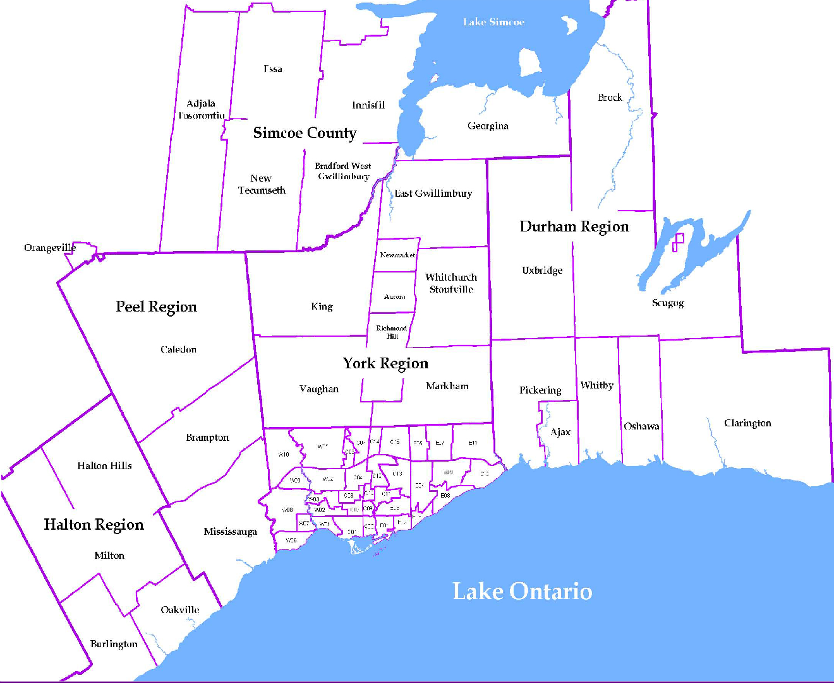
 |  |  |  |  |  |  |  |  |  | NOTES 1 - Refers to the total number of rental units that were available during the reporting period. 2 - Refers to firm lease transactions entered in the TorontoMLS system between the first and last day of the reporting period. 3 - Refers to the average lease rate for firm lease transactions entered in the TREB MLS® system between the first and last day of the reporting period. 4 - Statistics Canada, Quarter-over-quarter annualized growth rate. 5 - Statistics Canada, Year-over-year growth rate. 6 - Bank of Canada, rates for most recently completed month.
...
 |  |  |  |  |  | 21.6%
...
 |  |  |  |  |  |  | 0.3%
...
 |  |  |  |  |  |  |  |  |  |  |  |  |  |  |  |  |  | Rental Market Report, Second Quarter 2018 6
...

