Table 1
Rental Market Report
TREB Member Inquiries: (416) 443-8152 Media/Public Inquiries:
Second Quarter 2019 |  |  |  | (416) 443-8158
Economic Indicators Real GDP Quarterly Q1 2019 -- 0.4% Toronto Employment Growth |  |  |  |  | TREB Releases Q2 2019 Condo Rental Market Stats TORONTO, July 4, 2019- Toronto Real Estate Board President Michael Collins announced that Greater Toronto Area REALTORS® reported 9,749 condominium apartment rental transactions through TREB’s MLS® System in the second quarter of 2019. This result was up by 14.9 per cent compared to Q2 2018. The number of condominium apartments that were listed at some point during the second quarter of 2019 was also up on a year-over-year basis by 28.8 percent, nearly doubling the annual growth rate for rental transactions, suggesting that the rental market became better supplied over the past year. “The GTA population continues to trend upward, as the region attracts people from around the world, both on a permanent and temporary basis, to take advantage of a diversity of employment opportunities. Many of these new comers and existing GTA households choose to rent. With this in mind, it makes sense that we continue to see strong year-over-year increases in the number of condominium apartments rented,” said Mr. Collins. The average Q2 2019 one-bedroom condominium apartment rent for the GTA as a whole was $2,192, up 6.7 percent compared to Q2 2018. Over the same period, the average two-bedroom condominium apartment rent increased by 4.3 per cent to $2,873. “While the rental market remains tight, renters do appear to be benefitting from more supply in the marketplace. The pace of year-over-year average rent growth has slowed over the past year. That being said, average condo rents continued to increase well-above the rate of inflation in the second quarter. This suggests that new rental supply, in terms of both purpose-built rental units and investor-owned condominium apartments, is still required in the GTA to keep up with population growth and new household formation,” said Jason Mercer, TREB’s Chief Market Analyst. |  |  |  |  |  |  |  |  |  |  |  |  |  |  |  |  | Total TREB MLS® Apartment Rentals 1,3
 |  |  |  |  |  |  |  |  |  |  |  |  |  |  |  |  |  |  |  |  |  |  | 9,749
May 2019 3.8% Toronto Unemployment Rate May 2019 6.3% Inflation Rate (Yr./Yr. CPI Growth) May 2019 2.4% Bank of Canada Overnight Rate June 2019 -- 1.8% Prime Rate June 2019 -- 4.0% Fixed 5-Year Mortgage Rate June 2019 -- 5.34% Sources: Statistics Canada; Bank of Canada |  |  |  |  |  |  |  |  |  |  |  |  |  |  |  |  |  |  |  |  |  |  |  |  |  | 8,483
 |  |  |  |  |  |  |  |  |  |  |  |  |  |  |  |  |  |  |  |  |  | Q2 Q2 2019 2018 TREB MLS® Avg. 1-Bdrm. Apt. Rent 1,3
Rental Market Summary: Second Quarter 2019 Apartments1,2,3
 |  |  |  |  |  |  |  |  |  |  |  |  |  |  |  |  |  |  |  |  |  |  | $2,192
 |  |  |  |  |  |  |  |  |  |  |  |  |  |  |  |  |  |  |  |  |  |  |  |  |  | $2,055
 | All Bedroom Types |  |  |  | Bachelor |  |  |  |  | One-Bedroom |  |  |  | Two-Bedroom |  |  |  | Three-Bedroom
 | Listed | Leased |  |  | Leased |  |  | Avg. Rent |  | Leased |  | Avg. Rent |  | Leased |  | Avg. Rent |  | Leased |  | Avg. Rent
Q2 2019 | 15,337 | 9,749 |  |  | 412 |  |  | $1,824 |  | 5,656 |  | $2,192 |  | 3,412 |  | $2,873 |  | 269 |  | $3,586
Q2 2018 | 11,907 | 8,483 |  |  | 331 |  |  | $1,716 |  | 4,875 |  | $2,055 |  | 3,094 |  | $2,755 |  | 183 |  | $3,469
2Y0r.1/Y92r. % Chg. | 28.8% | 14.9% |  |  | 24.5% |  |  | 6.3% |  | 16.0% |  | 1 6.7% |  | 2 10.3% |  | 4.3% 5 |  | 47.0% 9 |  | 3.4%
Townhouses1,2,3
 | All Bedroom Types |  |  |  | Bachelor |  |  |  |  | One-Bedroom |  |  |  | Two-Bedroom |  |  |  | Three-Bedroom
 | Listed | Leased |  |  | Leased |  |  | Avg. Rent |  | Leased |  | Avg. Rent |  | Leased |  | Avg. Rent |  | Leased |  | Avg. Rent
Q2 2019 | 1,074 | 685 |  |  | 2 |  |  | $1,845 |  | 66 |  | $1,951 |  | 312 |  | $2,451 |  | 305 |  | $2,778
 |  |  |  |  |  |  |  |  |  |  |  |  |  |  |  |  |  |  |  |  |  | Q2 Q2 2019 2018
Q2 2018 | 983 | 664 |  |  | 3 |  |  | $1,650 |  | 45 |  | $1,907 |  | 287 |  | $2,186 |  | 329 |  | $2,455
2Y0r.1/9Y2r. % Chg. | 9.3% | 3.2% |  |  | -33.3% |  |  | 11.8% |  | 46.7% |  | 2.3% |  | 8.7% |  | 12.1% |  | 7 -7.3% |  | 13.1%

SUMMARY OF RENTAL TRANSACTIONS APARTMENTS, SECOND QUARTER 2019 ALL TREB AREAS
 |  |  | All Apartments |  |  |  |  |  |  |  | Bachelor |  |  |  | One-Bedroom |  |  |  |  |  | Two-Bedroom |  |  |  | Three-Bedroom
 |  |  | Total Listed1 |  |  |  | Total Leased2 |  |  |  | Leased 2 |  | Avg. Lease Rate3 |  | Leased 2 |  |  |  | Avg. Lease Rate3 |  | Leased 2 |  |  | Avg. Lease Rate3 | Leased 2 |  | Avg. Lease Rate3
TREB Total |  |  | 15,337 |  |  |  | 9,749 |  |  |  | 412 |  | $1,824 |  | 5,656 |  |  |  | $2,192 |  | 3,412 |  |  | $2,873 | 269 |  | $3,586
Halton Region |  |  | 182 |  |  |  | 134 |  |  |  | 2 |  | $1,850 |  | 60 |  |  |  | $1,920 |  | 69 |  |  | $2,407 | 3 |  | $2,408
Burlington |  |  | 35 |  |  |  | 20 |  |  |  | 0 |  | - |  | 9 |  |  |  | $1,758 |  | 11 |  |  | $2,408 | 0 |  | -
Halton Hills |  |  | 1 |  |  |  | 1 |  |  |  | 0 |  | - |  | 0 |  |  |  | - |  | 1 |  |  | $3,000 | 0 |  | -
Milton |  |  | 22 |  |  |  | 21 |  |  |  | 1 |  | $2,100 |  | 6 |  |  |  | $1,817 |  | 13 |  |  | $2,037 | 1 |  | $2,275
Oakville |  |  | 124 |  |  |  | 92 |  |  |  | 1 |  | $1,600 |  | 45 |  |  |  | $1,966 |  | 44 |  |  | $2,502 | 2 |  | $2,475
Peel Region |  |  | 1,168 |  |  |  | 828 |  |  |  | 10 |  | $1,733 |  | 404 |  |  |  | $2,093 |  | 369 |  |  | $2,518 | 45 |  | $2,932
Brampton |  |  | 34 |  |  |  | 29 |  |  |  | 1 |  | $1,600 |  | 15 |  |  |  | $1,853 |  | 12 |  |  | $2,129 | 1 |  | $2,300
Caledon |  |  | 0 |  |  |  | 0 |  |  |  | 0 |  | - |  | 0 |  |  |  | - |  | 0 |  |  | - | 0 |  | -
Mississauga |  |  | 1,134 |  |  |  | 799 |  |  |  | 9 |  | $1,747 |  | 389 |  |  |  | $2,102 |  | 357 |  |  | $2,531 | 44 |  | $2,946
City of Toronto |  |  | 12,893 |  |  |  | 8,030 |  |  |  | 400 |  | $1,826 |  | 4,758 |  |  |  | $2,228 |  | 2,670 |  |  | $2,989 | 202 |  | $3,832
Toronto West |  |  | 1,369 |  |  |  | 889 |  |  |  | 12 |  | $1,698 |  | 523 |  |  |  | $2,074 |  | 326 |  |  | $2,630 | 28 |  | $2,955
Toronto Central |  |  | 10,831 |  |  |  | 6,705 |  |  |  | 382 |  | $1,833 |  | 4,019 |  |  |  | $2,260 |  | 2,149 |  |  | $3,099 | 155 |  | $4,133
Toronto East |  |  | 693 |  |  |  | 436 |  |  |  | 6 |  | $1,657 |  | 216 |  |  |  | $2,003 |  | 195 |  |  | $2,374 | 19 |  | $2,676
York Region |  |  | 993 |  |  |  | 705 |  |  |  | 0 |  | - |  | 416 |  |  |  | $1,926 |  | 273 |  |  | $2,444 | 16 |  | $2,835
Aurora |  |  | 10 |  |  |  | 7 |  |  |  | 0 |  | - |  | 3 |  |  |  | $1,817 |  | 4 |  |  | $2,388 | 0 |  | -
E. Gwillimbury |  |  | 0 |  |  |  | 0 |  |  |  | 0 |  | - |  | 0 |  |  |  | - |  | 0 |  |  | - | 0 |  | -
Georgina |  |  | 0 |  |  |  | 0 |  |  |  | 0 |  | - |  | 0 |  |  |  | - |  | 0 |  |  | - | 0 |  | -
King |  |  | 4 |  |  |  | 2 |  |  |  | 0 |  | - |  | 0 |  |  |  | - |  | 2 |  |  | $2,175 | 0 |  | -
Markham |  |  | 508 |  |  |  | 368 |  |  |  | 0 |  | - |  | 226 |  |  |  | $1,915 |  | 130 |  |  | $2,450 | 12 |  | $2,753
Newmarket |  |  | 4 |  |  |  | 2 |  |  |  | 0 |  | - |  | 2 |  |  |  | $2,025 |  | 0 |  |  | - | 0 |  | -
Richmond Hill |  |  | 243 |  |  |  | 168 |  |  |  | 0 |  | - |  | 99 |  |  |  | $1,914 |  | 67 |  |  | $2,426 | 2 |  | $2,625
Vaughan |  |  | 221 |  |  |  | 156 |  |  |  | 0 |  | - |  | 85 |  |  |  | $1,976 |  | 69 |  |  | $2,469 | 2 |  | $3,540
Whitchurch-Stouffville |  |  | 3 |  |  |  | 2 |  |  |  | 0 |  | - |  | 1 |  |  |  | $1,700 |  | 1 |  |  | $1,950 | 0 |  | -
Durham Region |  |  | 74 |  |  |  | 40 |  |  |  | 0 |  | - |  | 16 |  |  |  | $1,741 |  | 21 |  |  | $1,906 | 3 |  | $2,032
Ajax |  |  | 7 |  |  |  | 4 |  |  |  | 0 |  | - |  | 1 |  |  |  | $1,650 |  | 2 |  |  | $1,775 | 1 |  | $2,395
Brock |  |  | 0 |  |  |  | 0 |  |  |  | 0 |  | - |  | 0 |  |  |  | - |  | 0 |  |  | - | 0 |  | -
Clarington |  |  | 14 |  |  |  | 13 |  |  |  | 0 |  | - |  | 5 |  |  |  | $1,440 |  | 8 |  |  | $1,806 | 0 |  | -
Oshawa |  |  | 27 |  |  |  | 4 |  |  |  | 0 |  | - |  | 0 |  |  |  | - |  | 3 |  |  | $1,558 | 1 |  | $1,900
Pickering |  |  | 22 |  |  |  | 16 |  |  |  | 0 |  | - |  | 9 |  |  |  | $1,834 |  | 6 |  |  | $2,191 | 1 |  | $1,800
Scugog |  |  | 0 |  |  |  | 0 |  |  |  | 0 |  | - |  | 0 |  |  |  | - |  | 0 |  |  | - | 0 |  | -
Uxbridge |  |  | 0 |  |  |  | 0 |  |  |  | 0 |  | - |  | 0 |  |  |  | - |  | 0 |  |  | - | 0 |  | -
Whitby |  |  | 4 |  |  |  | 3 |  |  |  | 0 |  | - |  | 1 |  |  |  | $2,500 |  | 2 |  |  | $2,100 | 0 |  | -
Dufferin County |  |  | 2 |  |  |  | 2 |  |  |  | 0 |  | - |  | 0 |  |  |  | - |  | 2 |  |  | $2,200 | 0 |  | -
Orangeville |  |  | 2 |  |  |  | 2 |  |  |  | 0 |  | - |  | 0 |  |  |  | - |  | 2 |  |  | $2,200 | 0 |  | -
Simcoe County |  |  | 25 |  |  |  | 10 |  |  |  | 0 |  | - |  | 2 |  |  |  | $1,700 |  | 8 |  |  | $2,066 | 0 |  | -
Adjala-Tosorontio |  |  | 0 |  |  |  | 0 |  |  |  | 0 |  | - |  | 0 |  |  |  | - |  | 0 |  |  | - | 0 |  | -
Bradford West Gwillimbury |  |  | 0 |  |  |  | 0 |  |  |  | 0 |  | - |  | 0 |  |  |  | - |  | 0 |  |  | - | 0 |  | -
Essa |  |  | 0 |  |  |  | 0 |  |  |  | 0 |  | - |  | 0 |  |  |  | - |  | 0 |  |  | - | 0 |  | -
Innisfil |  |  | 21 |  |  |  | 7 |  |  |  | 0 |  | - |  | 2 |  |  |  | $1,700 |  | 5 |  |  | $2,235 | 0 |  | -
New Tecumseth |  |  | 4 |  |  |  | 3 |  |  |  | 0 |  | - |  | 0 |  |  |  | - |  | 3 |  |  | $1,783 | 0 |  | -
SUMMARY OF RENTAL TRANSACTIONS APARTMENTS, SECOND QUARTER 2019 CITY OF TORONTO MUNICIPAL BREAKDOWN
 |  |  | All Apartments |  |  |  |  |  |  |  | Bachelor |  |  |  | One-Bedroom |  |  |  |  |  | Two-Bedroom |  |  |  | Three-Bedroom
 |  |  | Total Listed 1 |  |  |  | Total Leased 2 |  |  |  | Leased 2 |  | Avg. Lease Rate3 |  | Leased 2 |  |  |  | Avg. Lease Rate3 |  | Leased 2 |  |  | Avg. Lease Rate3 | Leased2 |  | Avg. Lease Rate3
TREB Total |  |  | 15,337 |  |  |  | 9,749 |  |  |  | 412 |  | $1,824 |  | 5,656 |  |  |  | $2,192 |  | 3,412 |  |  | $2,873 | 269 |  | $3,586
City of Toronto Total |  |  | 12,893 |  |  |  | 8,030 |  |  |  | 400 |  | $1,826 |  | 4,758 |  |  |  | $2,228 |  | 2,670 |  |  | $2,989 | 202 |  | $3,832
Toronto West |  |  | 1,369 |  |  |  | 889 |  |  |  | 12 |  | $1,698 |  | 523 |  |  |  | $2,074 |  | 326 |  |  | $2,630 | 28 |  | $2,955
Toronto W01 |  |  | 103 |  |  |  | 63 |  |  |  | 3 |  | $1,800 |  | 40 |  |  |  | $2,170 |  | 17 |  |  | $2,816 | 3 |  | $3,500
Toronto W02 |  |  | 103 |  |  |  | 60 |  |  |  | 2 |  | $1,750 |  | 36 |  |  |  | $2,235 |  | 21 |  |  | $2,745 | 1 |  | $2,850
Toronto W03 |  |  | 9 |  |  |  | 7 |  |  |  | 0 |  | - |  | 0 |  |  |  | - |  | 4 |  |  | $2,531 | 3 |  | $2,667
Toronto W04 |  |  | 151 |  |  |  | 111 |  |  |  | 2 |  | $1,763 |  | 56 |  |  |  | $1,874 |  | 45 |  |  | $2,353 | 8 |  | $2,525
Toronto W05 |  |  | 55 |  |  |  | 43 |  |  |  | 3 |  | $1,467 |  | 27 |  |  |  | $1,939 |  | 13 |  |  | $2,408 | 0 |  | -
Toronto W06 |  |  | 612 |  |  |  | 367 |  |  |  | 1 |  | $1,750 |  | 232 |  |  |  | $2,119 |  | 131 |  |  | $2,786 | 3 |  | $4,200
Toronto W07 |  |  | 14 |  |  |  | 11 |  |  |  | 0 |  | - |  | 5 |  |  |  | $2,090 |  | 4 |  |  | $2,571 | 2 |  | $3,675
Toronto W08 |  |  | 262 |  |  |  | 186 |  |  |  | 1 |  | $1,800 |  | 108 |  |  |  | $2,054 |  | 71 |  |  | $2,599 | 6 |  | $2,700
Toronto W09 |  |  | 20 |  |  |  | 10 |  |  |  | 0 |  | - |  | 3 |  |  |  | $1,800 |  | 5 |  |  | $2,370 | 2 |  | $2,518
Toronto W10 |  |  | 40 |  |  |  | 31 |  |  |  | 0 |  | - |  | 16 |  |  |  | $1,929 |  | 15 |  |  | $2,209 | 0 |  | -
Toronto Central |  |  | 10,831 |  |  |  | 6,705 |  |  |  | 382 |  | $1,833 |  | 4,019 |  |  |  | $2,260 |  | 2,149 |  |  | $3,099 | 155 |  | $4,133
Toronto C01 |  |  | 4,517 |  |  |  | 2,768 |  |  |  | 204 |  | $1,865 |  | 1,723 |  |  |  | $2,359 |  | 771 |  |  | $3,363 | 70 |  | $4,888
Toronto C02 |  |  | 392 |  |  |  | 189 |  |  |  | 12 |  | $1,833 |  | 99 |  |  |  | $2,514 |  | 77 |  |  | $4,474 | 1 |  | $9,200
Toronto C03 |  |  | 180 |  |  |  | 121 |  |  |  | 2 |  | $1,548 |  | 74 |  |  |  | $2,103 |  | 44 |  |  | $2,776 | 1 |  | $4,250
Toronto C04 |  |  | 68 |  |  |  | 41 |  |  |  | 0 |  | - |  | 17 |  |  |  | $2,461 |  | 20 |  |  | $3,010 | 4 |  | $2,988
Toronto C06 |  |  | 51 |  |  |  | 32 |  |  |  | 0 |  | - |  | 18 |  |  |  | $1,969 |  | 14 |  |  | $2,378 | 0 |  | -
Toronto C07 |  |  | 557 |  |  |  | 370 |  |  |  | 1 |  | $2,250 |  | 178 |  |  |  | $2,169 |  | 177 |  |  | $2,680 | 14 |  | $2,904
Toronto C08 |  |  | 2,323 |  |  |  | 1,439 |  |  |  | 114 |  | $1,832 |  | 837 |  |  |  | $2,275 |  | 472 |  |  | $3,075 | 16 |  | $3,883
Toronto C09 |  |  | 89 |  |  |  | 55 |  |  |  | 0 |  | - |  | 19 |  |  |  | $2,426 |  | 30 |  |  | $3,547 | 6 |  | $5,779
Toronto C10 |  |  | 684 |  |  |  | 477 |  |  |  | 26 |  | $1,674 |  | 333 |  |  |  | $2,125 |  | 116 |  |  | $2,967 | 2 |  | $3,150
...
 |  |  |  |  |  |  | 2 |  |  |  | 0 |  | - |  | 0 |  |  |  | - |  | 1 |  |  | $2,990
 |  |  |  |  |  |  | 0 |  |  |  | 0 |  | - |  | 0 |  |  |  | - |  | 0 |  |  | -
 |  |  |  |  |  |  | 5 |  |  |  | 0 |  | - |  | 0 |  |  |  | - |  | 4 |  |  | $2,125
 |  |  |  |  |  |  | 6 |  |  |  | 0 |  | - |  | 0 |  |  |  | - |  | 0 |  |  | -
 |  |  |  |  |  |  | 2 |  |  |  | 0 |  | - |  | 0 |  |  |  | - |  | 1 |  |  | $2,300
 |  |  |  |  |  |  | 4 |  |  |  | 0 |  | - |  | 0 |  |  |  | - |  | 0 |  |  | -
 |  |  |  |  |  |  | 0 |  |  |  | 0 |  | - |  | 0 |  |  |  | - |  | 0 |  |  | -
 |  |  |  |  |  |  | 4 |  |  |  | 0 |  | - |  | 1 |  |  |  | $2,000 |  | 3 |  |  | $2,183
 |  |  |  |  |  |  | 2 |  |  |  | 0 |  | - |  | 0 |  |  |  | - |  | 1 |  |  | $1,950
 |  |  |  |  |  |  | 6 |  |  |  | 0 |  | - |  | 1 |  |  |  | $1,900 |  | 3 |  |  | $1,933
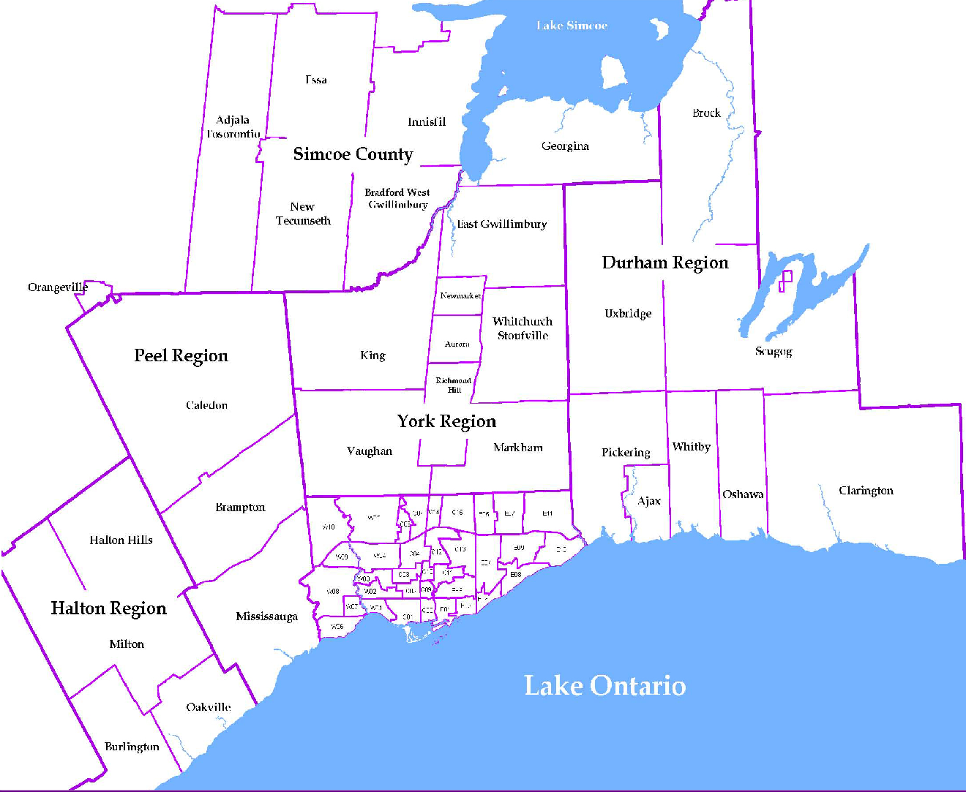
 |  |  |  |  |  |  |  |  | NOTES 1 - Refers to the total number of rental units that were available during the reporting period. 2 - Refers to firm lease transactions entered in the TorontoMLS system between the first and last day of the reporting period. 3 - Refers to the average lease rate for firm lease transactions entered in the TREB MLS® system between the first and last day of the reporting period. 4 - Statistics Canada, Quarter-over-quarter annualized growth rate. 5 - Statistics Canada, Year-over-year growth rate. 6 - Bank of Canada, rates for most recently completed month.
...
 |  |  |  |  |  | 17.8%
...
 |  |  |  |  |  |  |  |  |  |  |  |  |  |  |  |  | Rental Market Report, Second Quarter 2019 6
...

