Table 1
Rental Market Report
TREB Member Inquiries: (416) 443-8152 Media/Public Inquiries:
Third Quarter 2015 |  |  | (416) 443-8158
Economic Indicators Real GDP Quarterly Q2 2015 (0.5%) Toronto Employment Growth |  |  |  | Rental Transactions and Average Rents Up in Q3 TORONTO, October 16, 2015 – Toronto Real Estate Board President Mark McLean announced that there were 9,635 condominium apartment rental transactions reported through TREB’s MLS® System in the third quarter of 2015. This result represented a 22.6 per cent increase compared to Q3 2014. The annual increase in rentals was slightly greater than the annual increase in the number of units listed for rent. One-bedroom and two-bedroom units accounted for almost 95 per cent of condominium apartment rentals. The number of one-bedroom apartments rented was up by 24.7 per cent compared to Q3 2014. The number of two-bedroom apartment rentals was up by 18 per cent. “Investor-owned condominium apartments remained a very popular option in the third quarter and, indeed, over the past year as well. Strong growth in rental listings were matched by strong growth rental transactions. This tells us that there are a lot of households looking to rent in the Greater Toronto Area and that many of these renters are choosing units in recently completed condominium apartment projects,” said Mr. McLean. Average rents for one-bedroom and two-bedroom condominium apartments were up year- over-year by 1.9 per cent and 2.2 per cent respectively to $1,657 and $2,241 per month. These rates of growth outpaced the annual rate of inflation in the third quarter. “There was enough competition between renters in the third quarter to prompt moderate growth in average rents. Furthermore, rental market conditions through the first three quarters of 2015 suggest that condo rental vacancy rates have remained low from a historic perspective. With this in mind, it is reasonable to assume that positive average rent growth will be sustained through the end of the year and into 2016,” said Jason Mercer, TREB’s Director of Market Analysis. |  |  |  |  |  |  |  |  |  |  |  |  |  |  |  |  |  | Total TREB MLS® Apartment Rentals 1,3
 |  |  |  |  |  |  |  |  |  |  |  |  |  |  |  |  |  |  |  |  |  |  | 9,635
September 2015 5.1% Toronto Unemployment Rate September 2015 6.9% Inflation Rate (Yr./Yr. CPI Growth) August 2015 1.3% Bank of Canada Overnight Rate September 2015 -- 0.5% Prime Rate September 2015 -- 2.7% Fixed 5-Year Mortgage Rate September 2015 -- 4.64% Sources: Statistics Canada; Bank of Canada
 |  |  |  |  |  |  |  |  |  |  |  |  |  |  |  |  |  |  |  |  |  |  |  |  |  | 7,859
 |  |  |  |  |  |  |  |  |  |  |  |  |  |  |  |  |  |  |  |  |  | Q3 Q3 2015 2014 TREB MLS® Avg. 1-Bdrm. Apt. Rent 1,3
Rental Market Summary: Third Quarter 2015 Apartments1,2,3
 |  |  |  |  |  |  |  |  |  |  |  |  |  |  |  |  |  |  |  |  |  |  | $1,657 |  |  | $1,626
 | All Bedroom Types |  |  | Bachelor |  |  |  |  |  | One-Bedroom |  |  |  | Two-Bedroom |  |  |  | Three-Bedroom
 | Listed | Leased |  | Leased |  |  |  | Avg. Rent |  | Leased |  | Avg. Rent |  | Leased |  | Avg. Rent |  | Leased |  | Avg. Rent
Q3 2015 | 14,673 | 9,635 |  | 324 |  |  |  | $1,375 |  | 5,488 |  | $1,657 |  | 3,614 |  | $2,241 |  | 209 |  | $2,693
Q3 2014 | 12,108 | 7,859 |  | 230 |  |  |  | $1,379 |  | 4,401 |  | $1,626 |  | 3,064 |  | $2,193 |  | 164 |  | $2,722
2Y0r.1/Y53r. % Chg. | 21.2% | 22.6% |  | 40.9% |  |  |  | -0.3% |  | 24.7% |  | 2 1.9% |  | 6 18.0% |  | 2.2% 4 |  | 27.4% 4 |  | -1.1%
Townhouses1,2,3
 | All Bedroom Types |  |  | Bachelor |  |  |  |  |  | One-Bedroom |  |  |  | Two-Bedroom |  |  |  | Three-Bedroom
 | Listed | Leased |  | Leased |  |  |  | Avg. Rent |  | Leased |  | Avg. Rent |  | Leased |  | Avg. Rent |  | Leased |  | Avg. Rent
Q3 2015 | 1,034 | 578 |  | 3 |  |  |  | $1,292 |  | 65 |  | $1,478 |  | 175 |  | $1,869 |  | 335 |  | $2,066
 |  |  |  |  |  |  |  |  |  |  |  |  |  |  |  |  |  |  |  |  |  | Q3 Q3 2015 2014
Q3 2014 | 953 | 481 |  | 2 |  |  |  | $1,275 |  | 42 |  | $1,424 |  | 168 |  | $1,808 |  | 269 |  | $2,066
2Y0r.1/5Y3r. % Chg. | 8.5% | 20.2% |  | 50.0% |  |  |  | 1.3% |  | 54.8% |  | 3.8% |  | 4.2% |  | 3.4% |  | 7 24.5% |  | 0.0%

SUMMARY OF RENTAL TRANSACTIONS APARTMENTS, THIRD QUARTER 2015 ALL TREB AREAS
 |  |  | All Apartments |  |  |  |  |  |  |  | Bachelor |  |  |  | One-Bedroom |  |  |  |  |  | Two-Bedroom |  |  |  | Three-Bedroom
 |  |  | Total Listed1 |  |  |  | Total Leased2 |  |  |  | Leased 2 |  | Avg. Lease Rate3 |  | Leased 2 |  |  |  | Avg. Lease Rate3 |  | Leased 2 |  |  | Avg. Lease Rate3 | Leased 2 |  | Avg. Lease Rate3
TREB Total |  |  | 14,673 |  |  |  | 9,635 |  |  |  | 324 |  | $1,375 |  | 5,488 |  |  |  | $1,657 |  | 3,614 |  |  | $2,241 | 209 |  | $2,693
Halton Region |  |  | 152 |  |  |  | 91 |  |  |  | 0 |  | - |  | 40 |  |  |  | $1,484 |  | 50 |  |  | $2,057 | 1 |  | $1,800
Burlington |  |  | 32 |  |  |  | 23 |  |  |  | 0 |  | - |  | 13 |  |  |  | $1,403 |  | 9 |  |  | $1,794 | 1 |  | $1,800
Halton Hills |  |  | 1 |  |  |  | 1 |  |  |  | 0 |  | - |  | 0 |  |  |  | - |  | 1 |  |  | $1,400 | 0 |  | -
Milton |  |  | 11 |  |  |  | 10 |  |  |  | 0 |  | - |  | 5 |  |  |  | $1,388 |  | 5 |  |  | $1,580 | 0 |  | -
Oakville |  |  | 108 |  |  |  | 57 |  |  |  | 0 |  | - |  | 22 |  |  |  | $1,554 |  | 35 |  |  | $2,211 | 0 |  | -
Peel Region |  |  | 1,187 |  |  |  | 854 |  |  |  | 11 |  | $1,244 |  | 355 |  |  |  | $1,499 |  | 457 |  |  | $1,842 | 31 |  | $2,109
Brampton |  |  | 42 |  |  |  | 26 |  |  |  | 0 |  | - |  | 6 |  |  |  | $1,149 |  | 16 |  |  | $1,533 | 4 |  | $1,711
Caledon |  |  | 0 |  |  |  | 0 |  |  |  | 0 |  | - |  | 0 |  |  |  | - |  | 0 |  |  | - | 0 |  | -
Mississauga |  |  | 1,145 |  |  |  | 828 |  |  |  | 11 |  | $1,244 |  | 349 |  |  |  | $1,505 |  | 441 |  |  | $1,854 | 27 |  | $2,168
City of Toronto |  |  | 12,071 |  |  |  | 7,863 |  |  |  | 310 |  | $1,382 |  | 4,602 |  |  |  | $1,693 |  | 2,795 |  |  | $2,349 | 156 |  | $2,906
Toronto West |  |  | 1,565 |  |  |  | 948 |  |  |  | 5 |  | $1,122 |  | 547 |  |  |  | $1,512 |  | 383 |  |  | $1,957 | 13 |  | $2,619
Toronto Central |  |  | 9,813 |  |  |  | 6,465 |  |  |  | 299 |  | $1,392 |  | 3,828 |  |  |  | $1,734 |  | 2,210 |  |  | $2,474 | 128 |  | $3,027
Toronto East |  |  | 693 |  |  |  | 450 |  |  |  | 6 |  | $1,122 |  | 227 |  |  |  | $1,434 |  | 202 |  |  | $1,730 | 15 |  | $2,125
York Region |  |  | 1,232 |  |  |  | 804 |  |  |  | 3 |  | $1,117 |  | 473 |  |  |  | $1,454 |  | 309 |  |  | $1,887 | 19 |  | $2,065
Aurora |  |  | 5 |  |  |  | 3 |  |  |  | 0 |  | - |  | 1 |  |  |  | $1,600 |  | 2 |  |  | $2,070 | 0 |  | -
E. Gwillimbury |  |  | 0 |  |  |  | 0 |  |  |  | 0 |  | - |  | 0 |  |  |  | - |  | 0 |  |  | - | 0 |  | -
Georgina |  |  | 0 |  |  |  | 0 |  |  |  | 0 |  | - |  | 0 |  |  |  | - |  | 0 |  |  | - | 0 |  | -
King |  |  | 11 |  |  |  | 7 |  |  |  | 0 |  | - |  | 1 |  |  |  | $1,425 |  | 6 |  |  | $1,875 | 0 |  | -
Markham |  |  | 701 |  |  |  | 471 |  |  |  | 2 |  | $1,175 |  | 298 |  |  |  | $1,441 |  | 158 |  |  | $1,840 | 13 |  | $1,980
Newmarket |  |  | 3 |  |  |  | 2 |  |  |  | 0 |  | - |  | 0 |  |  |  | - |  | 2 |  |  | $1,838 | 0 |  | -
Richmond Hill |  |  | 232 |  |  |  | 161 |  |  |  | 1 |  | $1,000 |  | 92 |  |  |  | $1,427 |  | 65 |  |  | $1,922 | 3 |  | $2,233
Vaughan |  |  | 279 |  |  |  | 160 |  |  |  | 0 |  | - |  | 81 |  |  |  | $1,528 |  | 76 |  |  | $1,952 | 3 |  | $2,265
Whitchurch-Stouffville |  |  | 1 |  |  |  | 0 |  |  |  | 0 |  | - |  | 0 |  |  |  | - |  | 0 |  |  | - | 0 |  | -
Durham Region |  |  | 29 |  |  |  | 21 |  |  |  | 0 |  | - |  | 17 |  |  |  | $1,403 |  | 2 |  |  | $1,665 | 2 |  | $1,500
Ajax |  |  | 1 |  |  |  | 1 |  |  |  | 0 |  | - |  | 0 |  |  |  | - |  | 1 |  |  | $1,550 | 0 |  | -
Brock |  |  | 0 |  |  |  | 0 |  |  |  | 0 |  | - |  | 0 |  |  |  | - |  | 0 |  |  | - | 0 |  | -
Clarington |  |  | 4 |  |  |  | 2 |  |  |  | 0 |  | - |  | 2 |  |  |  | $1,200 |  | 0 |  |  | - | 0 |  | -
Oshawa |  |  | 2 |  |  |  | 2 |  |  |  | 0 |  | - |  | 2 |  |  |  | $1,115 |  | 0 |  |  | - | 0 |  | -
Pickering |  |  | 16 |  |  |  | 12 |  |  |  | 0 |  | - |  | 10 |  |  |  | $1,490 |  | 1 |  |  | $1,780 | 1 |  | $1,500
Scugog |  |  | 0 |  |  |  | 0 |  |  |  | 0 |  | - |  | 0 |  |  |  | - |  | 0 |  |  | - | 0 |  | -
Uxbridge |  |  | 0 |  |  |  | 0 |  |  |  | 0 |  | - |  | 0 |  |  |  | - |  | 0 |  |  | - | 0 |  | -
Whitby |  |  | 6 |  |  |  | 4 |  |  |  | 0 |  | - |  | 3 |  |  |  | $1,442 |  | 0 |  |  | - | 1 |  | $1,500
Dufferin County |  |  | 1 |  |  |  | 1 |  |  |  | 0 |  | - |  | 0 |  |  |  | - |  | 1 |  |  | $1,300 | 0 |  | -
Orangeville |  |  | 1 |  |  |  | 1 |  |  |  | 0 |  | - |  | 0 |  |  |  | - |  | 1 |  |  | $1,300 | 0 |  | -
Simcoe County |  |  | 1 |  |  |  | 1 |  |  |  | 0 |  | - |  | 1 |  |  |  | $1,300 |  | 0 |  |  | - | 0 |  | -
Adjala-Tosorontio |  |  | 0 |  |  |  | 0 |  |  |  | 0 |  | - |  | 0 |  |  |  | - |  | 0 |  |  | - | 0 |  | -
Bradford West Gwillimbury |  |  | 0 |  |  |  | 0 |  |  |  | 0 |  | - |  | 0 |  |  |  | - |  | 0 |  |  | - | 0 |  | -
Essa |  |  | 0 |  |  |  | 0 |  |  |  | 0 |  | - |  | 0 |  |  |  | - |  | 0 |  |  | - | 0 |  | -
Innisfil |  |  | 0 |  |  |  | 0 |  |  |  | 0 |  | - |  | 0 |  |  |  | - |  | 0 |  |  | - | 0 |  | -
New Tecumseth |  |  | 1 |  |  |  | 1 |  |  |  | 0 |  | - |  | 1 |  |  |  | $1,300 |  | 0 |  |  | - | 0 |  | -
SUMMARY OF RENTAL TRANSACTIONS APARTMENTS, THIRD QUARTER 2015 CITY OF TORONTO MUNICIPAL BREAKDOWN
 |  |  | All Apartments |  |  |  |  |  |  |  | Bachelor |  |  |  | One-Bedroom |  |  |  |  |  | Two-Bedroom |  |  |  | Three-Bedroom
 |  |  | Total Listed 1 |  |  |  | Total Leased 2 |  |  |  | Leased 2 |  | Avg. Lease Rate3 |  | Leased 2 |  |  |  | Avg. Lease Rate3 |  | Leased 2 |  |  | Avg. Lease Rate3 | Leased2 |  | Avg. Lease Rate3
TREB Total |  |  | 14,673 |  |  |  | 9,635 |  |  |  | 324 |  | $1,375 |  | 5,488 |  |  |  | $1,657 |  | 3,614 |  |  | $2,241 | 209 |  | $2,693
City of Toronto Total |  |  | 12,071 |  |  |  | 7,863 |  |  |  | 310 |  | $1,382 |  | 4,602 |  |  |  | $1,693 |  | 2,795 |  |  | $2,349 | 156 |  | $2,906
Toronto West |  |  | 1,565 |  |  |  | 948 |  |  |  | 5 |  | $1,122 |  | 547 |  |  |  | $1,512 |  | 383 |  |  | $1,957 | 13 |  | $2,619
Toronto W01 |  |  | 200 |  |  |  | 109 |  |  |  | 0 |  | - |  | 79 |  |  |  | $1,617 |  | 29 |  |  | $2,164 | 1 |  | $2,700
Toronto W02 |  |  | 54 |  |  |  | 25 |  |  |  | 0 |  | - |  | 17 |  |  |  | $1,673 |  | 8 |  |  | $2,616 | 0 |  | -
Toronto W03 |  |  | 5 |  |  |  | 4 |  |  |  | 0 |  | - |  | 1 |  |  |  | $1,100 |  | 2 |  |  | $1,738 | 1 |  | $1,900
Toronto W04 |  |  | 39 |  |  |  | 20 |  |  |  | 0 |  | - |  | 10 |  |  |  | $1,412 |  | 9 |  |  | $1,748 | 1 |  | $2,500
Toronto W05 |  |  | 118 |  |  |  | 78 |  |  |  | 2 |  | $1,048 |  | 58 |  |  |  | $1,463 |  | 16 |  |  | $1,635 | 2 |  | $1,400
Toronto W06 |  |  | 777 |  |  |  | 486 |  |  |  | 2 |  | $1,150 |  | 261 |  |  |  | $1,511 |  | 218 |  |  | $2,017 | 5 |  | $3,590
Toronto W07 |  |  | 15 |  |  |  | 6 |  |  |  | 0 |  | - |  | 1 |  |  |  | $1,650 |  | 5 |  |  | $2,175 | 0 |  | -
Toronto W08 |  |  | 312 |  |  |  | 195 |  |  |  | 1 |  | $1,215 |  | 114 |  |  |  | $1,468 |  | 78 |  |  | $1,827 | 2 |  | $2,150
Toronto W09 |  |  | 8 |  |  |  | 2 |  |  |  | 0 |  | - |  | 0 |  |  |  | - |  | 2 |  |  | $1,425 | 0 |  | -
Toronto W10 |  |  | 37 |  |  |  | 23 |  |  |  | 0 |  | - |  | 6 |  |  |  | $1,271 |  | 16 |  |  | $1,529 | 1 |  | $1,900
Toronto Central |  |  | 9,813 |  |  |  | 6,465 |  |  |  | 299 |  | $1,392 |  | 3,828 |  |  |  | $1,734 |  | 2,210 |  |  | $2,474 | 128 |  | $3,027
Toronto C01 |  |  | 4,720 |  |  |  | 3,154 |  |  |  | 181 |  | $1,412 |  | 1,984 |  |  |  | $1,783 |  | 921 |  |  | $2,693 | 68 |  | $3,408
Toronto C02 |  |  | 626 |  |  |  | 343 |  |  |  | 21 |  | $1,407 |  | 207 |  |  |  | $1,975 |  | 115 |  |  | $3,405 | 0 |  | -
Toronto C03 |  |  | 110 |  |  |  | 67 |  |  |  | 1 |  | $1,300 |  | 30 |  |  |  | $1,595 |  | 35 |  |  | $2,282 | 1 |  | $3,500
Toronto C04 |  |  | 45 |  |  |  | 23 |  |  |  | 0 |  | - |  | 11 |  |  |  | $1,431 |  | 10 |  |  | $1,934 | 2 |  | $2,288
Toronto C06 |  |  | 89 |  |  |  | 49 |  |  |  | 0 |  | - |  | 29 |  |  |  | $1,432 |  | 20 |  |  | $1,729 | 0 |  | -
Toronto C07 |  |  | 521 |  |  |  | 383 |  |  |  | 0 |  | - |  | 156 |  |  |  | $1,587 |  | 206 |  |  | $2,092 | 21 |  | $2,429
Toronto C08 |  |  | 1,347 |  |  |  | 864 |  |  |  | 62 |  | $1,379 |  | 551 |  |  |  | $1,779 |  | 247 |  |  | $2,464 | 4 |  | $3,700
Toronto C09 |  |  | 86 |  |  |  | 44 |  |  |  | 0 |  | - |  | 22 |  |  |  | $1,865 |  | 21 |  |  | $2,669 | 1 |  | $5,000
Toronto C10 |  |  | 208 |  |  |  | 101 |  |  |  | 1 |  | $1,350 |  | 63 |  |  |  | $1,758 |  | 36 |  |  | $2,799 | 1 |  | $2,400
Toronto C11 |  |  | 51 |  |  |  | 36 |  |  |  | 0 |  | - |  | 12 |  |  |  | $1,431 |  | 23 |  |  | $1,876 | 1 |  | $1,450
...
 |  |  |  |  |  |  | 4 |  |  |  | 0 |  | - |  | 0 |  |  |  | - |  | 2 |  |  | $1,988
 |  |  |  |  |  |  | 0 |  |  |  | 0 |  | - |  | 0 |  |  |  | - |  | 0 |  |  | -
 |  |  |  |  |  |  | 2 |  |  |  | 0 |  | - |  | 0 |  |  |  | - |  | 2 |  |  | $1,450
 |  |  |  |  |  |  | 9 |  |  |  | 0 |  | - |  | 0 |  |  |  | - |  | 0 |  |  | -
 |  |  |  |  |  |  | 0 |  |  |  | 0 |  | - |  | 0 |  |  |  | - |  | 0 |  |  | -
 |  |  |  |  |  |  | 9 |  |  |  | 0 |  | - |  | 2 |  |  |  | $918 |  | 0 |  |  | -
 |  |  |  |  |  |  | 3 |  |  |  | 0 |  | - |  | 0 |  |  |  | - |  | 0 |  |  | -
 |  |  |  |  |  |  | 3 |  |  |  | 0 |  | - |  | 1 |  |  |  | $1,399 |  | 2 |  |  | $1,900
 |  |  |  |  |  |  | 1 |  |  |  | 0 |  | - |  | 0 |  |  |  | - |  | 0 |  |  | -
 |  |  |  |  |  |  | 11 |  |  |  | 0 |  | - |  | 0 |  |  |  | - |  | 4 |  |  | $1,263
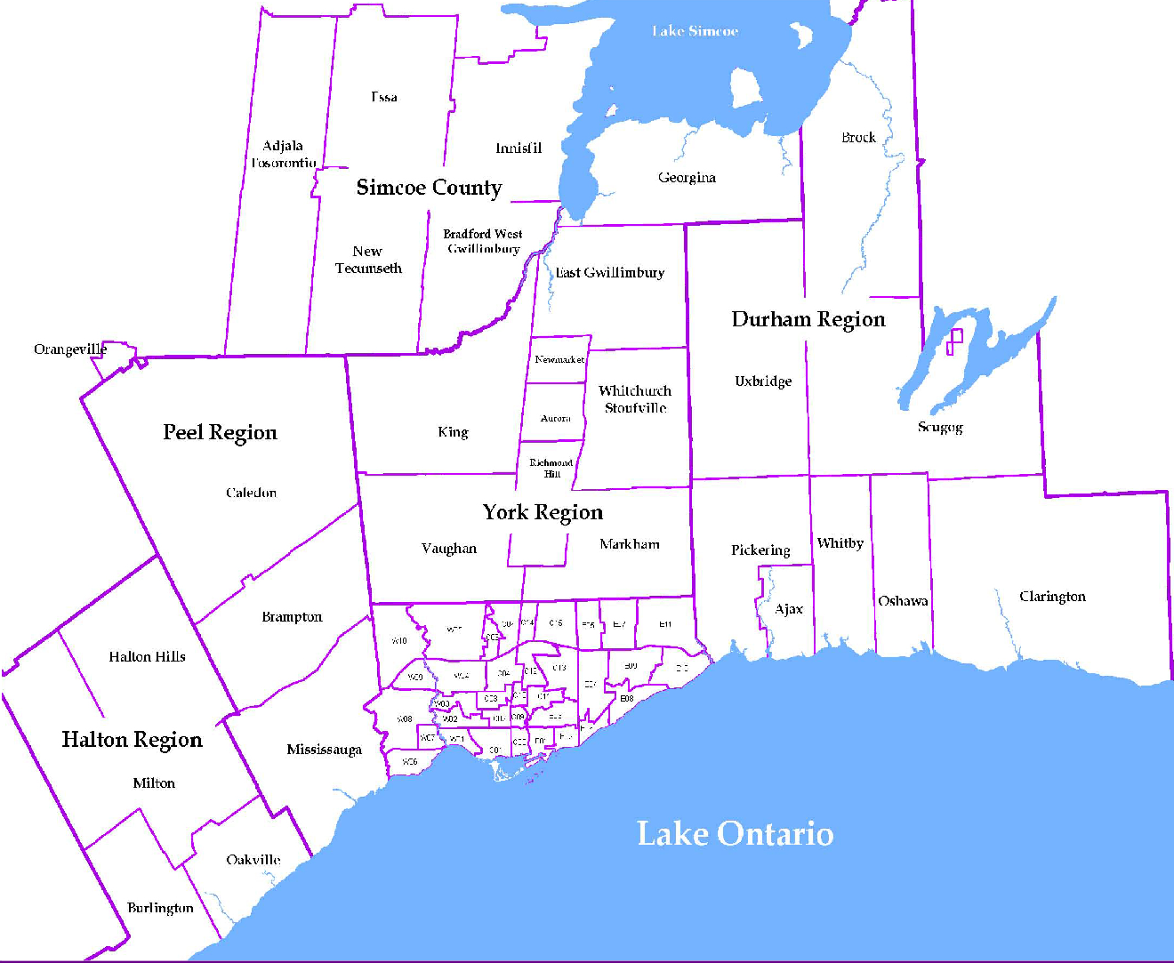
 |  |  |  |  |  |  |  |  | NOTES 1 - Refers to the total number of rental units that were available during the reporting period. 2 - Refers to firm lease transactions entered in the TREB MLS® system between the first and last day of the reporting period. 3 - Refers to the average lease rate for firm lease transactions entered in the TREB MLS® system between the first and last day of the reporting period. 4 - Statistics Canada, Quarter-over-quarter annualized growth rate. 5 - Statistics Canada, Year-over-year growth rate. 6 - Bank of Canada, rates for most recently completed month.
...
 |  |  |  |  | 15.5%
...
 |  |  |  |  |  | 0.8%
...
 |  |  |  |  |  |  |  |  |  |  |  |  |  |  |  |  | Rental Market Report, Third Quarter 2015 6
...

