Table 1
Rental Market Report
TREB Member Inquiries: (416) 443-8152 Media/Public Inquiries:
Third Quarter 2016 |  |  | (416) 443-8158
Economic Indicators Real GDP Quarterly Q2 2016 (1.6%) Toronto Employment Growth |  |  |  | Rental Market Tightened in Q3 2016 TORONTO, October 24, 2016 – Toronto Real Estate Board President Larry Cerqua announced that the number of lease agreements signed for condominium apartments listed on TREB’s MLS® System was down by 4.8 per cent on a year-over-year basis to 9,164 in the third quarter of 2016 compared to 9,629 a year earlier. Over the same period, the number of condominium apartments listed for rent was down by a greater annual rate of 17.3 per cent. “Demand remains very strong for condominium apartments in the Greater Toronto Area. The key issue in the third quarter was the fact that there was a pronounced decline in the number of units available for rent. The dip in the supply of available rental units can be attributed, at least in part, to fewer condominium project completions during the first three quarters of 2016 compared to last year. This suggests that there were fewer newly completed investor-held units available for rent,” said Mr. Cerqua. Average one-bedroom and two-bedroom condominium apartment rents were up substantially in the third quarter compared to 2015. The average one-bedroom rent was up by 7.2 per cent to $1,777. The average two-bedroom rent was up by 7.9 per cent to $2,419. “Conditions in the condominium apartment rental market tightened substantially in the third quarter, with listings down on a much greater basis relative to rental transactions. This means that competition between renters was enhanced, which fed through into average rent increases well-above the rate of inflation,” said Jason Mercer, the TREB’s Director of Market Analysis. |  |  |  |  |  |  |  |  |  |  |  |  |  |  |  |  |  | Total TREB MLS® Apartment Rentals 1,3
 |  |  |  |  |  |  |  |  |  |  |  |  |  |  |  |  |  |  |  |  |  |  |  |  |  | 9,629
 |  |  |  |  |  |  |  |  |  |  |  |  |  |  |  |  |  |  |  |  |  |  | 9,164
September 2016 (0.2%) Toronto Unemployment Rate September 2016 7.1% Inflation Rate (Yr./Yr. CPI Growth) September 2016 1.3% Bank of Canada Overnight Rate September 2016 -- 0.5% Prime Rate September 2016 -- 2.7% Fixed 5-Year Mortgage Rate September 2016 4.64% Sources: Statistics Canada; Bank of Canada
 |  |  |  |  |  |  |  |  |  |  |  |  |  |  |  |  |  |  |  |  |  | Q3 Q3 2016 2015 TREB MLS® Avg. 1-Bdrm. Apt. Rent 1,3
Rental Market Summary: Third Quarter 2016 Apartments1,2,3
 |  |  |  |  |  |  |  |  |  |  |  |  |  |  |  |  |  |  |  |  |  |  | $1,777
 |  |  |  |  |  |  |  |  |  |  |  |  |  |  |  |  |  |  |  |  |  |  |  |  |  | $1,657
 | All Bedroom Types |  |  | Bachelor |  |  |  |  |  | One-Bedroom |  |  |  | Two-Bedroom |  |  |  | Three-Bedroom
 | Listed | Leased |  | Leased |  |  |  | Avg. Rent |  | Leased |  | Avg. Rent |  | Leased |  | Avg. Rent |  | Leased |  | Avg. Rent
Q3 2016 | 12,093 | 9,164 |  | 377 |  |  |  | $1,488 |  | 5,265 |  | $1,777 |  | 3,333 |  | $2,419 |  | 189 |  | $3,058
Q3 2015 | 14,622 | 9,629 |  | 324 |  |  |  | $1,375 |  | 5,486 |  | $1,657 |  | 3,610 |  | $2,241 |  | 209 |  | $2,693
2Y0r.1/Y63r. % Chg. | -17.3% | -4.8% |  | 16.4% |  |  |  | 8.3% |  | -4.0% |  | 7.2% 9 |  | -7.7% |  | 7.9% |  | 7 -9.6% 7 |  | 13.6%
Townhouses1,2,3
 | All Bedroom Types |  |  | Bachelor |  |  |  |  |  | One-Bedroom |  |  |  | Two-Bedroom |  |  |  | Three-Bedroom
 | Listed | Leased |  | Leased |  |  |  | Avg. Rent |  | Leased |  | Avg. Rent |  | Leased |  | Avg. Rent |  | Leased |  | Avg. Rent
Q3 2016 | 945 | 604 |  | 3 |  |  |  | $1,375 |  | 54 |  | $1,537 |  | 217 |  | $2,142 |  | 330 |  | $2,176
 |  |  |  |  |  |  |  |  |  |  |  |  |  |  |  |  |  |  |  |  |  | Q3 Q3 2016 2015
Q3 2015 | 1,030 | 577 |  | 3 |  |  |  | $1,292 |  | 65 |  | $1,478 |  | 174 |  | $1,872 |  | 335 |  | $2,066
2Y0r.1/6Y3r. % Chg. | -8.3% | 4.7% |  | 0.0% |  |  |  | 6.5% |  | -16.9% |  | 4.1% |  | 24.7% |  | 14.5% |  | 0 -1.5% |  | 5.3%

SUMMARY OF RENTAL TRANSACTIONS APARTMENTS, THIRD QUARTER 2016 ALL TREB AREAS
 |  |  | All Apartments |  |  |  |  |  |  |  | Bachelor |  |  |  | One-Bedroom |  |  |  |  |  | Two-Bedroom |  |  |  | Three-Bedroom
 |  |  | Total Listed1 |  |  |  | Total Leased2 |  |  |  | Leased 2 |  | Avg. Lease Rate3 |  | Leased 2 |  |  |  | Avg. Lease Rate3 |  | Leased 2 |  |  | Avg. Lease Rate3 | Leased 2 |  | Avg. Lease Rate3
TREB Total |  |  | 12,093 |  |  |  | 9,164 |  |  |  | 377 |  | $1,488 |  | 5,265 |  |  |  | $1,777 |  | 3,333 |  |  | $2,419 | 189 |  | $3,058
Halton Region |  |  | 195 |  |  |  | 135 |  |  |  | 0 |  | - |  | 56 |  |  |  | $1,588 |  | 75 |  |  | $2,141 | 4 |  | $2,963
Burlington |  |  | 45 |  |  |  | 32 |  |  |  | 0 |  | - |  | 18 |  |  |  | $1,564 |  | 14 |  |  | $1,664 | 0 |  | -
Halton Hills |  |  | 3 |  |  |  | 0 |  |  |  | 0 |  | - |  | 0 |  |  |  | - |  | 0 |  |  | - | 0 |  | -
Milton |  |  | 15 |  |  |  | 11 |  |  |  | 0 |  | - |  | 5 |  |  |  | $1,385 |  | 6 |  |  | $1,642 | 0 |  | -
Oakville |  |  | 132 |  |  |  | 92 |  |  |  | 0 |  | - |  | 33 |  |  |  | $1,633 |  | 55 |  |  | $2,316 | 4 |  | $2,963
Peel Region |  |  | 954 |  |  |  | 741 |  |  |  | 8 |  | $1,372 |  | 337 |  |  |  | $1,605 |  | 369 |  |  | $1,958 | 27 |  | $2,237
Brampton |  |  | 44 |  |  |  | 34 |  |  |  | 0 |  | - |  | 13 |  |  |  | $1,388 |  | 18 |  |  | $1,684 | 3 |  | $1,805
Caledon |  |  | 0 |  |  |  | 0 |  |  |  | 0 |  | - |  | 0 |  |  |  | - |  | 0 |  |  | - | 0 |  | -
Mississauga |  |  | 910 |  |  |  | 707 |  |  |  | 8 |  | $1,372 |  | 324 |  |  |  | $1,614 |  | 351 |  |  | $1,972 | 24 |  | $2,291
City of Toronto |  |  | 9,857 |  |  |  | 7,458 |  |  |  | 367 |  | $1,492 |  | 4,419 |  |  |  | $1,818 |  | 2,532 |  |  | $2,562 | 140 |  | $3,318
Toronto West |  |  | 874 |  |  |  | 667 |  |  |  | 11 |  | $1,191 |  | 391 |  |  |  | $1,635 |  | 251 |  |  | $2,245 | 14 |  | $2,531
Toronto Central |  |  | 8,424 |  |  |  | 6,344 |  |  |  | 347 |  | $1,509 |  | 3,799 |  |  |  | $1,854 |  | 2,097 |  |  | $2,658 | 101 |  | $3,744
Toronto East |  |  | 559 |  |  |  | 447 |  |  |  | 9 |  | $1,216 |  | 229 |  |  |  | $1,537 |  | 184 |  |  | $1,898 | 25 |  | $2,037
York Region |  |  | 1,064 |  |  |  | 813 |  |  |  | 2 |  | $1,298 |  | 443 |  |  |  | $1,526 |  | 351 |  |  | $1,945 | 17 |  | $2,346
Aurora |  |  | 9 |  |  |  | 6 |  |  |  | 0 |  | - |  | 2 |  |  |  | $1,675 |  | 4 |  |  | $1,888 | 0 |  | -
E. Gwillimbury |  |  | 0 |  |  |  | 0 |  |  |  | 0 |  | - |  | 0 |  |  |  | - |  | 0 |  |  | - | 0 |  | -
Georgina |  |  | 0 |  |  |  | 0 |  |  |  | 0 |  | - |  | 0 |  |  |  | - |  | 0 |  |  | - | 0 |  | -
King |  |  | 3 |  |  |  | 0 |  |  |  | 0 |  | - |  | 0 |  |  |  | - |  | 0 |  |  | - | 0 |  | -
Markham |  |  | 541 |  |  |  | 420 |  |  |  | 2 |  | $1,298 |  | 232 |  |  |  | $1,493 |  | 174 |  |  | $1,893 | 12 |  | $2,253
Newmarket |  |  | 1 |  |  |  | 0 |  |  |  | 0 |  | - |  | 0 |  |  |  | - |  | 0 |  |  | - | 0 |  | -
Richmond Hill |  |  | 252 |  |  |  | 200 |  |  |  | 0 |  | - |  | 115 |  |  |  | $1,530 |  | 82 |  |  | $1,941 | 3 |  | $2,367
Vaughan |  |  | 258 |  |  |  | 187 |  |  |  | 0 |  | - |  | 94 |  |  |  | $1,601 |  | 91 |  |  | $2,051 | 2 |  | $2,875
Whitchurch-Stouffville |  |  | 0 |  |  |  | 0 |  |  |  | 0 |  | - |  | 0 |  |  |  | - |  | 0 |  |  | - | 0 |  | -
Durham Region |  |  | 23 |  |  |  | 17 |  |  |  | 0 |  | - |  | 10 |  |  |  | $1,405 |  | 6 |  |  | $1,716 | 1 |  | $1,375
Ajax |  |  | 4 |  |  |  | 3 |  |  |  | 0 |  | - |  | 2 |  |  |  | $1,400 |  | 1 |  |  | $1,725 | 0 |  | -
Brock |  |  | 0 |  |  |  | 0 |  |  |  | 0 |  | - |  | 0 |  |  |  | - |  | 0 |  |  | - | 0 |  | -
Clarington |  |  | 6 |  |  |  | 4 |  |  |  | 0 |  | - |  | 3 |  |  |  | $1,367 |  | 1 |  |  | $1,325 | 0 |  | -
Oshawa |  |  | 2 |  |  |  | 2 |  |  |  | 0 |  | - |  | 2 |  |  |  | $1,225 |  | 0 |  |  | - | 0 |  | -
Pickering |  |  | 4 |  |  |  | 4 |  |  |  | 0 |  | - |  | 2 |  |  |  | $1,475 |  | 2 |  |  | $1,950 | 0 |  | -
Scugog |  |  | 0 |  |  |  | 0 |  |  |  | 0 |  | - |  | 0 |  |  |  | - |  | 0 |  |  | - | 0 |  | -
Uxbridge |  |  | 0 |  |  |  | 0 |  |  |  | 0 |  | - |  | 0 |  |  |  | - |  | 0 |  |  | - | 0 |  | -
Whitby |  |  | 7 |  |  |  | 4 |  |  |  | 0 |  | - |  | 1 |  |  |  | $1,750 |  | 2 |  |  | $1,673 | 1 |  | $1,375
Dufferin County |  |  | 0 |  |  |  | 0 |  |  |  | 0 |  | - |  | 0 |  |  |  | - |  | 0 |  |  | - | 0 |  | -
Orangeville |  |  | 0 |  |  |  | 0 |  |  |  | 0 |  | - |  | 0 |  |  |  | - |  | 0 |  |  | - | 0 |  | -
Simcoe County |  |  | 0 |  |  |  | 0 |  |  |  | 0 |  | - |  | 0 |  |  |  | - |  | 0 |  |  | - | 0 |  | -
Adjala-Tosorontio |  |  | 0 |  |  |  | 0 |  |  |  | 0 |  | - |  | 0 |  |  |  | - |  | 0 |  |  | - | 0 |  | -
Bradford West Gwillimbury |  |  | 0 |  |  |  | 0 |  |  |  | 0 |  | - |  | 0 |  |  |  | - |  | 0 |  |  | - | 0 |  | -
Essa |  |  | 0 |  |  |  | 0 |  |  |  | 0 |  | - |  | 0 |  |  |  | - |  | 0 |  |  | - | 0 |  | -
Innisfil |  |  | 0 |  |  |  | 0 |  |  |  | 0 |  | - |  | 0 |  |  |  | - |  | 0 |  |  | - | 0 |  | -
New Tecumseth |  |  | 0 |  |  |  | 0 |  |  |  | 0 |  | - |  | 0 |  |  |  | - |  | 0 |  |  | - | 0 |  | -
SUMMARY OF RENTAL TRANSACTIONS APARTMENTS, THIRD QUARTER 2016 CITY OF TORONTO MUNICIPAL BREAKDOWN
 |  |  | All Apartments |  |  |  |  |  |  |  | Bachelor |  |  |  | One-Bedroom |  |  |  |  |  | Two-Bedroom |  |  |  | Three-Bedroom
 |  |  | Total Listed 1 |  |  |  | Total Leased 2 |  |  |  | Leased 2 |  | Avg. Lease Rate3 |  | Leased 2 |  |  |  | Avg. Lease Rate3 |  | Leased 2 |  |  | Avg. Lease Rate3 | Leased2 |  | Avg. Lease Rate3
TREB Total |  |  | 12,093 |  |  |  | 9,164 |  |  |  | 377 |  | $1,488 |  | 5,265 |  |  |  | $1,777 |  | 3,333 |  |  | $2,419 | 189 |  | $3,058
City of Toronto Total |  |  | 9,857 |  |  |  | 7,458 |  |  |  | 367 |  | $1,492 |  | 4,419 |  |  |  | $1,818 |  | 2,532 |  |  | $2,562 | 140 |  | $3,318
Toronto West |  |  | 874 |  |  |  | 667 |  |  |  | 11 |  | $1,191 |  | 391 |  |  |  | $1,635 |  | 251 |  |  | $2,245 | 14 |  | $2,531
Toronto W01 |  |  | 74 |  |  |  | 55 |  |  |  | 1 |  | $1,350 |  | 39 |  |  |  | $1,721 |  | 14 |  |  | $2,530 | 1 |  | $4,500
Toronto W02 |  |  | 68 |  |  |  | 55 |  |  |  | 8 |  | $1,166 |  | 26 |  |  |  | $1,728 |  | 20 |  |  | $2,660 | 1 |  | $2,390
Toronto W03 |  |  | 4 |  |  |  | 1 |  |  |  | 0 |  | - |  | 1 |  |  |  | $1,285 |  | 0 |  |  | - | 0 |  | -
Toronto W04 |  |  | 55 |  |  |  | 32 |  |  |  | 0 |  | - |  | 22 |  |  |  | $1,471 |  | 9 |  |  | $1,839 | 1 |  | $2,150
Toronto W05 |  |  | 62 |  |  |  | 52 |  |  |  | 1 |  | $1,100 |  | 36 |  |  |  | $1,564 |  | 12 |  |  | $1,652 | 3 |  | $2,033
Toronto W06 |  |  | 365 |  |  |  | 283 |  |  |  | 0 |  | - |  | 159 |  |  |  | $1,682 |  | 122 |  |  | $2,363 | 2 |  | $4,350
Toronto W07 |  |  | 11 |  |  |  | 8 |  |  |  | 0 |  | - |  | 5 |  |  |  | $1,810 |  | 2 |  |  | $2,275 | 1 |  | $1,600
Toronto W08 |  |  | 190 |  |  |  | 149 |  |  |  | 1 |  | $1,325 |  | 86 |  |  |  | $1,592 |  | 58 |  |  | $2,079 | 4 |  | $2,100
Toronto W09 |  |  | 7 |  |  |  | 5 |  |  |  | 0 |  | - |  | 0 |  |  |  | - |  | 5 |  |  | $1,960 | 0 |  | -
Toronto W10 |  |  | 38 |  |  |  | 27 |  |  |  | 0 |  | - |  | 17 |  |  |  | $1,394 |  | 9 |  |  | $1,711 | 1 |  | $1,600
Toronto Central |  |  | 8,424 |  |  |  | 6,344 |  |  |  | 347 |  | $1,509 |  | 3,799 |  |  |  | $1,854 |  | 2,097 |  |  | $2,658 | 101 |  | $3,744
Toronto C01 |  |  | 4,508 |  |  |  | 3,377 |  |  |  | 217 |  | $1,520 |  | 2,073 |  |  |  | $1,919 |  | 1,037 |  |  | $2,817 | 50 |  | $4,293
Toronto C02 |  |  | 366 |  |  |  | 240 |  |  |  | 21 |  | $1,560 |  | 139 |  |  |  | $1,986 |  | 77 |  |  | $4,144 | 3 |  | $9,667
Toronto C03 |  |  | 60 |  |  |  | 41 |  |  |  | 0 |  | - |  | 24 |  |  |  | $1,843 |  | 17 |  |  | $2,674 | 0 |  | -
Toronto C04 |  |  | 121 |  |  |  | 50 |  |  |  | 0 |  | - |  | 39 |  |  |  | $1,855 |  | 9 |  |  | $2,736 | 2 |  | $2,825
Toronto C06 |  |  | 42 |  |  |  | 32 |  |  |  | 0 |  | - |  | 19 |  |  |  | $1,553 |  | 13 |  |  | $1,882 | 0 |  | -
Toronto C07 |  |  | 352 |  |  |  | 297 |  |  |  | 0 |  | - |  | 142 |  |  |  | $1,683 |  | 135 |  |  | $2,242 | 20 |  | $2,443
Toronto C08 |  |  | 1,193 |  |  |  | 914 |  |  |  | 84 |  | $1,497 |  | 582 |  |  |  | $1,860 |  | 242 |  |  | $2,603 | 6 |  | $4,477
Toronto C09 |  |  | 93 |  |  |  | 64 |  |  |  | 0 |  | - |  | 33 |  |  |  | $1,994 |  | 30 |  |  | $2,929 | 1 |  | $3,200
Toronto C10 |  |  | 236 |  |  |  | 140 |  |  |  | 0 |  | - |  | 93 |  |  |  | $1,824 |  | 46 |  |  | $2,579 | 1 |  | $2,700
Toronto C11 |  |  | 51 |  |  |  | 32 |  |  |  | 0 |  | - |  | 13 |  |  |  | $1,452 |  | 17 |  |  | $1,994 | 2 |  | $1,723
...
 |  |  |  |  |  |  | 3 |  |  |  | 0 |  | - |  | 0 |  |  |  | - |  | 0 |  |  | -
 |  |  |  |  |  |  | 1 |  |  |  | 0 |  | - |  | 0 |  |  |  | - |  | 0 |  |  | -
 |  |  |  |  |  |  | 3 |  |  |  | 0 |  | - |  | 0 |  |  |  | - |  | 2 |  |  | $1,525
 |  |  |  |  |  |  | 8 |  |  |  | 0 |  | - |  | 0 |  |  |  | - |  | 1 |  |  | $1,750
 |  |  |  |  |  |  | 0 |  |  |  | 0 |  | - |  | 0 |  |  |  | - |  | 0 |  |  | -
 |  |  |  |  |  |  | 6 |  |  |  | 0 |  | - |  | 1 |  |  |  | $800 |  | 0 |  |  | -
 |  |  |  |  |  |  | 2 |  |  |  | 0 |  | - |  | 0 |  |  |  | - |  | 0 |  |  | -
 |  |  |  |  |  |  | 4 |  |  |  | 0 |  | - |  | 0 |  |  |  | - |  | 4 |  |  | $1,913
 |  |  |  |  |  |  | 3 |  |  |  | 0 |  | - |  | 0 |  |  |  | - |  | 1 |  |  | $1,600
 |  |  |  |  |  |  | 10 |  |  |  | 0 |  | - |  | 0 |  |  |  | - |  | 2 |  |  | $1,300
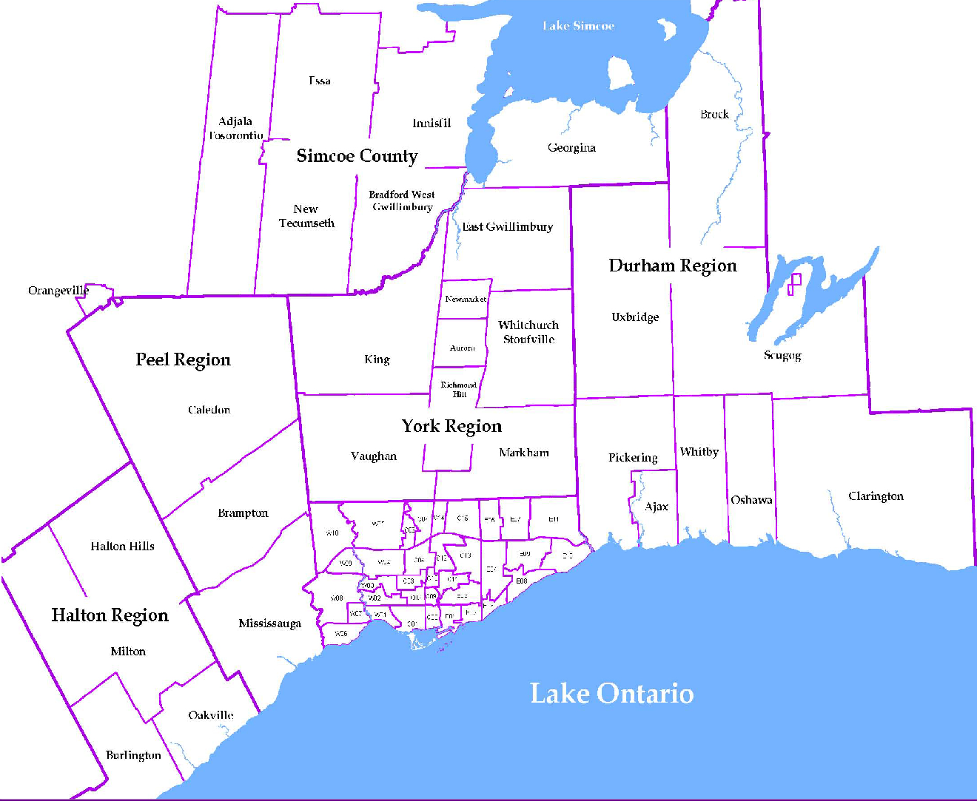
 |  |  |  |  |  |  |  |  | NOTES 1 - Refers to the total number of rental units that were available during the reporting period. 2 - Refers to firm lease transactions entered in the TorontoMLS system between the first and last day of the reporting period. 3 - Refers to the average lease rate for firm lease transactions entered in the TREB MLS® system between the first and last day of the reporting period. 4 - Statistics Canada, Quarter-over-quarter annualized growth rate. 5 - Statistics Canada, Year-over-year growth rate. 6 - Bank of Canada, rates for most recently completed month.
...
 |  |  |  |  | 15.3%
...
 |  |  |  |  |  | 1.4%
...
 |  |  |  |  |  |  |  |  |  |  |  |  |  |  |  |  | Rental Market Report, Third Quarter 2016 6
...

