Table 1
Rental Market Report
TREB Member Inquiries: (416) 443-8152 Media/Public Inquiries:
Third Quarter 2017 |  |  | (416) 443-8158
Economic Indicators Real GDP Quarterly Q2 2017 4.5% Toronto Employment Growth |  |  |  | Competition Between Renters Remains Strong in Q3 TORONTO, ONTARIO, October 23, 2017 – Toronto Real Estate Board President Tim Syrianos announced that year-over-year increases in average rents for condominium apartments were up very strongly in the third quarter, based on rental transactions reported by Greater Toronto REALTORS® through TREB’s MLS® System. The average rent for one-bedroom condominium apartments in the TREB market area was up by 11.2 per cent on an annual basis to $1,976 in Q3 2017. The average two-bedroom condominium apartment rent was up by 7.7 per cent over the same period to $2,607. “Competition between renters remained very strong for available units in Q3. It is clear that supply is part of the issue. Different levels of government have committed to looking at housing supply through the policy lens. TREB has participated in these policy discussions and looks forward to continuing the dialogue. To this end, TREB does have concerns that increased rent controls and a possible vacancy tax in the City of Toronto could serve to reduce the supply of available rental units as potential investors look to less-regulated sectors in which to invest,” said Mr. Syrianos. The number of condominium apartments listed during the third quarter and the number of rental agreements signed were down by similar amounts on a year-over-year basis. “It is reasonable to assume that the vacancy rate for condominium apartments has trended lower this year. If the current relationship between rental demand and supply remains in place moving forward, rent increases for available units will continue to trend well-above the rate of inflation. Economic and demographic trends suggest that rental demand will increase and there are real concerns that the already constrained supply of units for rent could get worse,” said Jason Mercer, TREB’s Director of Market Analysis. |  |  |  |  |  |  |  |  |  |  |  |  |  |  |  |  |  | Total TREB MLS® Apartment Rentals 1,3
September 2017 2.4% Toronto Unemployment Rate September 2017 6.1% Inflation Rate (Yr./Yr. CPI Growth) August 2017 1.4% Bank of Canada Overnight Rate September 2017 1.0% Prime Rate September 2017 3.2% Fixed 5-Year Mortgage Rate September 2017 4.89% Sources: Statistics Canada; Bank of Canada |  |  |  |  |  |  |  |  |  |  |  |  |  |  |  |  |  |  |  |  |  |  |  |  |  | 9,150
 |  |  |  |  |  |  |  |  |  |  |  |  |  |  |  |  |  |  |  |  |  |  | 8,716
 |  |  |  |  |  |  |  |  |  |  |  |  |  |  |  |  |  |  |  |  |  | Q3 Q3 2017 2016 TREB MLS® Avg. 1-Bdrm. Apt. Rent 1,3
Rental Market Summary: Third Quarter 2017 Apartments1,2,3
 |  |  |  |  |  |  |  |  |  |  |  |  |  |  |  |  |  |  |  |  |  |  | $1,976
 |  |  |  |  |  |  |  |  |  |  |  |  |  |  |  |  |  |  |  |  |  |  |  |  |  | $1,777
 | All Bedroom Types |  |  | Bachelor |  |  |  |  |  | One-Bedroom |  |  |  | Two-Bedroom |  |  |  | Three-Bedroom
 | Listed | Leased |  | Leased |  |  |  | Avg. Rent |  | Leased |  | Avg. Rent |  | Leased |  | Avg. Rent |  | Leased |  | Avg. Rent
Q3 2017 | 11,574 | 8,716 |  | 316 |  |  |  | $1,672 |  | 4,850 |  | $1,976 |  | 3,350 |  | $2,607 |  | 200 |  | $3,234
Q3 2016 | 12,040 | 9,150 |  | 377 |  |  |  | $1,489 |  | 5,256 |  | $1,777 |  | 3,328 |  | $2,420 |  | 189 |  | $3,058
2Y0r.1/Y73r. % Chg. | -3.9% | -4.7% |  | -16.2% |  |  |  | 12.3% |  | -7.7% |  | 11.2% |  | 1 0.7% |  | 7.7% 1 |  | 5.8% 2 |  | 5.7%
Townhouses1,2,3
 | All Bedroom Types |  |  | Bachelor |  |  |  |  |  | One-Bedroom |  |  |  | Two-Bedroom |  |  |  | Three-Bedroom
 | Listed | Leased |  | Leased |  |  |  | Avg. Rent |  | Leased |  | Avg. Rent |  | Leased |  | Avg. Rent |  | Leased |  | Avg. Rent
Q3 2017 | 1,022 | 657 |  | 2 |  |  |  | $1,600 |  | 87 |  | $1,783 |  | 229 |  | $2,138 |  | 339 |  | $2,393
 |  |  |  |  |  |  |  |  |  |  |  |  |  |  |  |  |  |  |  |  |  | Q3 Q3 2017 2016
Q3 2016 | 944 | 604 |  | 3 |  |  |  | $1,375 |  | 54 |  | $1,537 |  | 217 |  | $2,142 |  | 330 |  | $2,176
2Y0r.1/7Y3r. % Chg. | 8.3% | 8.8% |  | -33.3% |  |  |  | 16.4% |  | 61.1% |  | 16.0% |  | 5.5% |  | -0.2% |  | 1 2.7% |  | 10.0%

SUMMARY OF RENTAL TRANSACTIONS APARTMENTS, THIRD QUARTER 2017 ALL TREB AREAS
 |  |  | All Apartments |  |  |  |  |  |  |  | Bachelor |  |  |  | One-Bedroom |  |  |  |  |  | Two-Bedroom |  |  |  | Three-Bedroom
 |  |  | Total Listed1 |  |  |  | Total Leased2 |  |  |  | Leased 2 |  | Avg. Lease Rate3 |  | Leased 2 |  |  |  | Avg. Lease Rate3 |  | Leased 2 |  |  | Avg. Lease Rate3 | Leased 2 |  | Avg. Lease Rate3
TREB Total |  |  | 11,574 |  |  |  | 8,716 |  |  |  | 316 |  | $1,672 |  | 4,850 |  |  |  | $1,976 |  | 3,350 |  |  | $2,607 | 200 |  | $3,234
Halton Region |  |  | 246 |  |  |  | 171 |  |  |  | 1 |  | $1,250 |  | 88 |  |  |  | $1,674 |  | 76 |  |  | $2,215 | 6 |  | $2,792
Burlington |  |  | 47 |  |  |  | 27 |  |  |  | 0 |  | - |  | 15 |  |  |  | $1,688 |  | 12 |  |  | $2,035 | 0 |  | -
Halton Hills |  |  | 1 |  |  |  | 1 |  |  |  | 0 |  | - |  | 1 |  |  |  | $1,750 |  | 0 |  |  | - | 0 |  | -
Milton |  |  | 20 |  |  |  | 15 |  |  |  | 0 |  | - |  | 3 |  |  |  | $1,625 |  | 11 |  |  | $1,818 | 1 |  | $2,200
Oakville |  |  | 178 |  |  |  | 128 |  |  |  | 1 |  | $1,250 |  | 69 |  |  |  | $1,671 |  | 53 |  |  | $2,338 | 5 |  | $2,910
Peel Region |  |  | 1,037 |  |  |  | 720 |  |  |  | 8 |  | $1,481 |  | 303 |  |  |  | $1,758 |  | 380 |  |  | $2,110 | 29 |  | $2,378
Brampton |  |  | 51 |  |  |  | 33 |  |  |  | 0 |  | - |  | 8 |  |  |  | $1,559 |  | 21 |  |  | $1,749 | 4 |  | $1,756
Caledon |  |  | 0 |  |  |  | 0 |  |  |  | 0 |  | - |  | 0 |  |  |  | - |  | 0 |  |  | - | 0 |  | -
Mississauga |  |  | 986 |  |  |  | 687 |  |  |  | 8 |  | $1,481 |  | 295 |  |  |  | $1,764 |  | 359 |  |  | $2,131 | 25 |  | $2,478
City of Toronto |  |  | 9,234 |  |  |  | 7,026 |  |  |  | 304 |  | $1,682 |  | 4,007 |  |  |  | $2,032 |  | 2,559 |  |  | $2,753 | 156 |  | $3,461
Toronto West |  |  | 970 |  |  |  | 745 |  |  |  | 6 |  | $1,333 |  | 407 |  |  |  | $1,818 |  | 322 |  |  | $2,386 | 10 |  | $2,610
Toronto Central |  |  | 7,689 |  |  |  | 5,836 |  |  |  | 287 |  | $1,696 |  | 3,396 |  |  |  | $2,078 |  | 2,034 |  |  | $2,877 | 119 |  | $3,813
Toronto East |  |  | 575 |  |  |  | 445 |  |  |  | 11 |  | $1,510 |  | 204 |  |  |  | $1,702 |  | 203 |  |  | $2,097 | 27 |  | $2,229
York Region |  |  | 1,019 |  |  |  | 769 |  |  |  | 3 |  | $1,250 |  | 444 |  |  |  | $1,686 |  | 315 |  |  | $2,156 | 7 |  | $2,575
Aurora |  |  | 10 |  |  |  | 6 |  |  |  | 0 |  | - |  | 3 |  |  |  | $1,717 |  | 3 |  |  | $1,933 | 0 |  | -
E. Gwillimbury |  |  | 0 |  |  |  | 0 |  |  |  | 0 |  | - |  | 0 |  |  |  | - |  | 0 |  |  | - | 0 |  | -
Georgina |  |  | 0 |  |  |  | 0 |  |  |  | 0 |  | - |  | 0 |  |  |  | - |  | 0 |  |  | - | 0 |  | -
King |  |  | 1 |  |  |  | 1 |  |  |  | 0 |  | - |  | 1 |  |  |  | $1,500 |  | 0 |  |  | - | 0 |  | -
Markham |  |  | 574 |  |  |  | 435 |  |  |  | 3 |  | $1,250 |  | 263 |  |  |  | $1,657 |  | 164 |  |  | $2,146 | 5 |  | $2,650
Newmarket |  |  | 0 |  |  |  | 0 |  |  |  | 0 |  | - |  | 0 |  |  |  | - |  | 0 |  |  | - | 0 |  | -
Richmond Hill |  |  | 209 |  |  |  | 162 |  |  |  | 0 |  | - |  | 93 |  |  |  | $1,715 |  | 67 |  |  | $2,113 | 2 |  | $2,388
Vaughan |  |  | 225 |  |  |  | 165 |  |  |  | 0 |  | - |  | 84 |  |  |  | $1,744 |  | 81 |  |  | $2,218 | 0 |  | -
Whitchurch-Stouffville |  |  | 0 |  |  |  | 0 |  |  |  | 0 |  | - |  | 0 |  |  |  | - |  | 0 |  |  | - | 0 |  | -
Durham Region |  |  | 35 |  |  |  | 29 |  |  |  | 0 |  | - |  | 8 |  |  |  | $1,550 |  | 19 |  |  | $1,927 | 2 |  | $1,525
Ajax |  |  | 6 |  |  |  | 5 |  |  |  | 0 |  | - |  | 1 |  |  |  | $1,500 |  | 4 |  |  | $1,800 | 0 |  | -
Brock |  |  | 0 |  |  |  | 0 |  |  |  | 0 |  | - |  | 0 |  |  |  | - |  | 0 |  |  | - | 0 |  | -
Clarington |  |  | 4 |  |  |  | 4 |  |  |  | 0 |  | - |  | 1 |  |  |  | $1,350 |  | 3 |  |  | $1,450 | 0 |  | -
Oshawa |  |  | 3 |  |  |  | 0 |  |  |  | 0 |  | - |  | 0 |  |  |  | - |  | 0 |  |  | - | 0 |  | -
Pickering |  |  | 14 |  |  |  | 13 |  |  |  | 0 |  | - |  | 3 |  |  |  | $1,525 |  | 9 |  |  | $2,046 | 1 |  | $1,650
Scugog |  |  | 0 |  |  |  | 0 |  |  |  | 0 |  | - |  | 0 |  |  |  | - |  | 0 |  |  | - | 0 |  | -
Uxbridge |  |  | 0 |  |  |  | 0 |  |  |  | 0 |  | - |  | 0 |  |  |  | - |  | 0 |  |  | - | 0 |  | -
Whitby |  |  | 8 |  |  |  | 7 |  |  |  | 0 |  | - |  | 3 |  |  |  | $1,658 |  | 3 |  |  | $2,217 | 1 |  | $1,400
Dufferin County |  |  | 1 |  |  |  | 0 |  |  |  | 0 |  | - |  | 0 |  |  |  | - |  | 0 |  |  | - | 0 |  | -
Orangeville |  |  | 1 |  |  |  | 0 |  |  |  | 0 |  | - |  | 0 |  |  |  | - |  | 0 |  |  | - | 0 |  | -
Simcoe County |  |  | 2 |  |  |  | 1 |  |  |  | 0 |  | - |  | 0 |  |  |  | - |  | 1 |  |  | $1,500 | 0 |  | -
Adjala-Tosorontio |  |  | 0 |  |  |  | 0 |  |  |  | 0 |  | - |  | 0 |  |  |  | - |  | 0 |  |  | - | 0 |  | -
Bradford West Gwillimbury |  |  | 0 |  |  |  | 0 |  |  |  | 0 |  | - |  | 0 |  |  |  | - |  | 0 |  |  | - | 0 |  | -
Essa |  |  | 0 |  |  |  | 0 |  |  |  | 0 |  | - |  | 0 |  |  |  | - |  | 0 |  |  | - | 0 |  | -
Innisfil |  |  | 1 |  |  |  | 0 |  |  |  | 0 |  | - |  | 0 |  |  |  | - |  | 0 |  |  | - | 0 |  | -
New Tecumseth |  |  | 1 |  |  |  | 1 |  |  |  | 0 |  | - |  | 0 |  |  |  | - |  | 1 |  |  | $1,500 | 0 |  | -
SUMMARY OF RENTAL TRANSACTIONS APARTMENTS, THIRD QUARTER 2017 CITY OF TORONTO MUNICIPAL BREAKDOWN
 |  |  | All Apartments |  |  |  |  |  |  |  | Bachelor |  |  |  | One-Bedroom |  |  |  |  |  | Two-Bedroom |  |  |  | Three-Bedroom
 |  |  | Total Listed 1 |  |  |  | Total Leased 2 |  |  |  | Leased 2 |  | Avg. Lease Rate3 |  | Leased 2 |  |  |  | Avg. Lease Rate3 |  | Leased 2 |  |  | Avg. Lease Rate3 | Leased2 |  | Avg. Lease Rate3
TREB Total |  |  | 11,574 |  |  |  | 8,716 |  |  |  | 316 |  | $1,672 |  | 4,850 |  |  |  | $1,976 |  | 3,350 |  |  | $2,607 | 200 |  | $3,234
City of Toronto Total |  |  | 9,234 |  |  |  | 7,026 |  |  |  | 304 |  | $1,682 |  | 4,007 |  |  |  | $2,032 |  | 2,559 |  |  | $2,753 | 156 |  | $3,461
Toronto West |  |  | 970 |  |  |  | 745 |  |  |  | 6 |  | $1,333 |  | 407 |  |  |  | $1,818 |  | 322 |  |  | $2,386 | 10 |  | $2,610
Toronto W01 |  |  | 98 |  |  |  | 64 |  |  |  | 2 |  | $1,050 |  | 43 |  |  |  | $1,977 |  | 16 |  |  | $2,839 | 3 |  | $2,867
Toronto W02 |  |  | 104 |  |  |  | 86 |  |  |  | 1 |  | $1,500 |  | 53 |  |  |  | $1,829 |  | 32 |  |  | $2,322 | 0 |  | -
Toronto W03 |  |  | 2 |  |  |  | 1 |  |  |  | 0 |  | - |  | 0 |  |  |  | - |  | 0 |  |  | - | 1 |  | $2,400
Toronto W04 |  |  | 61 |  |  |  | 45 |  |  |  | 0 |  | - |  | 21 |  |  |  | $1,626 |  | 24 |  |  | $1,931 | 0 |  | -
Toronto W05 |  |  | 43 |  |  |  | 31 |  |  |  | 0 |  | - |  | 26 |  |  |  | $1,706 |  | 5 |  |  | $1,765 | 0 |  | -
Toronto W06 |  |  | 397 |  |  |  | 309 |  |  |  | 3 |  | $1,465 |  | 150 |  |  |  | $1,881 |  | 153 |  |  | $2,612 | 3 |  | $3,200
Toronto W07 |  |  | 9 |  |  |  | 6 |  |  |  | 0 |  | - |  | 5 |  |  |  | $2,139 |  | 0 |  |  | - | 1 |  | $1,750
Toronto W08 |  |  | 167 |  |  |  | 136 |  |  |  | 0 |  | - |  | 67 |  |  |  | $1,763 |  | 68 |  |  | $2,178 | 1 |  | $1,850
Toronto W09 |  |  | 9 |  |  |  | 3 |  |  |  | 0 |  | - |  | 0 |  |  |  | - |  | 3 |  |  | $2,100 | 0 |  | -
Toronto W10 |  |  | 80 |  |  |  | 64 |  |  |  | 0 |  | - |  | 42 |  |  |  | $1,634 |  | 21 |  |  | $1,876 | 1 |  | $1,900
Toronto Central |  |  | 7,689 |  |  |  | 5,836 |  |  |  | 287 |  | $1,696 |  | 3,396 |  |  |  | $2,078 |  | 2,034 |  |  | $2,877 | 119 |  | $3,813
Toronto C01 |  |  | 3,797 |  |  |  | 2,839 |  |  |  | 185 |  | $1,707 |  | 1,717 |  |  |  | $2,158 |  | 870 |  |  | $3,039 | 67 |  | $4,279
Toronto C02 |  |  | 359 |  |  |  | 226 |  |  |  | 12 |  | $1,694 |  | 144 |  |  |  | $2,338 |  | 67 |  |  | $4,289 | 3 |  | $5,775
Toronto C03 |  |  | 69 |  |  |  | 44 |  |  |  | 2 |  | $1,450 |  | 23 |  |  |  | $2,034 |  | 18 |  |  | $2,786 | 1 |  | $3,850
Toronto C04 |  |  | 44 |  |  |  | 33 |  |  |  | 0 |  | - |  | 23 |  |  |  | $1,888 |  | 10 |  |  | $2,879 | 0 |  | -
Toronto C06 |  |  | 30 |  |  |  | 25 |  |  |  | 0 |  | - |  | 12 |  |  |  | $1,758 |  | 12 |  |  | $2,165 | 1 |  | $2,750
Toronto C07 |  |  | 396 |  |  |  | 328 |  |  |  | 0 |  | - |  | 152 |  |  |  | $1,935 |  | 155 |  |  | $2,481 | 21 |  | $2,898
Toronto C08 |  |  | 1,207 |  |  |  | 887 |  |  |  | 69 |  | $1,722 |  | 528 |  |  |  | $2,132 |  | 284 |  |  | $2,997 | 6 |  | $3,877
Toronto C09 |  |  | 64 |  |  |  | 51 |  |  |  | 1 |  | $1,600 |  | 19 |  |  |  | $2,129 |  | 29 |  |  | $3,138 | 2 |  | $3,425
Toronto C10 |  |  | 159 |  |  |  | 130 |  |  |  | 0 |  | - |  | 79 |  |  |  | $2,044 |  | 50 |  |  | $2,908 | 1 |  | $3,560
Toronto C11 |  |  | 55 |  |  |  | 44 |  |  |  | 0 |  | - |  | 23 |  |  |  | $1,689 |  | 19 |  |  | $2,088 | 2 |  | $2,000
Toronto C12 |  |  | 21 |  |  |  | 18 |  |  |  | 0 |  | - |  | 7 |  |  |  | $2,169 |  | 10 |  |  | $2,986 | 1 |  | $2,600
...
 |  |  |  |  |  |  | 2 |  |  |  | 0 |  | - |  | 0 |  |  |  | - |  | 2 |  |  | $2,300
 |  |  |  |  |  |  | 0 |  |  |  | 0 |  | - |  | 0 |  |  |  | - |  | 0 |  |  | -
 |  |  |  |  |  |  | 3 |  |  |  | 0 |  | - |  | 0 |  |  |  | - |  | 1 |  |  | $1,950
 |  |  |  |  |  |  | 11 |  |  |  | 0 |  | - |  | 0 |  |  |  | - |  | 2 |  |  | $1,850
 |  |  |  |  |  |  | 0 |  |  |  | 0 |  | - |  | 0 |  |  |  | - |  | 0 |  |  | -
 |  |  |  |  |  |  | 7 |  |  |  | 0 |  | - |  | 1 |  |  |  | $500 |  | 0 |  |  | -
 |  |  |  |  |  |  | 0 |  |  |  | 0 |  | - |  | 0 |  |  |  | - |  | 0 |  |  | -
 |  |  |  |  |  |  | 6 |  |  |  | 0 |  | - |  | 1 |  |  |  | $1,550 |  | 4 |  |  | $1,950
 |  |  |  |  |  |  | 1 |  |  |  | 0 |  | - |  | 0 |  |  |  | - |  | 0 |  |  | -
 |  |  |  |  |  |  | 4 |  |  |  | 0 |  | - |  | 2 |  |  |  | $1,700 |  | 1 |  |  | $1,850
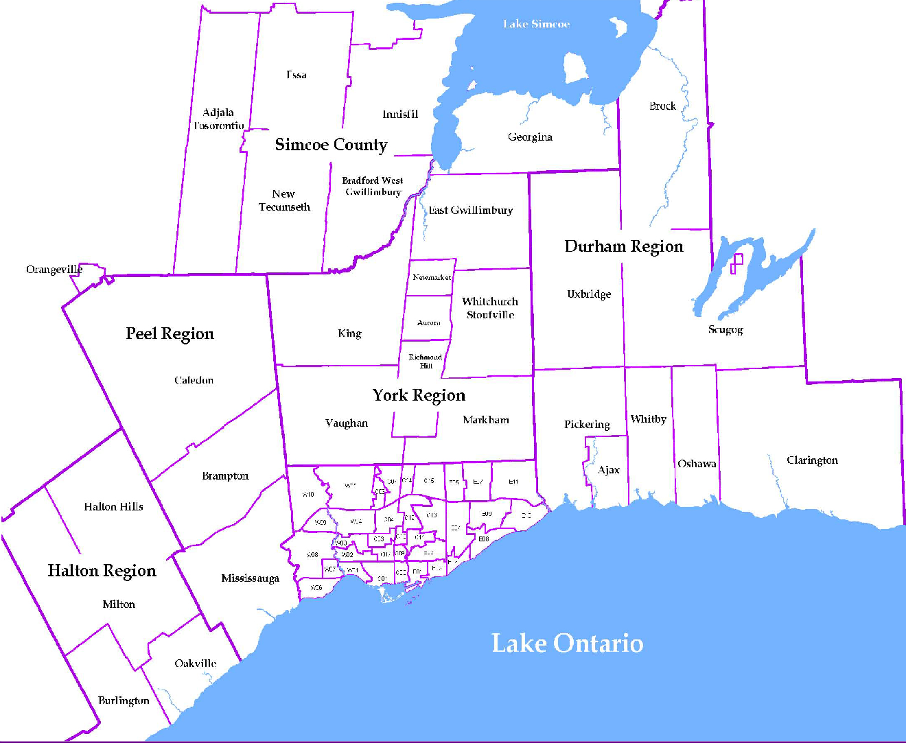
 |  |  |  |  |  |  |  |  | NOTES 1 - Refers to the total number of rental units that were available during the reporting period. 2 - Refers to firm lease transactions entered in the TorontoMLS system between the first and last day of the reporting period. 3 - Refers to the average lease rate for firm lease transactions entered in the TREB MLS® system between the first and last day of the reporting period. 4 - Statistics Canada, Quarter-over-quarter annualized growth rate. 5 - Statistics Canada, Year-over-year growth rate. 6 - Bank of Canada, rates for most recently completed month.
...
 |  |  |  |  | 17.2%
...
 |  |  |  |  |  | 0.4%
...
 |  |  |  |  |  |  |  |  |  |  |  |  |  |  |  |  | Rental Market Report, Third Quarter 2017 6
...

