Table 1
Rental Market Report
TREB Member Inquiries: (416) 443-8152 Media/Public Inquiries:
Third Quarter 2018 |  |  | (416) 443-8158
Economic Indicators Real GDP Quarterly Q2 2018 2.9% Toronto Employment Growth |  |  |  | TREB Releases Q3 2018 Condo Rental Market Stats TORONTO, October 18, 2018 – Toronto Real Estate Board President Garry Bhaura announced that Greater Toronto Area REALTORS® continued to report robust average annual rent increases for condominium apartments during the third quarter 2018 compared to Q3 2017. The overall number of lease transactions for condominium apartments was also up by 5.8 per cent year-over- year to 9,215 in Q3 2018. “Sustained population growth and low unemployment continued to drive demand for condominium apartment rentals in the GTA in the third quarter. Recent major investment announcements positively impacting the GTA economy will only further cement the demand for rental housing, as people move to the GTA to take advantage of quality job opportunities,” said Mr. Bhaura. “Policy makers, including those running for election at the municipal level, need to identify and fix existing policies that are hampering the ability to bring more rental supply on line. These same policy makers also have to develop new policies that could promote the development of more rental units moving forward,” added Mr. Bhaura. The average one bedroom condominium apartment rent increased by 9.5 per cent on a year-over- year basis to $2,163 in Q3 2018. The number of one-bedroom condominium apartments leased through TREB’s MLS® system totaled 5,344 – up 10.3 per cent compared to Q3 2017. The average two-bedroom condominium apartment rent increased by 8.3 per cent on a year-over- year basis to $2,822 in Q3 2018. The number of two-bedroom condominium apartments leased through TREB’s MLS® System amounted to 3,289 – a 1.7 per cent decrease compared to Q3 2017. “Average rents are continuing to increase at annual rates far beyond the rate of inflation in the GTA as rental demand remains very strong relative to the supply of units available. We will need to see a sustained period of time within which growth in the number of rental units listed outstrips gr |  |  |  |  |  |  |  |  |  |  |  |  |  |  |  |  |  | Total TREB MLS® Apartment Rentals 1,3
 |  |  |  |  |  |  |  |  |  |  |  |  |  |  |  |  |  |  |  |  |  |  | 9,215
September 2018 1.5% Toronto Unemployment Rate September 2018 -- 6.1% Inflation Rate (Yr./Yr. CPI Growth) August 2018 2.8% Bank of Canada Overnight Rate September 2018 -- 1.5% Prime Rate September 2018 -- 3.7% Fixed 5-Year Mortgage Rate September 2018 -- 5.34% Sources: Statistics Canada; Bank of Canada |  |  |  |  |  |  |  |  |  |  |  |  |  |  |  |  |  |  |  |  |  |  |  |  |  | 8,708
 |  |  |  |  |  |  |  |  |  |  |  |  |  |  |  |  |  |  |  |  |  | Q3 Q3 2018 2017 TREB MLS® Avg. 1-Bdrm. Apt. Rent 1,3
Rental Market Summary: Third Quarter 2018 Apartments1,2,3
 |  |  |  |  |  |  |  |  |  |  |  |  |  |  |  |  |  |  |  |  |  |  | $2,163
 |  |  |  |  |  |  |  |  |  |  |  |  |  |  |  |  |  |  |  |  |  |  |  |  |  | $1,976
 | All Bedroom Types |  |  | Bachelor |  |  |  |  |  | One-Bedroom |  |  |  | Two-Bedroom |  |  |  | Three-Bedroom
 | Listed | Leased |  | Leased |  |  |  | Avg. Rent |  | Leased |  | Avg. Rent |  | Leased |  | Avg. Rent |  | Leased |  | Avg. Rent
Q3 2018 | 12,655 | 9,215 |  | 386 |  |  |  | $1,854 |  | 5,344 |  | $2,163 |  | 3,289 |  | $2,822 |  | 196 |  | $3,303
Q3 2017 | 11,546 | 8,708 |  | 316 |  |  |  | $1,672 |  | 4,845 |  | $1,976 |  | 3,347 |  | $2,607 |  | 200 |  | $3,234
2Y0r.1/Y83r. % Chg. | 9.6% | 5.8% |  | 22.2% |  |  |  | 10.9% |  | 10.3% |  | 1 9.5% |  | 2 -1.7% |  | 8.3% 3 |  | -2.0% 0 |  | 2.1%
Townhouses1,2,3
 | All Bedroom Types |  |  | Bachelor |  |  |  |  |  | One-Bedroom |  |  |  | Two-Bedroom |  |  |  | Three-Bedroom
 | Listed | Leased |  | Leased |  |  |  | Avg. Rent |  | Leased |  | Avg. Rent |  | Leased |  | Avg. Rent |  | Leased |  | Avg. Rent
Q3 2018 | 1,008 | 691 |  | 1 |  |  |  | $1,025 |  | 62 |  | $1,858 |  | 246 |  | $2,316 |  | 382 |  | $2,585
 |  |  |  |  |  |  |  |  |  |  |  |  |  |  |  |  |  |  |  |  |  | Q3 Q3 2018 2017
Q3 2017 | 1,019 | 657 |  | 2 |  |  |  | $1,600 |  | 87 |  | $1,783 |  | 229 |  | $2,138 |  | 339 |  | $2,393
2Y0r.1/8Y3r. % Chg. | -1.1% | 5.2% |  | -50.0% |  |  |  | -35.9% |  | -28.7% |  | 4.2% |  | 7.4% |  | 8.3% |  | 8 12.7% |  | 8.0%

SUMMARY OF RENTAL TRANSACTIONS APARTMENTS, THIRD QUARTER 2018 ALL TREB AREAS
 |  |  | All Apartments |  |  |  |  |  |  |  | Bachelor |  |  |  | One-Bedroom |  |  |  |  |  | Two-Bedroom |  |  |  | Three-Bedroom
 |  |  | Total Listed1 |  |  |  | Total Leased2 |  |  |  | Leased 2 |  | Avg. Lease Rate3 |  | Leased 2 |  |  |  | Avg. Lease Rate3 |  | Leased 2 |  |  | Avg. Lease Rate3 | Leased 2 |  | Avg. Lease Rate3
TREB Total |  |  | 12,655 |  |  |  | 9,215 |  |  |  | 386 |  | $1,854 |  | 5,344 |  |  |  | $2,163 |  | 3,289 |  |  | $2,822 | 196 |  | $3,303
Halton Region |  |  | 220 |  |  |  | 150 |  |  |  | 1 |  | $1,400 |  | 63 |  |  |  | $1,815 |  | 80 |  |  | $2,292 | 6 |  | $2,433
Burlington |  |  | 57 |  |  |  | 37 |  |  |  | 0 |  | - |  | 15 |  |  |  | $1,740 |  | 22 |  |  | $2,193 | 0 |  | -
Halton Hills |  |  | 0 |  |  |  | 0 |  |  |  | 0 |  | - |  | 0 |  |  |  | - |  | 0 |  |  | - | 0 |  | -
Milton |  |  | 25 |  |  |  | 19 |  |  |  | 0 |  | - |  | 7 |  |  |  | $1,629 |  | 12 |  |  | $1,919 | 0 |  | -
Oakville |  |  | 138 |  |  |  | 94 |  |  |  | 1 |  | $1,400 |  | 41 |  |  |  | $1,874 |  | 46 |  |  | $2,436 | 6 |  | $2,433
Peel Region |  |  | 954 |  |  |  | 725 |  |  |  | 8 |  | $1,628 |  | 345 |  |  |  | $1,953 |  | 345 |  |  | $2,411 | 27 |  | $2,785
Brampton |  |  | 33 |  |  |  | 24 |  |  |  | 0 |  | - |  | 11 |  |  |  | $1,699 |  | 12 |  |  | $1,925 | 1 |  | $2,200
Caledon |  |  | 1 |  |  |  | 0 |  |  |  | 0 |  | - |  | 0 |  |  |  | - |  | 0 |  |  | - | 0 |  | -
Mississauga |  |  | 920 |  |  |  | 701 |  |  |  | 8 |  | $1,628 |  | 334 |  |  |  | $1,962 |  | 333 |  |  | $2,429 | 26 |  | $2,807
City of Toronto |  |  | 10,174 |  |  |  | 7,392 |  |  |  | 375 |  | $1,862 |  | 4,355 |  |  |  | $2,232 |  | 2,511 |  |  | $2,972 | 151 |  | $3,499
Toronto West |  |  | 1,195 |  |  |  | 905 |  |  |  | 15 |  | $1,584 |  | 514 |  |  |  | $1,997 |  | 358 |  |  | $2,588 | 18 |  | $3,022
Toronto Central |  |  | 8,409 |  |  |  | 6,036 |  |  |  | 352 |  | $1,879 |  | 3,611 |  |  |  | $2,285 |  | 1,962 |  |  | $3,112 | 111 |  | $3,794
Toronto East |  |  | 570 |  |  |  | 451 |  |  |  | 8 |  | $1,608 |  | 230 |  |  |  | $1,929 |  | 191 |  |  | $2,251 | 22 |  | $2,396
York Region |  |  | 1,226 |  |  |  | 914 |  |  |  | 2 |  | $1,425 |  | 565 |  |  |  | $1,817 |  | 336 |  |  | $2,297 | 11 |  | $2,498
Aurora |  |  | 11 |  |  |  | 8 |  |  |  | 0 |  | - |  | 3 |  |  |  | $1,733 |  | 5 |  |  | $2,280 | 0 |  | -
E. Gwillimbury |  |  | 0 |  |  |  | 0 |  |  |  | 0 |  | - |  | 0 |  |  |  | - |  | 0 |  |  | - | 0 |  | -
Georgina |  |  | 0 |  |  |  | 0 |  |  |  | 0 |  | - |  | 0 |  |  |  | - |  | 0 |  |  | - | 0 |  | -
King |  |  | 0 |  |  |  | 0 |  |  |  | 0 |  | - |  | 0 |  |  |  | - |  | 0 |  |  | - | 0 |  | -
Markham |  |  | 633 |  |  |  | 502 |  |  |  | 1 |  | $1,350 |  | 347 |  |  |  | $1,805 |  | 147 |  |  | $2,268 | 7 |  | $2,468
Newmarket |  |  | 4 |  |  |  | 3 |  |  |  | 0 |  | - |  | 0 |  |  |  | - |  | 3 |  |  | $1,800 | 0 |  | -
Richmond Hill |  |  | 305 |  |  |  | 211 |  |  |  | 1 |  | $1,500 |  | 119 |  |  |  | $1,813 |  | 89 |  |  | $2,308 | 2 |  | $2,725
Vaughan |  |  | 271 |  |  |  | 189 |  |  |  | 0 |  | - |  | 96 |  |  |  | $1,866 |  | 91 |  |  | $2,356 | 2 |  | $2,375
Whitchurch-Stouffville |  |  | 2 |  |  |  | 1 |  |  |  | 0 |  | - |  | 0 |  |  |  | - |  | 1 |  |  | $1,900 | 0 |  | -
Durham Region |  |  | 54 |  |  |  | 29 |  |  |  | 0 |  | - |  | 12 |  |  |  | $1,648 |  | 16 |  |  | $1,949 | 1 |  | $1,890
Ajax |  |  | 3 |  |  |  | 2 |  |  |  | 0 |  | - |  | 1 |  |  |  | $1,600 |  | 1 |  |  | $1,800 | 0 |  | -
Brock |  |  | 0 |  |  |  | 0 |  |  |  | 0 |  | - |  | 0 |  |  |  | - |  | 0 |  |  | - | 0 |  | -
Clarington |  |  | 10 |  |  |  | 4 |  |  |  | 0 |  | - |  | 3 |  |  |  | $1,458 |  | 1 |  |  | $1,300 | 0 |  | -
Oshawa |  |  | 15 |  |  |  | 5 |  |  |  | 0 |  | - |  | 2 |  |  |  | $1,350 |  | 2 |  |  | $1,670 | 1 |  | $1,890
Pickering |  |  | 19 |  |  |  | 15 |  |  |  | 0 |  | - |  | 6 |  |  |  | $1,850 |  | 9 |  |  | $2,156 | 0 |  | -
Scugog |  |  | 0 |  |  |  | 0 |  |  |  | 0 |  | - |  | 0 |  |  |  | - |  | 0 |  |  | - | 0 |  | -
Uxbridge |  |  | 1 |  |  |  | 0 |  |  |  | 0 |  | - |  | 0 |  |  |  | - |  | 0 |  |  | - | 0 |  | -
Whitby |  |  | 6 |  |  |  | 3 |  |  |  | 0 |  | - |  | 0 |  |  |  | - |  | 3 |  |  | $1,783 | 0 |  | -
Dufferin County |  |  | 0 |  |  |  | 0 |  |  |  | 0 |  | - |  | 0 |  |  |  | - |  | 0 |  |  | - | 0 |  | -
Orangeville |  |  | 0 |  |  |  | 0 |  |  |  | 0 |  | - |  | 0 |  |  |  | - |  | 0 |  |  | - | 0 |  | -
Simcoe County |  |  | 27 |  |  |  | 5 |  |  |  | 0 |  | - |  | 4 |  |  |  | $1,381 |  | 1 |  |  | $1,950 | 0 |  | -
Adjala-Tosorontio |  |  | 0 |  |  |  | 0 |  |  |  | 0 |  | - |  | 0 |  |  |  | - |  | 0 |  |  | - | 0 |  | -
Bradford West Gwillimbury |  |  | 0 |  |  |  | 0 |  |  |  | 0 |  | - |  | 0 |  |  |  | - |  | 0 |  |  | - | 0 |  | -
Essa |  |  | 0 |  |  |  | 0 |  |  |  | 0 |  | - |  | 0 |  |  |  | - |  | 0 |  |  | - | 0 |  | -
Innisfil |  |  | 26 |  |  |  | 4 |  |  |  | 0 |  | - |  | 3 |  |  |  | $1,417 |  | 1 |  |  | $1,950 | 0 |  | -
New Tecumseth |  |  | 1 |  |  |  | 1 |  |  |  | 0 |  | - |  | 1 |  |  |  | $1,275 |  | 0 |  |  | - | 0 |  | -
SUMMARY OF RENTAL TRANSACTIONS APARTMENTS, THIRD QUARTER 2018 CITY OF TORONTO MUNICIPAL BREAKDOWN
 |  |  | All Apartments |  |  |  |  |  |  |  | Bachelor |  |  |  | One-Bedroom |  |  |  |  |  | Two-Bedroom |  |  |  | Three-Bedroom
 |  |  | Total Listed 1 |  |  |  | Total Leased 2 |  |  |  | Leased 2 |  | Avg. Lease Rate3 |  | Leased 2 |  |  |  | Avg. Lease Rate3 |  | Leased 2 |  |  | Avg. Lease Rate3 | Leased2 |  | Avg. Lease Rate3
TREB Total |  |  | 12,655 |  |  |  | 9,215 |  |  |  | 386 |  | $1,854 |  | 5,344 |  |  |  | $2,163 |  | 3,289 |  |  | $2,822 | 196 |  | $3,303
City of Toronto Total |  |  | 10,174 |  |  |  | 7,392 |  |  |  | 375 |  | $1,862 |  | 4,355 |  |  |  | $2,232 |  | 2,511 |  |  | $2,972 | 151 |  | $3,499
Toronto West |  |  | 1,195 |  |  |  | 905 |  |  |  | 15 |  | $1,584 |  | 514 |  |  |  | $1,997 |  | 358 |  |  | $2,588 | 18 |  | $3,022
Toronto W01 |  |  | 89 |  |  |  | 59 |  |  |  | 0 |  | - |  | 38 |  |  |  | $2,182 |  | 18 |  |  | $2,908 | 3 |  | $4,000
Toronto W02 |  |  | 87 |  |  |  | 62 |  |  |  | 5 |  | $1,660 |  | 41 |  |  |  | $2,055 |  | 16 |  |  | $2,786 | 0 |  | -
Toronto W03 |  |  | 7 |  |  |  | 6 |  |  |  | 0 |  | - |  | 2 |  |  |  | $1,888 |  | 4 |  |  | $2,400 | 0 |  | -
Toronto W04 |  |  | 102 |  |  |  | 80 |  |  |  | 1 |  | $1,250 |  | 43 |  |  |  | $1,835 |  | 28 |  |  | $2,313 | 8 |  | $2,613
Toronto W05 |  |  | 51 |  |  |  | 44 |  |  |  | 3 |  | $1,425 |  | 26 |  |  |  | $1,886 |  | 15 |  |  | $2,226 | 0 |  | -
Toronto W06 |  |  | 502 |  |  |  | 384 |  |  |  | 6 |  | $1,655 |  | 205 |  |  |  | $2,056 |  | 169 |  |  | $2,734 | 4 |  | $3,588
Toronto W07 |  |  | 8 |  |  |  | 5 |  |  |  | 0 |  | - |  | 4 |  |  |  | $2,350 |  | 1 |  |  | $5,000 | 0 |  | -
Toronto W08 |  |  | 283 |  |  |  | 216 |  |  |  | 0 |  | - |  | 130 |  |  |  | $1,934 |  | 84 |  |  | $2,477 | 2 |  | $2,425
Toronto W09 |  |  | 14 |  |  |  | 9 |  |  |  | 0 |  | - |  | 3 |  |  |  | $1,800 |  | 5 |  |  | $2,025 | 1 |  | $2,300
Toronto W10 |  |  | 52 |  |  |  | 40 |  |  |  | 0 |  | - |  | 22 |  |  |  | $1,812 |  | 18 |  |  | $2,033 | 0 |  | -
Toronto Central |  |  | 8,409 |  |  |  | 6,036 |  |  |  | 352 |  | $1,879 |  | 3,611 |  |  |  | $2,285 |  | 1,962 |  |  | $3,112 | 111 |  | $3,794
Toronto C01 |  |  | 3,845 |  |  |  | 2,727 |  |  |  | 176 |  | $1,912 |  | 1,744 |  |  |  | $2,377 |  | 760 |  |  | $3,331 | 47 |  | $4,356
Toronto C02 |  |  | 378 |  |  |  | 237 |  |  |  | 18 |  | $1,933 |  | 137 |  |  |  | $2,434 |  | 81 |  |  | $4,461 | 1 |  | $11,500
Toronto C03 |  |  | 60 |  |  |  | 45 |  |  |  | 1 |  | $1,600 |  | 27 |  |  |  | $2,088 |  | 17 |  |  | $3,054 | 0 |  | -
Toronto C04 |  |  | 38 |  |  |  | 24 |  |  |  | 3 |  | $1,508 |  | 10 |  |  |  | $2,067 |  | 10 |  |  | $3,131 | 1 |  | $3,100
Toronto C06 |  |  | 44 |  |  |  | 36 |  |  |  | 0 |  | - |  | 14 |  |  |  | $1,884 |  | 20 |  |  | $2,431 | 2 |  | $3,175
Toronto C07 |  |  | 412 |  |  |  | 327 |  |  |  | 0 |  | - |  | 156 |  |  |  | $2,146 |  | 151 |  |  | $2,724 | 20 |  | $3,142
Toronto C08 |  |  | 1,651 |  |  |  | 1,105 |  |  |  | 129 |  | $1,870 |  | 661 |  |  |  | $2,363 |  | 307 |  |  | $3,250 | 8 |  | $4,625
Toronto C09 |  |  | 66 |  |  |  | 46 |  |  |  | 0 |  | - |  | 19 |  |  |  | $2,361 |  | 26 |  |  | $3,343 | 1 |  | $4,250
Toronto C10 |  |  | 252 |  |  |  | 184 |  |  |  | 2 |  | $1,875 |  | 116 |  |  |  | $2,223 |  | 65 |  |  | $3,052 | 1 |  | $2,820
Toronto C11 |  |  | 70 |  |  |  | 48 |  |  |  | 0 |  | - |  | 22 |  |  |  | $1,840 |  | 22 |  |  | $2,377 | 4 |  | $2,275
...
 |  |  |  |  |  |  | 4 |  |  |  | 0 |  | - |  | 0 |  |  |  | - |  | 1 |  |  | $3,895
 |  |  |  |  |  |  | 0 |  |  |  | 0 |  | - |  | 0 |  |  |  | - |  | 0 |  |  | -
 |  |  |  |  |  |  | 1 |  |  |  | 0 |  | - |  | 0 |  |  |  | - |  | 0 |  |  | -
 |  |  |  |  |  |  | 9 |  |  |  | 0 |  | - |  | 1 |  |  |  | $1,250 |  | 0 |  |  | -
 |  |  |  |  |  |  | 1 |  |  |  | 0 |  | - |  | 0 |  |  |  | - |  | 0 |  |  | -
 |  |  |  |  |  |  | 6 |  |  |  | 0 |  | - |  | 1 |  |  |  | $900 |  | 0 |  |  | -
 |  |  |  |  |  |  | 0 |  |  |  | 0 |  | - |  | 0 |  |  |  | - |  | 0 |  |  | -
 |  |  |  |  |  |  | 11 |  |  |  | 0 |  | - |  | 0 |  |  |  | - |  | 6 |  |  | $2,200
 |  |  |  |  |  |  | 4 |  |  |  | 0 |  | - |  | 0 |  |  |  | - |  | 0 |  |  | -
 |  |  |  |  |  |  | 13 |  |  |  | 0 |  | - |  | 2 |  |  |  | $1,750 |  | 2 |  |  | $1,700
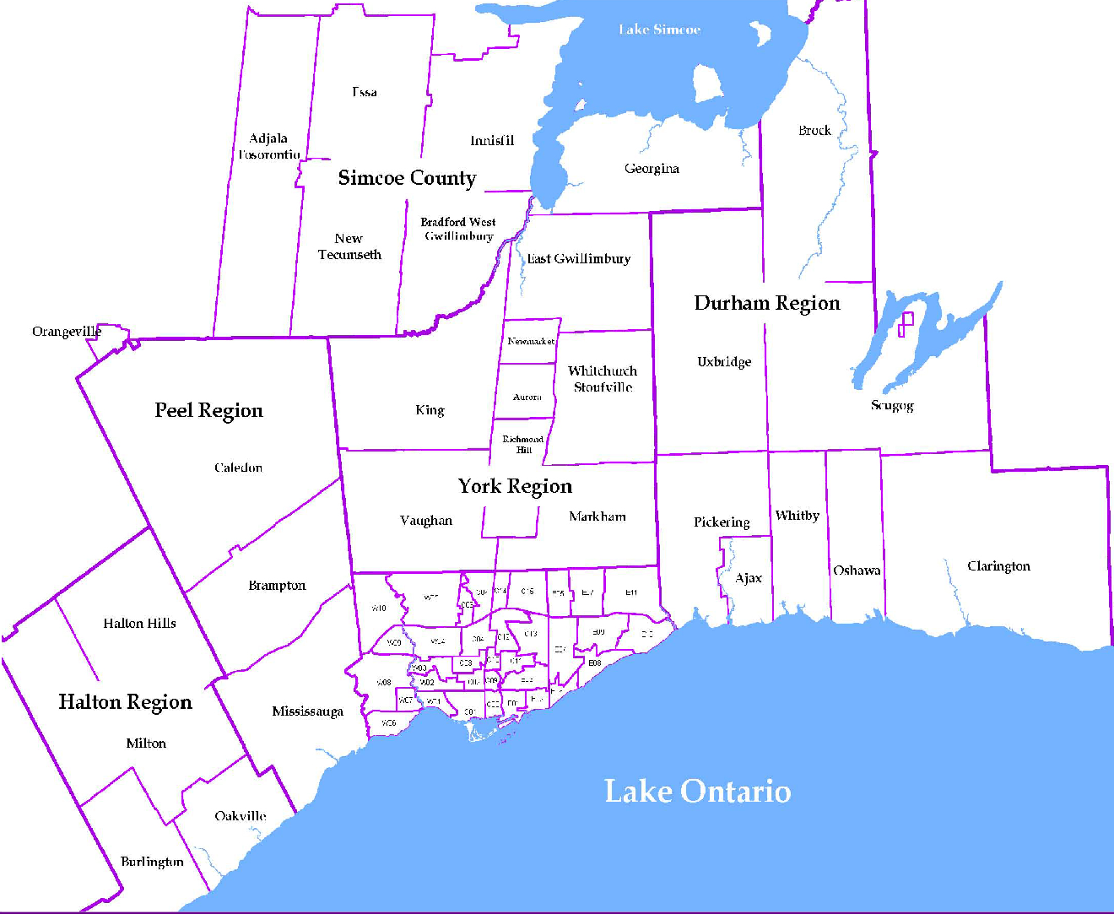
 |  |  |  |  |  |  |  |  | NOTES 1 - Refers to the total number of rental units that were available during the reporting period. 2 - Refers to firm lease transactions entered in the TorontoMLS system between the first and last day of the reporting period. 3 - Refers to the average lease rate for firm lease transactions entered in the TREB MLS® system between the first and last day of the reporting period. 4 - Statistics Canada, Quarter-over-quarter annualized growth rate. 5 - Statistics Canada, Year-over-year growth rate. 6 - Bank of Canada, rates for most recently completed month.
...
 |  |  |  |  | 21.6%
...
 |  |  |  |  |  | 0.3%
...
 |  |  |  |  |  |  |  |  |  |  |  |  |  |  |  |  | Rental Market Report, Third Quarter 2018 6
...

