Table 1
Rental Market Report
TREB Member Inquiries: (416) 443-8152 Media/Public Inquiries:
Third Quarter 2019 |  |  | (416) 443-8158
Economic Indicators Real GDP Quarterly Q2 2019 3.7% Toronto Employment Growth |  |  |  | TREB Releases Q3 2019 Condo Rental Market Stats TORONTO, October 3, 2019 – Toronto Real Estate Board President Michael Collins announced that Greater Toronto Area REALTORS® reported 10,800 condominium apartment rentals through TREB’s MLS® System in the third quarter of 2019. This result was up by 17.3 per cent compared to the third quarter of 2018. The number of condominium apartments listed for rent at some point during Q3 2019 was up by 30.1 per cent compared to Q3 2018. “The fact that rental condominium apartment listings grew at a faster year-over-year pace compared to rental transactions suggests that the rental market has become better- supplied over the past year. Steady condominium apartment completions coupled with strong average rent growth have prompted many investor-owners to list their units for rent. If growth in rental listings continues to outstrip growth in rental transactions for a sustained period, we could see a more balanced market in the future,” said TREB President Michael Collins. Average condominium apartment rents were up on a year-over-year basis across all unit types. The average one-bedroom condominium apartment rent was $2,262 in Q3 2019 – up 4.5 per cent compared to Q3 2018. The average two-bedroom condominium apartment rent was up by 4.2 per cent over the same period to $2,941. “Rental market conditions remained very tight in the GTA in the third quarter, as evidenced by average annual rent increases double the rate of inflation. With this being said, however, the pace of average rent growth has slowed noticeably over the past twelve months as we have seen an acceleration in listings. This suggests that renters are benefitting from more choice in the marketplace,” said Jason Mercer, TREB’s Chief Market Analyst. |  |  |  |  |  |  |  |  |  |  |  |  |  |  |  |  | Total TREB MLS® Apartment Rentals 1,3
 |  |  |  |  |  |  |  |  |  |  |  |  |  |  |  |  |  |  |  |  |  | 10,800
August 2019 4.2% Toronto Unemployment Rate August 2019 5.9% Inflation Rate (Yr./Yr. CPI Growth) August 2019 1.9% Bank of Canada Overnight Rate September 2019 -- 1.8% Prime Rate September 2019 -- 4.0% Fixed 5-Year Mortgage Rate September 2019 -- 5.19% Sources: Statistics Canada; Bank of Canada
 |  |  |  |  |  |  |  |  |  |  |  |  |  |  |  |  |  |  |  |  |  |  |  |  | 9,205
 |  |  |  |  |  |  |  |  |  |  |  |  |  |  |  |  |  |  |  |  | Q3 Q3 2019 2018 TREB MLS® Avg. 1-Bdrm. Apt. Rent 1,3
Rental Market Summary: Third Quarter 2019 Apartments1,2,3
 |  |  |  |  |  |  |  |  |  |  |  |  |  |  |  |  |  |  |  |  |  | $2,262 |  |  | $2,163
 | All Bedroom Types |  |  | Bachelor |  |  |  |  | One-Bedroom |  |  |  | Two-Bedroom |  |  |  | Three-Bedroom
 | Listed | Leased |  | Leased |  |  | Avg. Rent |  | Leased |  | Avg. Rent |  | Leased |  | Avg. Rent |  | Leased |  | Avg. Rent
Q3 2019 | 16,407 | 10,800 |  | 480 |  |  | $1,903 |  | 6,332 |  | $2,262 |  | 3,736 |  | $2,941 |  | 252 |  | $3,749
Q3 2018 | 12,608 | 9,205 |  | 386 |  |  | $1,854 |  | 5,338 |  | $2,163 |  | 3,286 |  | $2,822 |  | 195 |  | $3,304
2Y0r.1/Y93r. % Chg. | 30.1% | 17.3% |  | 24.4% |  |  | 2.7% |  | 18.6% |  | 1 4.5% |  | 4 13.7% |  | 4.2% 6 |  | 29.2% 3 |  | 13.5%
Townhouses1,2,3
 | All Bedroom Types |  |  | Bachelor |  |  |  |  | One-Bedroom |  |  |  | Two-Bedroom |  |  |  | Three-Bedroom
 | Listed | Leased |  | Leased |  |  | Avg. Rent |  | Leased |  | Avg. Rent |  | Leased |  | Avg. Rent |  | Leased |  | Avg. Rent
Q3 2019 | 1,260 | 813 |  | 1 |  |  | $1,650 |  | 68 |  | $2,052 |  | 336 |  | $2,554 |  | 408 |  | $2,842
 |  |  |  |  |  |  |  |  |  |  |  |  |  |  |  |  |  |  |  |  | Q3 Q3 2019 2018
Q3 2018 | 1,003 | 691 |  | 1 |  |  | $1,025 |  | 62 |  | $1,858 |  | 246 |  | $2,316 |  | 382 |  | $2,585
2Y0r.1/9Y3r. % Chg. | 25.6% | 17.7% |  | 0.0% |  |  | 61.0% |  | 9.7% |  | 10.5% |  | 36.6% |  | 10.3% |  | 4 6.8% |  | 10.0%

SUMMARY OF RENTAL TRANSACTIONS APARTMENTS, THIRD QUARTER 2019 ALL TREB AREAS
 |  |  | All Apartments |  |  |  |  |  |  | Bachelor |  |  |  | One-Bedroom |  |  |  |  |  | Two-Bedroom |  |  |  | Three-Bedroom
 |  |  | Total Listed1 |  |  | Total Leased2 |  |  |  | Leased 2 |  | Avg. Lease Rate3 |  | Leased 2 |  |  |  | Avg. Lease Rate3 |  | Leased 2 |  |  | Avg. Lease Rate3 | Leased 2 |  | Avg. Lease Rate3
TREB Total |  |  | 16,407 |  |  | 10,800 |  |  |  | 480 |  | $1,903 |  | 6,332 |  |  |  | $2,262 |  | 3,736 |  |  | $2,941 | 252 |  | $3,749
Halton Region |  |  | 265 |  |  | 185 |  |  |  | 1 |  | $1,450 |  | 89 |  |  |  | $1,984 |  | 90 |  |  | $2,560 | 5 |  | $3,910
Burlington |  |  | 77 |  |  | 58 |  |  |  | 0 |  | - |  | 26 |  |  |  | $1,967 |  | 29 |  |  | $2,543 | 3 |  | $3,017
Halton Hills |  |  | 4 |  |  | 2 |  |  |  | 0 |  | - |  | 0 |  |  |  | - |  | 2 |  |  | $2,175 | 0 |  | -
Milton |  |  | 33 |  |  | 28 |  |  |  | 0 |  | - |  | 11 |  |  |  | $1,890 |  | 17 |  |  | $2,147 | 0 |  | -
Oakville |  |  | 151 |  |  | 97 |  |  |  | 1 |  | $1,450 |  | 52 |  |  |  | $2,012 |  | 42 |  |  | $2,757 | 2 |  | $5,250
Peel Region |  |  | 1,233 |  |  | 845 |  |  |  | 6 |  | $1,764 |  | 400 |  |  |  | $2,167 |  | 401 |  |  | $2,581 | 38 |  | $3,079
Brampton |  |  | 56 |  |  | 41 |  |  |  | 2 |  | $1,588 |  | 15 |  |  |  | $1,871 |  | 23 |  |  | $2,276 | 1 |  | $2,350
Caledon |  |  | 1 |  |  | 0 |  |  |  | 0 |  | - |  | 0 |  |  |  | - |  | 0 |  |  | - | 0 |  | -
Mississauga |  |  | 1,176 |  |  | 804 |  |  |  | 4 |  | $1,853 |  | 385 |  |  |  | $2,178 |  | 378 |  |  | $2,600 | 37 |  | $3,099
City of Toronto |  |  | 13,578 |  |  | 8,882 |  |  |  | 461 |  | $1,925 |  | 5,321 |  |  |  | $2,303 |  | 2,912 |  |  | $3,057 | 188 |  | $4,000
Toronto West |  |  | 1,413 |  |  | 914 |  |  |  | 13 |  | $1,635 |  | 544 |  |  |  | $2,133 |  | 338 |  |  | $2,717 | 19 |  | $3,482
Toronto Central |  |  | 11,316 |  |  | 7,379 |  |  |  | 435 |  | $1,936 |  | 4,474 |  |  |  | $2,339 |  | 2,325 |  |  | $3,166 | 145 |  | $4,287
Toronto East |  |  | 849 |  |  | 589 |  |  |  | 13 |  | $1,848 |  | 303 |  |  |  | $2,072 |  | 249 |  |  | $2,502 | 24 |  | $2,675
York Region |  |  | 1,197 |  |  | 824 |  |  |  | 2 |  | $1,615 |  | 494 |  |  |  | $1,978 |  | 312 |  |  | $2,487 | 16 |  | $2,858
Aurora |  |  | 9 |  |  | 7 |  |  |  | 0 |  | - |  | 5 |  |  |  | $1,816 |  | 2 |  |  | $2,025 | 0 |  | -
E. Gwillimbury |  |  | 0 |  |  | 0 |  |  |  | 0 |  | - |  | 0 |  |  |  | - |  | 0 |  |  | - | 0 |  | -
Georgina |  |  | 0 |  |  | 0 |  |  |  | 0 |  | - |  | 0 |  |  |  | - |  | 0 |  |  | - | 0 |  | -
King |  |  | 3 |  |  | 2 |  |  |  | 0 |  | - |  | 1 |  |  |  | $2,400 |  | 1 |  |  | $2,950 | 0 |  | -
Markham |  |  | 585 |  |  | 405 |  |  |  | 2 |  | $1,615 |  | 241 |  |  |  | $1,959 |  | 152 |  |  | $2,447 | 10 |  | $2,817
Newmarket |  |  | 3 |  |  | 1 |  |  |  | 0 |  | - |  | 0 |  |  |  | - |  | 0 |  |  | - | 1 |  | $2,150
Richmond Hill |  |  | 316 |  |  | 226 |  |  |  | 0 |  | - |  | 146 |  |  |  | $1,970 |  | 77 |  |  | $2,498 | 3 |  | $2,600
Vaughan |  |  | 278 |  |  | 181 |  |  |  | 0 |  | - |  | 101 |  |  |  | $2,038 |  | 78 |  |  | $2,569 | 2 |  | $3,800
Whitchurch-Stouffville |  |  | 3 |  |  | 2 |  |  |  | 0 |  | - |  | 0 |  |  |  | - |  | 2 |  |  | $2,050 | 0 |  | -
Durham Region |  |  | 98 |  |  | 53 |  |  |  | 8 |  | $977 |  | 25 |  |  |  | $1,610 |  | 16 |  |  | $2,066 | 4 |  | $1,975
Ajax |  |  | 6 |  |  | 4 |  |  |  | 0 |  | - |  | 1 |  |  |  | $1,675 |  | 3 |  |  | $1,983 | 0 |  | -
Brock |  |  | 0 |  |  | 0 |  |  |  | 0 |  | - |  | 0 |  |  |  | - |  | 0 |  |  | - | 0 |  | -
Clarington |  |  | 6 |  |  | 4 |  |  |  | 0 |  | - |  | 2 |  |  |  | $1,725 |  | 2 |  |  | $1,675 | 0 |  | -
Oshawa |  |  | 59 |  |  | 24 |  |  |  | 8 |  | $977 |  | 13 |  |  |  | $1,372 |  | 2 |  |  | $2,180 | 1 |  | $1,849
Pickering |  |  | 22 |  |  | 16 |  |  |  | 0 |  | - |  | 7 |  |  |  | $1,975 |  | 6 |  |  | $2,258 | 3 |  | $2,017
Scugog |  |  | 0 |  |  | 0 |  |  |  | 0 |  | - |  | 0 |  |  |  | - |  | 0 |  |  | - | 0 |  | -
Uxbridge |  |  | 0 |  |  | 0 |  |  |  | 0 |  | - |  | 0 |  |  |  | - |  | 0 |  |  | - | 0 |  | -
Whitby |  |  | 5 |  |  | 5 |  |  |  | 0 |  | - |  | 2 |  |  |  | $1,725 |  | 3 |  |  | $1,948 | 0 |  | -
Dufferin County |  |  | 1 |  |  | 0 |  |  |  | 0 |  | - |  | 0 |  |  |  | - |  | 0 |  |  | - | 0 |  | -
Orangeville |  |  | 1 |  |  | 0 |  |  |  | 0 |  | - |  | 0 |  |  |  | - |  | 0 |  |  | - | 0 |  | -
Simcoe County |  |  | 35 |  |  | 11 |  |  |  | 2 |  | $1,525 |  | 3 |  |  |  | $1,517 |  | 5 |  |  | $2,120 | 1 |  | $2,750
Adjala-Tosorontio |  |  | 0 |  |  | 0 |  |  |  | 0 |  | - |  | 0 |  |  |  | - |  | 0 |  |  | - | 0 |  | -
Bradford West Gwillimbury |  |  | 1 |  |  | 1 |  |  |  | 0 |  | - |  | 0 |  |  |  | - |  | 1 |  |  | $1,900 | 0 |  | -
Essa |  |  | 0 |  |  | 0 |  |  |  | 0 |  | - |  | 0 |  |  |  | - |  | 0 |  |  | - | 0 |  | -
Innisfil |  |  | 31 |  |  | 7 |  |  |  | 2 |  | $1,525 |  | 1 |  |  |  | $1,550 |  | 3 |  |  | $2,300 | 1 |  | $2,750
New Tecumseth |  |  | 3 |  |  | 3 |  |  |  | 0 |  | - |  | 2 |  |  |  | $1,500 |  | 1 |  |  | $1,800 | 0 |  | -
SUMMARY OF RENTAL TRANSACTIONS APARTMENTS, THIRD QUARTER 2019 CITY OF TORONTO MUNICIPAL BREAKDOWN
 |  |  | All Apartments |  |  |  |  |  |  | Bachelor |  |  |  | One-Bedroom |  |  |  |  |  | Two-Bedroom |  |  |  | Three-Bedroom
 |  |  | Total Listed 1 |  |  | Total Leased 2 |  |  |  | Leased 2 |  | Avg. Lease Rate3 |  | Leased 2 |  |  |  | Avg. Lease Rate3 |  | Leased 2 |  |  | Avg. Lease Rate3 | Leased2 |  | Avg. Lease Rate3
TREB Total |  |  | 16,407 |  |  | 10,800 |  |  |  | 480 |  | $1,903 |  | 6,332 |  |  |  | $2,262 |  | 3,736 |  |  | $2,941 | 252 |  | $3,749
City of Toronto Total |  |  | 13,578 |  |  | 8,882 |  |  |  | 461 |  | $1,925 |  | 5,321 |  |  |  | $2,303 |  | 2,912 |  |  | $3,057 | 188 |  | $4,000
Toronto West |  |  | 1,413 |  |  | 914 |  |  |  | 13 |  | $1,635 |  | 544 |  |  |  | $2,133 |  | 338 |  |  | $2,717 | 19 |  | $3,482
Toronto W01 |  |  | 104 |  |  | 59 |  |  |  | 1 |  | $2,100 |  | 36 |  |  |  | $2,276 |  | 21 |  |  | $3,028 | 1 |  | $3,300
Toronto W02 |  |  | 105 |  |  | 62 |  |  |  | 2 |  | $1,875 |  | 41 |  |  |  | $2,168 |  | 18 |  |  | $3,065 | 1 |  | $2,900
Toronto W03 |  |  | 9 |  |  | 5 |  |  |  | 1 |  | $1,300 |  | 2 |  |  |  | $1,865 |  | 0 |  |  | - | 2 |  | $2,800
Toronto W04 |  |  | 109 |  |  | 80 |  |  |  | 2 |  | $1,650 |  | 48 |  |  |  | $2,003 |  | 26 |  |  | $2,442 | 4 |  | $2,840
Toronto W05 |  |  | 53 |  |  | 38 |  |  |  | 4 |  | $1,413 |  | 19 |  |  |  | $2,083 |  | 15 |  |  | $2,383 | 0 |  | -
Toronto W06 |  |  | 684 |  |  | 413 |  |  |  | 2 |  | $1,725 |  | 241 |  |  |  | $2,175 |  | 163 |  |  | $2,832 | 7 |  | $4,507
Toronto W07 |  |  | 9 |  |  | 7 |  |  |  | 0 |  | - |  | 5 |  |  |  | $2,330 |  | 2 |  |  | $2,500 | 0 |  | -
Toronto W08 |  |  | 278 |  |  | 204 |  |  |  | 1 |  | $1,700 |  | 128 |  |  |  | $2,098 |  | 71 |  |  | $2,584 | 4 |  | $2,863
Toronto W09 |  |  | 11 |  |  | 7 |  |  |  | 0 |  | - |  | 1 |  |  |  | $1,950 |  | 6 |  |  | $2,408 | 0 |  | -
Toronto W10 |  |  | 51 |  |  | 39 |  |  |  | 0 |  | - |  | 23 |  |  |  | $1,908 |  | 16 |  |  | $2,242 | 0 |  | -
Toronto Central |  |  | 11,316 |  |  | 7,379 |  |  |  | 435 |  | $1,936 |  | 4,474 |  |  |  | $2,339 |  | 2,325 |  |  | $3,166 | 145 |  | $4,287
Toronto C01 |  |  | 4,931 |  |  | 3,133 |  |  |  | 213 |  | $1,958 |  | 2,015 |  |  |  | $2,417 |  | 842 |  |  | $3,443 | 63 |  | $4,788
Toronto C02 |  |  | 474 |  |  | 224 |  |  |  | 17 |  | $1,957 |  | 126 |  |  |  | $2,590 |  | 80 |  |  | $4,424 | 1 |  | $6,050
Toronto C03 |  |  | 142 |  |  | 92 |  |  |  | 4 |  | $1,562 |  | 40 |  |  |  | $2,116 |  | 41 |  |  | $2,985 | 7 |  | $4,979
Toronto C04 |  |  | 59 |  |  | 32 |  |  |  | 3 |  | $1,692 |  | 15 |  |  |  | $2,236 |  | 11 |  |  | $3,445 | 3 |  | $3,940
Toronto C06 |  |  | 50 |  |  | 32 |  |  |  | 0 |  | - |  | 16 |  |  |  | $2,058 |  | 15 |  |  | $2,460 | 1 |  | $3,300
Toronto C07 |  |  | 503 |  |  | 357 |  |  |  | 1 |  | $1,660 |  | 162 |  |  |  | $2,265 |  | 173 |  |  | $2,818 | 21 |  | $3,224
Toronto C08 |  |  | 2,372 |  |  | 1,551 |  |  |  | 161 |  | $1,952 |  | 960 |  |  |  | $2,378 |  | 408 |  |  | $3,218 | 22 |  | $4,466
Toronto C09 |  |  | 79 |  |  | 45 |  |  |  | 0 |  | - |  | 17 |  |  |  | $2,802 |  | 28 |  |  | $3,617 | 0 |  | -
Toronto C10 |  |  | 468 |  |  | 299 |  |  |  | 5 |  | $1,850 |  | 183 |  |  |  | $2,243 |  | 109 |  |  | $3,016 | 2 |  | $4,225
...
 |  |  |  |  |  | 4 |  |  |  | 0 |  | - |  | 0 |  |  |  | - |  | 1 |  |  | $2,700
 |  |  |  |  |  | 0 |  |  |  | 0 |  | - |  | 0 |  |  |  | - |  | 0 |  |  | -
 |  |  |  |  |  | 6 |  |  |  | 0 |  | - |  | 0 |  |  |  | - |  | 1 |  |  | $2,400
 |  |  |  |  |  | 13 |  |  |  | 0 |  | - |  | 1 |  |  |  | $750 |  | 1 |  |  | $2,100
 |  |  |  |  |  | 1 |  |  |  | 0 |  | - |  | 0 |  |  |  | - |  | 1 |  |  | $2,690
 |  |  |  |  |  | 4 |  |  |  | 0 |  | - |  | 0 |  |  |  | - |  | 0 |  |  | -
 |  |  |  |  |  | 2 |  |  |  | 0 |  | - |  | 0 |  |  |  | - |  | 0 |  |  | -
 |  |  |  |  |  | 3 |  |  |  | 0 |  | - |  | 0 |  |  |  | - |  | 1 |  |  | $2,750
 |  |  |  |  |  | 4 |  |  |  | 0 |  | - |  | 0 |  |  |  | - |  | 1 |  |  | $2,290
 |  |  |  |  |  | 8 |  |  |  | 0 |  | - |  | 3 |  |  |  | $1,450 |  | 3 |  |  | $2,067
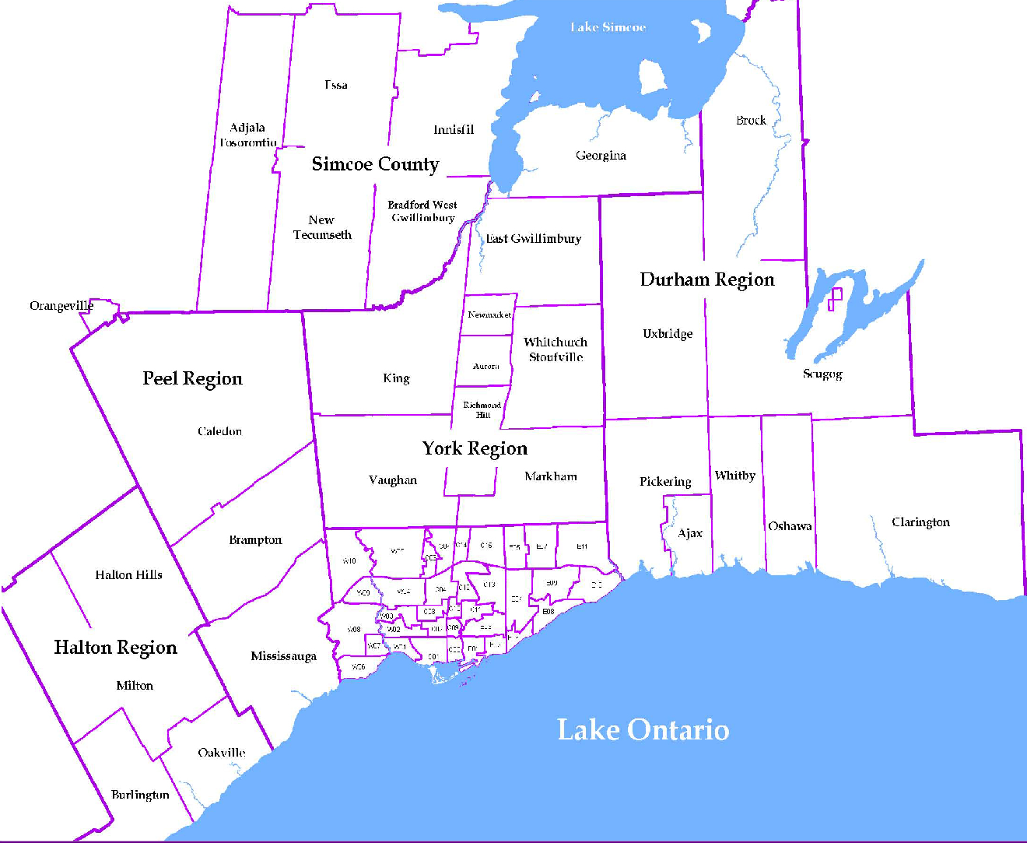
 |  |  |  |  |  |  |  | NOTES 1 - Refers to the total number of rental units that were available during the reporting period. 2 - Refers to firm lease transactions entered in the TorontoMLS system between the first and last day of the reporting period. 3 - Refers to the average lease rate for firm lease transactions entered in the TREB MLS® system between the first and last day of the reporting period. 4 - Statistics Canada, Quarter-over-quarter annualized growth rate. 5 - Statistics Canada, Year-over-year growth rate. 6 - Bank of Canada, rates for most recently completed month.
...
 |  |  |  |  | 17.8%
...
 |  |  |  |  |  |  |  |  |  |  |  |  |  |  |  | Rental Market Report, Third Quarter 2019 6
...

