Table 1
416-443-8152
Rental Market Report For All TRREB Member Inquiries:
2022 Q3 |  |  |  |  |  |  |  |  |  |  | For All Media/Public Inquiries: 416-443-8158
TRREB MLS® Apartment Rentals 16,154 13,366 2022 Q3 2021 Q3 TRREB MLS® Avg 1-Bdrm Apt Rent $2,481 $2,061 2022 Q3 2021 Q3

Economic Indicators Q2 2022 3.3% · August 2022 4.7% · August 2022 5.9% ­ August 2022 7.0% ½ September 2022 6.1% ­
TRREB Releases 2022 Q3 Rental Market Statistics TORONTO, ONTARIO, October 27, 2022 – Double-digit year-over-year rent increases continued to be the norm in Q3 2022. With many would-be first-time buyers temporarily on the sidelines in the Greater Toronto Area (GTA), due to higher borrowing costs, rental demand has remained strong in the face of falling supply. Competition for condo rentals has intensified as a result and negotiated rents have increased dramatically. There were 13,366 condo apartment rental transactions reported through the Toronto Regional Real Estate Board (TRREB) MLS® System in Q3 2022, representing a 17.3 per cent decline compared to Q3 2021. However, similar to the second quarter, the number of rental units listed was down by a greater annual rate of 25.6 per cent. This means that it became more difficult for renters to find a unit to meet their housing needs compared to a year ago. “Immigration into the GTA plus non-permanent migration for school and temporary employment have all picked up markedly. Add to this the impact of higher borrowing costs on the ownership market and it becomes clear that the demand for rental housing remains strong for the foreseeable future. Investor-owned condos have been an important component of the rental stock for more then a decade. However, the decline in rental listings over the past year are a further warning sign to policymakers that the overall lack of housing in the region extends to the rental market as well,” said TRREB President Kevin Crigger. The average one-bedroom condominium apartment rent in Q3 2022 was up by 20.4 per cent year-over-year to $2,481. The average two-bedroom apartment rent, at 3,184 was up by 14.5 per cent compared to the same period in 2021. “Rental housing is an increasingly important piece of the housing puzzle. While investor- owned condo units have been an important source of supply, current tight market conditions and double-digit average rent growth point to the need for ad
Real GDP Growth
Toronto Employment Growth
Toronto Unemployment Rate (SA)
Inflation (Yr./Yr. CPI Growth)
Bank of Canada Overnight Rate
August |  | 2022 |  | 2.5% ­
Prime Rate
September |  | 2022 |  | 5.5% ·
Fixed 5-Year Mortgage Rate
Rental Market Summary
Apartments |  |  | Grand Total |  |  |  | Bachelor |  | One-Bedroom |  |  |  |  | Two-Bedroom |  |  | Three-Bedroom
 |  |  | Listed |  | Leased |  | Leased | Avg. Rent | Leased |  |  | Avg. Rent |  | Leased | Avg. Rent |  | Leased |  | Avg. Rent
 | 2022 Q3 |  | 17,371 |  | 13,366 |  | 596 | $2,057 | 7,432 |  |  | $2,481 |  | 4,908 | $3,184 |  | 430 |  | $4,139
 | 2021 Q3 |  | 23,362 |  | 16,154 |  | 732 | $1,696 | 9,437 |  |  | $2,061 |  | 5,535 | $2,780 |  | 450 |  | $3,731
 | YoY % Chg |  | -25.6% |  | -17.3% |  | -18.6% | 21.3% | -21.2% |  |  | 20.4% |  | -11.3% | 14.5% |  | -4.4% |  | 10.9%
Townhouses |  |  | Listed |  | Leased |  | Leased | Avg. Rent | Leased |  |  | Avg. Rent |  | Leased | Avg. Rent |  | Leased |  | Avg. Rent
 | 2022 Q3 |  | 1,633 |  | 1,050 |  | 6 | $1,892 | 94 |  |  | $2,261 |  | 438 | $2,864 |  | 512 |  | $3,366
 | 2021 Q3 |  | 1,718 |  | 1,023 |  | 8 | $1,825 | 101 |  |  | $1,911 |  | 461 | $2,590 |  | 453 |  | $2,991
 | YoY % Chg |  | -4.9% |  | 2.6% |  | -25.0% | 3.7% | -6.9% |  |  | 18.3% |  | -5.0% | 10.6% |  | 13.0% |  | 12.6%

SUMMARY OF RENTAL TRANSACTIONS |  |  |  |  |  |  |  |  |  | Apartments, 2022 Q3 ALL TRREB AREAS
 |  |  | All Apartments |  |  |  |  | Bachelor |  |  |  |  | One-Bedroom |  |  |  |  | Two-Bedroom |  |  | Three Bedroom
 |  |  | Total Listed |  |  | Total Leased |  | Leased |  | Avg. Lease Rate |  |  | Leased |  |  | Avg. Lease Rate |  | Leased |  | Avg. Leased Rate | Leased | Avg. Lease Rate
All TRREB Areas |  |  | 17,371 |  |  | 13,366 |  | 596 |  | $2,057 |  |  | 7,432 |  |  | $2,481 |  | 4,908 |  | $3,184 | 430 | $4,139
Halton Region |  |  | 515 |  |  | 390 |  | 4 |  | $2,050 |  |  | 206 |  |  | $2,316 |  | 172 |  | $2,898 | 8 | $3,206
Burlington |  |  | 104 |  |  | 77 |  | 0 |  |  |  |  | 38 |  |  | $2,311 |  | 35 |  | $3,067 | 4 | $3,240
Halton Hills |  |  | 1 |  |  | 0 |  | 0 |  |  |  |  | 0 |  |  |  |  | 0 |  |  | 0
Milton |  |  | 67 |  |  | 55 |  | 0 |  |  |  |  | 30 |  |  | $2,194 |  | 25 |  | $2,577 | 0
Oakville |  |  | 343 |  |  | 258 |  | 4 |  | $2,050 |  |  | 138 |  |  | $2,343 |  | 112 |  | $2,910 | 4 | $3,163
Peel Region |  |  | 1,343 |  |  | 1,082 |  | 6 |  | $1,908 |  |  | 456 |  |  | $2,423 |  | 579 |  | $2,908 | 41 | $3,340
Brampton |  |  | 102 |  |  | 72 |  | 1 |  | $1,650 |  |  | 25 |  |  | $2,180 |  | 43 |  | $2,597 | 3 | $2,750
Caledon |  |  | 0 |  |  | 0 |  | 0 |  |  |  |  | 0 |  |  |  |  | 0 |  |  | 0
Mississauga |  |  | 1,241 |  |  | 1,010 |  | 5 |  | $1,959 |  |  | 431 |  |  | $2,438 |  | 536 |  | $2,935 | 38 | $3,384
City of Toronto |  |  | 13,713 |  |  | 10,572 |  | 568 |  | $2,082 |  |  | 6,062 |  |  | $2,510 |  | 3,598 |  | $3,301 | 344 | $4,356
Toronto West |  |  | 1,735 |  |  | 1,278 |  | 12 |  | $1,620 |  |  | 696 |  |  | $2,368 |  | 540 |  | $2,981 | 30 | $3,389
Toronto Central |  |  | 11,065 |  |  | 8,569 |  | 534 |  | $2,103 |  |  | 5,024 |  |  | $2,546 |  | 2,723 |  | $3,427 | 288 | $4,554
Toronto East |  |  | 913 |  |  | 725 |  | 22 |  | $1,886 |  |  | 342 |  |  | $2,290 |  | 335 |  | $2,808 | 26 | $3,208
York Region |  |  | 1,571 |  |  | 1,225 |  | 0 |  |  |  |  | 675 |  |  | $2,325 |  | 515 |  | $2,814 | 35 | $3,253
Aurora |  |  | 9 |  |  | 8 |  | 0 |  |  |  |  | 7 |  |  | $2,331 |  | 1 |  | $3,100 | 0
East Gwillimbury |  |  | 0 |  |  | 0 |  | 0 |  |  |  |  | 0 |  |  |  |  | 0 |  |  | 0
Georgina |  |  | 1 |  |  | 1 |  | 0 |  |  |  |  | 1 |  |  | $1,650 |  | 0 |  |  | 0
King |  |  | 6 |  |  | 4 |  | 0 |  |  |  |  | 2 |  |  | $2,275 |  | 2 |  | $2,350 | 0
Markham |  |  | 608 |  |  | 447 |  | 0 |  |  |  |  | 269 |  |  | $2,325 |  | 164 |  | $2,899 | 14 | $3,240
Newmarket |  |  | 5 |  |  | 4 |  | 0 |  |  |  |  | 1 |  |  | $2,000 |  | 2 |  | $2,500 | 1 | $3,000
Richmond Hill |  |  | 286 |  |  | 236 |  | 0 |  |  |  |  | 156 |  |  | $2,355 |  | 76 |  | $2,933 | 4 | $3,250
Vaughan |  |  | 653 |  |  | 523 |  | 0 |  |  |  |  | 238 |  |  | $2,309 |  | 269 |  | $2,735 | 16 | $3,281
Stouffville |  |  | 3 |  |  | 2 |  | 0 |  |  |  |  | 1 |  |  | $2,300 |  | 1 |  | $3,100 | 0
Durham Region |  |  | 112 |  |  | 61 |  | 16 |  | $1,401 |  |  | 24 |  |  | $2,089 |  | 19 |  | $2,452 | 2 | $2,750
Ajax |  |  | 6 |  |  | 4 |  | 0 |  |  |  |  | 3 |  |  | $2,383 |  | 1 |  | $2,500 | 0
Brock |  |  | 0 |  |  | 0 |  | 0 |  |  |  |  | 0 |  |  |  |  | 0 |  |  | 0
Clarington |  |  | 13 |  |  | 7 |  | 0 |  |  |  |  | 3 |  |  | $2,083 |  | 4 |  | $2,383 | 0
Oshawa |  |  | 57 |  |  | 29 |  | 16 |  | $1,401 |  |  | 8 |  |  | $1,830 |  | 5 |  | $2,150 | 0
Pickering |  |  | 28 |  |  | 15 |  | 0 |  |  |  |  | 8 |  |  | $2,258 |  | 5 |  | $2,742 | 2 | $2,750
Scugog |  |  | 0 |  |  | 0 |  | 0 |  |  |  |  | 0 |  |  |  |  | 0 |  |  | 0
Uxbridge |  |  | 1 |  |  | 0 |  | 0 |  |  |  |  | 0 |  |  |  |  | 0 |  |  | 0
Whitby |  |  | 7 |  |  | 6 |  | 0 |  |  |  |  | 2 |  |  | $2,275 |  | 4 |  | $2,638 | 0
Dufferin County |  |  | 0 |  |  | 0 |  | 0 |  |  |  |  | 0 |  |  |  |  | 0 |  |  | 0
Orangeville |  |  | 0 |  |  | 0 |  | 0 |  |  |  |  | 0 |  |  |  |  | 0 |  |  | 0
Simcoe County |  |  | 117 |  |  | 36 |  | 2 |  | $1,867 |  |  | 9 |  |  | $2,267 |  | 25 |  | $2,884 | 0
Adjala-Tosorontio |  |  | 0 |  |  | 0 |  | 0 |  |  |  |  | 0 |  |  |  |  | 0 |  |  | 0
Bradford |  |  | 1 |  |  | 0 |  | 0 |  |  |  |  | 0 |  |  |  |  | 0 |  |  | 0
Essa |  |  | 0 |  |  | 0 |  | 0 |  |  |  |  | 0 |  |  |  |  | 0 |  |  | 0
Innisfil |  |  | 112 |  |  | 33 |  | 2 |  | $1,867 |  |  | 8 |  |  | $2,277 |  | 23 |  | $2,895 | 0
New Tecumseth |  |  | 4 |  |  | 3 |  | 0 |  |  |  |  | 1 |  |  | $2,150 |  | 2 |  | $2,700 | 0
SUMMARY OF RENTAL TRANSACTIONS |  |  |  |  |  |  |  |  |  | Apartments, 2022 Q3 City of Toronto Municipal Breakdown
 |  |  | All Apartments |  |  |  |  | Bachelor |  |  |  |  | One-Bedroom |  |  |  |  | Two-Bedroom |  |  | Three Bedroom
 |  |  | Total Listed |  |  | Total Leased |  | Leased |  | Avg. Lease Rate |  |  | Leased |  |  | Avg. Lease Rate |  | Leased |  | Avg. Leased Rate | Leased | Avg. Lease Rate
All TRREB Areas |  |  | 17,371 |  |  | 13,366 |  | 596 |  | $2,057 |  |  | 7,432 |  |  | $2,481 |  | 4,908 |  | $3,184 | 430 | $4,139
City of Toronto |  |  | 13,713 |  |  | 10,572 |  | 568 |  | $2,082 |  |  | 6,062 |  |  | $2,510 |  | 3,598 |  | $3,301 | 344 | $4,356
Toronto West |  |  | 1,735 |  |  | 1,278 |  | 12 |  | $1,620 |  |  | 696 |  |  | $2,368 |  | 540 |  | $2,981 | 30 | $3,389
Toronto W01 |  |  | 172 |  |  | 104 |  | 1 |  | $2,100 |  |  | 71 |  |  | $2,469 |  | 31 |  | $3,240 | 1 | $3,700
Toronto W02 |  |  | 189 |  |  | 147 |  | 3 |  | $1,825 |  |  | 82 |  |  | $2,277 |  | 61 |  | $2,945 | 1 | $4,300
Toronto W03 |  |  | 18 |  |  | 16 |  | 3 |  | $1,508 |  |  | 8 |  |  | $2,073 |  | 5 |  | $3,010 | 0
Toronto W04 |  |  | 132 |  |  | 100 |  | 0 |  |  |  |  | 44 |  |  | $2,218 |  | 47 |  | $2,651 | 9 | $3,015
Toronto W05 |  |  | 162 |  |  | 121 |  | 0 |  |  |  |  | 73 |  |  | $2,313 |  | 45 |  | $2,652 | 3 | $3,467
Toronto W06 |  |  | 621 |  |  | 458 |  | 5 |  | $1,525 |  |  | 257 |  |  | $2,458 |  | 193 |  | $3,232 | 3 | $5,467
Toronto W07 |  |  | 14 |  |  | 8 |  | 0 |  |  |  |  | 6 |  |  | $2,350 |  | 2 |  | $2,513 | 0
Toronto W08 |  |  | 352 |  |  | 267 |  | 0 |  |  |  |  | 130 |  |  | $2,303 |  | 130 |  | $2,864 | 7 | $3,436
Toronto W09 |  |  | 20 |  |  | 18 |  | 0 |  |  |  |  | 1 |  |  | $2,150 |  | 14 |  | $2,482 | 3 | $2,733
Toronto W10 |  |  | 55 |  |  | 39 |  | 0 |  |  |  |  | 24 |  |  | $2,286 |  | 12 |  | $2,635 | 3 | $2,617
Toronto Central |  |  | 11,065 |  |  | 8,569 |  | 534 |  | $2,103 |  |  | 5,024 |  |  | $2,546 |  | 2,723 |  | $3,427 | 288 | $4,554
Toronto C01 |  |  | 4,765 |  |  | 3,723 |  | 295 |  | $2,107 |  |  | 2,216 |  |  | $2,637 |  | 1,076 |  | $3,617 | 136 | $4,969
Toronto C02 |  |  | 474 |  |  | 328 |  | 14 |  | $2,186 |  |  | 204 |  |  | $2,743 |  | 98 |  | $4,026 | 12 | $4,889
Toronto C03 |  |  | 186 |  |  | 119 |  | 2 |  | $2,050 |  |  | 66 |  |  | $2,330 |  | 46 |  | $3,090 | 5 | $5,130
Toronto C04 |  |  | 68 |  |  | 51 |  | 2 |  | $1,700 |  |  | 30 |  |  | $2,242 |  | 17 |  | $3,775 | 2 | $5,600
Toronto C06 |  |  | 95 |  |  | 78 |  | 2 |  | $1,800 |  |  | 31 |  |  | $2,107 |  | 42 |  | $2,712 | 3 | $3,367
Toronto C07 |  |  | 399 |  |  | 301 |  | 0 |  |  |  |  | 144 |  |  | $2,460 |  | 143 |  | $3,132 | 14 | $3,625
Toronto C08 |  |  | 2,532 |  |  | 1,975 |  | 172 |  | $2,131 |  |  | 1,159 |  |  | $2,533 |  | 587 |  | $3,456 | 57 | $4,461
Toronto C09 |  |  | 83 |  |  | 54 |  | 0 |  |  |  |  | 25 |  |  | $2,709 |  | 26 |  | $3,925 | 3 | $6,767
Toronto C10 |  |  | 528 |  |  | 398 |  | 20 |  | $1,962 |  |  | 260 |  |  | $2,381 |  | 117 |  | $3,429 | 1 | $3,900
Toronto C11 |  |  | 122 |  |  | 94 |  | 1 |  | $1,600 |  |  | 40 |  |  | $2,222 |  | 45 |  | $2,749 | 8 | $2,914
...
 |  |  |  |  |  |  |  |  |  | Apartments, 2022 Q3 ALL TRREB AREAS
 |  |  |  |  |  |  |  |  |  |  |  |  | 0 |  |  |  |  | 0 |  |  | 2 | $4,175
 |  |  |  |  |  |  |  |  |  |  |  |  | 0 |  |  |  |  | 1 |  | $2,800 | 0
 |  |  |  |  |  |  |  |  |  |  |  |  | 0 |  |  |  |  | 5 |  | $2,470 | 5 | $3,320
 |  |  |  |  |  |  |  |  |  |  |  |  | 0 |  |  |  |  | 4 |  | $2,613 | 18 | $2,909
 |  |  |  |  |  |  |  |  |  |  |  |  | 0 |  |  |  |  | 0 |  |  | 1 | $3,100
 |  |  |  |  |  |  |  |  |  |  |  |  | 0 |  |  |  |  | 0 |  |  | 4 | $3,030
 |  |  |  |  |  |  |  |  |  |  |  |  | 0 |  |  |  |  | 1 |  | $3,500 | 1 | $2,800
 |  |  |  |  |  |  |  |  |  |  |  |  | 0 |  |  |  |  | 2 |  | $3,250 | 9 | $3,112
 |  |  |  |  |  |  |  |  |  |  |  |  | 0 |  |  |  |  | 4 |  | $2,613 | 1 | $2,800
 |  |  |  |  |  |  |  |  |  |  |  |  | 1 |  |  | $2,300 |  | 12 |  | $2,475 | 8 | $2,856
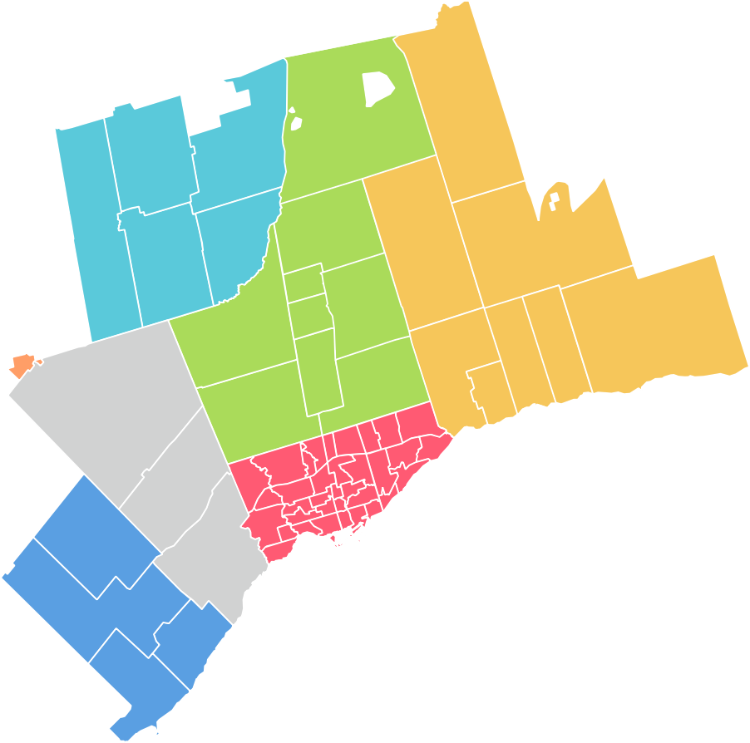
Brock
Essa
Innisûl
Georgina
East Gwillimbury
Adjala-Tosorontio
Scugog
Bradford West Gwillimbury
New Tecumseth Whitchurch-Stouûville
_{King} Oshawa
Clarington
Orangeville
Caledon
Richmond Hill
Markham
Pickering _{Whitby}
Ajax
Vaughan
Toronto E07
Toronto E09
_{Brampton} Toronto W05
Toronto W09
Toronto E06
Halton Hills
Toronto W06 Mississauga
Milton
Oakville
Dufferin Durham Halton Peel Simcoe Toronto
York
Burlington
...
 |  |  |  |  |  |  |  |  |  | Notes 1. Sales, dollar volume, average sale prices and median sale prices are based on firm transactions entered into the TRREB MLS® System between the first and last day of the month/period being reported. 2. New listings entered into the TRREB MLS® System between the first and last day of the quarter being reported. 3. Active listings at the end of the last day of the quarter being reported. 4. Ratio of the average selling price to the average listing price for firm transactions entered into the TRREB MLS® System between the first and last day of the quarter being reported. 5. Average number of days on the market for firm transactions entered into the Toronto MLS system between the first and last day of the quarter being reported. 6. Past monthly and year-to-date figures are revised on a monthly basis.
...

