Table 1
Rental Market Report
TREB Member Inquiries: (416) 443-8152 Media/Public Inquiries:
Fourth Quarter 2015 |  |  |  | (416) 443-8158
Economic Indicators Real GDP Quarterly Q3 2015 2.3% Toronto Employment Growth |  |  |  |  | Strong Average Rent Growth in Q4 2015 TORONTO, January 27, 2016 – Toronto Real Estate Board President Mark McLean announced that Greater Toronto Area REALTORS® reported 6,073 condominium apartment rentals through TREB’s MLS® System in the fourth quarter of 2015. This result represented a substantial 20.7 per cent increase compared to 5,032 rentals reported in Q4 2014. “While the ownership market is often top-of-mind when we think about condominium apartments in the GTA, it is important to remember that investor-held condos have become an increasingly important source of rental supply. Renters looking for mid- to high-end units have tended to be pointed at condo rentals. Strong demand resulted in tighter market conditions in Q4,” said Mr. McLean. Year-over-year growth in rental transactions outstripped growth in the number of units listed during the quarter. This suggests that competition between renters increased, which explains above-inflation rent increases for one- and two-bedroom condo apartments. “Tighter rental market conditions resulted in strong increases in average rents compared to last year. Looking forward into 2016, expect rent growth to remain strong if we continue to see growth in the number of transactions outpace growth in the number of units listed for rent,” said Jason Mercer, TREB’s Director of Market Analysis. |  |  |  |  |  |  |  |  |  |  |  |  |  |  |  |  |  | Total TREB MLS® Apartment Rentals 1,3
December 2015 4.5% Toronto Unemployment Rate December 2015 -- 7.0% Inflation Rate (Yr./Yr. CPI Growth) December 2015 1.6% Bank of Canada Overnight Rate December 2015 -- 0.5% Prime Rate December 2015 -- 2.7% Fixed 5-Year Mortgage Rate December 2015 -- 4.64% Sources: Statistics Canada; Bank of Canada |  |  |  |  |  |  |  |  |  |  |  |  |  |  |  |  |  |  |  |  |  |  |  | 6,073
 |  |  |  |  |  |  |  |  |  |  |  |  |  |  |  |  |  |  |  |  |  |  |  |  |  |  | 5,032
 |  |  |  |  |  |  |  |  |  |  |  |  |  |  |  |  |  |  |  |  |  |  | Q4 Q4 2015 2014 TREB MLS® Avg. 1-Bdrm. Apt. Rent 1,3
Rental Market Summary: Fourth Quarter 2015 Apartments1,2,3
 |  |  |  |  |  |  |  |  |  |  |  |  |  |  |  |  |  |  |  |  |  |  |  | $1,653 |  |  | $1,608
 | All Bedroom Types |  |  |  | Bachelor |  |  |  |  |  | One-Bedroom |  |  |  | Two-Bedroom |  |  |  | Three-Bedroom
 | Listed | Leased |  |  | Leased |  |  |  | Avg. Rent |  | Leased |  | Avg. Rent |  | Leased |  | Avg. Rent |  | Leased |  | Avg. Rent
Q4 2015 | 11,167 | 6,073 |  |  | 166 |  |  |  | $1,350 |  | 3,597 |  | $1,653 |  | 2,188 |  | $2,236 |  | 122 |  | $2,833
Q4 2014 | 10,585 | 5,032 |  |  | 109 |  |  |  | $1,327 |  | 2,958 |  | $1,608 |  | 1,868 |  | $2,165 |  | 97 |  | $2,577
2Y0r.1/Y54r. % Chg. | 5.5% | 20.7% |  |  | 52.3% |  |  |  | 1.7% |  | 21.6% |  | 2 2.8% |  | 3 17.1% |  | 3.3% 1 |  | 25.8% 7 |  | 9.9%
Townhouses1,2,3
 | All Bedroom Types |  |  |  | Bachelor |  |  |  |  |  | One-Bedroom |  |  |  | Two-Bedroom |  |  |  | Three-Bedroom
 | Listed | Leased |  |  | Leased |  |  |  | Avg. Rent |  | Leased |  | Avg. Rent |  | Leased |  | Avg. Rent |  | Leased |  | Avg. Rent
Q4 2015 | 918 | 413 |  |  | 1 |  |  |  | $1,200 |  | 34 |  | $1,459 |  | 140 |  | $1,919 |  | 238 |  | $2,062
 |  |  |  |  |  |  |  |  |  |  |  |  |  |  |  |  |  |  |  |  |  |  | Q4 Q4 2015 2014
Q4 2014 | 963 | 382 |  |  | 1 |  |  |  | $1,100 |  | 40 |  | $1,448 |  | 152 |  | $1,723 |  | 189 |  | $1,965
2Y0r.1/5Y4r. % Chg. | -4.7% | 8.1% |  |  | 0.0% |  |  |  | 9.1% |  | -15.0% |  | 0.8% |  | -7.9% |  | 11.4% |  | 1 25.9% |  | 4.9%

SUMMARY OF RENTAL TRANSACTIONS APARTMENTS, FOURTH QUARTER 2015 ALL TREB AREAS
 |  |  | All Apartments |  |  |  |  |  |  |  |  | Bachelor |  |  |  | One-Bedroom |  |  |  |  |  | Two-Bedroom |  |  |  | Three-Bedroom
 |  |  | Total Listed1 |  |  |  |  | Total Leased2 |  |  |  | Leased 2 |  | Avg. Lease Rate3 |  | Leased 2 |  |  |  | Avg. Lease Rate3 |  | Leased 2 |  |  | Avg. Lease Rate3 | Leased 2 |  | Avg. Lease Rate3
TREB Total |  |  | 11,167 |  |  |  |  | 6,073 |  |  |  | 166 |  | $1,350 |  | 3,597 |  |  |  | $1,653 |  | 2,188 |  |  | $2,236 | 122 |  | $2,833
Halton Region |  |  | 151 |  |  |  |  | 60 |  |  |  | 0 |  | - |  | 23 |  |  |  | $1,579 |  | 34 |  |  | $2,356 | 3 |  | $1,983
Burlington |  |  | 32 |  |  |  |  | 10 |  |  |  | 0 |  | - |  | 4 |  |  |  | $1,463 |  | 6 |  |  | $1,579 | 0 |  | -
Halton Hills |  |  | 0 |  |  |  |  | 0 |  |  |  | 0 |  | - |  | 0 |  |  |  | - |  | 0 |  |  | - | 0 |  | -
Milton |  |  | 20 |  |  |  |  | 13 |  |  |  | 0 |  | - |  | 5 |  |  |  | $1,355 |  | 6 |  |  | $1,589 | 2 |  | $1,725
Oakville |  |  | 99 |  |  |  |  | 37 |  |  |  | 0 |  | - |  | 14 |  |  |  | $1,693 |  | 22 |  |  | $2,777 | 1 |  | $2,500
Peel Region |  |  | 833 |  |  |  |  | 496 |  |  |  | 7 |  | $1,211 |  | 228 |  |  |  | $1,505 |  | 243 |  |  | $1,802 | 18 |  | $1,967
Brampton |  |  | 45 |  |  |  |  | 26 |  |  |  | 1 |  | $1,050 |  | 8 |  |  |  | $1,331 |  | 14 |  |  | $1,530 | 3 |  | $1,750
Caledon |  |  | 0 |  |  |  |  | 0 |  |  |  | 0 |  | - |  | 0 |  |  |  | - |  | 0 |  |  | - | 0 |  | -
Mississauga |  |  | 788 |  |  |  |  | 470 |  |  |  | 6 |  | $1,238 |  | 220 |  |  |  | $1,511 |  | 229 |  |  | $1,819 | 15 |  | $2,010
City of Toronto |  |  | 9,080 |  |  |  |  | 4,901 |  |  |  | 154 |  | $1,366 |  | 2,955 |  |  |  | $1,694 |  | 1,697 |  |  | $2,342 | 95 |  | $3,055
Toronto West |  |  | 1,028 |  |  |  |  | 593 |  |  |  | 5 |  | $1,135 |  | 321 |  |  |  | $1,584 |  | 257 |  |  | $2,050 | 10 |  | $2,685
Toronto Central |  |  | 7,505 |  |  |  |  | 3,987 |  |  |  | 141 |  | $1,387 |  | 2,469 |  |  |  | $1,723 |  | 1,300 |  |  | $2,466 | 77 |  | $3,224
Toronto East |  |  | 547 |  |  |  |  | 321 |  |  |  | 8 |  | $1,141 |  | 165 |  |  |  | $1,474 |  | 140 |  |  | $1,719 | 8 |  | $1,891
York Region |  |  | 1,068 |  |  |  |  | 595 |  |  |  | 5 |  | $1,055 |  | 381 |  |  |  | $1,432 |  | 203 |  |  | $1,877 | 6 |  | $2,333
Aurora |  |  | 4 |  |  |  |  | 2 |  |  |  | 0 |  | - |  | 2 |  |  |  | $1,573 |  | 0 |  |  | - | 0 |  | -
E. Gwillimbury |  |  | 0 |  |  |  |  | 0 |  |  |  | 0 |  | - |  | 0 |  |  |  | - |  | 0 |  |  | - | 0 |  | -
Georgina |  |  | 0 |  |  |  |  | 0 |  |  |  | 0 |  | - |  | 0 |  |  |  | - |  | 0 |  |  | - | 0 |  | -
King |  |  | 5 |  |  |  |  | 2 |  |  |  | 0 |  | - |  | 0 |  |  |  | - |  | 2 |  |  | $1,913 | 0 |  | -
Markham |  |  | 512 |  |  |  |  | 294 |  |  |  | 4 |  | $1,069 |  | 182 |  |  |  | $1,397 |  | 102 |  |  | $1,845 | 6 |  | $2,333
Newmarket |  |  | 1 |  |  |  |  | 1 |  |  |  | 0 |  | - |  | 0 |  |  |  | - |  | 1 |  |  | $1,625 | 0 |  | -
Richmond Hill |  |  | 271 |  |  |  |  | 155 |  |  |  | 1 |  | $1,000 |  | 102 |  |  |  | $1,427 |  | 52 |  |  | $1,894 | 0 |  | -
Vaughan |  |  | 273 |  |  |  |  | 141 |  |  |  | 0 |  | - |  | 95 |  |  |  | $1,504 |  | 46 |  |  | $1,932 | 0 |  | -
Whitchurch-Stouffville |  |  | 2 |  |  |  |  | 0 |  |  |  | 0 |  | - |  | 0 |  |  |  | - |  | 0 |  |  | - | 0 |  | -
Durham Region |  |  | 33 |  |  |  |  | 19 |  |  |  | 0 |  | - |  | 9 |  |  |  | $1,461 |  | 10 |  |  | $1,795 | 0 |  | -
Ajax |  |  | 3 |  |  |  |  | 2 |  |  |  | 0 |  | - |  | 1 |  |  |  | $1,550 |  | 1 |  |  | $1,550 | 0 |  | -
Brock |  |  | 0 |  |  |  |  | 0 |  |  |  | 0 |  | - |  | 0 |  |  |  | - |  | 0 |  |  | - | 0 |  | -
Clarington |  |  | 2 |  |  |  |  | 0 |  |  |  | 0 |  | - |  | 0 |  |  |  | - |  | 0 |  |  | - | 0 |  | -
Oshawa |  |  | 5 |  |  |  |  | 2 |  |  |  | 0 |  | - |  | 0 |  |  |  | - |  | 2 |  |  | $2,175 | 0 |  | -
Pickering |  |  | 17 |  |  |  |  | 11 |  |  |  | 0 |  | - |  | 5 |  |  |  | $1,450 |  | 6 |  |  | $1,700 | 0 |  | -
Scugog |  |  | 0 |  |  |  |  | 0 |  |  |  | 0 |  | - |  | 0 |  |  |  | - |  | 0 |  |  | - | 0 |  | -
Uxbridge |  |  | 0 |  |  |  |  | 0 |  |  |  | 0 |  | - |  | 0 |  |  |  | - |  | 0 |  |  | - | 0 |  | -
Whitby |  |  | 6 |  |  |  |  | 4 |  |  |  | 0 |  | - |  | 3 |  |  |  | $1,450 |  | 1 |  |  | $1,850 | 0 |  | -
Dufferin County |  |  | 1 |  |  |  |  | 1 |  |  |  | 0 |  | - |  | 0 |  |  |  | - |  | 1 |  |  | $1,395 | 0 |  | -
Orangeville |  |  | 1 |  |  |  |  | 1 |  |  |  | 0 |  | - |  | 0 |  |  |  | - |  | 1 |  |  | $1,395 | 0 |  | -
Simcoe County |  |  | 1 |  |  |  |  | 1 |  |  |  | 0 |  | - |  | 1 |  |  |  | $1,300 |  | 0 |  |  | - | 0 |  | -
Adjala-Tosorontio |  |  | 0 |  |  |  |  | 0 |  |  |  | 0 |  | - |  | 0 |  |  |  | - |  | 0 |  |  | - | 0 |  | -
Bradford West Gwillimbury |  |  | 0 |  |  |  |  | 0 |  |  |  | 0 |  | - |  | 0 |  |  |  | - |  | 0 |  |  | - | 0 |  | -
Essa |  |  | 0 |  |  |  |  | 0 |  |  |  | 0 |  | - |  | 0 |  |  |  | - |  | 0 |  |  | - | 0 |  | -
Innisfil |  |  | 0 |  |  |  |  | 0 |  |  |  | 0 |  | - |  | 0 |  |  |  | - |  | 0 |  |  | - | 0 |  | -
New Tecumseth |  |  | 1 |  |  |  |  | 1 |  |  |  | 0 |  | - |  | 1 |  |  |  | $1,300 |  | 0 |  |  | - | 0 |  | -
SUMMARY OF RENTAL TRANSACTIONS APARTMENTS, FOURTH QUARTER 2015 CITY OF TORONTO MUNICIPAL BREAKDOWN
 |  |  | All Apartments |  |  |  |  |  |  |  |  | Bachelor |  |  |  | One-Bedroom |  |  |  |  |  | Two-Bedroom |  |  |  | Three-Bedroom
 |  |  | Total Listed 1 |  |  |  |  | Total Leased 2 |  |  |  | Leased 2 |  | Avg. Lease Rate3 |  | Leased 2 |  |  |  | Avg. Lease Rate3 |  | Leased 2 |  |  | Avg. Lease Rate3 | Leased2 |  | Avg. Lease Rate3
TREB Total |  |  | 11,167 |  |  |  |  | 6,073 |  |  |  | 166 |  | $1,350 |  | 3,597 |  |  |  | $1,653 |  | 2,188 |  |  | $2,236 | 122 |  | $2,833
City of Toronto Total |  |  | 9,080 |  |  |  |  | 4,901 |  |  |  | 154 |  | $1,366 |  | 2,955 |  |  |  | $1,694 |  | 1,697 |  |  | $2,342 | 95 |  | $3,055
Toronto West |  |  | 1,028 |  |  |  |  | 593 |  |  |  | 5 |  | $1,135 |  | 321 |  |  |  | $1,584 |  | 257 |  |  | $2,050 | 10 |  | $2,685
Toronto W01 |  |  | 147 |  |  |  |  | 94 |  |  |  | 0 |  | - |  | 61 |  |  |  | $1,724 |  | 31 |  |  | $2,396 | 2 |  | $5,225
Toronto W02 |  |  | 99 |  |  |  |  | 48 |  |  |  | 1 |  | $1,200 |  | 34 |  |  |  | $1,735 |  | 11 |  |  | $2,290 | 2 |  | $2,300
Toronto W03 |  |  | 2 |  |  |  |  | 1 |  |  |  | 0 |  | - |  | 0 |  |  |  | - |  | 1 |  |  | $1,600 | 0 |  | -
Toronto W04 |  |  | 33 |  |  |  |  | 18 |  |  |  | 1 |  | $925 |  | 10 |  |  |  | $1,451 |  | 5 |  |  | $1,750 | 2 |  | $1,950
Toronto W05 |  |  | 67 |  |  |  |  | 40 |  |  |  | 0 |  | - |  | 32 |  |  |  | $1,430 |  | 7 |  |  | $1,696 | 1 |  | $1,550
Toronto W06 |  |  | 416 |  |  |  |  | 245 |  |  |  | 2 |  | $1,200 |  | 113 |  |  |  | $1,582 |  | 130 |  |  | $2,065 | 0 |  | -
Toronto W07 |  |  | 7 |  |  |  |  | 2 |  |  |  | 0 |  | - |  | 1 |  |  |  | $1,495 |  | 1 |  |  | $1,900 | 0 |  | -
Toronto W08 |  |  | 212 |  |  |  |  | 123 |  |  |  | 1 |  | $1,150 |  | 64 |  |  |  | $1,493 |  | 56 |  |  | $1,956 | 2 |  | $2,225
Toronto W09 |  |  | 12 |  |  |  |  | 7 |  |  |  | 0 |  | - |  | 1 |  |  |  | $1,500 |  | 5 |  |  | $1,915 | 1 |  | $1,900
Toronto W10 |  |  | 33 |  |  |  |  | 15 |  |  |  | 0 |  | - |  | 5 |  |  |  | $1,316 |  | 10 |  |  | $1,575 | 0 |  | -
Toronto Central |  |  | 7,505 |  |  |  |  | 3,987 |  |  |  | 141 |  | $1,387 |  | 2,469 |  |  |  | $1,723 |  | 1,300 |  |  | $2,466 | 77 |  | $3,224
Toronto C01 |  |  | 3,809 |  |  |  |  | 2,008 |  |  |  | 83 |  | $1,406 |  | 1,326 |  |  |  | $1,791 |  | 559 |  |  | $2,670 | 40 |  | $3,436
Toronto C02 |  |  | 374 |  |  |  |  | 141 |  |  |  | 9 |  | $1,489 |  | 70 |  |  |  | $1,981 |  | 60 |  |  | $3,697 | 2 |  | $8,750
Toronto C03 |  |  | 105 |  |  |  |  | 37 |  |  |  | 4 |  | $1,238 |  | 17 |  |  |  | $1,686 |  | 15 |  |  | $2,770 | 1 |  | $1,995
Toronto C04 |  |  | 31 |  |  |  |  | 17 |  |  |  | 0 |  | - |  | 6 |  |  |  | $1,492 |  | 10 |  |  | $1,850 | 1 |  | $2,150
Toronto C06 |  |  | 130 |  |  |  |  | 82 |  |  |  | 0 |  | - |  | 55 |  |  |  | $1,429 |  | 27 |  |  | $1,795 | 0 |  | -
Toronto C07 |  |  | 318 |  |  |  |  | 196 |  |  |  | 0 |  | - |  | 84 |  |  |  | $1,612 |  | 101 |  |  | $2,075 | 11 |  | $2,628
Toronto C08 |  |  | 893 |  |  |  |  | 423 |  |  |  | 28 |  | $1,374 |  | 268 |  |  |  | $1,786 |  | 125 |  |  | $2,557 | 2 |  | $3,350
Toronto C09 |  |  | 61 |  |  |  |  | 29 |  |  |  | 0 |  | - |  | 14 |  |  |  | $1,805 |  | 13 |  |  | $3,040 | 2 |  | $3,925
Toronto C10 |  |  | 172 |  |  |  |  | 74 |  |  |  | 1 |  | $1,280 |  | 51 |  |  |  | $1,795 |  | 22 |  |  | $2,598 | 0 |  | -
Toronto C11 |  |  | 38 |  |  |  |  | 14 |  |  |  | 0 |  | - |  | 5 |  |  |  | $1,369 |  | 6 |  |  | $1,467 | 3 |  | $1,998
Toronto C12 |  |  | 29 |  |  |  |  | 11 |  |  |  | 0 |  | - |  | 4 |  |  |  | $1,833 |  | 7 |  |  | $2,729 | 0 |  | -
Toronto C13 |  |  | 105 |  |  |  |  | 55 |  |  |  | 0 |  | - |  | 26 |  |  |  | $1,489 |  | 27 |  |  | $1,886 | 2 |  | $2,200
Toronto C14 |  |  | 855 |  |  |  |  | 522 |  |  |  | 8 |  | $1,347 |  | 274 |  |  |  | $1,586 |  | 228 |  |  | $2,098 | 12 |  | $2,782
...
 |  |  |  |  |  |  |  | 3 |  |  |  | 0 |  | - |  | 0 |  |  |  | - |  | 1 |  |  | $1,925
 |  |  |  |  |  |  |  | 0 |  |  |  | 0 |  | - |  | 0 |  |  |  | - |  | 0 |  |  | -
 |  |  |  |  |  |  |  | 1 |  |  |  | 0 |  | - |  | 0 |  |  |  | - |  | 1 |  |  | $1,650
 |  |  |  |  |  |  |  | 4 |  |  |  | 0 |  | - |  | 0 |  |  |  | - |  | 0 |  |  | -
 |  |  |  |  |  |  |  | 0 |  |  |  | 0 |  | - |  | 0 |  |  |  | - |  | 0 |  |  | -
 |  |  |  |  |  |  |  | 5 |  |  |  | 0 |  | - |  | 0 |  |  |  | - |  | 0 |  |  | -
 |  |  |  |  |  |  |  | 1 |  |  |  | 0 |  | - |  | 0 |  |  |  | - |  | 0 |  |  | -
 |  |  |  |  |  |  |  | 3 |  |  |  | 0 |  | - |  | 0 |  |  |  | - |  | 2 |  |  | $1,335
 |  |  |  |  |  |  |  | 4 |  |  |  | 0 |  | - |  | 0 |  |  |  | - |  | 1 |  |  | $1,500
 |  |  |  |  |  |  |  | 4 |  |  |  | 0 |  | - |  | 0 |  |  |  | - |  | 2 |  |  | $1,413
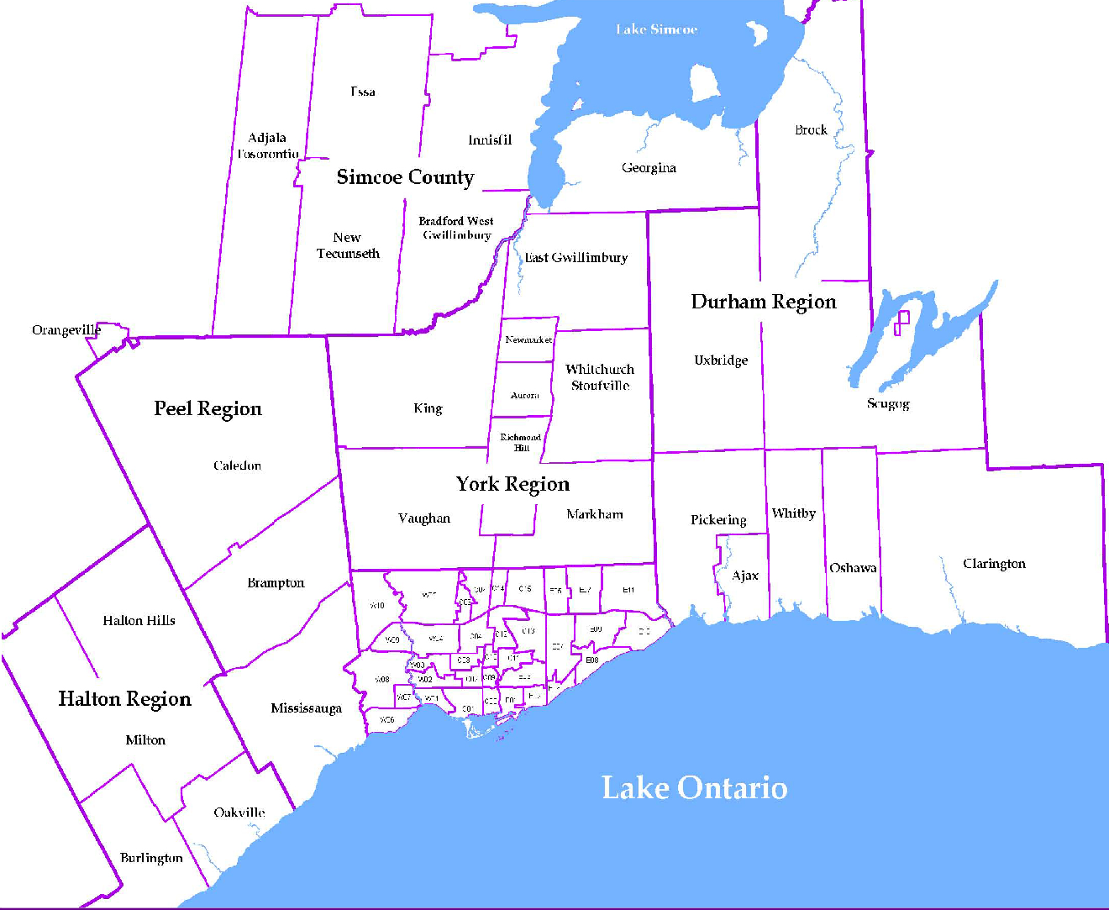
 |  |  |  |  |  |  |  |  |  | NOTES 1 - Refers to the total number of rental units that were available during the reporting period. 2 - Refers to firm lease transactions entered in the TorontoMLS system between the first and last day of the reporting period. 3 - Refers to the average lease rate for firm lease transactions entered in the TREB MLS® system between the first and last day of the reporting period. 4 - Statistics Canada, Quarter-over-quarter annualized growth rate. 5 - Statistics Canada, Year-over-year growth rate. 6 - Bank of Canada, rates for most recently completed month.
...
 |  |  |  |  |  | 15.3%
...
 |  |  |  |  |  |  | 1.4%
...
 |  |  |  |  |  |  |  |  |  |  |  |  |  |  |  |  |  | Rental Market Report, Fourth Quarter 2015 6
...

