Table 1
Rental Market Report
TREB Member Inquiries: (416) 443-8152 Media/Public Inquiries:
Fourth Quarter 2016 |  |  |  | (416) 443-8158
Economic Indicators Real GDP Quarterly Q3 2016 3.5% Toronto Employment Growth |  |  |  |  | Strong Average Rent Growth in Q4 2016 TORONTO, ONTARIO, January 26, 2017 – Toronto Real Estate Board President Larry Cerqua announced continued tightening in the GTA condominium apartment rental market in the fourth quarter of 2016. Greater Toronto Area REALTORS® reported 5,717 condominium apartment rental transactions through TREB’s MLS® System during the last three months of 2016 – down 5.8 per cent compared to the same period in 2015. Rental transactions were down because of a lack of units available for rent, not because of declining demand. The number of condo apartments listed for rent during the fourth quarter of 2016 shrank by more than 14 per cent to 9,545. “We have talked a lot over the past year about a lack of inventory for ownership housing. What is less well known is the fact that rental market conditions also tightened over the past year. Competition between renters has increased, leading to very strong year-over-year growth in average rents,” said Mr. Cerqua. The average one-bedroom condo apartment rent was $1,776, representing an annual increase of 7.4 per cent compared to the fourth quarter of 2015. Over the same period, two-bedroom rents increased by eight per cent to $2,415. “The demand for rental accommodation has increased in the GTA. The condominium apartment vacancy rate dropped markedly between 2015 and 2016. In many parts of the GTA, investor-owned condo apartments are the only option for renters looking for new, modern units in sought-after neighbourhoods. In the absence of more units coming available, expect above-inflation rent growth to continue,” said Jason Mercer, TREB’s Director of Market Analysis. |  |  |  |  |  |  |  |  |  |  |  |  |  |  |  |  |  | Total TREB MLS® Apartment Rentals 1,3
December 2016 (0.4%) Toronto Unemployment Rate December 2016 6.8% Inflation Rate (Yr./Yr. CPI Growth) December 2016 1.5% Bank of Canada Overnight Rate December 2016 -- 0.5% Prime Rate December 2016 -- 2.7% Fixed 5-Year Mortgage Rate December 2016 -- 4.64% Sources: Statistics Canada; Bank of Canada |  |  |  |  |  |  |  |  |  |  |  |  |  |  |  |  |  |  |  |  |  |  |  | 5,717 |  |  | 6,069
 |  |  |  |  |  |  |  |  |  |  |  |  |  |  |  |  |  |  |  |  |  |  | Q4 Q4 2016 2015 TREB MLS® Avg. 1-Bdrm. Apt. Rent 1,3
Rental Market Summary: Fourth Quarter 2016 Apartments1,2,3
 |  |  |  |  |  |  |  |  |  |  |  |  |  |  |  |  |  |  |  |  |  |  |  | $1,776
 |  |  |  |  |  |  |  |  |  |  |  |  |  |  |  |  |  |  |  |  |  |  |  |  |  |  | $1,653
 | All Bedroom Types |  |  |  | Bachelor |  |  |  |  |  | One-Bedroom |  |  |  | Two-Bedroom |  |  |  | Three-Bedroom
 | Listed | Leased |  |  | Leased |  |  |  | Avg. Rent |  | Leased |  | Avg. Rent |  | Leased |  | Avg. Rent |  | Leased |  | Avg. Rent
Q4 2016 | 9,545 | 5,717 |  |  | 227 |  |  |  | $1,512 |  | 3,379 |  | $1,776 |  | 1,988 |  | $2,415 |  | 123 |  | $3,283
Q4 2015 | 11,119 | 6,069 |  |  | 166 |  |  |  | $1,350 |  | 3,594 |  | $1,653 |  | 2,187 |  | $2,236 |  | 122 |  | $2,833
2Y0r.1/Y64r. % Chg. | -14.2% | -5.8% |  |  | 36.7% |  |  |  | 12.0% |  | -6.0% |  | 7.4% 6 |  | -9.1% |  | 8.0% |  | 9 0.8% 2 |  | 15.9%
Townhouses1,2,3
 | All Bedroom Types |  |  |  | Bachelor |  |  |  |  |  | One-Bedroom |  |  |  | Two-Bedroom |  |  |  | Three-Bedroom
 | Listed | Leased |  |  | Leased |  |  |  | Avg. Rent |  | Leased |  | Avg. Rent |  | Leased |  | Avg. Rent |  | Leased |  | Avg. Rent
Q4 2016 | 854 | 438 |  |  | 2 |  |  |  | $1,475 |  | 44 |  | $1,669 |  | 177 |  | $1,981 |  | 215 |  | $2,287
 |  |  |  |  |  |  |  |  |  |  |  |  |  |  |  |  |  |  |  |  |  |  | Q4 Q4 2016 2015
Q4 2015 | 915 | 413 |  |  | 1 |  |  |  | $1,200 |  | 34 |  | $1,459 |  | 140 |  | $1,919 |  | 238 |  | $2,062
2Y0r.1/6Y4r. % Chg. | -6.7% | 6.1% |  |  | 100.0% |  |  |  | 22.9% |  | 29.4% |  | 14.4% |  | 26.4% |  | 3.2% |  | 7 -9.7% |  | 10.9%

SUMMARY OF RENTAL TRANSACTIONS APARTMENTS, FOURTH QUARTER 2016 ALL TREB AREAS
 |  |  | All Apartments |  |  |  |  |  |  |  |  | Bachelor |  |  |  | One-Bedroom |  |  |  |  |  | Two-Bedroom |  |  |  | Three-Bedroom
 |  |  | Total Listed1 |  |  |  |  | Total Leased2 |  |  |  | Leased 2 |  | Avg. Lease Rate3 |  | Leased 2 |  |  |  | Avg. Lease Rate3 |  | Leased 2 |  |  | Avg. Lease Rate3 | Leased 2 |  | Avg. Lease Rate3
TREB Total |  |  | 9,545 |  |  |  |  | 5,717 |  |  |  | 227 |  | $1,512 |  | 3,379 |  |  |  | $1,776 |  | 1,988 |  |  | $2,415 | 123 |  | $3,283
Halton Region |  |  | 163 |  |  |  |  | 78 |  |  |  | 0 |  | - |  | 47 |  |  |  | $1,646 |  | 30 |  |  | $1,988 | 1 |  | $4,500
Burlington |  |  | 32 |  |  |  |  | 13 |  |  |  | 0 |  | - |  | 9 |  |  |  | $1,508 |  | 4 |  |  | $2,075 | 0 |  | -
Halton Hills |  |  | 2 |  |  |  |  | 1 |  |  |  | 0 |  | - |  | 0 |  |  |  | - |  | 1 |  |  | $1,325 | 0 |  | -
Milton |  |  | 21 |  |  |  |  | 14 |  |  |  | 0 |  | - |  | 7 |  |  |  | $1,504 |  | 7 |  |  | $1,636 | 0 |  | -
Oakville |  |  | 108 |  |  |  |  | 50 |  |  |  | 0 |  | - |  | 31 |  |  |  | $1,718 |  | 18 |  |  | $2,143 | 1 |  | $4,500
Peel Region |  |  | 673 |  |  |  |  | 442 |  |  |  | 2 |  | $1,300 |  | 184 |  |  |  | $1,628 |  | 242 |  |  | $1,935 | 14 |  | $2,170
Brampton |  |  | 35 |  |  |  |  | 24 |  |  |  | 0 |  | - |  | 10 |  |  |  | $1,427 |  | 13 |  |  | $1,709 | 1 |  | $1,780
Caledon |  |  | 0 |  |  |  |  | 0 |  |  |  | 0 |  | - |  | 0 |  |  |  | - |  | 0 |  |  | - | 0 |  | -
Mississauga |  |  | 638 |  |  |  |  | 418 |  |  |  | 2 |  | $1,300 |  | 174 |  |  |  | $1,640 |  | 229 |  |  | $1,948 | 13 |  | $2,200
City of Toronto |  |  | 7,769 |  |  |  |  | 4,606 |  |  |  | 223 |  | $1,517 |  | 2,776 |  |  |  | $1,819 |  | 1,505 |  |  | $2,567 | 102 |  | $3,493
Toronto West |  |  | 992 |  |  |  |  | 666 |  |  |  | 5 |  | $1,305 |  | 392 |  |  |  | $1,628 |  | 252 |  |  | $2,203 | 17 |  | $2,629
Toronto Central |  |  | 6,390 |  |  |  |  | 3,687 |  |  |  | 214 |  | $1,525 |  | 2,246 |  |  |  | $1,869 |  | 1,158 |  |  | $2,701 | 69 |  | $4,053
Toronto East |  |  | 387 |  |  |  |  | 253 |  |  |  | 4 |  | $1,311 |  | 138 |  |  |  | $1,543 |  | 95 |  |  | $1,892 | 16 |  | $1,997
York Region |  |  | 905 |  |  |  |  | 572 |  |  |  | 2 |  | $1,190 |  | 364 |  |  |  | $1,545 |  | 201 |  |  | $1,960 | 5 |  | $2,180
Aurora |  |  | 7 |  |  |  |  | 4 |  |  |  | 0 |  | - |  | 1 |  |  |  | $1,200 |  | 3 |  |  | $1,967 | 0 |  | -
E. Gwillimbury |  |  | 0 |  |  |  |  | 0 |  |  |  | 0 |  | - |  | 0 |  |  |  | - |  | 0 |  |  | - | 0 |  | -
Georgina |  |  | 0 |  |  |  |  | 0 |  |  |  | 0 |  | - |  | 0 |  |  |  | - |  | 0 |  |  | - | 0 |  | -
King |  |  | 4 |  |  |  |  | 2 |  |  |  | 0 |  | - |  | 1 |  |  |  | $1,600 |  | 1 |  |  | $2,100 | 0 |  | -
Markham |  |  | 459 |  |  |  |  | 291 |  |  |  | 2 |  | $1,190 |  | 192 |  |  |  | $1,501 |  | 93 |  |  | $1,928 | 4 |  | $2,150
Newmarket |  |  | 3 |  |  |  |  | 2 |  |  |  | 0 |  | - |  | 1 |  |  |  | $1,775 |  | 1 |  |  | $1,650 | 0 |  | -
Richmond Hill |  |  | 163 |  |  |  |  | 109 |  |  |  | 0 |  | - |  | 68 |  |  |  | $1,558 |  | 40 |  |  | $1,925 | 1 |  | $2,300
Vaughan |  |  | 269 |  |  |  |  | 164 |  |  |  | 0 |  | - |  | 101 |  |  |  | $1,620 |  | 63 |  |  | $2,032 | 0 |  | -
Whitchurch-Stouffville |  |  | 0 |  |  |  |  | 0 |  |  |  | 0 |  | - |  | 0 |  |  |  | - |  | 0 |  |  | - | 0 |  | -
Durham Region |  |  | 35 |  |  |  |  | 19 |  |  |  | 0 |  | - |  | 8 |  |  |  | $1,559 |  | 10 |  |  | $1,629 | 1 |  | $1,700
Ajax |  |  | 3 |  |  |  |  | 3 |  |  |  | 0 |  | - |  | 0 |  |  |  | - |  | 2 |  |  | $1,625 | 1 |  | $1,700
Brock |  |  | 1 |  |  |  |  | 0 |  |  |  | 0 |  | - |  | 0 |  |  |  | - |  | 0 |  |  | - | 0 |  | -
Clarington |  |  | 4 |  |  |  |  | 3 |  |  |  | 0 |  | - |  | 1 |  |  |  | $1,250 |  | 2 |  |  | $1,325 | 0 |  | -
Oshawa |  |  | 6 |  |  |  |  | 2 |  |  |  | 0 |  | - |  | 0 |  |  |  | - |  | 2 |  |  | $1,580 | 0 |  | -
Pickering |  |  | 13 |  |  |  |  | 6 |  |  |  | 0 |  | - |  | 4 |  |  |  | $1,513 |  | 2 |  |  | $1,888 | 0 |  | -
Scugog |  |  | 0 |  |  |  |  | 0 |  |  |  | 0 |  | - |  | 0 |  |  |  | - |  | 0 |  |  | - | 0 |  | -
Uxbridge |  |  | 0 |  |  |  |  | 0 |  |  |  | 0 |  | - |  | 0 |  |  |  | - |  | 0 |  |  | - | 0 |  | -
Whitby |  |  | 8 |  |  |  |  | 5 |  |  |  | 0 |  | - |  | 3 |  |  |  | $1,723 |  | 2 |  |  | $1,725 | 0 |  | -
Dufferin County |  |  | 0 |  |  |  |  | 0 |  |  |  | 0 |  | - |  | 0 |  |  |  | - |  | 0 |  |  | - | 0 |  | -
Orangeville |  |  | 0 |  |  |  |  | 0 |  |  |  | 0 |  | - |  | 0 |  |  |  | - |  | 0 |  |  | - | 0 |  | -
Simcoe County |  |  | 0 |  |  |  |  | 0 |  |  |  | 0 |  | - |  | 0 |  |  |  | - |  | 0 |  |  | - | 0 |  | -
Adjala-Tosorontio |  |  | 0 |  |  |  |  | 0 |  |  |  | 0 |  | - |  | 0 |  |  |  | - |  | 0 |  |  | - | 0 |  | -
Bradford West Gwillimbury |  |  | 0 |  |  |  |  | 0 |  |  |  | 0 |  | - |  | 0 |  |  |  | - |  | 0 |  |  | - | 0 |  | -
Essa |  |  | 0 |  |  |  |  | 0 |  |  |  | 0 |  | - |  | 0 |  |  |  | - |  | 0 |  |  | - | 0 |  | -
Innisfil |  |  | 0 |  |  |  |  | 0 |  |  |  | 0 |  | - |  | 0 |  |  |  | - |  | 0 |  |  | - | 0 |  | -
New Tecumseth |  |  | 0 |  |  |  |  | 0 |  |  |  | 0 |  | - |  | 0 |  |  |  | - |  | 0 |  |  | - | 0 |  | -
SUMMARY OF RENTAL TRANSACTIONS APARTMENTS, FOURTH QUARTER 2016 CITY OF TORONTO MUNICIPAL BREAKDOWN
 |  |  | All Apartments |  |  |  |  |  |  |  |  | Bachelor |  |  |  | One-Bedroom |  |  |  |  |  | Two-Bedroom |  |  |  | Three-Bedroom
 |  |  | Total Listed 1 |  |  |  |  | Total Leased 2 |  |  |  | Leased 2 |  | Avg. Lease Rate3 |  | Leased 2 |  |  |  | Avg. Lease Rate3 |  | Leased 2 |  |  | Avg. Lease Rate3 | Leased2 |  | Avg. Lease Rate3
TREB Total |  |  | 9,545 |  |  |  |  | 5,717 |  |  |  | 227 |  | $1,512 |  | 3,379 |  |  |  | $1,776 |  | 1,988 |  |  | $2,415 | 123 |  | $3,283
City of Toronto Total |  |  | 7,769 |  |  |  |  | 4,606 |  |  |  | 223 |  | $1,517 |  | 2,776 |  |  |  | $1,819 |  | 1,505 |  |  | $2,567 | 102 |  | $3,493
Toronto West |  |  | 992 |  |  |  |  | 666 |  |  |  | 5 |  | $1,305 |  | 392 |  |  |  | $1,628 |  | 252 |  |  | $2,203 | 17 |  | $2,629
Toronto W01 |  |  | 94 |  |  |  |  | 60 |  |  |  | 0 |  | - |  | 40 |  |  |  | $1,837 |  | 20 |  |  | $2,657 | 0 |  | -
Toronto W02 |  |  | 43 |  |  |  |  | 23 |  |  |  | 1 |  | $1,500 |  | 14 |  |  |  | $1,698 |  | 7 |  |  | $3,200 | 1 |  | $2,550
Toronto W03 |  |  | 6 |  |  |  |  | 4 |  |  |  | 0 |  | - |  | 2 |  |  |  | $1,275 |  | 1 |  |  | $1,900 | 1 |  | $2,250
Toronto W04 |  |  | 209 |  |  |  |  | 147 |  |  |  | 0 |  | - |  | 84 |  |  |  | $1,499 |  | 60 |  |  | $1,829 | 3 |  | $2,483
Toronto W05 |  |  | 44 |  |  |  |  | 21 |  |  |  | 2 |  | $1,038 |  | 13 |  |  |  | $1,650 |  | 5 |  |  | $2,010 | 1 |  | $2,375
Toronto W06 |  |  | 305 |  |  |  |  | 203 |  |  |  | 2 |  | $1,475 |  | 106 |  |  |  | $1,682 |  | 91 |  |  | $2,461 | 4 |  | $3,788
Toronto W07 |  |  | 13 |  |  |  |  | 6 |  |  |  | 0 |  | - |  | 3 |  |  |  | $1,667 |  | 3 |  |  | $2,333 | 0 |  | -
Toronto W08 |  |  | 234 |  |  |  |  | 175 |  |  |  | 0 |  | - |  | 118 |  |  |  | $1,611 |  | 51 |  |  | $2,013 | 6 |  | $2,154
Toronto W09 |  |  | 8 |  |  |  |  | 2 |  |  |  | 0 |  | - |  | 0 |  |  |  | - |  | 1 |  |  | $1,950 | 1 |  | $2,000
Toronto W10 |  |  | 36 |  |  |  |  | 25 |  |  |  | 0 |  | - |  | 12 |  |  |  | $1,462 |  | 13 |  |  | $1,712 | 0 |  | -
Toronto Central |  |  | 6,390 |  |  |  |  | 3,687 |  |  |  | 214 |  | $1,525 |  | 2,246 |  |  |  | $1,869 |  | 1,158 |  |  | $2,701 | 69 |  | $4,053
Toronto C01 |  |  | 3,405 |  |  |  |  | 1,953 |  |  |  | 148 |  | $1,534 |  | 1,235 |  |  |  | $1,923 |  | 538 |  |  | $2,864 | 32 |  | $4,423
Toronto C02 |  |  | 268 |  |  |  |  | 124 |  |  |  | 8 |  | $1,640 |  | 69 |  |  |  | $2,185 |  | 42 |  |  | $4,225 | 5 |  | $9,470
Toronto C03 |  |  | 63 |  |  |  |  | 30 |  |  |  | 2 |  | $1,400 |  | 20 |  |  |  | $1,783 |  | 8 |  |  | $2,606 | 0 |  | -
Toronto C04 |  |  | 112 |  |  |  |  | 44 |  |  |  | 1 |  | $1,430 |  | 32 |  |  |  | $1,896 |  | 11 |  |  | $2,832 | 0 |  | -
Toronto C06 |  |  | 34 |  |  |  |  | 21 |  |  |  | 1 |  | $1,200 |  | 13 |  |  |  | $1,578 |  | 7 |  |  | $1,950 | 0 |  | -
Toronto C07 |  |  | 218 |  |  |  |  | 157 |  |  |  | 1 |  | $1,350 |  | 80 |  |  |  | $1,764 |  | 70 |  |  | $2,275 | 6 |  | $2,786
Toronto C08 |  |  | 794 |  |  |  |  | 443 |  |  |  | 42 |  | $1,517 |  | 253 |  |  |  | $1,935 |  | 145 |  |  | $2,701 | 3 |  | $3,883
Toronto C09 |  |  | 55 |  |  |  |  | 30 |  |  |  | 0 |  | - |  | 10 |  |  |  | $2,255 |  | 18 |  |  | $3,000 | 2 |  | $6,200
Toronto C10 |  |  | 321 |  |  |  |  | 131 |  |  |  | 3 |  | $1,513 |  | 81 |  |  |  | $1,823 |  | 46 |  |  | $2,589 | 1 |  | $3,350
Toronto C11 |  |  | 117 |  |  |  |  | 59 |  |  |  | 0 |  | - |  | 42 |  |  |  | $1,440 |  | 14 |  |  | $2,007 | 3 |  | $1,667
Toronto C12 |  |  | 20 |  |  |  |  | 11 |  |  |  | 0 |  | - |  | 2 |  |  |  | $1,838 |  | 8 |  |  | $2,919 | 1 |  | $3,100
Toronto C13 |  |  | 95 |  |  |  |  | 51 |  |  |  | 0 |  | - |  | 27 |  |  |  | $1,587 |  | 20 |  |  | $2,153 | 4 |  | $2,230
...
 |  |  |  |  |  |  |  | 3 |  |  |  | 0 |  | - |  | 0 |  |  |  | - |  | 3 |  |  | $2,467
 |  |  |  |  |  |  |  | 0 |  |  |  | 0 |  | - |  | 0 |  |  |  | - |  | 0 |  |  | -
 |  |  |  |  |  |  |  | 3 |  |  |  | 0 |  | - |  | 0 |  |  |  | - |  | 3 |  |  | $1,650
 |  |  |  |  |  |  |  | 6 |  |  |  | 0 |  | - |  | 0 |  |  |  | - |  | 1 |  |  | $1,750
 |  |  |  |  |  |  |  | 0 |  |  |  | 0 |  | - |  | 0 |  |  |  | - |  | 0 |  |  | -
 |  |  |  |  |  |  |  | 3 |  |  |  | 0 |  | - |  | 0 |  |  |  | - |  | 0 |  |  | -
 |  |  |  |  |  |  |  | 1 |  |  |  | 0 |  | - |  | 0 |  |  |  | - |  | 0 |  |  | -
 |  |  |  |  |  |  |  | 5 |  |  |  | 0 |  | - |  | 1 |  |  |  | $1,500 |  | 2 |  |  | $1,650
 |  |  |  |  |  |  |  | 2 |  |  |  | 0 |  | - |  | 0 |  |  |  | - |  | 0 |  |  | -
 |  |  |  |  |  |  |  | 6 |  |  |  | 0 |  | - |  | 0 |  |  |  | - |  | 3 |  |  | $1,283
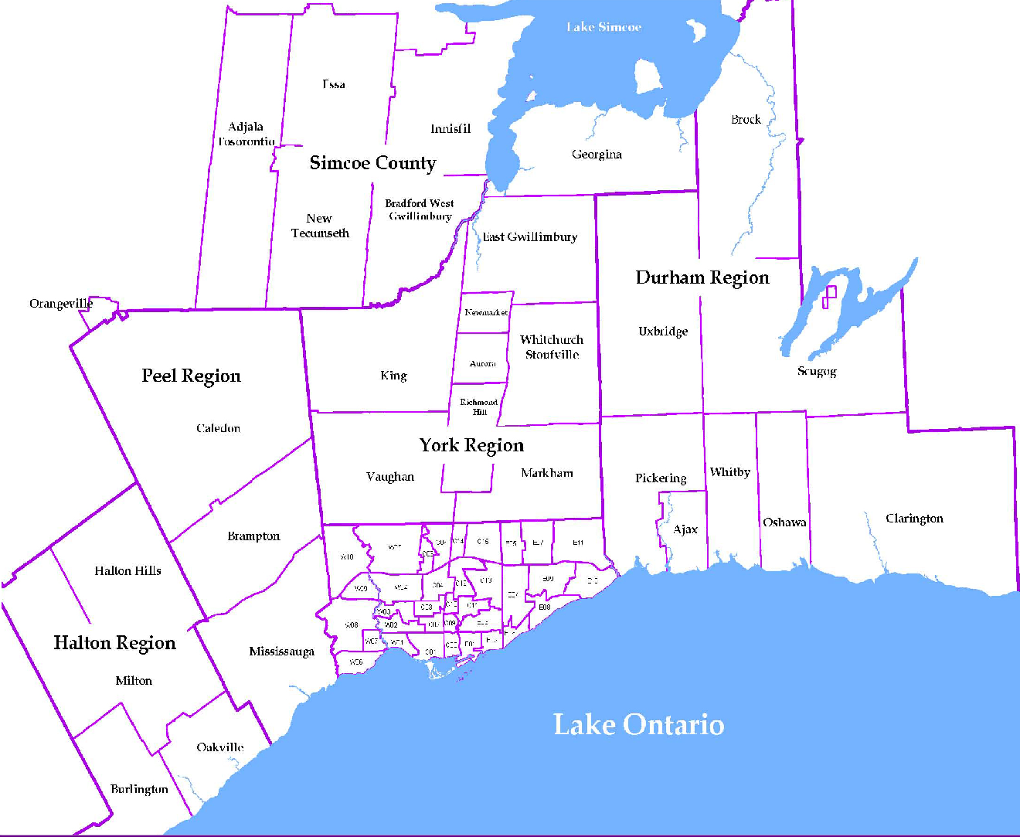
 |  |  |  |  |  |  |  |  |  | NOTES 1 - Refers to the total number of rental units that were available during the reporting period. 2 - Refers to firm lease transactions entered in the TorontoMLS system between the first and last day of the reporting period. 3 - Refers to the average lease rate for firm lease transactions entered in the TREB MLS® system between the first and last day of the reporting period. 4 - Statistics Canada, Quarter-over-quarter annualized growth rate. 5 - Statistics Canada, Year-over-year growth rate. 6 - Bank of Canada, rates for most recently completed month.
...
 |  |  |  |  |  | 17.2%
...
 |  |  |  |  |  |  | 0.4%
...
 |  |  |  |  |  |  |  |  |  |  |  |  |  |  |  |  |  | Rental Market Report, Fourth Quarter 2016 6
...

