Table 1
Rental Market Report
TREB Member Inquiries: (416) 443-8152 Media/Public Inquiries:
Fourth Quarter 2017 |  |  |  | (416) 443-8158
Economic Indicators Real GDP Quarterly Q3 2017 1.7% Toronto Employment Growth |  |  |  |  | Strong Average Rent Growth Continued in Q4 2017 TORONTO, ONTARIO, January 22, 2018 – Toronto Real Estate Board President Tim Syrianos announced that average rents for one-bedroom and two-bedroom condominium apartment rents were up very strongly on a year-over-year basis in the fourth quarter of 2017, based on transactions reported by Greater Toronto REALTORS® through TREB’s MLS® System. The average rent for one-bedroom condominium apartments in the TREB market area was up by 10.9 per cent on an annual basis to $1,970 in Q4 2017. The average two-bedroom condominium apartment rent was up by 8.8 per cent over the same period to $2,627. “As the population in the GTA continues to grow, so too does the demand for rental accommodation. The problem is that rental supply has not kept up with the increase in demand in recent years. The result has been low vacancy rates and intense competition between renters for available units. This competition has underpinned very strong growth in average rents,” said Mr. Syrianos. The number of condominium apartments listed during the fourth quarter was down by 3.4 per cent compared to Q4 2016. The number of units leased was down by 0.7 per cent. Because the vacancy rate was less than one per cent for condominium apartments in the fall of 2017, a dip in the number of apartments listed for rent translated through into a dip in the number of lease agreements signed . “Looking forward, we continue to have concerns that rent control legislation announced in conjunction with the Ontario Fair Housing Plan will preclude additional rental supply coming on stream, both in the purpose-built and investor-held condominium apartment segments. Going further, it is possible that current owners of condominium apartments could choose to list their units for sale to take advantage of recent price gains rather than rent their units to tenants under the new rent control regime,” said Jason Mercer, TREB’s Director of Market Analysis. |  |  |  |  |  |  |  |  |  |  |  |  |  |  |  |  |  | Total TREB MLS® Apartment Rentals 1,3
 |  |  |  |  |  |  |  |  |  |  |  |  |  |  |  |  |  |  |  |  |  |  |  | 5,668 |  |  | 5,710
December 2017 4.5% Toronto Unemployment Rate December 2017 6.0% Inflation Rate (Yr./Yr. CPI Growth) November 2017 2.1% Bank of Canada Overnight Rate December 2017 -- 1.0% Prime Rate December 2017 -- 3.2% Fixed 5-Year Mortgage Rate December 2017 -- 4.99% Sources: Statistics Canada; Bank of Canada
 |  |  |  |  |  |  |  |  |  |  |  |  |  |  |  |  |  |  |  |  |  |  | Q4 Q4 2017 2016 TREB MLS® Avg. 1-Bdrm. Apt. Rent 1,3
Rental Market Summary: Fourth Quarter 2017 Apartments1,2,3
 |  |  |  |  |  |  |  |  |  |  |  |  |  |  |  |  |  |  |  |  |  |  |  | $1,970
 |  |  |  |  |  |  |  |  |  |  |  |  |  |  |  |  |  |  |  |  |  |  |  |  |  |  | $1,776
 | All Bedroom Types |  |  |  | Bachelor |  |  |  |  |  | One-Bedroom |  |  |  | Two-Bedroom |  |  |  | Three-Bedroom
 | Listed | Leased |  |  | Leased |  |  |  | Avg. Rent |  | Leased |  | Avg. Rent |  | Leased |  | Avg. Rent |  | Leased |  | Avg. Rent
Q4 2017 | 9,184 | 5,668 |  |  | 201 |  |  |  | $1,670 |  | 3,264 |  | $1,970 |  | 2,053 |  | $2,627 |  | 150 |  | $3,524
Q4 2016 | 9,508 | 5,710 |  |  | 226 |  |  |  | $1,512 |  | 3,375 |  | $1,776 |  | 1,986 |  | $2,415 |  | 123 |  | $3,283
2Y0r.1/Y74r. % Chg. | -3.4% | -0.7% |  |  | -11.1% |  |  |  | 10.5% |  | -3.3% |  | 10.9% |  | 3 3.4% |  | 8.8% 4 |  | 22.0% 5 |  | 7.4%
Townhouses1,2,3
 | All Bedroom Types |  |  |  | Bachelor |  |  |  |  |  | One-Bedroom |  |  |  | Two-Bedroom |  |  |  | Three-Bedroom
 | Listed | Leased |  |  | Leased |  |  |  | Avg. Rent |  | Leased |  | Avg. Rent |  | Leased |  | Avg. Rent |  | Leased |  | Avg. Rent
Q4 2017 | 911 | 460 |  |  | 3 |  |  |  | $1,458 |  | 44 |  | $1,726 |  | 173 |  | $2,115 |  | 240 |  | $2,301
 |  |  |  |  |  |  |  |  |  |  |  |  |  |  |  |  |  |  |  |  |  |  | Q4 Q4 2017 2016
Q4 2016 | 849 | 438 |  |  | 2 |  |  |  | $1,475 |  | 44 |  | $1,669 |  | 177 |  | $1,981 |  | 215 |  | $2,287
2Y0r.1/7Y4r. % Chg. | 7.3% | 5.0% |  |  | 50.0% |  |  |  | -1.1% |  | 0.0% |  | 3.4% |  | -2.3% |  | 6.8% |  | 5 11.6% |  | 0.7%

SUMMARY OF RENTAL TRANSACTIONS APARTMENTS, FOURTH QUARTER 2017 ALL TREB AREAS
 |  |  | All Apartments |  |  |  |  |  |  |  |  | Bachelor |  |  |  | One-Bedroom |  |  |  |  |  | Two-Bedroom |  |  |  | Three-Bedroom
 |  |  | Total Listed1 |  |  |  |  | Total Leased2 |  |  |  | Leased 2 |  | Avg. Lease Rate3 |  | Leased 2 |  |  |  | Avg. Lease Rate3 |  | Leased 2 |  |  | Avg. Lease Rate3 | Leased 2 |  | Avg. Lease Rate3
TREB Total |  |  | 9,184 |  |  |  |  | 5,668 |  |  |  | 201 |  | $1,670 |  | 3,264 |  |  |  | $1,970 |  | 2,053 |  |  | $2,627 | 150 |  | $3,524
Halton Region |  |  | 244 |  |  |  |  | 125 |  |  |  | 0 |  | - |  | 70 |  |  |  | $1,607 |  | 52 |  |  | $2,167 | 3 |  | $1,971
Burlington |  |  | 49 |  |  |  |  | 21 |  |  |  | 0 |  | - |  | 12 |  |  |  | $1,519 |  | 8 |  |  | $1,866 | 1 |  | $1,812
Halton Hills |  |  | 1 |  |  |  |  | 0 |  |  |  | 0 |  | - |  | 0 |  |  |  | - |  | 0 |  |  | - | 0 |  | -
Milton |  |  | 34 |  |  |  |  | 17 |  |  |  | 0 |  | - |  | 10 |  |  |  | $1,510 |  | 6 |  |  | $1,717 | 1 |  | $2,100
Oakville |  |  | 160 |  |  |  |  | 87 |  |  |  | 0 |  | - |  | 48 |  |  |  | $1,650 |  | 38 |  |  | $2,302 | 1 |  | $2,000
Peel Region |  |  | 908 |  |  |  |  | 527 |  |  |  | 3 |  | $1,400 |  | 246 |  |  |  | $1,752 |  | 258 |  |  | $2,128 | 20 |  | $1,951
Brampton |  |  | 64 |  |  |  |  | 40 |  |  |  | 1 |  | $1,250 |  | 17 |  |  |  | $1,511 |  | 17 |  |  | $1,709 | 5 |  | $1,750
Caledon |  |  | 1 |  |  |  |  | 1 |  |  |  | 0 |  | - |  | 1 |  |  |  | $1,700 |  | 0 |  |  | - | 0 |  | -
Mississauga |  |  | 843 |  |  |  |  | 486 |  |  |  | 2 |  | $1,475 |  | 228 |  |  |  | $1,771 |  | 241 |  |  | $2,158 | 15 |  | $2,018
City of Toronto |  |  | 7,166 |  |  |  |  | 4,433 |  |  |  | 197 |  | $1,676 |  | 2,593 |  |  |  | $2,036 |  | 1,526 |  |  | $2,795 | 117 |  | $3,953
Toronto West |  |  | 825 |  |  |  |  | 529 |  |  |  | 4 |  | $1,444 |  | 292 |  |  |  | $1,849 |  | 222 |  |  | $2,406 | 11 |  | $2,492
Toronto Central |  |  | 5,885 |  |  |  |  | 3,626 |  |  |  | 189 |  | $1,687 |  | 2,156 |  |  |  | $2,083 |  | 1,191 |  |  | $2,940 | 90 |  | $4,481
Toronto East |  |  | 456 |  |  |  |  | 278 |  |  |  | 4 |  | $1,400 |  | 145 |  |  |  | $1,705 |  | 113 |  |  | $2,030 | 16 |  | $1,988
York Region |  |  | 837 |  |  |  |  | 565 |  |  |  | 1 |  | $1,400 |  | 350 |  |  |  | $1,714 |  | 206 |  |  | $2,163 | 8 |  | $2,231
Aurora |  |  | 6 |  |  |  |  | 3 |  |  |  | 0 |  | - |  | 2 |  |  |  | $1,825 |  | 1 |  |  | $1,600 | 0 |  | -
E. Gwillimbury |  |  | 0 |  |  |  |  | 0 |  |  |  | 0 |  | - |  | 0 |  |  |  | - |  | 0 |  |  | - | 0 |  | -
Georgina |  |  | 0 |  |  |  |  | 0 |  |  |  | 0 |  | - |  | 0 |  |  |  | - |  | 0 |  |  | - | 0 |  | -
King |  |  | 0 |  |  |  |  | 0 |  |  |  | 0 |  | - |  | 0 |  |  |  | - |  | 0 |  |  | - | 0 |  | -
Markham |  |  | 438 |  |  |  |  | 301 |  |  |  | 1 |  | $1,400 |  | 190 |  |  |  | $1,702 |  | 104 |  |  | $2,119 | 6 |  | $2,142
Newmarket |  |  | 3 |  |  |  |  | 3 |  |  |  | 0 |  | - |  | 2 |  |  |  | $1,788 |  | 1 |  |  | $1,600 | 0 |  | -
Richmond Hill |  |  | 163 |  |  |  |  | 105 |  |  |  | 0 |  | - |  | 67 |  |  |  | $1,690 |  | 37 |  |  | $2,177 | 1 |  | $2,500
Vaughan |  |  | 226 |  |  |  |  | 153 |  |  |  | 0 |  | - |  | 89 |  |  |  | $1,752 |  | 63 |  |  | $2,246 | 1 |  | $2,500
Whitchurch-Stouffville |  |  | 1 |  |  |  |  | 0 |  |  |  | 0 |  | - |  | 0 |  |  |  | - |  | 0 |  |  | - | 0 |  | -
Durham Region |  |  | 24 |  |  |  |  | 17 |  |  |  | 0 |  | - |  | 5 |  |  |  | $1,655 |  | 10 |  |  | $1,913 | 2 |  | $1,700
Ajax |  |  | 3 |  |  |  |  | 2 |  |  |  | 0 |  | - |  | 0 |  |  |  | - |  | 1 |  |  | $1,850 | 1 |  | $2,050
Brock |  |  | 0 |  |  |  |  | 0 |  |  |  | 0 |  | - |  | 0 |  |  |  | - |  | 0 |  |  | - | 0 |  | -
Clarington |  |  | 2 |  |  |  |  | 1 |  |  |  | 0 |  | - |  | 0 |  |  |  | - |  | 1 |  |  | $1,200 | 0 |  | -
Oshawa |  |  | 3 |  |  |  |  | 1 |  |  |  | 0 |  | - |  | 0 |  |  |  | - |  | 1 |  |  | $1,750 | 0 |  | -
Pickering |  |  | 12 |  |  |  |  | 9 |  |  |  | 0 |  | - |  | 4 |  |  |  | $1,631 |  | 5 |  |  | $2,005 | 0 |  | -
Scugog |  |  | 0 |  |  |  |  | 0 |  |  |  | 0 |  | - |  | 0 |  |  |  | - |  | 0 |  |  | - | 0 |  | -
Uxbridge |  |  | 0 |  |  |  |  | 0 |  |  |  | 0 |  | - |  | 0 |  |  |  | - |  | 0 |  |  | - | 0 |  | -
Whitby |  |  | 4 |  |  |  |  | 4 |  |  |  | 0 |  | - |  | 1 |  |  |  | $1,750 |  | 2 |  |  | $2,150 | 1 |  | $1,350
Dufferin County |  |  | 2 |  |  |  |  | 1 |  |  |  | 0 |  | - |  | 0 |  |  |  | - |  | 1 |  |  | $1,500 | 0 |  | -
Orangeville |  |  | 2 |  |  |  |  | 1 |  |  |  | 0 |  | - |  | 0 |  |  |  | - |  | 1 |  |  | $1,500 | 0 |  | -
Simcoe County |  |  | 3 |  |  |  |  | 0 |  |  |  | 0 |  | - |  | 0 |  |  |  | - |  | 0 |  |  | - | 0 |  | -
Adjala-Tosorontio |  |  | 0 |  |  |  |  | 0 |  |  |  | 0 |  | - |  | 0 |  |  |  | - |  | 0 |  |  | - | 0 |  | -
Bradford West Gwillimbury |  |  | 0 |  |  |  |  | 0 |  |  |  | 0 |  | - |  | 0 |  |  |  | - |  | 0 |  |  | - | 0 |  | -
Essa |  |  | 0 |  |  |  |  | 0 |  |  |  | 0 |  | - |  | 0 |  |  |  | - |  | 0 |  |  | - | 0 |  | -
Innisfil |  |  | 3 |  |  |  |  | 0 |  |  |  | 0 |  | - |  | 0 |  |  |  | - |  | 0 |  |  | - | 0 |  | -
New Tecumseth |  |  | 0 |  |  |  |  | 0 |  |  |  | 0 |  | - |  | 0 |  |  |  | - |  | 0 |  |  | - | 0 |  | -
SUMMARY OF RENTAL TRANSACTIONS APARTMENTS, FOURTH QUARTER 2017 CITY OF TORONTO MUNICIPAL BREAKDOWN
 |  |  | All Apartments |  |  |  |  |  |  |  |  | Bachelor |  |  |  | One-Bedroom |  |  |  |  |  | Two-Bedroom |  |  |  | Three-Bedroom
 |  |  | Total Listed 1 |  |  |  |  | Total Leased 2 |  |  |  | Leased 2 |  | Avg. Lease Rate3 |  | Leased 2 |  |  |  | Avg. Lease Rate3 |  | Leased 2 |  |  | Avg. Lease Rate3 | Leased2 |  | Avg. Lease Rate3
TREB Total |  |  | 9,184 |  |  |  |  | 5,668 |  |  |  | 201 |  | $1,670 |  | 3,264 |  |  |  | $1,970 |  | 2,053 |  |  | $2,627 | 150 |  | $3,524
City of Toronto Total |  |  | 7,166 |  |  |  |  | 4,433 |  |  |  | 197 |  | $1,676 |  | 2,593 |  |  |  | $2,036 |  | 1,526 |  |  | $2,795 | 117 |  | $3,953
Toronto West |  |  | 825 |  |  |  |  | 529 |  |  |  | 4 |  | $1,444 |  | 292 |  |  |  | $1,849 |  | 222 |  |  | $2,406 | 11 |  | $2,492
Toronto W01 |  |  | 75 |  |  |  |  | 46 |  |  |  | 0 |  | - |  | 24 |  |  |  | $1,998 |  | 22 |  |  | $2,632 | 0 |  | -
Toronto W02 |  |  | 65 |  |  |  |  | 46 |  |  |  | 0 |  | - |  | 30 |  |  |  | $1,912 |  | 16 |  |  | $2,471 | 0 |  | -
Toronto W03 |  |  | 5 |  |  |  |  | 3 |  |  |  | 0 |  | - |  | 0 |  |  |  | - |  | 2 |  |  | $2,925 | 1 |  | $2,400
Toronto W04 |  |  | 47 |  |  |  |  | 34 |  |  |  | 0 |  | - |  | 18 |  |  |  | $1,733 |  | 14 |  |  | $2,064 | 2 |  | $2,125
Toronto W05 |  |  | 45 |  |  |  |  | 29 |  |  |  | 2 |  | $1,213 |  | 16 |  |  |  | $1,660 |  | 8 |  |  | $2,081 | 3 |  | $2,079
Toronto W06 |  |  | 354 |  |  |  |  | 200 |  |  |  | 2 |  | $1,675 |  | 113 |  |  |  | $1,895 |  | 83 |  |  | $2,642 | 2 |  | $4,150
Toronto W07 |  |  | 7 |  |  |  |  | 5 |  |  |  | 0 |  | - |  | 3 |  |  |  | $1,915 |  | 2 |  |  | $3,100 | 0 |  | -
Toronto W08 |  |  | 165 |  |  |  |  | 123 |  |  |  | 0 |  | - |  | 73 |  |  |  | $1,821 |  | 49 |  |  | $2,252 | 1 |  | $2,025
Toronto W09 |  |  | 12 |  |  |  |  | 5 |  |  |  | 0 |  | - |  | 1 |  |  |  | $1,500 |  | 2 |  |  | $2,625 | 2 |  | $2,098
Toronto W10 |  |  | 50 |  |  |  |  | 38 |  |  |  | 0 |  | - |  | 14 |  |  |  | $1,613 |  | 24 |  |  | $1,845 | 0 |  | -
Toronto Central |  |  | 5,885 |  |  |  |  | 3,626 |  |  |  | 189 |  | $1,687 |  | 2,156 |  |  |  | $2,083 |  | 1,191 |  |  | $2,940 | 90 |  | $4,481
Toronto C01 |  |  | 2,903 |  |  |  |  | 1,789 |  |  |  | 97 |  | $1,706 |  | 1,112 |  |  |  | $2,152 |  | 532 |  |  | $3,158 | 48 |  | $4,460
Toronto C02 |  |  | 235 |  |  |  |  | 100 |  |  |  | 8 |  | $1,806 |  | 49 |  |  |  | $2,662 |  | 37 |  |  | $4,343 | 6 |  | $13,925
Toronto C03 |  |  | 49 |  |  |  |  | 22 |  |  |  | 3 |  | $1,550 |  | 10 |  |  |  | $1,988 |  | 9 |  |  | $2,864 | 0 |  | -
Toronto C04 |  |  | 36 |  |  |  |  | 21 |  |  |  | 0 |  | - |  | 11 |  |  |  | $1,993 |  | 9 |  |  | $2,721 | 1 |  | $2,250
Toronto C06 |  |  | 34 |  |  |  |  | 25 |  |  |  | 0 |  | - |  | 14 |  |  |  | $1,723 |  | 11 |  |  | $2,193 | 0 |  | -
Toronto C07 |  |  | 287 |  |  |  |  | 195 |  |  |  | 0 |  | - |  | 84 |  |  |  | $1,994 |  | 100 |  |  | $2,568 | 11 |  | $2,895
Toronto C08 |  |  | 1,009 |  |  |  |  | 580 |  |  |  | 60 |  | $1,705 |  | 347 |  |  |  | $2,103 |  | 163 |  |  | $3,037 | 10 |  | $3,395
Toronto C09 |  |  | 45 |  |  |  |  | 17 |  |  |  | 0 |  | - |  | 2 |  |  |  | $2,175 |  | 14 |  |  | $3,489 | 1 |  | $3,450
Toronto C10 |  |  | 200 |  |  |  |  | 101 |  |  |  | 1 |  | $1,450 |  | 64 |  |  |  | $2,106 |  | 35 |  |  | $2,743 | 1 |  | $3,000
Toronto C11 |  |  | 38 |  |  |  |  | 26 |  |  |  | 1 |  | $1,495 |  | 14 |  |  |  | $1,642 |  | 8 |  |  | $2,144 | 3 |  | $2,050
Toronto C12 |  |  | 20 |  |  |  |  | 8 |  |  |  | 0 |  | - |  | 3 |  |  |  | $2,250 |  | 5 |  |  | $3,090 | 0 |  | -
...
 |  |  |  |  |  |  |  | 4 |  |  |  | 0 |  | - |  | 0 |  |  |  | - |  | 4 |  |  | $2,672
 |  |  |  |  |  |  |  | 0 |  |  |  | 0 |  | - |  | 0 |  |  |  | - |  | 0 |  |  | -
 |  |  |  |  |  |  |  | 1 |  |  |  | 0 |  | - |  | 0 |  |  |  | - |  | 0 |  |  | -
 |  |  |  |  |  |  |  | 11 |  |  |  | 0 |  | - |  | 0 |  |  |  | - |  | 0 |  |  | -
 |  |  |  |  |  |  |  | 0 |  |  |  | 0 |  | - |  | 0 |  |  |  | - |  | 0 |  |  | -
 |  |  |  |  |  |  |  | 4 |  |  |  | 0 |  | - |  | 0 |  |  |  | - |  | 0 |  |  | -
 |  |  |  |  |  |  |  | 3 |  |  |  | 0 |  | - |  | 0 |  |  |  | - |  | 1 |  |  | $2,000
 |  |  |  |  |  |  |  | 4 |  |  |  | 0 |  | - |  | 0 |  |  |  | - |  | 1 |  |  | $2,050
 |  |  |  |  |  |  |  | 3 |  |  |  | 0 |  | - |  | 0 |  |  |  | - |  | 1 |  |  | $1,725
 |  |  |  |  |  |  |  | 11 |  |  |  | 0 |  | - |  | 1 |  |  |  | $1,550 |  | 6 |  |  | $1,613
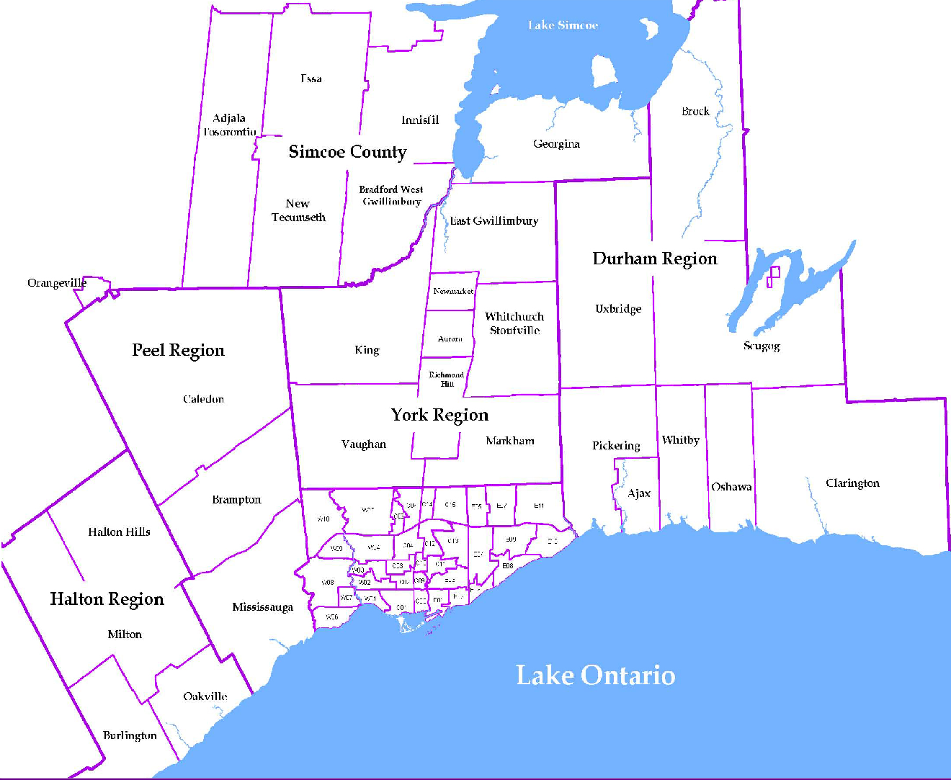
 |  |  |  |  |  |  |  |  |  | NOTES 1 - Refers to the total number of rental units that were available during the reporting period. 2 - Refers to firm lease transactions entered in the TorontoMLS system between the first and last day of the reporting period. 3 - Refers to the average lease rate for firm lease transactions entered in the TREB MLS® system between the first and last day of the reporting period. 4 - Statistics Canada, Quarter-over-quarter annualized growth rate. 5 - Statistics Canada, Year-over-year growth rate. 6 - Bank of Canada, rates for most recently completed month.
...
 |  |  |  |  |  | 21.6%
...
 |  |  |  |  |  |  | 0.3%
...
 |  |  |  |  |  |  |  |  |  |  |  |  |  |  |  |  |  | Rental Market Report, Fourth Quarter 2017 6
...

