Table 1
Rental Market Report
TREB Member Inquiries: (416) 443-8152 Media/Public Inquiries:
Fourth Quarter 2018 |  |  |  | (416) 443-8158
Economic Indicators Real GDP Quarterly Q3 2018 2.0% Toronto Employment Growth |  |  |  |  | TREB Releases Q4 2018 Condo Rental Market Stats TORONTO, January 28, 2019 - Toronto Real Estate Board President Garry Bhaura announced that, based on rental listings and transactions reported by Greater Toronto REALTORS® through TREB’s MLS® System, rental market conditions remained very tight in the fourth quarter of 2018. Average rents for one-bedroom and two-bedroom condominium apartments were up substantially on a year-over-year basis. The average rent for one-bedroom condominium apartments in the TREB market area was up by 8.8 per cent annually to $2,143 in Q4 2018. The average two-bedroom condominium apartment rent was up by 5.5 percent over the same period to $2,774. “The Greater Toronto Area has seen significant growth in its economy throughout 2018. It has become a primary destination for companies in various industries who are attracting younger talent who have a desire to live in the region. This desirability has contributed to the continuation of historically-low vacancy rates, strong competition between renters for available units and, as a result, very strong growth in average rents,” said Mr. Bhaura. The number of condominium apartments listed at some point during the fourth quarter was up 16.6 per cent compared to Q4 2017, outstripping the seven per cent annual growth in rental transactions. While encouraging, a number of quarters within which listings growth outstrips rental transaction growth will be required to see more balance in the rental market. “It will be important to continue monitoring the supply of rental condominium apartments. While TREB certainly supports the recent rent control exemptions announced by the provincial government, this change does not benefit all investor-owners of condominium apartments, who have provided much of the new rental stock over the past decade. It is conceivable that rent controls could prompt some investors to consider selling their units and investing the proceeds in another asset class. This scena |  |  |  |  |  |  |  |  |  |  |  |  |  |  |  | Total TREB MLS® Apartment Rentals 1,3
December 2018 0.9% Toronto Unemployment Rate December 2018 6.0% Inflation Rate (Yr./Yr. CPI Growth) December 2018 2.0% Bank of Canada Overnight Rate December 2018 -- 1.8% Prime Rate December 2018 -- 4.0% Fixed 5-Year Mortgage Rate December 2018 -- 5.34% Sources: Statistics Canada; Bank of Canada |  |  |  |  |  |  |  |  |  |  |  |  |  |  |  |  |  |  |  |  |  | 6,057
 |  |  |  |  |  |  |  |  |  |  |  |  |  |  |  |  |  |  |  |  |  |  |  |  | 5,662
 |  |  |  |  |  |  |  |  |  |  |  |  |  |  |  |  |  |  |  |  | Q4 Q4 2018 2017 TREB MLS® Avg. 1-Bdrm. Apt. Rent 1,3
Rental Market Summary: Fourth Quarter 2018 Apartments1,2,3
 |  |  |  |  |  |  |  |  |  |  |  |  |  |  |  |  |  |  |  |  |  | $2,143
 |  |  |  |  |  |  |  |  |  |  |  |  |  |  |  |  |  |  |  |  |  |  |  |  | $1,970
 | All Bedroom Types |  |  |  | Bachelor |  |  |  | One-Bedroom |  |  |  | Two-Bedroom |  |  |  | Three-Bedroom
 | Listed | Leased |  |  | Leased |  | Avg. Rent |  | Leased |  | Avg. Rent |  | Leased |  | Avg. Rent |  | Leased |  | Avg. Rent
Q4 2018 | 10,690 | 6,057 |  |  | 211 |  | $1,821 |  | 3,675 |  | $2,143 |  | 2,044 |  | $2,774 |  | 127 |  | $3,366
Q4 2017 | 9,169 | 5,662 |  |  | 201 |  | $1,670 |  | 3,261 |  | $1,970 |  | 2,050 |  | $2,628 |  | 150 |  | $3,524
2Y0r.1/Y84r. % Chg. | 16.6% | 7.0% |  |  | 5.0% |  | 9.0% |  | 12.7% |  | 1 8.8% |  | 0 -0.3% |  | 5.5% |  | 8 -15.3% 3 |  | -4.5%
Townhouses1,2,3
 | All Bedroom Types |  |  |  | Bachelor |  |  |  | One-Bedroom |  |  |  | Two-Bedroom |  |  |  | Three-Bedroom
 | Listed | Leased |  |  | Leased |  | Avg. Rent |  | Leased |  | Avg. Rent |  | Leased |  | Avg. Rent |  | Leased |  | Avg. Rent
Q4 2018 | 922 | 462 |  |  | 4 |  | $1,444 |  | 54 |  | $1,933 |  | 182 |  | $2,254 |  | 222 |  | $2,506
 |  |  |  |  |  |  |  |  |  |  |  |  |  |  |  |  |  |  |  |  | Q4 Q4 2018 2017
Q4 2017 | 911 | 460 |  |  | 3 |  | $1,458 |  | 44 |  | $1,726 |  | 173 |  | $2,115 |  | 240 |  | $2,302
2Y0r.1/8Y4r. % Chg. | 1.2% | 0.4% |  |  | 33.3% |  | -1.0% |  | 22.7% |  | 12.0% |  | 5.2% |  | 6.6% |  | 7 -7.5% |  | 8.9%

SUMMARY OF RENTAL TRANSACTIONS APARTMENTS, FOURTH QUARTER 2018 ALL TREB AREAS
 |  |  | All Apartments |  |  |  |  |  |  | Bachelor |  |  |  | One-Bedroom |  |  |  |  |  | Two-Bedroom |  |  |  | Three-Bedroom
 |  |  | Total Listed1 |  |  | Total Leased2 |  |  |  | Leased 2 |  | Avg. Lease Rate3 |  | Leased 2 |  |  |  | Avg. Lease Rate3 |  | Leased 2 |  |  | Avg. Lease Rate3 | Leased 2 |  | Avg. Lease Rate3
TREB Total |  |  | 10,690 |  |  | 6,057 |  |  |  | 211 |  | $1,821 |  | 3,675 |  |  |  | $2,143 |  | 2,044 |  |  | $2,774 | 127 |  | $3,366
Halton Region |  |  | 227 |  |  | 149 |  |  |  | 1 |  | $1,300 |  | 75 |  |  |  | $1,819 |  | 64 |  |  | $2,269 | 9 |  | $2,317
Burlington |  |  | 80 |  |  | 47 |  |  |  | 0 |  | - |  | 29 |  |  |  | $1,761 |  | 17 |  |  | $2,114 | 1 |  | $2,300
Halton Hills |  |  | 0 |  |  | 0 |  |  |  | 0 |  | - |  | 0 |  |  |  | - |  | 0 |  |  | - | 0 |  | -
Milton |  |  | 39 |  |  | 22 |  |  |  | 0 |  | - |  | 5 |  |  |  | $1,740 |  | 16 |  |  | $1,959 | 1 |  | $2,000
Oakville |  |  | 108 |  |  | 80 |  |  |  | 1 |  | $1,300 |  | 41 |  |  |  | $1,869 |  | 31 |  |  | $2,514 | 7 |  | $2,364
Peel Region |  |  | 805 |  |  | 517 |  |  |  | 5 |  | $1,550 |  | 253 |  |  |  | $1,985 |  | 242 |  |  | $2,348 | 17 |  | $2,650
Brampton |  |  | 48 |  |  | 38 |  |  |  | 2 |  | $1,450 |  | 14 |  |  |  | $1,737 |  | 22 |  |  | $1,981 | 0 |  | -
Caledon |  |  | 1 |  |  | 1 |  |  |  | 0 |  | - |  | 0 |  |  |  | - |  | 1 |  |  | $2,400 | 0 |  | -
Mississauga |  |  | 756 |  |  | 478 |  |  |  | 3 |  | $1,617 |  | 239 |  |  |  | $2,000 |  | 219 |  |  | $2,385 | 17 |  | $2,650
City of Toronto |  |  | 8,729 |  |  | 4,813 |  |  |  | 201 |  | $1,838 |  | 3,017 |  |  |  | $2,196 |  | 1,502 |  |  | $2,944 | 93 |  | $3,679
Toronto West |  |  | 1,078 |  |  | 666 |  |  |  | 5 |  | $1,550 |  | 422 |  |  |  | $2,023 |  | 231 |  |  | $2,603 | 8 |  | $2,981
Toronto Central |  |  | 7,239 |  |  | 3,867 |  |  |  | 189 |  | $1,857 |  | 2,441 |  |  |  | $2,241 |  | 1,163 |  |  | $3,080 | 74 |  | $3,910
Toronto East |  |  | 412 |  |  | 280 |  |  |  | 7 |  | $1,536 |  | 154 |  |  |  | $1,954 |  | 108 |  |  | $2,203 | 11 |  | $2,635
York Region |  |  | 841 |  |  | 540 |  |  |  | 3 |  | $1,533 |  | 312 |  |  |  | $1,859 |  | 218 |  |  | $2,298 | 7 |  | $2,536
Aurora |  |  | 10 |  |  | 3 |  |  |  | 0 |  | - |  | 1 |  |  |  | $1,500 |  | 2 |  |  | $2,350 | 0 |  | -
E. Gwillimbury |  |  | 0 |  |  | 0 |  |  |  | 0 |  | - |  | 0 |  |  |  | - |  | 0 |  |  | - | 0 |  | -
Georgina |  |  | 0 |  |  | 0 |  |  |  | 0 |  | - |  | 0 |  |  |  | - |  | 0 |  |  | - | 0 |  | -
King |  |  | 2 |  |  | 1 |  |  |  | 0 |  | - |  | 0 |  |  |  | - |  | 1 |  |  | $1,900 | 0 |  | -
Markham |  |  | 413 |  |  | 272 |  |  |  | 3 |  | $1,533 |  | 171 |  |  |  | $1,864 |  | 95 |  |  | $2,283 | 3 |  | $2,650
Newmarket |  |  | 1 |  |  | 1 |  |  |  | 0 |  | - |  | 0 |  |  |  | - |  | 1 |  |  | $1,950 | 0 |  | -
Richmond Hill |  |  | 173 |  |  | 116 |  |  |  | 0 |  | - |  | 77 |  |  |  | $1,820 |  | 35 |  |  | $2,337 | 4 |  | $2,450
Vaughan |  |  | 240 |  |  | 147 |  |  |  | 0 |  | - |  | 63 |  |  |  | $1,901 |  | 84 |  |  | $2,306 | 0 |  | -
Whitchurch-Stouffville |  |  | 2 |  |  | 0 |  |  |  | 0 |  | - |  | 0 |  |  |  | - |  | 0 |  |  | - | 0 |  | -
Durham Region |  |  | 57 |  |  | 32 |  |  |  | 0 |  | - |  | 15 |  |  |  | $1,648 |  | 16 |  |  | $1,834 | 1 |  | $1,750
Ajax |  |  | 3 |  |  | 2 |  |  |  | 0 |  | - |  | 1 |  |  |  | $1,700 |  | 1 |  |  | $1,900 | 0 |  | -
Brock |  |  | 0 |  |  | 0 |  |  |  | 0 |  | - |  | 0 |  |  |  | - |  | 0 |  |  | - | 0 |  | -
Clarington |  |  | 14 |  |  | 6 |  |  |  | 0 |  | - |  | 4 |  |  |  | $1,463 |  | 2 |  |  | $2,050 | 0 |  | -
Oshawa |  |  | 14 |  |  | 8 |  |  |  | 0 |  | - |  | 2 |  |  |  | $1,413 |  | 6 |  |  | $1,517 | 0 |  | -
Pickering |  |  | 23 |  |  | 13 |  |  |  | 0 |  | - |  | 7 |  |  |  | $1,836 |  | 6 |  |  | $2,108 | 0 |  | -
Scugog |  |  | 0 |  |  | 0 |  |  |  | 0 |  | - |  | 0 |  |  |  | - |  | 0 |  |  | - | 0 |  | -
Uxbridge |  |  | 1 |  |  | 1 |  |  |  | 0 |  | - |  | 0 |  |  |  | - |  | 1 |  |  | $1,600 | 0 |  | -
Whitby |  |  | 2 |  |  | 2 |  |  |  | 0 |  | - |  | 1 |  |  |  | $1,500 |  | 0 |  |  | - | 1 |  | $1,750
Dufferin County |  |  | 1 |  |  | 0 |  |  |  | 0 |  | - |  | 0 |  |  |  | - |  | 0 |  |  | - | 0 |  | -
Orangeville |  |  | 1 |  |  | 0 |  |  |  | 0 |  | - |  | 0 |  |  |  | - |  | 0 |  |  | - | 0 |  | -
Simcoe County |  |  | 30 |  |  | 6 |  |  |  | 1 |  | $1,200 |  | 3 |  |  |  | $1,500 |  | 2 |  |  | $1,900 | 0 |  | -
Adjala-Tosorontio |  |  | 0 |  |  | 0 |  |  |  | 0 |  | - |  | 0 |  |  |  | - |  | 0 |  |  | - | 0 |  | -
Bradford West Gwillimbury |  |  | 0 |  |  | 0 |  |  |  | 0 |  | - |  | 0 |  |  |  | - |  | 0 |  |  | - | 0 |  | -
Essa |  |  | 0 |  |  | 0 |  |  |  | 0 |  | - |  | 0 |  |  |  | - |  | 0 |  |  | - | 0 |  | -
Innisfil |  |  | 24 |  |  | 4 |  |  |  | 1 |  | $1,200 |  | 1 |  |  |  | $1,650 |  | 2 |  |  | $1,900 | 0 |  | -
New Tecumseth |  |  | 6 |  |  | 2 |  |  |  | 0 |  | - |  | 2 |  |  |  | $1,425 |  | 0 |  |  | - | 0 |  | -
SUMMARY OF RENTAL TRANSACTIONS APARTMENTS, FOURTH QUARTER 2018 CITY OF TORONTO MUNICIPAL BREAKDOWN
 |  |  | All Apartments |  |  |  |  |  |  | Bachelor |  |  |  | One-Bedroom |  |  |  |  |  | Two-Bedroom |  |  |  | Three-Bedroom
 |  |  | Total Listed 1 |  |  | Total Leased 2 |  |  |  | Leased 2 |  | Avg. Lease Rate3 |  | Leased 2 |  |  |  | Avg. Lease Rate3 |  | Leased 2 |  |  | Avg. Lease Rate3 | Leased2 |  | Avg. Lease Rate3
TREB Total |  |  | 10,690 |  |  | 6,057 |  |  |  | 211 |  | $1,821 |  | 3,675 |  |  |  | $2,143 |  | 2,044 |  |  | $2,774 | 127 |  | $3,366
City of Toronto Total |  |  | 8,729 |  |  | 4,813 |  |  |  | 201 |  | $1,838 |  | 3,017 |  |  |  | $2,196 |  | 1,502 |  |  | $2,944 | 93 |  | $3,679
Toronto West |  |  | 1,078 |  |  | 666 |  |  |  | 5 |  | $1,550 |  | 422 |  |  |  | $2,023 |  | 231 |  |  | $2,603 | 8 |  | $2,981
Toronto W01 |  |  | 85 |  |  | 55 |  |  |  | 2 |  | $1,450 |  | 37 |  |  |  | $2,121 |  | 14 |  |  | $2,780 | 2 |  | $4,350
Toronto W02 |  |  | 96 |  |  | 48 |  |  |  | 0 |  | - |  | 35 |  |  |  | $2,162 |  | 13 |  |  | $2,887 | 0 |  | -
Toronto W03 |  |  | 4 |  |  | 2 |  |  |  | 0 |  | - |  | 1 |  |  |  | $1,900 |  | 0 |  |  | - | 1 |  | $2,700
Toronto W04 |  |  | 122 |  |  | 78 |  |  |  | 3 |  | $1,617 |  | 56 |  |  |  | $1,882 |  | 18 |  |  | $2,279 | 1 |  | $3,350
Toronto W05 |  |  | 37 |  |  | 29 |  |  |  | 0 |  | - |  | 18 |  |  |  | $1,957 |  | 10 |  |  | $2,055 | 1 |  | $2,000
Toronto W06 |  |  | 405 |  |  | 231 |  |  |  | 0 |  | - |  | 148 |  |  |  | $2,093 |  | 83 |  |  | $2,885 | 0 |  | -
Toronto W07 |  |  | 7 |  |  | 6 |  |  |  | 0 |  | - |  | 3 |  |  |  | $2,442 |  | 3 |  |  | $3,050 | 0 |  | -
Toronto W08 |  |  | 268 |  |  | 181 |  |  |  | 0 |  | - |  | 109 |  |  |  | $1,957 |  | 70 |  |  | $2,427 | 2 |  | $2,625
Toronto W09 |  |  | 13 |  |  | 6 |  |  |  | 0 |  | - |  | 2 |  |  |  | $1,750 |  | 4 |  |  | $2,675 | 0 |  | -
Toronto W10 |  |  | 41 |  |  | 30 |  |  |  | 0 |  | - |  | 13 |  |  |  | $1,777 |  | 16 |  |  | $2,131 | 1 |  | $1,850
Toronto Central |  |  | 7,239 |  |  | 3,867 |  |  |  | 189 |  | $1,857 |  | 2,441 |  |  |  | $2,241 |  | 1,163 |  |  | $3,080 | 74 |  | $3,910
Toronto C01 |  |  | 3,330 |  |  | 1,727 |  |  |  | 99 |  | $1,877 |  | 1,152 |  |  |  | $2,319 |  | 443 |  |  | $3,312 | 33 |  | $4,330
Toronto C02 |  |  | 294 |  |  | 124 |  |  |  | 4 |  | $1,913 |  | 61 |  |  |  | $2,508 |  | 55 |  |  | $4,063 | 4 |  | $5,486
Toronto C03 |  |  | 66 |  |  | 31 |  |  |  | 2 |  | $1,650 |  | 16 |  |  |  | $2,131 |  | 12 |  |  | $2,848 | 1 |  | $2,500
Toronto C04 |  |  | 68 |  |  | 34 |  |  |  | 0 |  | - |  | 14 |  |  |  | $2,028 |  | 18 |  |  | $2,600 | 2 |  | $2,948
Toronto C06 |  |  | 43 |  |  | 29 |  |  |  | 0 |  | - |  | 10 |  |  |  | $1,965 |  | 18 |  |  | $2,369 | 1 |  | $3,100
Toronto C07 |  |  | 293 |  |  | 191 |  |  |  | 0 |  | - |  | 83 |  |  |  | $2,176 |  | 95 |  |  | $2,812 | 13 |  | $3,242
Toronto C08 |  |  | 1,555 |  |  | 770 |  |  |  | 69 |  | $1,866 |  | 519 |  |  |  | $2,238 |  | 178 |  |  | $3,111 | 4 |  | $4,669
Toronto C09 |  |  | 49 |  |  | 25 |  |  |  | 0 |  | - |  | 11 |  |  |  | $2,302 |  | 11 |  |  | $4,141 | 3 |  | $4,600
Toronto C10 |  |  | 249 |  |  | 121 |  |  |  | 1 |  | $1,700 |  | 82 |  |  |  | $2,209 |  | 38 |  |  | $2,989 | 0 |  | -
Toronto C11 |  |  | 60 |  |  | 32 |  |  |  | 0 |  | - |  | 16 |  |  |  | $1,833 |  | 14 |  |  | $2,683 | 2 |  | $2,325
...
 |  |  |  |  |  | 0 |  |  |  | 0 |  | - |  | 0 |  |  |  | - |  | 0 |  |  | -
 |  |  |  |  |  | 0 |  |  |  | 0 |  | - |  | 0 |  |  |  | - |  | 0 |  |  | -
 |  |  |  |  |  | 3 |  |  |  | 0 |  | - |  | 0 |  |  |  | - |  | 3 |  |  | $2,000
 |  |  |  |  |  | 6 |  |  |  | 0 |  | - |  | 1 |  |  |  | $1,150 |  | 0 |  |  | -
 |  |  |  |  |  | 1 |  |  |  | 0 |  | - |  | 0 |  |  |  | - |  | 1 |  |  | $2,450
 |  |  |  |  |  | 1 |  |  |  | 0 |  | - |  | 0 |  |  |  | - |  | 0 |  |  | -
 |  |  |  |  |  | 1 |  |  |  | 0 |  | - |  | 0 |  |  |  | - |  | 0 |  |  | -
 |  |  |  |  |  | 1 |  |  |  | 0 |  | - |  | 0 |  |  |  | - |  | 1 |  |  | $2,450
 |  |  |  |  |  | 1 |  |  |  | 1 |  | $1,300 |  | 0 |  |  |  | - |  | 0 |  |  | -
 |  |  |  |  |  | 4 |  |  |  | 0 |  | - |  | 1 |  |  |  | $1,650 |  | 2 |  |  | $1,925
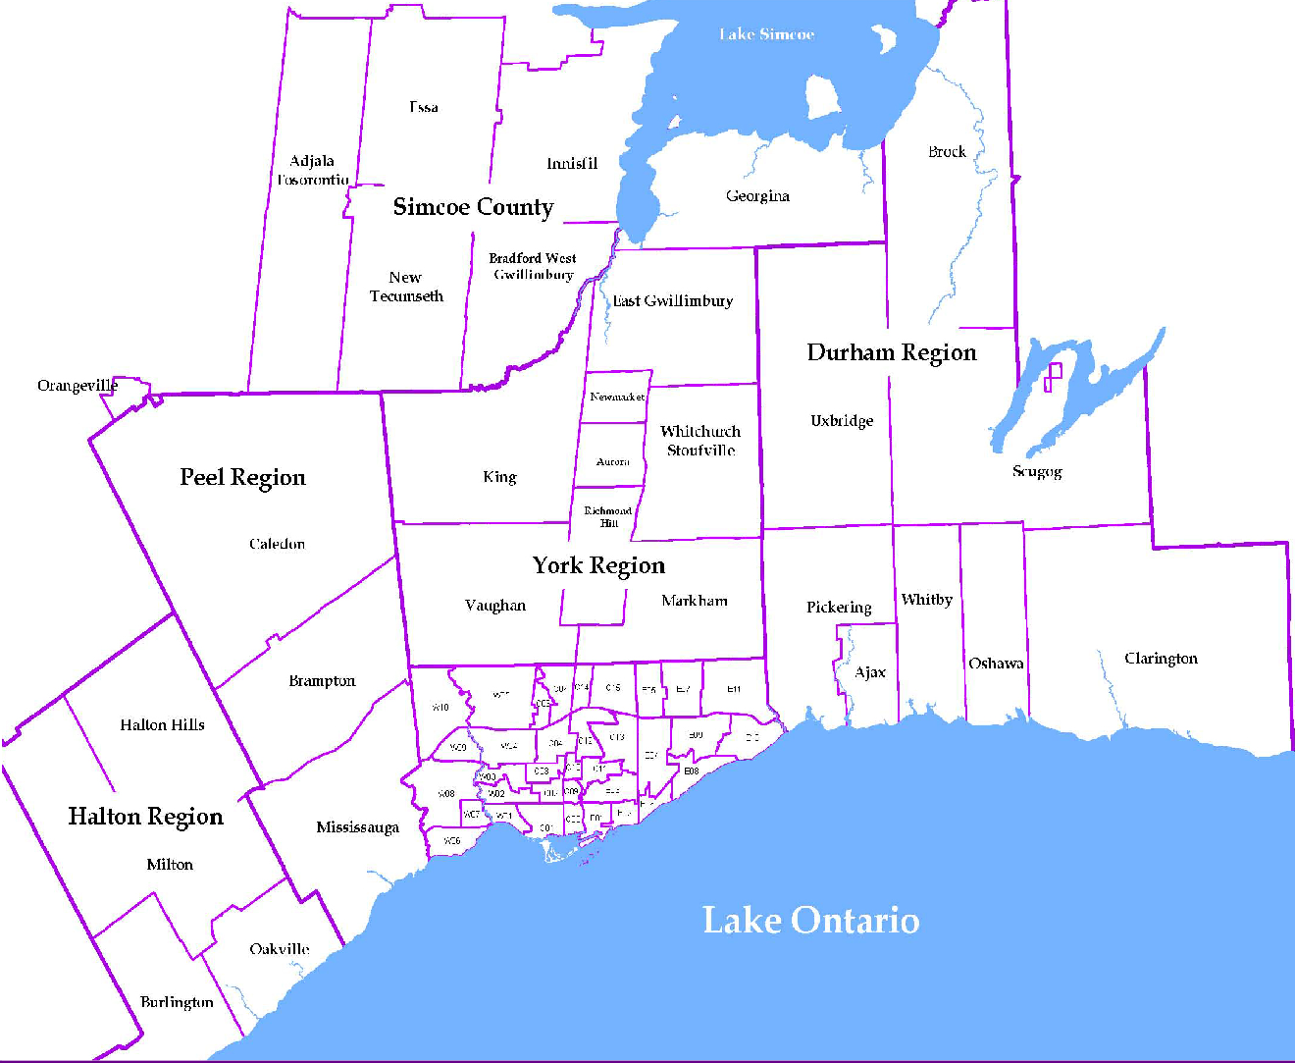
 |  |  |  |  |  |  |  | NOTES 1 - Refers to the total number of rental units that were available during the reporting period. 2 - Refers to firm lease transactions entered in the TorontoMLS system between the first and last day of the reporting period. 3 - Refers to the average lease rate for firm lease transactions entered in the TREB MLS® system between the first and last day of the reporting period. 4 - Statistics Canada, Quarter-over-quarter annualized growth rate. 5 - Statistics Canada, Year-over-year growth rate. 6 - Bank of Canada, rates for most recently completed month.
...
 |  |  |  |  |  |  |  |  |  |  |  |  |  |  |  | Rental Market Report, Fourth Quarter 2018 6
...

