Table 1
Rental Market Report
TREB Member Inquiries: (416) 443-8152 Media/Public Inquiries:
Fourth Quarter 2019 |  |  |  | (416) 443-8158
Economic Indicators Real GDP Quarterly Q3 2019 1.3% Toronto Employment Growth |  |  |  |  | TREB Releases Q4 2019 Condo Rental Market Stats TORONTO, January 15, 2019- Toronto Real Estate Board President Michael Collins announced that Greater Toronto Area REALTORS® reported 6,758 condominium apartment rentals through TREB’s MLS® System in the fourth quarter of 2019. This result was up by 11.8 per cent compared to the fourth quarter of 2018. The number of condominium apartments listed for rent at some point during Q4 2019 was up by 35.6 per cent compared to Q4 2018. “Strong job growth across a number of different sectors coupled with the GTA’s renowned cultural diversity continued to fuel robust population growth in 2019. Obviously, all of these people needed a place to live, with many initially pointed to the rental market. This obviously underpinned the growth in condominium apartment rental transactions,” said TREB President Michael Collins. Average condominium apartment rents were up on a year-over-year basis for one-bedroom and two-bedroom units. The average one-bedroom condominium apartment rent was $2,209 in Q4 2019 – up 3.1 per cent compared to Q4 2018. The average two-bedroom condominium apartment rent was up by 3.4 per cent over the same period to $2,868. “The condominium apartment rental market became progressively better supplied throughout 2019, as annual growth the number of units listed for rent outstripped growth in rental transactions. The increase in units listed was likely due, at least in part, to condominium apartment investor-owners listing their units for rent in response to extremely strong average rent growth in 2018 and 2019. This resulted in average rent growth moderating closer to the rate of inflation,” said Jason Mercer, TREB’s Chief Market Analyst. |  |  |  |  |  |  |  |  |  |  |  |  |  |  |  |  | Total TREB MLS® Apartment Rentals 1,3
 |  |  |  |  |  |  |  |  |  |  |  |  |  |  |  |  |  |  |  |  |  |  | 6,758
December 2019 4.6% Toronto Unemployment Rate December 2019 -- 5.7% Inflation Rate (Yr./Yr. CPI Growth) November 2019 2.2% Bank of Canada Overnight Rate December 2019 -- 1.8% Prime Rate December 2019 -- 4.0% Fixed 5-Year Mortgage Rate December 2019 -- 5.19% Sources: Statistics Canada; Bank of Canada |  |  |  |  |  |  |  |  |  |  |  |  |  |  |  |  |  |  |  |  |  |  |  |  |  | 6,046
 |  |  |  |  |  |  |  |  |  |  |  |  |  |  |  |  |  |  |  |  |  | Q4 Q4 2019 2018 TREB MLS® Avg. 1-Bdrm. Apt. Rent 1,3
Rental Market Summary: Fourth Quarter 2019 Apartments1,2,3
 |  |  |  |  |  |  |  |  |  |  |  |  |  |  |  |  |  |  |  |  |  |  | $2,209 |  |  | $2,143
 | All Bedroom Types |  |  |  | Bachelor |  |  |  |  | One-Bedroom |  |  |  | Two-Bedroom |  |  |  | Three-Bedroom
 | Listed | Leased |  |  | Leased |  |  | Avg. Rent |  | Leased |  | Avg. Rent |  | Leased |  | Avg. Rent |  | Leased |  | Avg. Rent
Q4 2019 | 14,428 | 6,758 |  |  | 256 |  |  | $1,869 |  | 4,124 |  | $2,209 |  | 2,241 |  | $2,868 |  | 137 |  | $3,324
Q4 2018 | 10,643 | 6,046 |  |  | 210 |  |  | $1,823 |  | 3,670 |  | $2,143 |  | 2,040 |  | $2,774 |  | 126 |  | $3,373
2Y0r.1/Y94r. % Chg. | 35.6% | 11.8% |  |  | 21.9% |  |  | 2.5% |  | 12.4% |  | 1 3.1% |  | 8 9.9% |  | 3.4% 9 |  | 8.7% 3 |  | -1.4%
Townhouses1,2,3
 | All Bedroom Types |  |  |  | Bachelor |  |  |  |  | One-Bedroom |  |  |  | Two-Bedroom |  |  |  | Three-Bedroom
 | Listed | Leased |  |  | Leased |  |  | Avg. Rent |  | Leased |  | Avg. Rent |  | Leased |  | Avg. Rent |  | Leased |  | Avg. Rent
Q4 2019 | 1,267 | 610 |  |  | 1 |  |  | $1,600 |  | 65 |  | $2,002 |  | 299 |  | $2,410 |  | 245 |  | $2,597
 |  |  |  |  |  |  |  |  |  |  |  |  |  |  |  |  |  |  |  |  |  | Q4 Q4 2019 2018
Q4 2018 | 919 | 462 |  |  | 4 |  |  | $1,444 |  | 54 |  | $1,933 |  | 182 |  | $2,254 |  | 222 |  | $2,506
2Y0r.1/9Y4r. % Chg. | 37.9% | 32.0% |  |  | -75.0% |  |  | 10.8% |  | 20.4% |  | 3.6% |  | 64.3% |  | 6.9% |  | 5 10.4% |  | 3.7%

SUMMARY OF RENTAL TRANSACTIONS APARTMENTS, FOURTH QUARTER 2019 ALL TREB AREAS
 |  |  | All Apartments |  |  |  |  |  |  |  | Bachelor |  |  |  | One-Bedroom |  |  |  |  |  | Two-Bedroom |  |  |  | Three-Bedroom
 |  |  | Total Listed1 |  |  |  | Total Leased2 |  |  |  | Leased 2 |  | Avg. Lease Rate3 |  | Leased 2 |  |  |  | Avg. Lease Rate3 |  | Leased 2 |  |  | Avg. Lease Rate3 | Leased 2 |  | Avg. Lease Rate3
TREB Total |  |  | 14,428 |  |  |  | 6,758 |  |  |  | 256 |  | $1,869 |  | 4,124 |  |  |  | $2,209 |  | 2,241 |  |  | $2,868 | 137 |  | $3,324
Halton Region |  |  | 253 |  |  |  | 155 |  |  |  | 1 |  | $1,500 |  | 81 |  |  |  | $1,964 |  | 70 |  |  | $2,545 | 3 |  | $2,548
Burlington |  |  | 68 |  |  |  | 38 |  |  |  | 0 |  | - |  | 20 |  |  |  | $1,930 |  | 18 |  |  | $2,469 | 0 |  | -
Halton Hills |  |  | 3 |  |  |  | 2 |  |  |  | 0 |  | - |  | 1 |  |  |  | $1,700 |  | 1 |  |  | $2,250 | 0 |  | -
Milton |  |  | 46 |  |  |  | 31 |  |  |  | 0 |  | - |  | 19 |  |  |  | $1,845 |  | 11 |  |  | $2,190 | 1 |  | $2,250
Oakville |  |  | 136 |  |  |  | 84 |  |  |  | 1 |  | $1,500 |  | 41 |  |  |  | $2,041 |  | 40 |  |  | $2,684 | 2 |  | $2,698
Peel Region |  |  | 1,194 |  |  |  | 571 |  |  |  | 5 |  | $1,730 |  | 283 |  |  |  | $2,143 |  | 266 |  |  | $2,536 | 17 |  | $2,626
Brampton |  |  | 62 |  |  |  | 41 |  |  |  | 2 |  | $1,600 |  | 13 |  |  |  | $1,848 |  | 22 |  |  | $2,165 | 4 |  | $2,324
Caledon |  |  | 2 |  |  |  | 0 |  |  |  | 0 |  | - |  | 0 |  |  |  | - |  | 0 |  |  | - | 0 |  | -
Mississauga |  |  | 1,130 |  |  |  | 530 |  |  |  | 3 |  | $1,817 |  | 270 |  |  |  | $2,157 |  | 244 |  |  | $2,569 | 13 |  | $2,719
City of Toronto |  |  | 11,797 |  |  |  | 5,395 |  |  |  | 247 |  | $1,883 |  | 3,377 |  |  |  | $2,249 |  | 1,662 |  |  | $3,000 | 109 |  | $3,506
Toronto West |  |  | 1,422 |  |  |  | 696 |  |  |  | 9 |  | $1,683 |  | 409 |  |  |  | $2,150 |  | 262 |  |  | $2,745 | 16 |  | $3,403
Toronto Central |  |  | 9,491 |  |  |  | 4,230 |  |  |  | 231 |  | $1,898 |  | 2,714 |  |  |  | $2,287 |  | 1,212 |  |  | $3,141 | 73 |  | $3,757
Toronto East |  |  | 884 |  |  |  | 469 |  |  |  | 7 |  | $1,622 |  | 254 |  |  |  | $2,002 |  | 188 |  |  | $2,447 | 20 |  | $2,669
York Region |  |  | 1,016 |  |  |  | 577 |  |  |  | 0 |  | - |  | 357 |  |  |  | $1,983 |  | 215 |  |  | $2,474 | 5 |  | $2,670
Aurora |  |  | 9 |  |  |  | 6 |  |  |  | 0 |  | - |  | 2 |  |  |  | $2,000 |  | 4 |  |  | $2,174 | 0 |  | -
E. Gwillimbury |  |  | 0 |  |  |  | 0 |  |  |  | 0 |  | - |  | 0 |  |  |  | - |  | 0 |  |  | - | 0 |  | -
Georgina |  |  | 0 |  |  |  | 0 |  |  |  | 0 |  | - |  | 0 |  |  |  | - |  | 0 |  |  | - | 0 |  | -
King |  |  | 2 |  |  |  | 1 |  |  |  | 0 |  | - |  | 1 |  |  |  | $1,700 |  | 0 |  |  | - | 0 |  | -
Markham |  |  | 449 |  |  |  | 253 |  |  |  | 0 |  | - |  | 164 |  |  |  | $1,947 |  | 86 |  |  | $2,477 | 3 |  | $2,700
Newmarket |  |  | 4 |  |  |  | 2 |  |  |  | 0 |  | - |  | 1 |  |  |  | $1,550 |  | 1 |  |  | $1,750 | 0 |  | -
Richmond Hill |  |  | 231 |  |  |  | 125 |  |  |  | 0 |  | - |  | 79 |  |  |  | $1,991 |  | 45 |  |  | $2,440 | 1 |  | $2,500
Vaughan |  |  | 319 |  |  |  | 189 |  |  |  | 0 |  | - |  | 110 |  |  |  | $2,036 |  | 78 |  |  | $2,521 | 1 |  | $2,750
Whitchurch-Stouffville |  |  | 2 |  |  |  | 1 |  |  |  | 0 |  | - |  | 0 |  |  |  | - |  | 1 |  |  | $2,050 | 0 |  | -
Durham Region |  |  | 125 |  |  |  | 48 |  |  |  | 2 |  | $1,000 |  | 23 |  |  |  | $1,662 |  | 20 |  |  | $2,015 | 3 |  | $2,550
Ajax |  |  | 7 |  |  |  | 4 |  |  |  | 0 |  | - |  | 0 |  |  |  | - |  | 2 |  |  | $2,123 | 2 |  | $2,675
Brock |  |  | 0 |  |  |  | 0 |  |  |  | 0 |  | - |  | 0 |  |  |  | - |  | 0 |  |  | - | 0 |  | -
Clarington |  |  | 12 |  |  |  | 7 |  |  |  | 0 |  | - |  | 2 |  |  |  | $1,575 |  | 5 |  |  | $1,720 | 0 |  | -
Oshawa |  |  | 42 |  |  |  | 14 |  |  |  | 2 |  | $1,000 |  | 9 |  |  |  | $1,429 |  | 3 |  |  | $1,800 | 0 |  | -
Pickering |  |  | 58 |  |  |  | 19 |  |  |  | 0 |  | - |  | 11 |  |  |  | $1,859 |  | 8 |  |  | $2,144 | 0 |  | -
Scugog |  |  | 0 |  |  |  | 0 |  |  |  | 0 |  | - |  | 0 |  |  |  | - |  | 0 |  |  | - | 0 |  | -
Uxbridge |  |  | 0 |  |  |  | 0 |  |  |  | 0 |  | - |  | 0 |  |  |  | - |  | 0 |  |  | - | 0 |  | -
Whitby |  |  | 6 |  |  |  | 4 |  |  |  | 0 |  | - |  | 1 |  |  |  | $1,750 |  | 2 |  |  | $2,450 | 1 |  | $2,300
Dufferin County |  |  | 3 |  |  |  | 1 |  |  |  | 0 |  | - |  | 0 |  |  |  | - |  | 1 |  |  | $2,500 | 0 |  | -
Orangeville |  |  | 3 |  |  |  | 1 |  |  |  | 0 |  | - |  | 0 |  |  |  | - |  | 1 |  |  | $2,500 | 0 |  | -
Simcoe County |  |  | 40 |  |  |  | 11 |  |  |  | 1 |  | $1,400 |  | 3 |  |  |  | $1,608 |  | 7 |  |  | $1,943 | 0 |  | -
Adjala-Tosorontio |  |  | 0 |  |  |  | 0 |  |  |  | 0 |  | - |  | 0 |  |  |  | - |  | 0 |  |  | - | 0 |  | -
Bradford West Gwillimbury |  |  | 2 |  |  |  | 1 |  |  |  | 0 |  | - |  | 0 |  |  |  | - |  | 1 |  |  | $1,550 | 0 |  | -
Essa |  |  | 0 |  |  |  | 0 |  |  |  | 0 |  | - |  | 0 |  |  |  | - |  | 0 |  |  | - | 0 |  | -
Innisfil |  |  | 36 |  |  |  | 9 |  |  |  | 1 |  | $1,400 |  | 3 |  |  |  | $1,608 |  | 5 |  |  | $2,010 | 0 |  | -
New Tecumseth |  |  | 2 |  |  |  | 1 |  |  |  | 0 |  | - |  | 0 |  |  |  | - |  | 1 |  |  | $2,000 | 0 |  | -
SUMMARY OF RENTAL TRANSACTIONS APARTMENTS, FOURTH QUARTER 2019 CITY OF TORONTO MUNICIPAL BREAKDOWN
 |  |  | All Apartments |  |  |  |  |  |  |  | Bachelor |  |  |  | One-Bedroom |  |  |  |  |  | Two-Bedroom |  |  |  | Three-Bedroom
 |  |  | Total Listed 1 |  |  |  | Total Leased 2 |  |  |  | Leased 2 |  | Avg. Lease Rate3 |  | Leased 2 |  |  |  | Avg. Lease Rate3 |  | Leased 2 |  |  | Avg. Lease Rate3 | Leased2 |  | Avg. Lease Rate3
TREB Total |  |  | 14,428 |  |  |  | 6,758 |  |  |  | 256 |  | $1,869 |  | 4,124 |  |  |  | $2,209 |  | 2,241 |  |  | $2,868 | 137 |  | $3,324
City of Toronto Total |  |  | 11,797 |  |  |  | 5,395 |  |  |  | 247 |  | $1,883 |  | 3,377 |  |  |  | $2,249 |  | 1,662 |  |  | $3,000 | 109 |  | $3,506
Toronto West |  |  | 1,422 |  |  |  | 696 |  |  |  | 9 |  | $1,683 |  | 409 |  |  |  | $2,150 |  | 262 |  |  | $2,745 | 16 |  | $3,403
Toronto W01 |  |  | 115 |  |  |  | 64 |  |  |  | 1 |  | $1,850 |  | 46 |  |  |  | $2,266 |  | 14 |  |  | $3,462 | 3 |  | $4,917
Toronto W02 |  |  | 95 |  |  |  | 55 |  |  |  | 2 |  | $1,700 |  | 37 |  |  |  | $2,231 |  | 12 |  |  | $2,866 | 4 |  | $3,900
Toronto W03 |  |  | 11 |  |  |  | 8 |  |  |  | 0 |  | - |  | 6 |  |  |  | $2,042 |  | 1 |  |  | $2,400 | 1 |  | $2,700
Toronto W04 |  |  | 106 |  |  |  | 52 |  |  |  | 1 |  | $1,800 |  | 29 |  |  |  | $2,003 |  | 19 |  |  | $2,424 | 3 |  | $2,517
Toronto W05 |  |  | 65 |  |  |  | 38 |  |  |  | 2 |  | $1,500 |  | 21 |  |  |  | $2,045 |  | 14 |  |  | $2,309 | 1 |  | $2,600
Toronto W06 |  |  | 677 |  |  |  | 295 |  |  |  | 3 |  | $1,700 |  | 162 |  |  |  | $2,184 |  | 128 |  |  | $2,794 | 2 |  | $3,225
Toronto W07 |  |  | 10 |  |  |  | 4 |  |  |  | 0 |  | - |  | 1 |  |  |  | $1,850 |  | 3 |  |  | $2,450 | 0 |  | -
Toronto W08 |  |  | 273 |  |  |  | 142 |  |  |  | 0 |  | - |  | 82 |  |  |  | $2,112 |  | 59 |  |  | $2,736 | 1 |  | $2,600
Toronto W09 |  |  | 21 |  |  |  | 10 |  |  |  | 0 |  | - |  | 3 |  |  |  | $2,067 |  | 6 |  |  | $2,507 | 1 |  | $2,200
Toronto W10 |  |  | 49 |  |  |  | 28 |  |  |  | 0 |  | - |  | 22 |  |  |  | $2,022 |  | 6 |  |  | $2,350 | 0 |  | -
Toronto Central |  |  | 9,491 |  |  |  | 4,230 |  |  |  | 231 |  | $1,898 |  | 2,714 |  |  |  | $2,287 |  | 1,212 |  |  | $3,141 | 73 |  | $3,757
Toronto C01 |  |  | 4,431 |  |  |  | 1,872 |  |  |  | 128 |  | $1,909 |  | 1,262 |  |  |  | $2,343 |  | 454 |  |  | $3,306 | 28 |  | $4,358
Toronto C02 |  |  | 407 |  |  |  | 137 |  |  |  | 7 |  | $1,921 |  | 86 |  |  |  | $2,504 |  | 43 |  |  | $5,900 | 1 |  | $5,000
Toronto C03 |  |  | 127 |  |  |  | 57 |  |  |  | 3 |  | $1,583 |  | 28 |  |  |  | $2,150 |  | 25 |  |  | $2,910 | 1 |  | $3,600
Toronto C04 |  |  | 57 |  |  |  | 27 |  |  |  | 0 |  | - |  | 12 |  |  |  | $2,097 |  | 14 |  |  | $3,246 | 1 |  | $2,450
Toronto C06 |  |  | 67 |  |  |  | 37 |  |  |  | 0 |  | - |  | 22 |  |  |  | $2,051 |  | 13 |  |  | $2,453 | 2 |  | $3,225
Toronto C07 |  |  | 382 |  |  |  | 213 |  |  |  | 0 |  | - |  | 95 |  |  |  | $2,215 |  | 101 |  |  | $2,759 | 17 |  | $3,174
Toronto C08 |  |  | 1,837 |  |  |  | 777 |  |  |  | 72 |  | $1,913 |  | 518 |  |  |  | $2,311 |  | 182 |  |  | $3,151 | 5 |  | $4,110
Toronto C09 |  |  | 77 |  |  |  | 30 |  |  |  | 0 |  | - |  | 17 |  |  |  | $2,835 |  | 12 |  |  | $4,066 | 1 |  | $7,155
Toronto C10 |  |  | 449 |  |  |  | 205 |  |  |  | 3 |  | $1,850 |  | 142 |  |  |  | $2,196 |  | 58 |  |  | $2,982 | 2 |  | $3,900
Toronto C11 |  |  | 68 |  |  |  | 27 |  |  |  | 0 |  | - |  | 11 |  |  |  | $1,921 |  | 14 |  |  | $2,484 | 2 |  | $2,475
...
 |  |  |  |  |  |  | 4 |  |  |  | 0 |  | - |  | 1 |  |  |  | $2,100 |  | 0 |  |  | -
 |  |  |  |  |  |  | 0 |  |  |  | 0 |  | - |  | 0 |  |  |  | - |  | 0 |  |  | -
 |  |  |  |  |  |  | 9 |  |  |  | 0 |  | - |  | 0 |  |  |  | - |  | 6 |  |  | $2,147
 |  |  |  |  |  |  | 10 |  |  |  | 0 |  | - |  | 0 |  |  |  | - |  | 5 |  |  | $2,164
 |  |  |  |  |  |  | 0 |  |  |  | 0 |  | - |  | 0 |  |  |  | - |  | 0 |  |  | -
 |  |  |  |  |  |  | 3 |  |  |  | 0 |  | - |  | 1 |  |  |  | $1,860 |  | 0 |  |  | -
 |  |  |  |  |  |  | 0 |  |  |  | 0 |  | - |  | 0 |  |  |  | - |  | 0 |  |  | -
 |  |  |  |  |  |  | 3 |  |  |  | 0 |  | - |  | 0 |  |  |  | - |  | 3 |  |  | $2,533
 |  |  |  |  |  |  | 2 |  |  |  | 0 |  | - |  | 0 |  |  |  | - |  | 2 |  |  | $1,950
 |  |  |  |  |  |  | 7 |  |  |  | 0 |  | - |  | 0 |  |  |  | - |  | 2 |  |  | $1,963
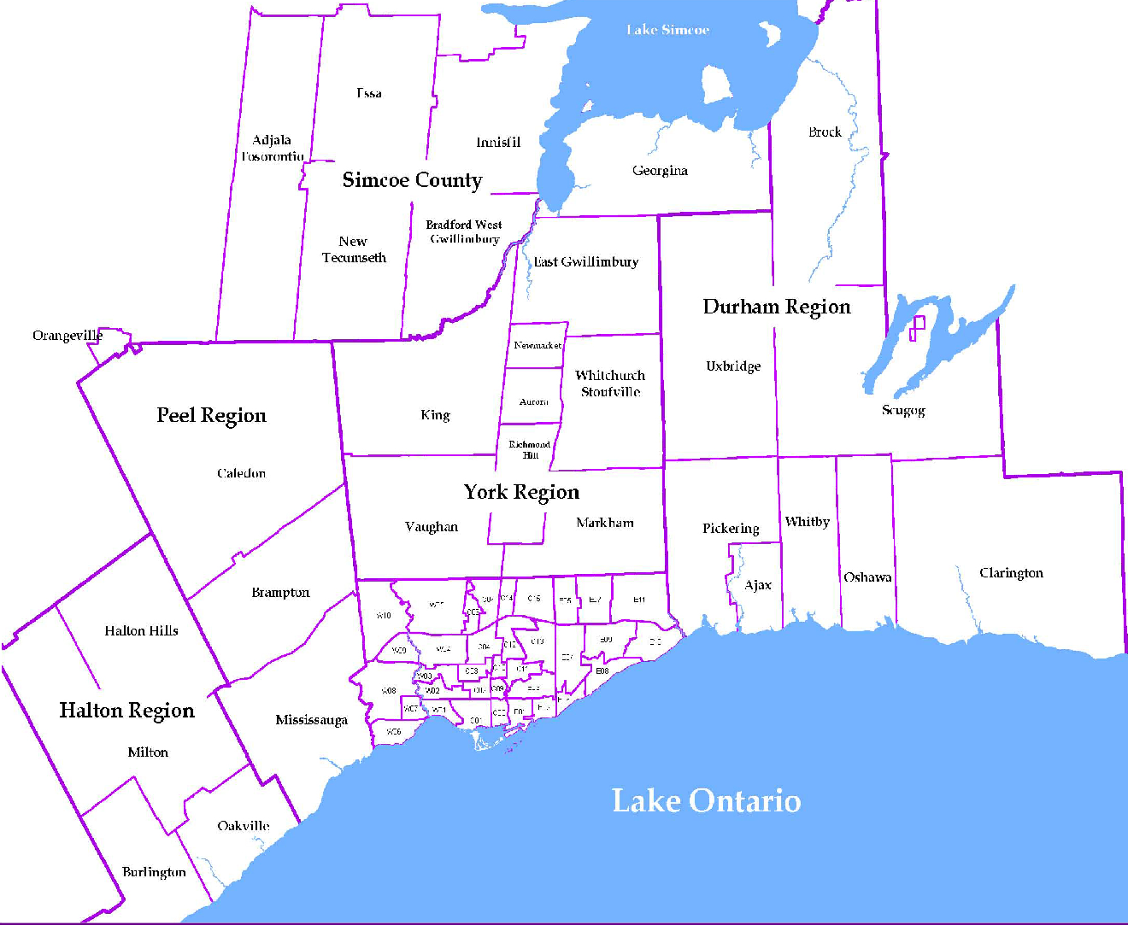
 |  |  |  |  |  |  |  |  | NOTES 1 - Refers to the total number of rental units that were available during the reporting period. 2 - Refers to firm lease transactions entered in the TorontoMLS system between the first and last day of the reporting period. 3 - Refers to the average lease rate for firm lease transactions entered in the TREB MLS® system between the first and last day of the reporting period. 4 - Statistics Canada, Quarter-over-quarter annualized growth rate. 5 - Statistics Canada, Year-over-year growth rate. 6 - Bank of Canada, rates for most recently completed month.
...
 |  |  |  |  |  | 17.8%
...
 |  |  |  |  |  |  |  |  |  |  |  |  |  |  |  |  | Rental Market Report, Fourth Quarter 2019 6
...

