Table 1
416-443-8152
Rental Market Report For All TRREB Member Inquiries:
For All Media/Public Inquiries: 416-443-8158
TRREB MLS® Apartment Rentals 10,848 8,687 2022 Q4 2021 Q4 TRREB MLS® Avg 1-Bdrm Apt Rent $2,503 $2,103 2022 Q4 2021 Q4

Economic Indicators Q3 2022 2.9% ½ December 2022 -0.5% ½ December 2022 6.2% ½ December 2022 6.3% ½ January 2023 4.5% · Prime Rate January 2023 6.5% ­ December 2022 6.5% ­
TRREB Releases Q4 2022 Rental Market Statistics TORONTO, ONTARIO, January 31, 2023 - Average condominium apartment rents continued to increase by double-digit annual rates in the fourth quarter of 2022. However, while market conditions remained tight enough to support very strong rent growth, there was more balance in the rental marketplace compared to the same period a year earlier in 2021. The number of condominium apartment rental transactions reported through the Toronto Regional Real Estate Board9s (TRREB) MLS® System was down on a year- over-year basis by 19.9 per cent in the fourth quarter of 2022. The number of rental listings was also down over the same period, but by a lesser annual rate of 11.8 per cent. The fact that the number of units leased was down by more than the number of units listed suggests that would-be renters benefitted from more choice compared to a year ago. <Strong population growth based on record immigration and robust job creation across a diversity of economic sectors drove rental demand in 2022. In addition, aggressive interest rate hikes by the Bank of Canada impacted affordability for many households, prompting a shift from homeownership to rental. All of these factors will continue to support strong rental demand in 2023,= said TRREB President Paul Baron. The average rent for a one-bedroom condominium apartment increased by 19 per cent to $2,503 in the fourth quarter of 2022. Over the same period, the average two-bedroom rent increased by 14.1 per cent to $3,178. <Tight rental market conditions and strong rent increases will be the norm more often than not for the foreseeable future. On one hand, we will continue to experience strong rental demand in the GTA based on solid fundamentals. On the other hand, the persistent supply shortage will continue to result in strong competition between would- be renters, exerting upward pressure on rents. The solution is no secret: we need to see new policies pointed on more supply to tra
Real GDP Growth
Toronto Employment Growth
Toronto Unemployment Rate (SA)
Inflation (Yr./Yr. CPI Growth)
Bank of Canada Overnight Rate
Fixed 5-Year Mortgage Rate
Rental Market Summary
Apartments |  | Grand Total |  |  | Bachelor |  | One-Bedroom |  |  |  | Two-Bedroom |  |  | Three-Bedroom
 |  | Listed | Leased |  | Leased | Avg. Rent | Leased |  | Avg. Rent |  | Leased | Avg. Rent |  | Leased |  | Avg. Rent
 | 2022 Q4 | 14,880 | 8,687 |  | 338 | $2,072 | 4,861 |  | $2,503 |  | 3,198 | $3,178 |  | 290 |  | $4,183
 | 2021 Q4 | 16,869 | 10,848 |  | 394 | $1,721 | 6,184 |  | $2,103 |  | 3,977 | $2,786 |  | 293 |  | $3,936
 | YoY % Chg | -11.8% | -19.9% |  | -14.2% | 20.4% | -21.4% |  | 19.0% |  | -19.6% | 14.1% |  | -1.0% |  | 6.3%
Townhouses |  | Listed | Leased |  | Leased | Avg. Rent | Leased |  | Avg. Rent |  | Leased | Avg. Rent |  | Leased |  | Avg. Rent
 | 2022 Q4 | 1,486 | 754 |  | 2 | $1,973 | 74 |  | $2,320 |  | 310 | $2,877 |  | 368 |  | $3,209
 | 2021 Q4 | 1,429 | 810 |  | 5 | $1,694 | 77 |  | $1,875 |  | 362 | $2,586 |  | 366 |  | $2,939
 | YoY % Chg | 4.0% | -6.9% |  | -60.0% | 16.4% | -3.9% |  | 23.7% |  | -14.4% | 11.3% |  | 0.5% |  | 9.2%
2022 Q4

SUMMARY OF RENTAL TRANSACTIONS |  |  |  |  |  |  |  | Apartments, 2022 Q4 ALL TRREB AREAS
 |  | All Apartments |  |  |  | Bachelor |  |  |  | One-Bedroom |  |  |  |  | Two-Bedroom |  |  | Three Bedroom
 |  | Total Listed |  | Total Leased |  | Leased |  | Avg. Lease Rate |  | Leased |  |  | Avg. Lease Rate |  | Leased |  | Avg. Leased Rate | Leased | Avg. Lease Rate
All TRREB Areas |  | 14,880 |  | 8,687 |  | 338 |  | $2,072 |  | 4,861 |  |  | $2,503 |  | 3,198 |  | $3,178 | 290 | $4,183
Halton Region |  | 507 |  | 285 |  | 2 |  | $1,925 |  | 141 |  |  | $2,364 |  | 133 |  | $2,849 | 9 | $3,082
Burlington |  | 110 |  | 63 |  | 1 |  | $1,700 |  | 34 |  |  | $2,327 |  | 28 |  | $2,914 | 0
Halton Hills |  | 3 |  | 2 |  | 0 |  |  |  | 0 |  |  |  |  | 2 |  | $2,800 | 0
Milton |  | 113 |  | 75 |  | 0 |  |  |  | 22 |  |  | $2,298 |  | 49 |  | $2,649 | 4 | $2,975
Oakville |  | 281 |  | 145 |  | 1 |  | $2,150 |  | 85 |  |  | $2,398 |  | 54 |  | $2,981 | 5 | $3,143
Peel Region |  | 1,125 |  | 750 |  | 8 |  | $2,079 |  | 306 |  |  | $2,496 |  | 396 |  | $2,916 | 40 | $3,235
Brampton |  | 107 |  | 68 |  | 1 |  | $1,900 |  | 22 |  |  | $2,219 |  | 38 |  | $2,608 | 7 | $2,850
Caledon |  | 1 |  | 1 |  | 0 |  |  |  | 0 |  |  |  |  | 1 |  | $2,600 | 0
Mississauga |  | 1,017 |  | 681 |  | 7 |  | $2,104 |  | 284 |  |  | $2,517 |  | 357 |  | $2,951 | 33 | $3,310
City of Toronto |  | 11,407 |  | 6,569 |  | 318 |  | $2,092 |  | 3,838 |  |  | $2,531 |  | 2,206 |  | $3,323 | 207 | $4,549
Toronto West |  | 1,811 |  | 981 |  | 12 |  | $1,829 |  | 523 |  |  | $2,452 |  | 405 |  | $3,008 | 41 | $3,531
Toronto Central |  | 8,855 |  | 5,108 |  | 293 |  | $2,113 |  | 3,045 |  |  | $2,566 |  | 1,627 |  | $3,455 | 143 | $5,047
Toronto East |  | 741 |  | 480 |  | 13 |  | $1,904 |  | 270 |  |  | $2,291 |  | 174 |  | $2,800 | 23 | $3,223
York Region |  | 1,481 |  | 955 |  | 3 |  | $1,758 |  | 530 |  |  | $2,372 |  | 393 |  | $2,876 | 29 | $3,310
Aurora |  | 14 |  | 8 |  | 0 |  |  |  | 5 |  |  | $2,500 |  | 3 |  | $3,000 | 0
East Gwillimbury |  | 0 |  | 0 |  | 0 |  |  |  | 0 |  |  |  |  | 0 |  |  | 0
Georgina |  | 0 |  | 0 |  | 0 |  |  |  | 0 |  |  |  |  | 0 |  |  | 0
King |  | 6 |  | 4 |  | 0 |  |  |  | 0 |  |  |  |  | 4 |  | $2,725 | 0
Markham |  | 617 |  | 426 |  | 1 |  | $1,580 |  | 259 |  |  | $2,359 |  | 153 |  | $2,880 | 13 | $3,196
Newmarket |  | 7 |  | 3 |  | 0 |  |  |  | 1 |  |  | $2,500 |  | 2 |  | $2,300 | 0
Richmond Hill |  | 271 |  | 167 |  | 0 |  |  |  | 107 |  |  | $2,385 |  | 54 |  | $2,970 | 6 | $3,375
Vaughan |  | 559 |  | 343 |  | 2 |  | $1,848 |  | 155 |  |  | $2,384 |  | 176 |  | $2,854 | 10 | $3,430
Stouffville |  | 7 |  | 4 |  | 0 |  |  |  | 3 |  |  | $2,217 |  | 1 |  | $2,600 | 0
Durham Region |  | 246 |  | 81 |  | 5 |  | $1,446 |  | 33 |  |  | $2,112 |  | 39 |  | $2,512 | 4 | $2,438
Ajax |  | 12 |  | 4 |  | 0 |  |  |  | 0 |  |  |  |  | 4 |  | $2,613 | 0
Brock |  | 0 |  | 0 |  | 0 |  |  |  | 0 |  |  |  |  | 0 |  |  | 0
Clarington |  | 40 |  | 12 |  | 0 |  |  |  | 10 |  |  | $2,138 |  | 2 |  | $2,200 | 0
Oshawa |  | 124 |  | 38 |  | 5 |  | $1,446 |  | 14 |  |  | $1,951 |  | 17 |  | $2,237 | 2 | $2,300
Pickering |  | 59 |  | 20 |  | 0 |  |  |  | 7 |  |  | $2,300 |  | 11 |  | $2,823 | 2 | $2,575
Scugog |  | 0 |  | 0 |  | 0 |  |  |  | 0 |  |  |  |  | 0 |  |  | 0
Uxbridge |  | 4 |  | 1 |  | 0 |  |  |  | 0 |  |  |  |  | 1 |  | $2,400 | 0
Whitby |  | 7 |  | 6 |  | 0 |  |  |  | 2 |  |  | $2,500 |  | 4 |  | $2,825 | 0
Dufferin County |  | 2 |  | 1 |  | 0 |  |  |  | 1 |  |  | $2,000 |  | 0 |  |  | 0
Orangeville |  | 2 |  | 1 |  | 0 |  |  |  | 1 |  |  | $2,000 |  | 0 |  |  | 0
Simcoe County |  | 112 |  | 46 |  | 2 |  | $2,000 |  | 12 |  |  | $2,205 |  | 31 |  | $2,385 | 1 | $3,250
Adjala-Tosorontio |  | 0 |  | 0 |  | 0 |  |  |  | 0 |  |  |  |  | 0 |  |  | 0
Bradford |  | 1 |  | 1 |  | 0 |  |  |  | 1 |  |  | $2,000 |  | 0 |  |  | 0
Essa |  | 0 |  | 0 |  | 0 |  |  |  | 0 |  |  |  |  | 0 |  |  | 0
Innisfil |  | 109 |  | 44 |  | 2 |  | $2,000 |  | 11 |  |  | $2,217 |  | 30 |  | $2,378 | 1 | $3,250
New Tecumseth |  | 2 |  | 1 |  | 0 |  |  |  | 0 |  |  |  |  | 1 |  | $2,700 | 0
SUMMARY OF RENTAL TRANSACTIONS |  |  |  |  |  |  |  | Apartments, 2022 Q4 City of Toronto Municipal Breakdown
 |  | All Apartments |  |  |  | Bachelor |  |  |  | One-Bedroom |  |  |  |  | Two-Bedroom |  |  | Three Bedroom
 |  | Total Listed |  | Total Leased |  | Leased |  | Avg. Lease Rate |  | Leased |  |  | Avg. Lease Rate |  | Leased |  | Avg. Leased Rate | Leased | Avg. Lease Rate
All TRREB Areas |  | 14,880 |  | 8,687 |  | 338 |  | $2,072 |  | 4,861 |  |  | $2,503 |  | 3,198 |  | $3,178 | 290 | $4,183
City of Toronto |  | 11,407 |  | 6,569 |  | 318 |  | $2,092 |  | 3,838 |  |  | $2,531 |  | 2,206 |  | $3,323 | 207 | $4,549
Toronto West |  | 1,811 |  | 981 |  | 12 |  | $1,829 |  | 523 |  |  | $2,452 |  | 405 |  | $3,008 | 41 | $3,531
Toronto W01 |  | 391 |  | 175 |  | 0 |  |  |  | 90 |  |  | $2,510 |  | 76 |  | $3,012 | 9 | $4,029
Toronto W02 |  | 110 |  | 64 |  | 3 |  | $1,867 |  | 42 |  |  | $2,383 |  | 13 |  | $3,264 | 6 | $3,486
Toronto W03 |  | 14 |  | 6 |  | 1 |  | $1,500 |  | 2 |  |  | $2,025 |  | 2 |  | $2,723 | 1 | $3,150
Toronto W04 |  | 120 |  | 72 |  | 1 |  | $1,650 |  | 24 |  |  | $2,285 |  | 41 |  | $2,675 | 6 | $3,392
Toronto W05 |  | 87 |  | 56 |  | 3 |  | $1,888 |  | 33 |  |  | $2,314 |  | 17 |  | $2,614 | 3 | $2,933
Toronto W06 |  | 617 |  | 347 |  | 2 |  | $1,853 |  | 204 |  |  | $2,521 |  | 139 |  | $3,194 | 2 | $6,167
Toronto W07 |  | 26 |  | 21 |  | 0 |  |  |  | 10 |  |  | $2,595 |  | 11 |  | $3,127 | 0
Toronto W08 |  | 378 |  | 198 |  | 2 |  | $1,888 |  | 103 |  |  | $2,391 |  | 88 |  | $2,935 | 5 | $2,941
Toronto W09 |  | 14 |  | 8 |  | 0 |  |  |  | 0 |  |  |  |  | 5 |  | $2,786 | 3 | $3,000
Toronto W10 |  | 54 |  | 34 |  | 0 |  |  |  | 15 |  |  | $2,324 |  | 13 |  | $2,682 | 6 | $2,906
Toronto Central |  | 8,855 |  | 5,108 |  | 293 |  | $2,113 |  | 3,045 |  |  | $2,566 |  | 1,627 |  | $3,455 | 143 | $5,047
Toronto C01 |  | 3,470 |  | 1,972 |  | 139 |  | $2,122 |  | 1,247 |  |  | $2,662 |  | 535 |  | $3,751 | 51 | $4,825
Toronto C02 |  | 383 |  | 180 |  | 14 |  | $2,123 |  | 97 |  |  | $2,626 |  | 63 |  | $4,682 | 6 | $17,440
Toronto C03 |  | 154 |  | 72 |  | 2 |  | $1,275 |  | 44 |  |  | $2,422 |  | 25 |  | $3,257 | 1 | $3,950
Toronto C04 |  | 55 |  | 31 |  | 1 |  | $1,950 |  | 15 |  |  | $2,456 |  | 10 |  | $2,982 | 5 | $3,157
Toronto C06 |  | 61 |  | 42 |  | 1 |  | $2,200 |  | 21 |  |  | $2,364 |  | 20 |  | $2,863 | 0
Toronto C07 |  | 332 |  | 234 |  | 0 |  |  |  | 118 |  |  | $2,509 |  | 102 |  | $3,122 | 14 | $3,906
Toronto C08 |  | 2,038 |  | 1,089 |  | 103 |  | $2,151 |  | 657 |  |  | $2,523 |  | 312 |  | $3,419 | 17 | $4,221
Toronto C09 |  | 67 |  | 43 |  | 0 |  |  |  | 19 |  |  | $2,932 |  | 23 |  | $4,017 | 1 | $6,300
Toronto C10 |  | 640 |  | 346 |  | 11 |  | $2,030 |  | 203 |  |  | $2,446 |  | 126 |  | $3,135 | 6 | $3,492
Toronto C11 |  | 170 |  | 67 |  | 4 |  | $1,708 |  | 38 |  |  | $2,202 |  | 19 |  | $3,013 | 6 | $2,850
Toronto C12 |  | 24 |  | 12 |  | 0 |  |  |  | 4 |  |  | $2,828 |  | 8 |  | $4,400 | 0
Toronto C13 |  | 148 |  | 86 |  | 2 |  | $1,965 |  | 37 |  |  | $2,320 |  | 43 |  | $2,950 | 4 | $3,488
...
 |  |  |  |  |  |  |  | Apartments, 2022 Q4 ALL TRREB AREAS
 |  |  |  |  |  | 0 |  |  |  | 0 |  |  |  |  | 2 |  | $2,973 | 0
 |  |  |  |  |  | 0 |  |  |  | 0 |  |  |  |  | 0 |  |  | 0
 |  |  |  |  |  | 0 |  |  |  | 0 |  |  |  |  | 2 |  | $2,820 | 3 | $2,800
 |  |  |  |  |  | 0 |  |  |  | 1 |  |  | $1,450 |  | 4 |  | $2,695 | 8 | $3,050
 |  |  |  |  |  | 0 |  |  |  | 0 |  |  |  |  | 0 |  |  | 0
 |  |  |  |  |  | 0 |  |  |  | 1 |  |  | $2,100 |  | 0 |  |  | 5 | $3,007
 |  |  |  |  |  | 0 |  |  |  | 0 |  |  |  |  | 0 |  |  | 0
 |  |  |  |  |  | 0 |  |  |  | 0 |  |  |  |  | 2 |  | $2,650 | 5 | $2,493
 |  |  |  |  |  | 0 |  |  |  | 0 |  |  |  |  | 1 |  | $2,500 | 2 | $2,850
 |  |  |  |  |  | 0 |  |  |  | 2 |  |  | $1,850 |  | 6 |  | $2,508 | 11 | $2,962
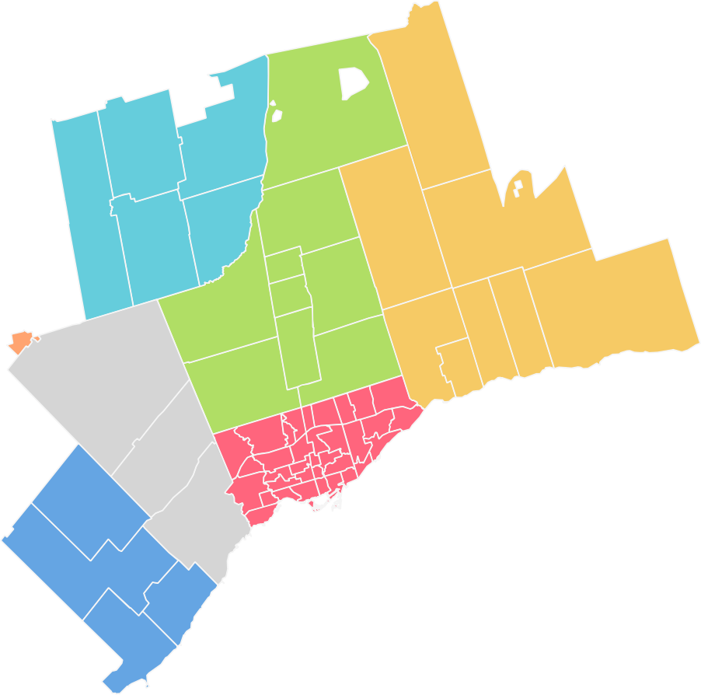
Brock
Essa
Innisûl
Georgina
East Gwillimbury
Adjala-Tosorontio
Scugog
Bradford West Gwillimbury
^{King} Whitchurch-Stouûville
Orangeville
Caledon
Richmond Hill
Markham
Oshawa
Clarington
Pickering
Vaughan
Toronto E07
Toronto E09
Brampton
Toronto W05
Toronto W09 Toronto E06
Halton Hills
Toronto W06
Milton
Oakville Burlington
Dufferin Durham Halton Peel Simcoe Toronto
York
...
 |  |  |  |  |  |  |  | Notes 1. Sales, dollar volume, average sale prices and median sale prices are based on firm transactions entered into the TRREB MLS® System between the first and last day of the month/period being reported. 2. New listings entered into the TRREB MLS® System between the first and last day of the quarter being reported. 3. Active listings at the end of the last day of the quarter being reported. 4. Ratio of the average selling price to the average listing price for firm transactions entered into the TRREB MLS® System between the first and last day of the quarter being reported. 5. Average number of days on the market for firm transactions entered into the Toronto MLS system between the first and last day of the quarter being reported. 6. Past monthly and year-to-date figures are revised on a monthly basis.
...

