Data source
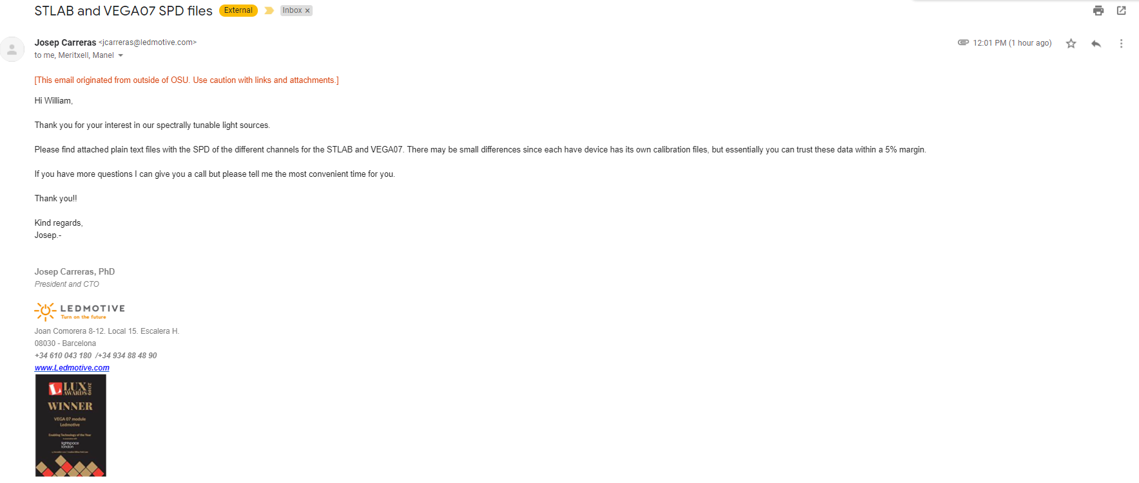
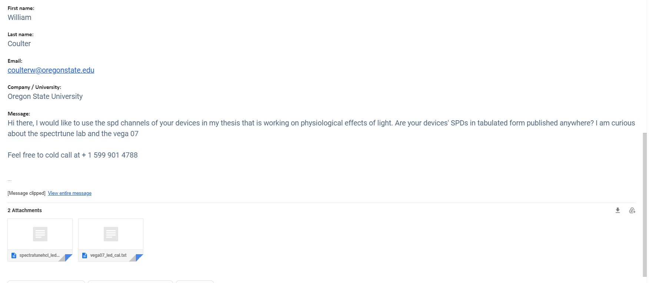
I asked for these spectra from ledmotive on 07/29/21
Expand pictures to see the email thread.
The data is originally text, and it is in "MetaMesmerize/RealSPDs/CommercialDevices/Ledmotive"
Because the calibration files can vary between devices, he said the output could be ~5% off.

