Materials
Area | Item | Material | Price
Bath Room | Bath Tub Wall | Tile

https://www.canadiantire.ca/en/pdp/moen-single-lever-tub-shower-0633804p.html?rrec=true#spc | Bath Tub Faucet | Canadian Tire | 139.99 | 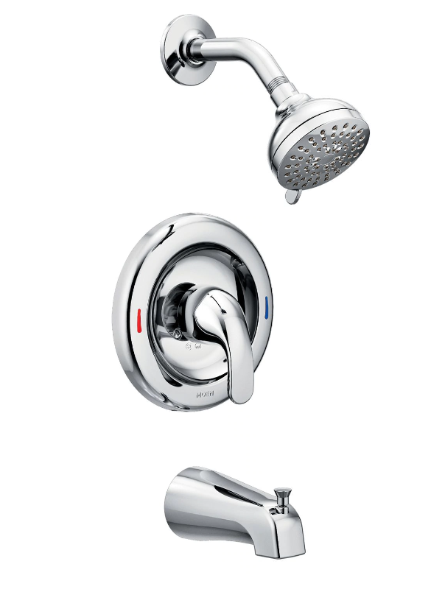
https://www.ikea.com/ca/en/p/godmorgon-wall-cabinet-with-1-door-high-gloss-white-60147513/White/133069875422?_trkparms=aid%3D555021%26algo%3DPL.SIMRVI%26ao%3D1%26asc%3D20190711100440%26meid%3Ddd2ee3f1c0ac4405adc92e1441bcc10f%26pid%3D100752%26rk%3D1%26rkt%3D9%26mehot%3Dco%26sd%3D123966877514%26itm%3D133069875422%26pmt%3D1%26noa%3D0%26pg%3D2047675&_trksid=p2047675.c100752.m1982 | Bath Wall Cabinet | GODMORGON Wall cabinet with 1 door, high gloss white, 15 3/4x5 1/2x37 3/4 " (40x14x96 cm) Ikea | 129 | 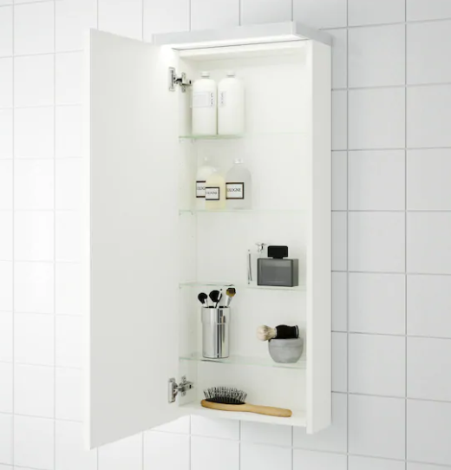
https://www.homedepot.ca/product/maax-duel-59-inch-x-55-1-2-inch-frameless-sliding-tub-door-in-brushed-nickel/1001094657?rec=true | Bath Tub Glass Door | MAAX Duel 59 inch x 55 1/2 inch Frameless Sliding Tub Door in Brushed Nickel Home Depot | 583 | 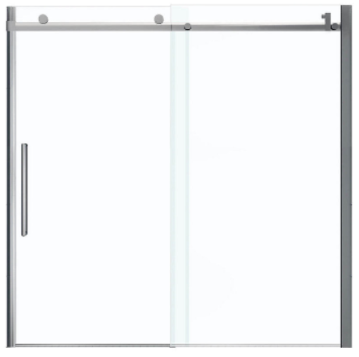 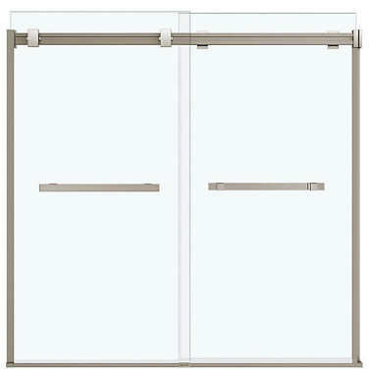 | 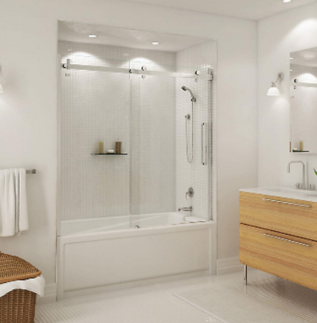 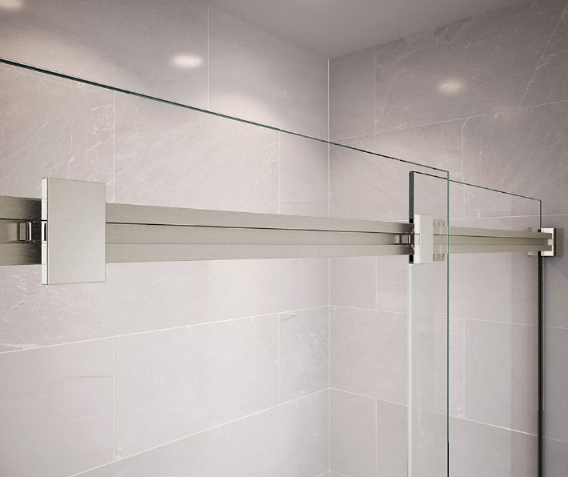 | 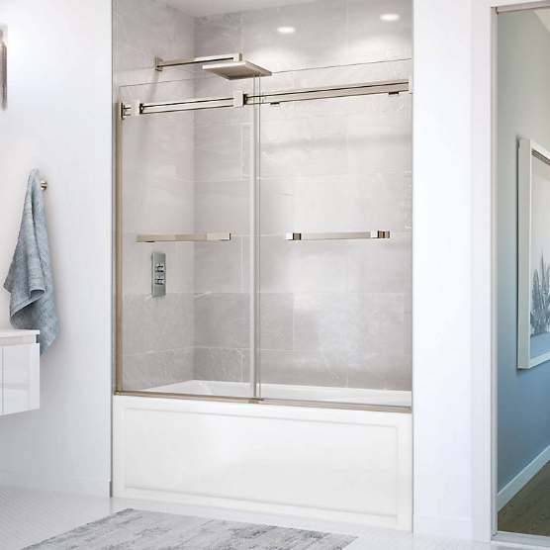
https://www.homedepot.ca/product/mirolin-sydney-5-ft-rectangular-left-hand-alcove-acrylic-non-whirpool-bathtub-in-white/1000479100 | Bath Tub | Mirolin Sydney 5-ft.. Rectangular Left-Hand Alcove Acrylic Non-Whirpool Bathtub in White Home Depot | 374 | 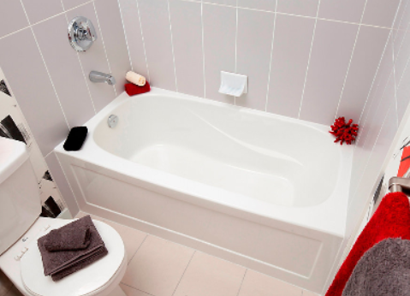
https://www.homedepot.ca/product/american-imaginations-20-3-4-inch-w-x-14-7-20-inch-d-rectangular-undermount-sink-in-white/1000733942?rec=true | Bath Tub Basin | American Imaginations 20 3/4-inch W x 14 7/20-inch D Rectangular Undermount Sink in White Home Depot |  | 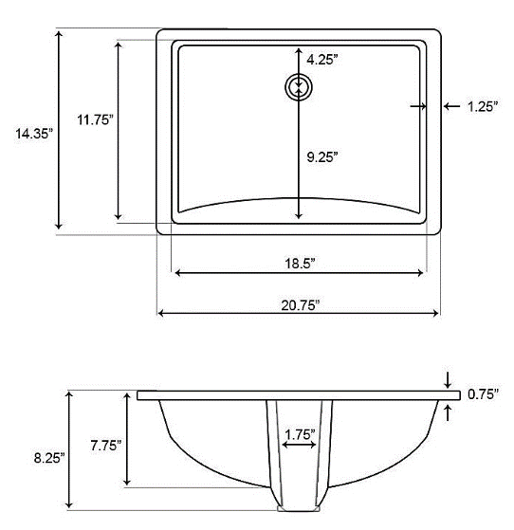 |  | 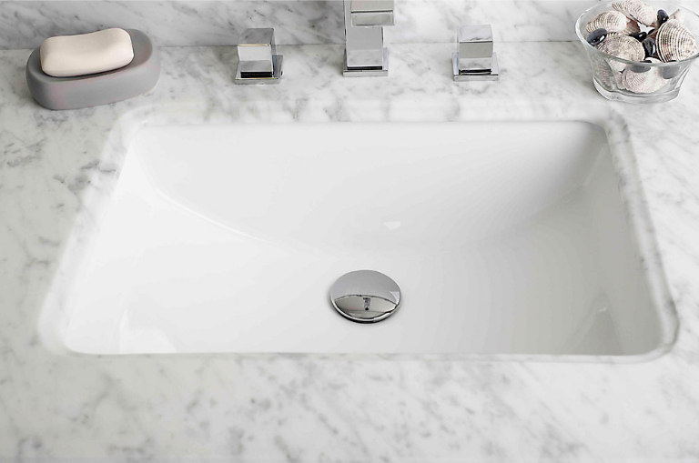 |  | 170
https://www.homedepot.ca/product/american-imaginations-19-inch-w-x-14-inch-d-rectangular-undermount-sink-in-white-with-glaze-finish-in-chrome/1000831604?rec=true | Bath Tub Basin | American Imaginations 19-inch W x 14-inch D Rectangular Undermount Sink in White with Glaze Finish in Chrome Home Depot |  | 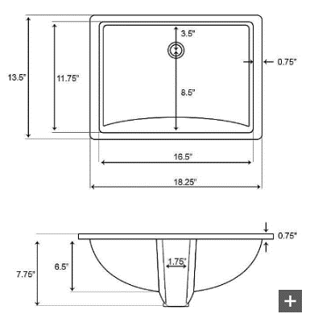 | 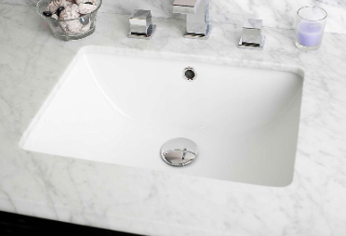 |  |  | 189
https://skylandbathware.ca/collections/toilets/products/toilet-bl-137 | Toilet | Dual Flush One-piece Toilet SK137 Skyland Building Supplies Ltd. | 299 | 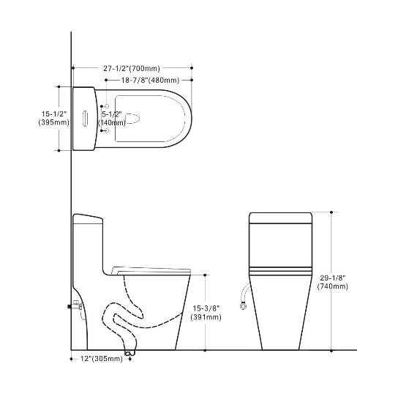 | 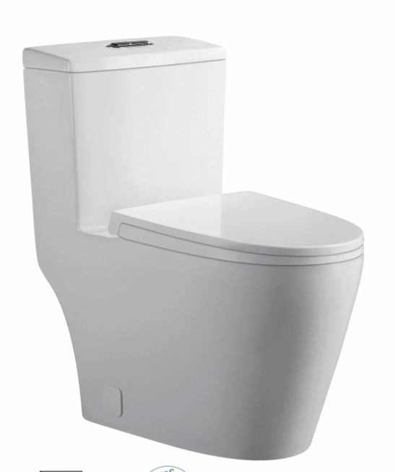
https://skylandbathware.ca/collections/bathroom-sink-parts/products/bathroom-cae9515t05065bn | Toilet Paper Holder | Paper holder SKU: 9515T05065C Vendor: CAE | 36 | 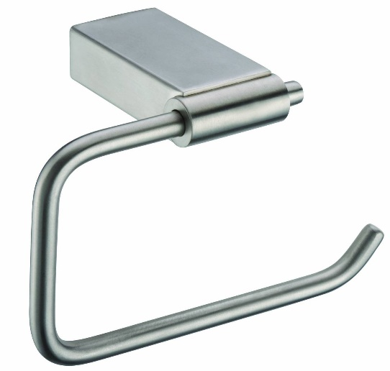

Kitchen | Item | Material
https://www.costco.ca/Hahn-Chef-Series-Handmade-Large-Single-Bowl-Sink.product.100140788.html | Sink: Hahn Chef Series Handmade Large Single Bowl Sink | 不锈钢 外围尺寸 ： 30“ x 18" x 10" 内侧尺寸： 28” x 16" x 10" Costco |  | 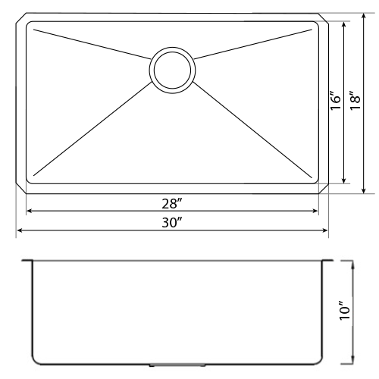 | 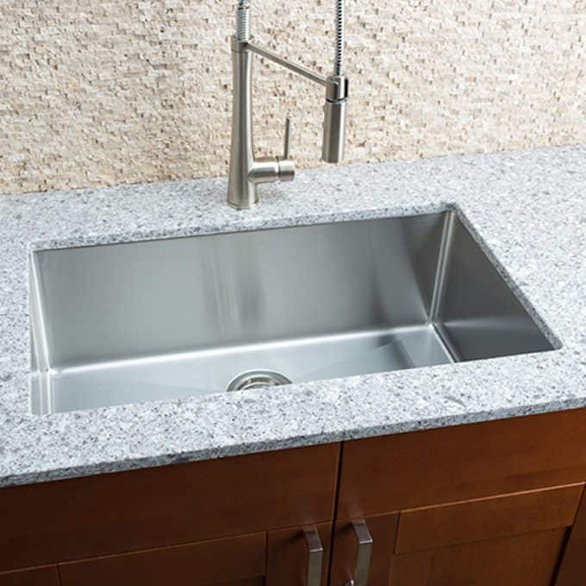 | 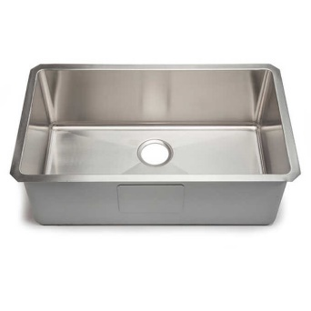 | 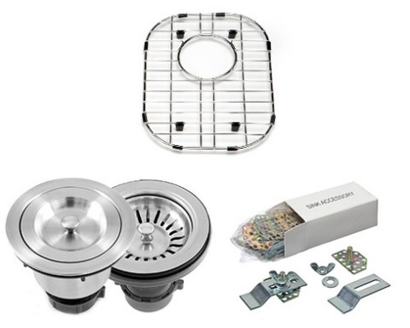 | 419.99
https://www.costco.ca/kohler-semiprofessional-kitchen-faucet.product.100505809.html | Kitchen Faucet: Kohler Semiprofessional Kitchen Faucet | Costco | 289.99 | 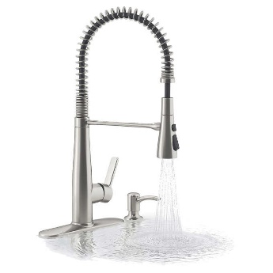 | 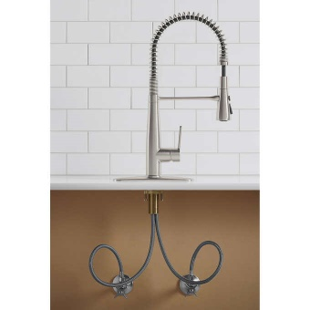 | 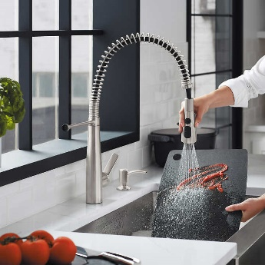
https://www.homedepot.ca/product/delta-struct-single-handle-pull-down-kitchen-faucet-with-spring-spout-in-chrome/1001036248 | Kitchen Faucet: Delta Struct Single-Handle Pull-Down Kitchen Faucet with Spring Spout in Chrome | Home Depot |  | 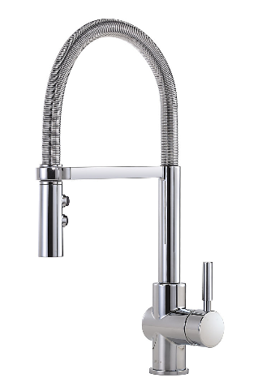 |  |  |  | 299

橱柜 |  |  | 10300
地板 |  |  | 2400
瓷砖 |  |  | 1072

