Comparative Analysis
AVG Satisfaction Rate
Average satisfaction rate per MTN device?

Rótulos de Linha | Média de Satisfaction Rate
Mobile SIM Card | 2.86
4G Router | 2.91
5G Broadband Router | 3.02
Broadband MiFi | 3.02
Total Geral | 2.95

Customer Retention in Months per Subscription Plan
What is the Customer Retention in Months per Subscription Plan?

Rótulos de Linha | Média de Customer Tenure in months
7GB Monthly Plan | 25.81
12.5GB Monthly Plan | 25.82
65GB Monthly Plan | 26.62
500MB Daily Plan | 28.03
450GB 3-Month Broadband Plan | 28.76
165GB Monthly Plan | 28.77
300GB FUP Monthly Unlimited | 29.08
1.5TB Yearly Broadband Plan | 30.48
60GB Monthly Broadband Plan | 32.00
10GB+10mins Monthly Plan | 32.04
2.5GB 2-Day Plan | 32.23
150GB FUP Monthly Unlimited | 32.33
120GB Monthly Broadband Plan | 32.51
1.5GB 2-Day Plan | 32.93
25GB Monthly Plan | 33.45
30GB Monthly Broadband Plan | 33.84
3.2GB 2-Day Plan | 34.60
16.5GB+10mins Monthly Plan | 35.07
200GB Monthly Broadband Plan | 36.26
20GB Monthly Plan | 36.30
1GB+1.5mins Daily Plan | 37.58
Total Geral | 31.42

Average satisfaction rate per Subscription Plan?
Average satisfaction rate per Subscription Plan
Rótulos de Linha | Média de Satisfaction Rate
2.5GB 2-Day Plan | 2.53
120GB Monthly Broadband Plan | 2.72
65GB Monthly Plan | 2.75
1.5GB 2-Day Plan | 2.76
165GB Monthly Plan | 2.79
200GB Monthly Broadband Plan | 2.81
7GB Monthly Plan | 2.81
500MB Daily Plan | 2.83
3.2GB 2-Day Plan | 2.86
10GB+10mins Monthly Plan | 2.94
20GB Monthly Plan | 2.96
12.5GB Monthly Plan | 2.97
150GB FUP Monthly Unlimited | 3.03
60GB Monthly Broadband Plan | 3.07
25GB Monthly Plan | 3.08
30GB Monthly Broadband Plan | 3.09
450GB 3-Month Broadband Plan | 3.12
16.5GB+10mins Monthly Plan | 3.13
300GB FUP Monthly Unlimited | 3.14
1GB+1.5mins Daily Plan | 3.21
1.5TB Yearly Broadband Plan | 3.24
Total Geral | 2.95

AVG Recurrence by Subscription Plan
Average recurrence by subscripton plan?

Rótulos de Linha | Média de Number of Times Purchased
20GB Monthly Plan | 8.96
65GB Monthly Plan | 9.24
10GB+10mins Monthly Plan | 9.28
1GB+1.5mins Daily Plan | 9.71
120GB Monthly Broadband Plan | 9.78
1.5GB 2-Day Plan | 9.79
25GB Monthly Plan | 9.80
450GB 3-Month Broadband Plan | 9.80
16.5GB+10mins Monthly Plan | 10.00
165GB Monthly Plan | 10.27
7GB Monthly Plan | 10.33
12.5GB Monthly Plan | 10.68
1.5TB Yearly Broadband Plan | 10.72
3.2GB 2-Day Plan | 10.77
200GB Monthly Broadband Plan | 10.97
500MB Daily Plan | 11.10
2.5GB 2-Day Plan | 11.13
60GB Monthly Broadband Plan | 11.22
30GB Monthly Broadband Plan | 11.43
300GB FUP Monthly Unlimited | 11.93
150GB FUP Monthly Unlimited | 12.17
Total Geral | 10.56

Customer Churn Status by Customer Satisfaction

Does customer churn status have anything to do with customer satisfaction?

Customer Churn Status | Yes

Rótulos de Linha | Contagem de Customer Churn Status
Poor | 49
Fair | 61
Good | 56
Very Good | 63
Excellent | 55
Total Geral | 284

Influencers of Churn
Key influencers for reasons of customer churn?
Customer Churn Status | Yes

Rótulos de Linha | Contagem de Reasons for Churn
Relocation | 9.51%
Fast Data Consumption | 11.27%
Poor Customer Service | 11.97%
Costly Data Plans | 14.08%
Poor Network | 15.85%
Better Offers from Competitors | 18.31%
High Call Tarriffs | 19.01%
Total Geral | 100.00%

REPORT
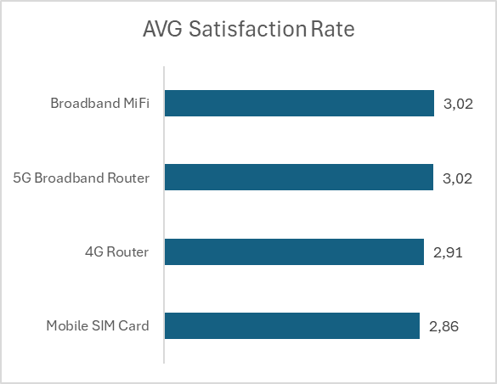
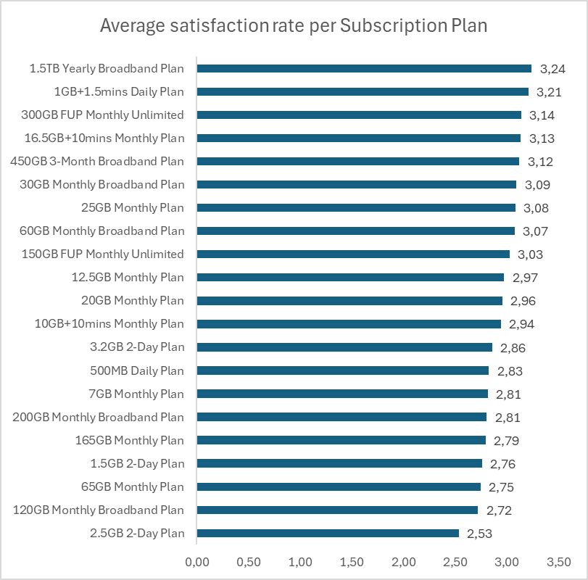
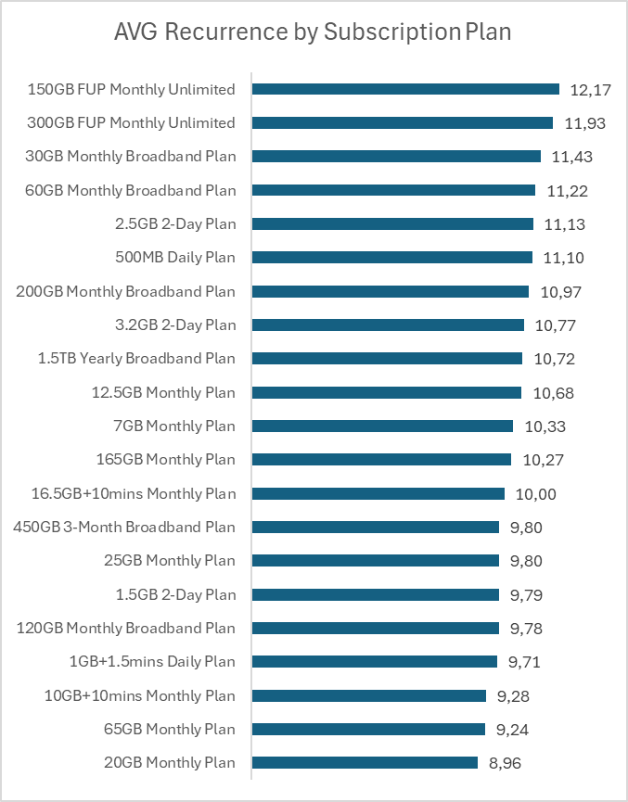
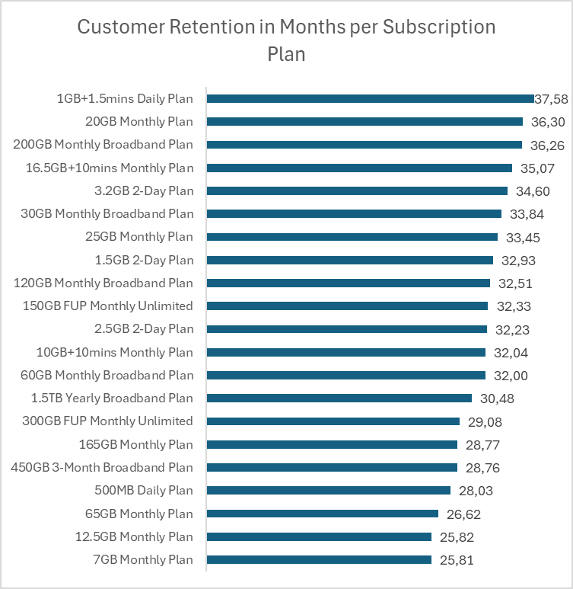
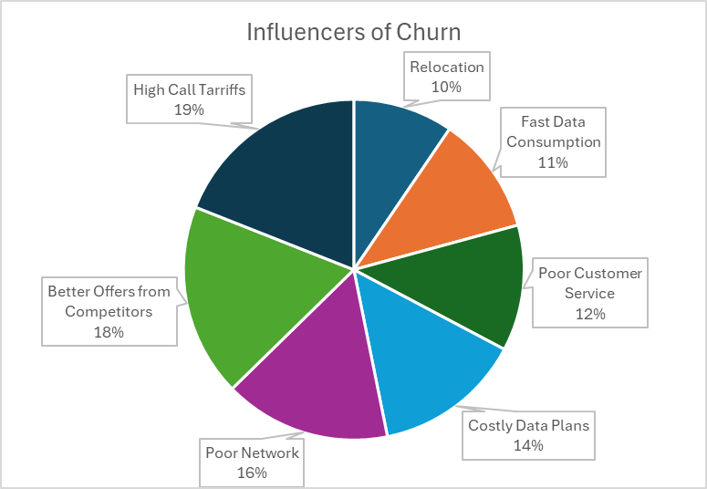
RELATÓRIO

