Sheet
RB-Ard-112
UPC | 2050002398634 | 818263280165 | 8058333490137 | 640187862352 | 7630049200074 | 4250605552541 | 818224929591 | 997963735875 | 845156603565 | 9351293021670
image | 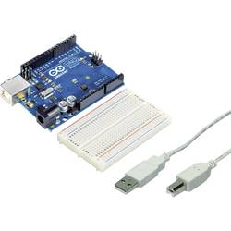 | 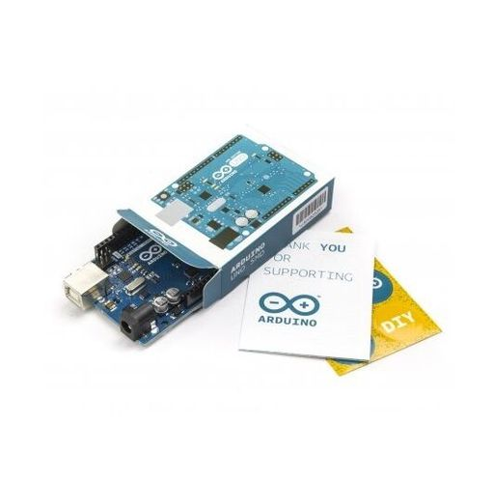 | 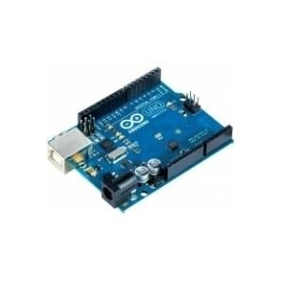 | 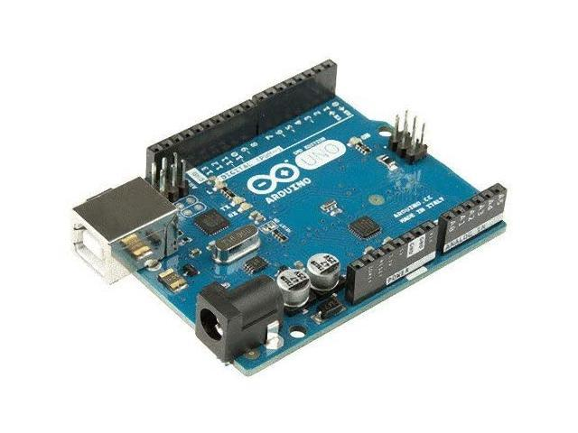 | 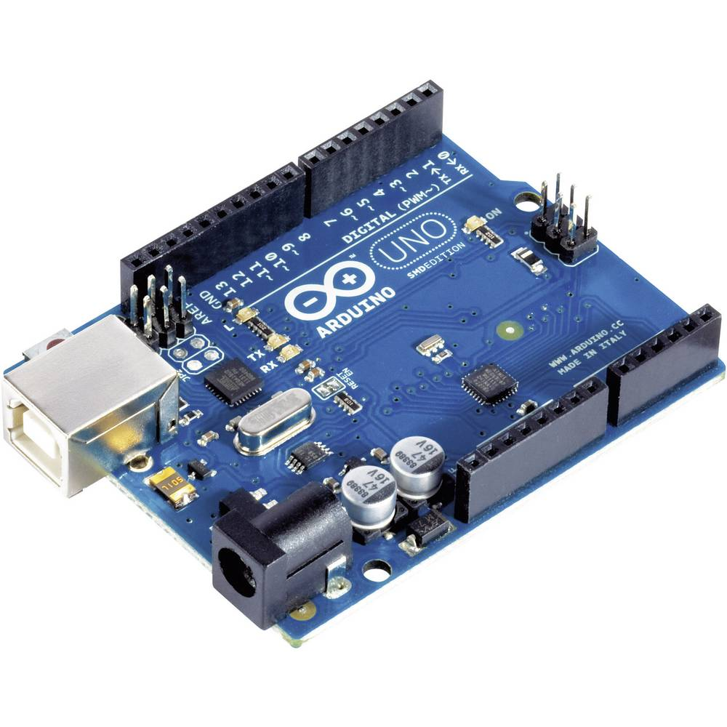 | 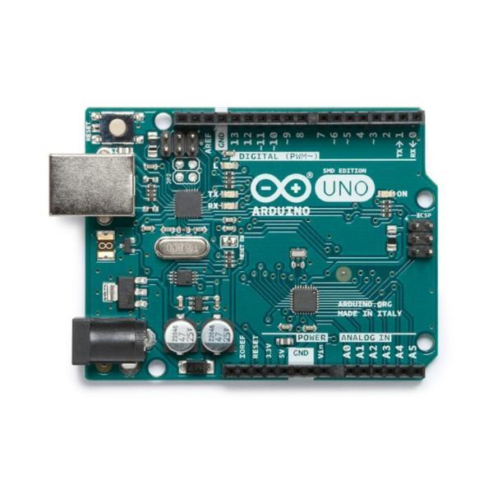 | 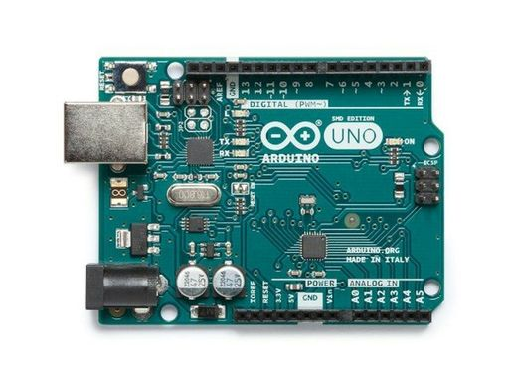 | 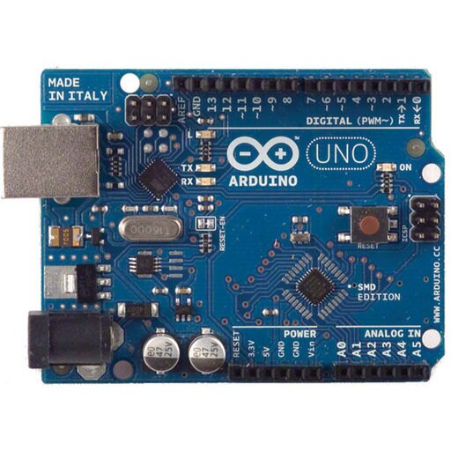 | 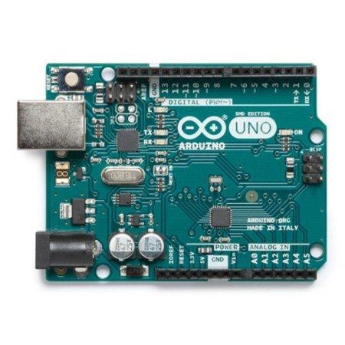 | 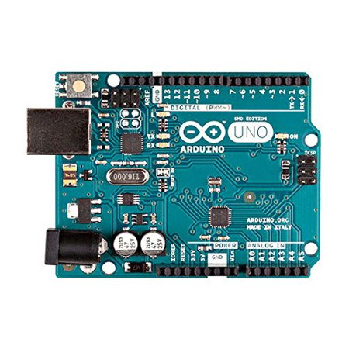
hyperlien | https://www.barcodelookup.com/2050002398634 | https://www.barcodelookup.com/818263280165 | https://www.barcodelookup.com/8058333490137 | https://www.barcodelookup.com/640187862352 | https://www.barcodelookup.com/7630049200074 | https://www.barcodelookup.com/4250605552541 | https://www.barcodelookup.com/818224929591 | https://www.barcodelookup.com/997963735875 | https://www.barcodelookup.com/845156603565 | https://www.barcodelookup.com/9351293021670
RB-Lyn-17
UPC | 768253928488 | 885367345663
image | 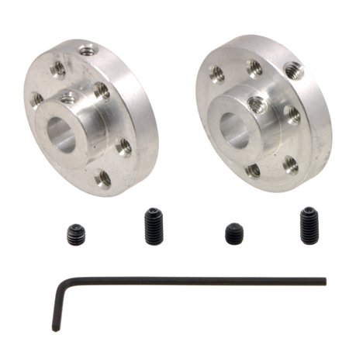 | 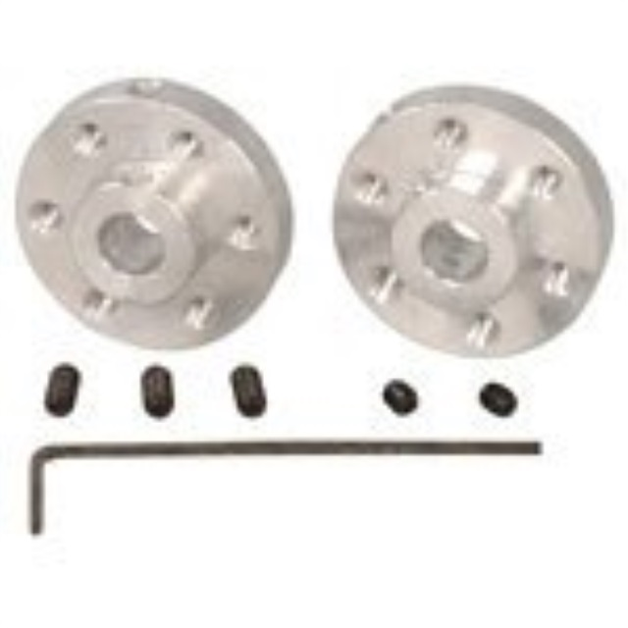
hyperlien | https://www.barcodelookup.com/768253928488 | https://www.barcodelookup.com/885367345663

