Vege_Compost_conve_rate
https://www.sciencedirect.com/science/article/pii/S0959652618330257?via%3Dihub |  |  | Compost yield/conversion ratio are affected by: | Composting from papers | ratio | Composition of waste | Technology
Table3: Profess efficiency of BSFL composting |  |  | C:N ratio | Rethinking packaging production and consumption vis-à-vis circular economy: A case study of compostable cassava starch-based material - ScienceDirect | 300kg/t | Starch-based biodegradable material (cassava) | Not mentioned
 | Process efficiency |  | Microbial life | Application of life cycle assessment (LCA) for municipal solid waste management: a case study of Sakarya - ScienceDirect | 0.38kg compost/kg bio-waste | Kitchen and garden waste | aerobic static pile composting
 | Biomass conversion ratio (%DM) |  | Moisture | Life cycle assessment of municipal solid waste management options for India - ScienceDirect | Not mentioned | 60.1% organic, 15.5% plastic, 11.2% paper, 4.5% cardboard, the rest of others | windrow composting
Fruit & Veg. | 4.1+-0.2 |  | Aeration rate | Degradation and environmental assessment of compostable packaging mixed with biowaste in full-scale industrial composting conditions - ScienceDirect | 27-29% | Kitchen and garden waste | Open-air windrow composting (turned windrow technology)
 |  |  | Particule size | Composting: The way for a sustainable agriculture - ScienceDirect | 22.75% | Horticultural residue | Cofined windrows | https://www.mdpi.com/2073-4395/10/2/230 this paper shows this farm process 2000t compost/yr,another papers shows the compost produced 455 t per year
https://www.sciencedirect.com/science/article/pii/S0013935122023465?via%3Dihub
Table3:Bioconversion rate (BSFL composting)
Fruit waste | 14.18+-0.46% |  |  |  | Composting conversion ratio from agribalyse: | Biowaste is referred from the collection of Municipal Solid Waste in Ecoinvent, green waste referred to wheat straw
 |  |  |  |  | Compost, of biowaste (amendment) | 34% (900kg biowaste, shredded + 100kg green waste and straw = 340kg compost)
https://www.sciencedirect.com/science/article/pii/S0956053X21003135?via%3Dihub |  |  |  |  | Compost, of biowaste and green waste | 42% (500kg green waste and straw + 500kg biowaste shredded = 420 kg compost
Fig.2 Biomass conversion rate |  |  |  |  | Compost, of green waste | 30% (1000kg green waste and straw)
Fruit waste | 18.1% |  |  |  | Compost, of sluge and green waste | 45% (1000kg sludge + 900 kg green waste and straw = 1000kg compost)
Vegetable waste | 17.94% |  |  |  | Composting technology from Ecoinvent: (windrow) | https://ecoquery.ecoinvent.org/3.12/cutoff/dataset/16085/documentation
 |  |  |  |  | treatment of biowaste, industrial composting: raw materials include garden and park waste, food and kitchen waste
https://www.sciencedirect.com/science/article/pii/S0048969720324852?via%3Dihub |  |  |  |  | Windrow, specific technology from | https://carbotech.ch/cms/wp-content/uploads/LCA_Biomasseverwertung.pdf
Table.2 BCR (BSFL composting)
Food waste | 1.5-22.2% | decrease with higher water content from 76-97.5% water content

https://www.researchgate.net/publication/390568701_Sustainable_mitigation_and_management_of_segregated_organic_wastes_a_socio-economic-environmental_analysis_for_metropolitan_cities
organic waste to compost conversion rate of 13% |  |  |  |  | Total organic carbon content (%) of vineshoot compost is 34,5, orgamic matter is 74,5. Source:https://www-sciencedirect-com.mu.idm.oclc.org/science/article/pii/S0167880911002064

From a Food Safety Prospective: The Role of Earthworms as Food and Feed in Assuring Food Security and in Valuing Food Waste | MDPI
Earchworm convert 3750kg FVW to 1050kg compost
 |  |  |  |  | Wageningen composting handbook: introduction of composting technologies
Application of life cycle assessment (LCA) for municipal solid waste management: a case study of Sakarya - ScienceDirect
0.38kg compost/kg biowaste

Industrial composting site:(Syndicat Centre H´erault (SCH), Aspiran 34800, France
Two types of waste: biowaste (from household and restaurant) and green waste
It uses the turned windrow technology on an impermeable concrete floor.
Biowaste and greenwaste converion ratio to marketable compost is 27-29%

 |  |  |  | https://www.mdpi.com/2073-4395/4/4/529
 |  |  |  | Table4: VFG compost
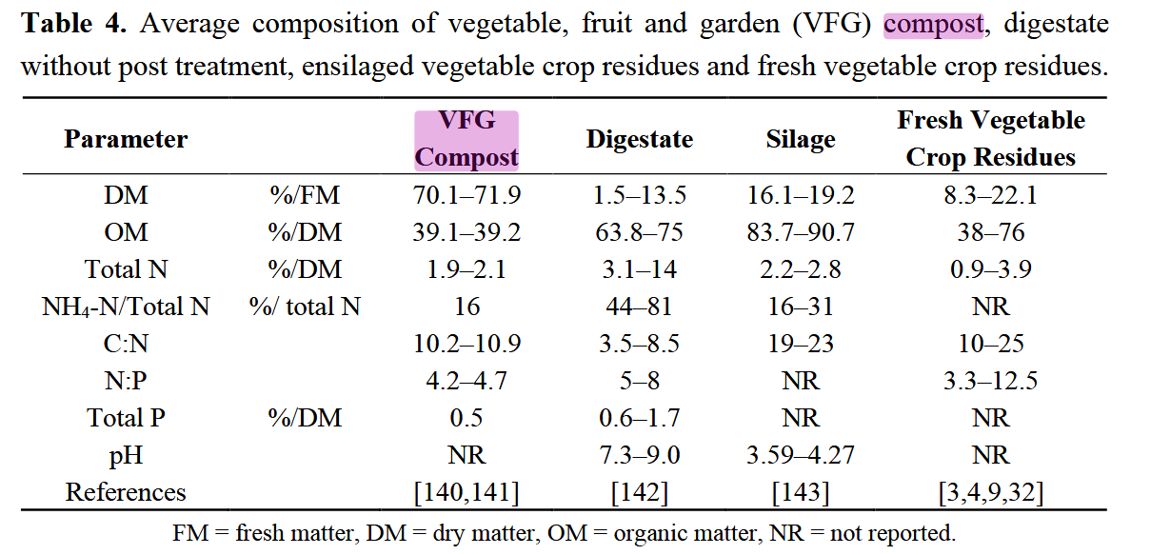

 |  |  |  | According to the ECN report 2022: the conversion rate of bio-wasteto compost is assumed to be 50% for EU27
 |  |  |  | According to ECN, biowaste includes: green waste, food waste, garden & food waste, food &drink processing waste, anaerobic digestate, and few others Among them, green waste and VFG are mostly composted
 |  |  |  | Solution: VFG conversion rate from a composting company

