Sheet1
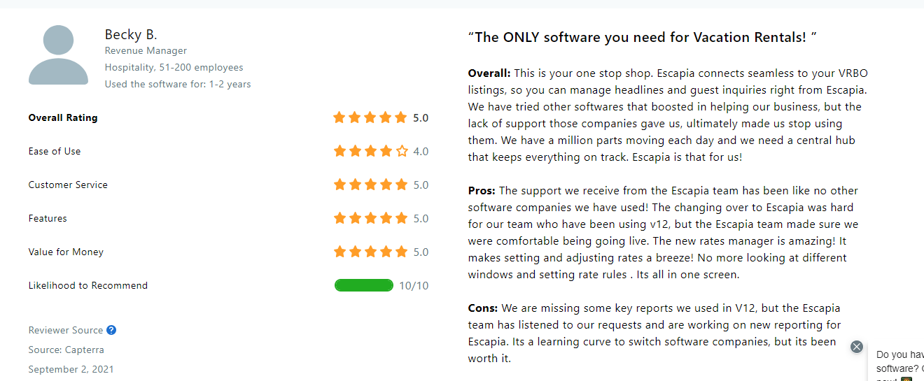
For each product, please grab all of the reviews
https://www.capterra.com/p/158839/Cloudbeds/reviews/
https://www.capterra.com/p/131924/Lodgify/reviews/
4
https://www.capterra.com/p/159377/Guesty/reviews/
1
https://www.capterra.com/p/145487/Mews-Commander/reviews/
https://www.capterra.com/p/113369/Kigo/reviews/
2
5
https://www.capterra.com/p/134081/Escapia/reviews/

8
 |  | Review example
 | 0 | Product | Escapia
 | 1 | Role | Revenue Manager
9
 | 2 | Industry | Hospitality, 51 - 200 employees
 | 3 | Date | 2-Sep-21
 | 4 | Title | “The ONLY software you need for Vacation Rentals! ”
10
6
 | 5 | Overall | This is your one stop shop. Escapia connects seamless to your VRBO listings, so you can manage headlines and guest inquiries right from Escapia. We have tried other softwares that boosted in helping our business, but the lack of support those companies gave us, ultimately made us stop using them. We have a million parts moving each day and we need a central hub that keeps everything on track. Escapia is that for us!
 | 6 | Pros | The support we receive from the Escapia team has been like no other software companies we have used! The changing over to Escapia was hard for our team who have been using v12, but the Escapia team made sure we were comfortable being going live. The new rates manager is amazing! It makes setting and adjusting rates a breeze! No more looking at different windows and setting rate rules . Its all in one screen.
11
 | 7 | Cons | We are missing some key reports we used in V12, but the Escapia team has listened to our requests and are working on new reporting for Escapia. Its a learning curve to switch software companies, but its been worth it.
 | 8 | Overall Rating | 5.0
12
 | 9 | Ease of Use | 4.0
 | 10 | Customer Service | 5.0
 | 11 | Features | 5.0
13
 | 12 | Value for Money | 5.0
7
 | 13 | Likelihood to Recommend | 10

3

