Sheet1
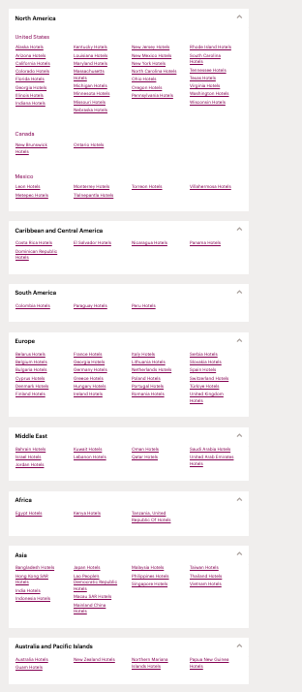
Scraping Crown Plaza Data
1. Go to https://www.ihg.com/crowneplaza/destinations/us/en/explore
2. Access all of these links from the bottem of the page
3. Access all of these links from each of the pages
4. For each of the hotels on the page get the address and name of the hotel
5. Put the Name and Address into a table together

Hotel Name | Address
Crowne Plaza Times Square Manhattan | 1605 Broadway, New York 10019, United States
Crowne Plaza HY36 Midtown Manhattan | 320 West 36th Street, New York, 10018, United States
Crowne Plaza Englewood | 401 S. Van Brunt Street, Englewood 07631, United States
Crowne Plaza JFK Airport New York City | 138-10 135th Avenue, Jamaica, 11436, United States
Crowne Plaza Saddle Brook | 50 Kenny Place, Saddle Brook 07663, United States
Crowne Plaza Newark Airport | 901 Spring Street, Elizabeth 07201, United States
Crowne Plaza Suffern-Mahwah | Three Executive Boulevard, Suffern 10901, United States
Crowne Plaza Edison | 2055 Lincoln Highway, Edison 08817, United States
InterContinental Hotels New York Times Square | 300 West 44th Street, New York 10036, United States

