Instructions
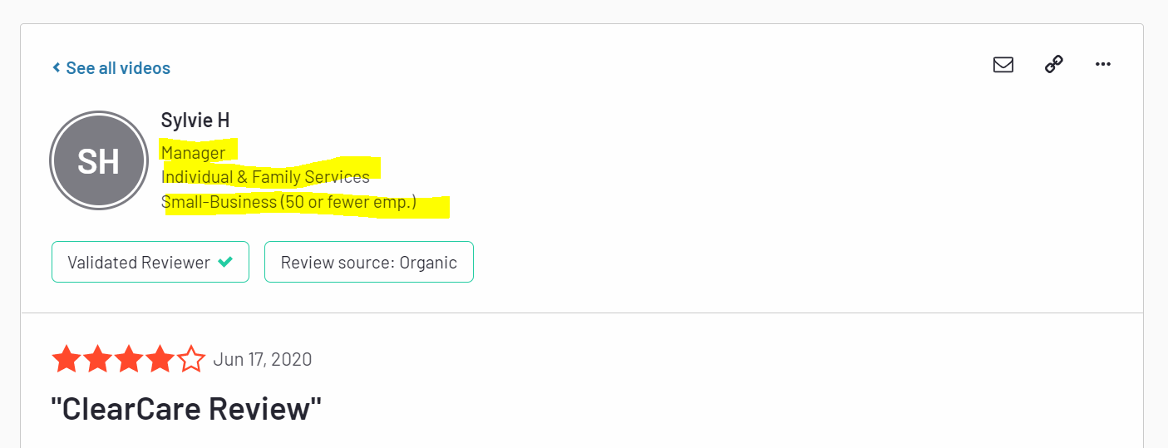
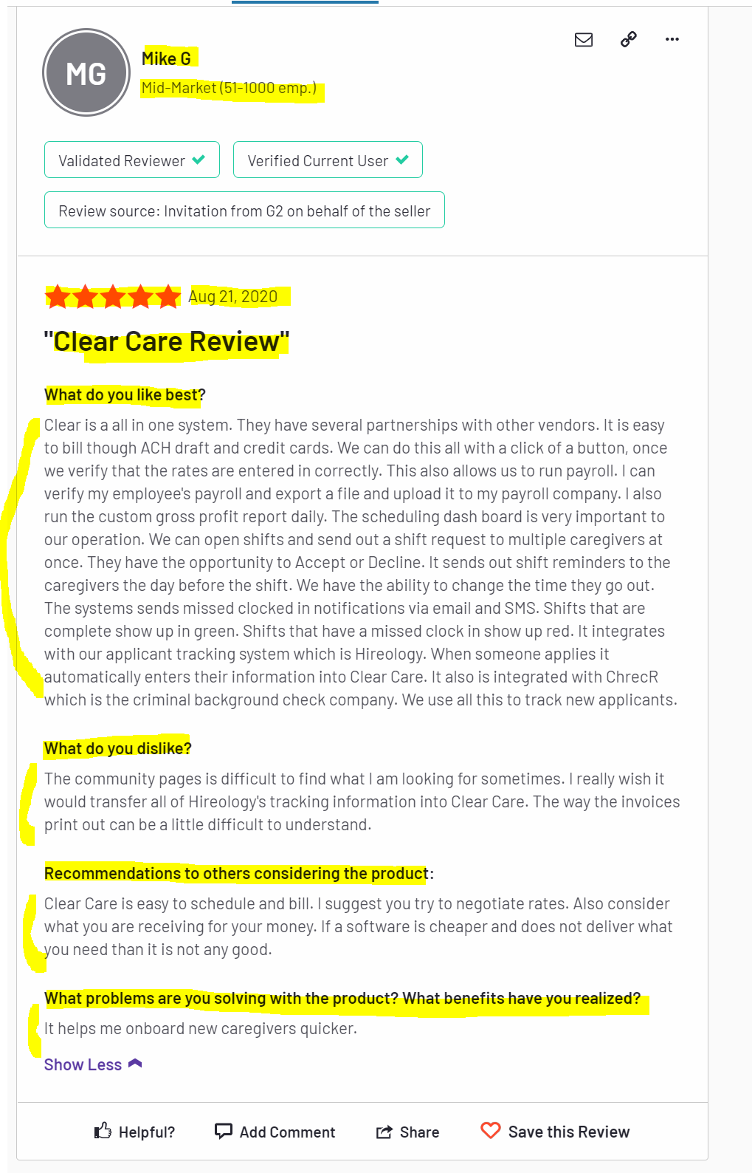
Step 1 |  | Step 2
Go to website |  | Scrape each review - see the output tab for column names
Click "Show More" for each review

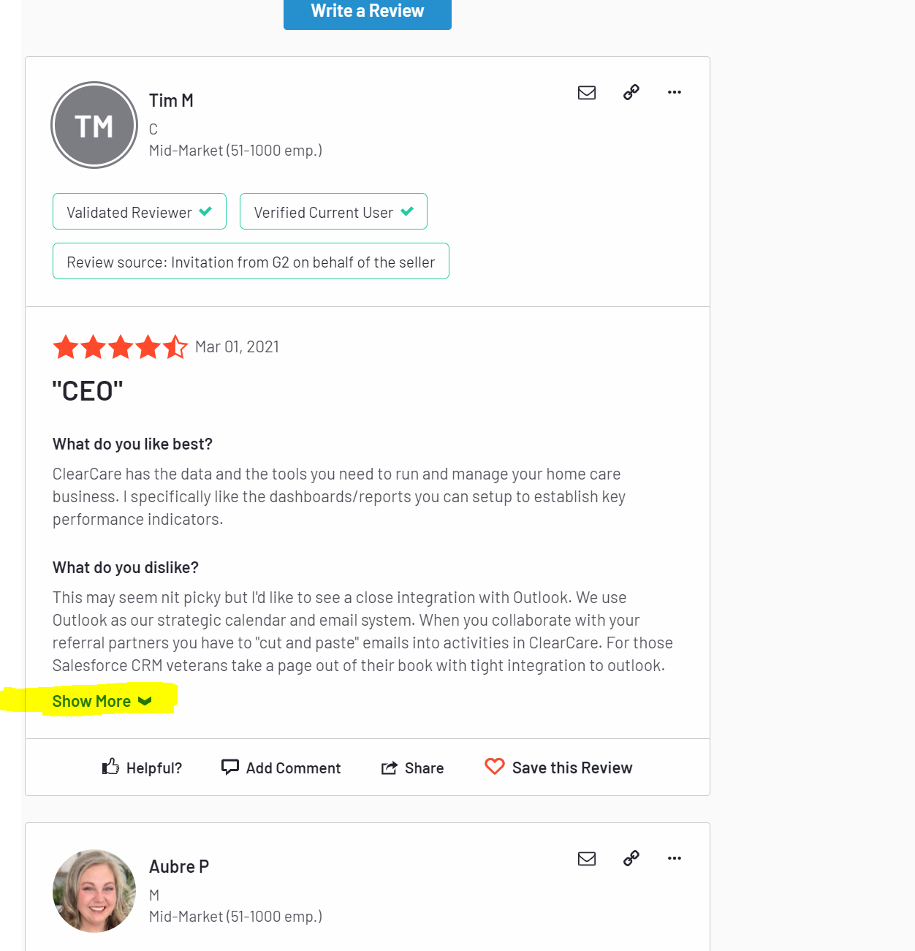

Step 3
Also scrape these information if available:
 | Title ("Manager" in example below)
 | Company ("Individual & Family Services" in example below)
 | Size ("Small-Business (50 or fewer emp.)" in example below)

