Instructions
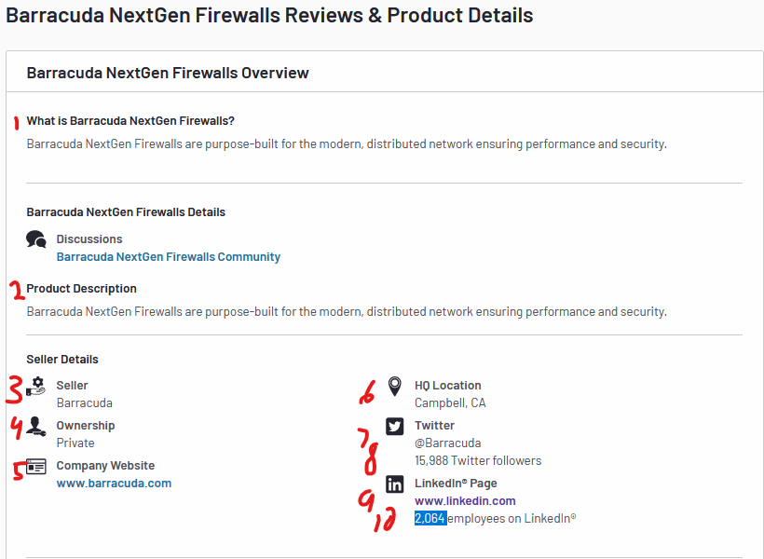
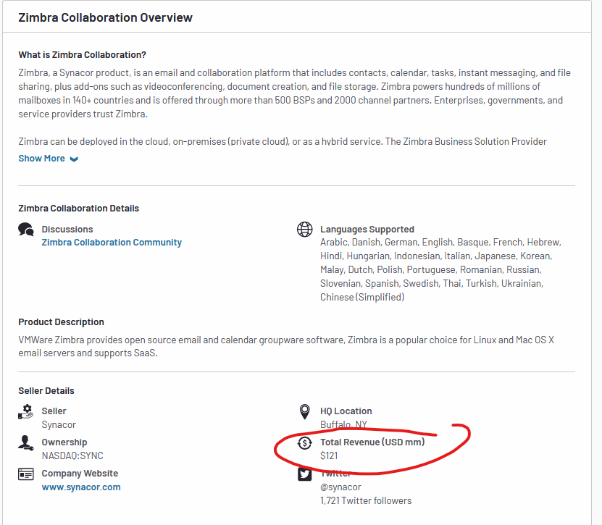
Scrape the results for each product page:

Some results are sometimes blank (total revenue is missing from first example):

