G2 Instructions
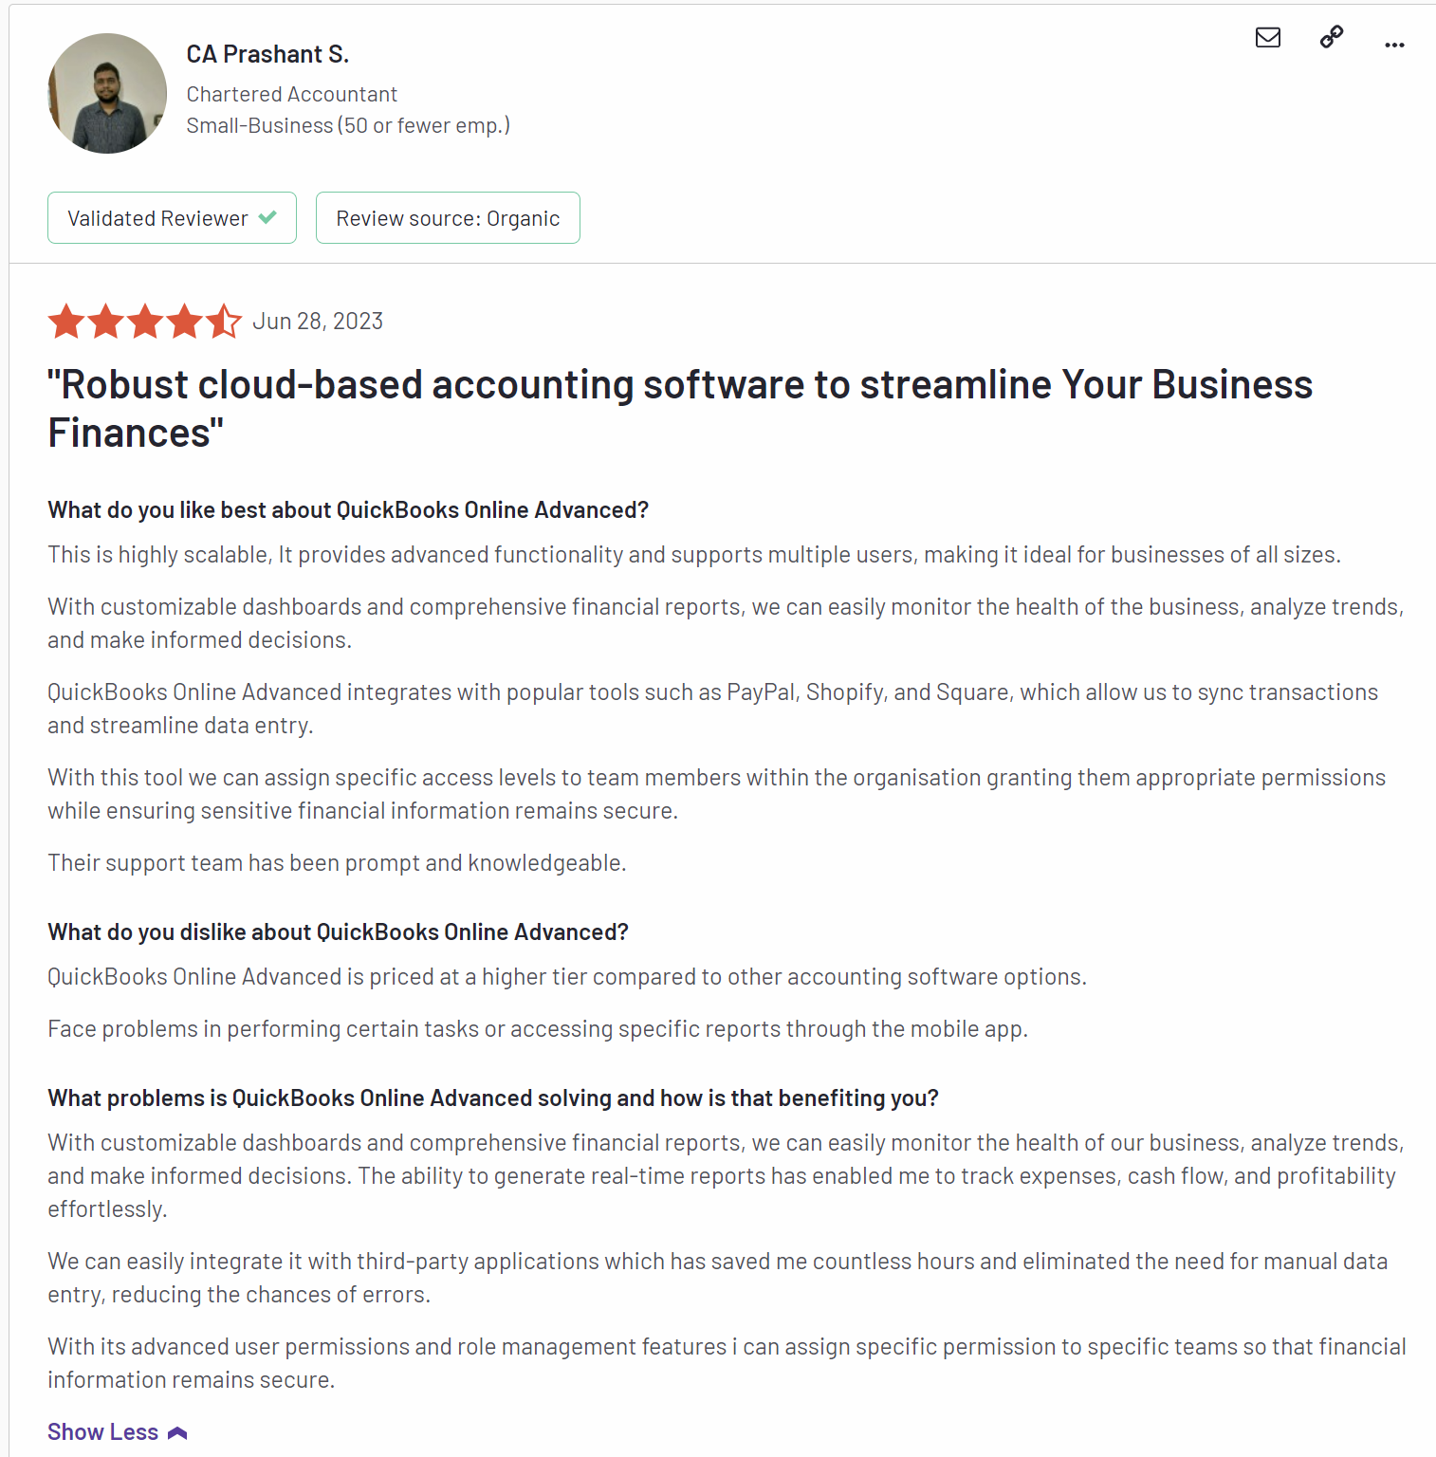
Please go to the following link: https://www.g2.com/products/quickbooks-online-advanced/reviews#survey-response-8264537
There are 284 reviews, please get all of them
For each review, please press show more to get the full review

Capterra Instructions
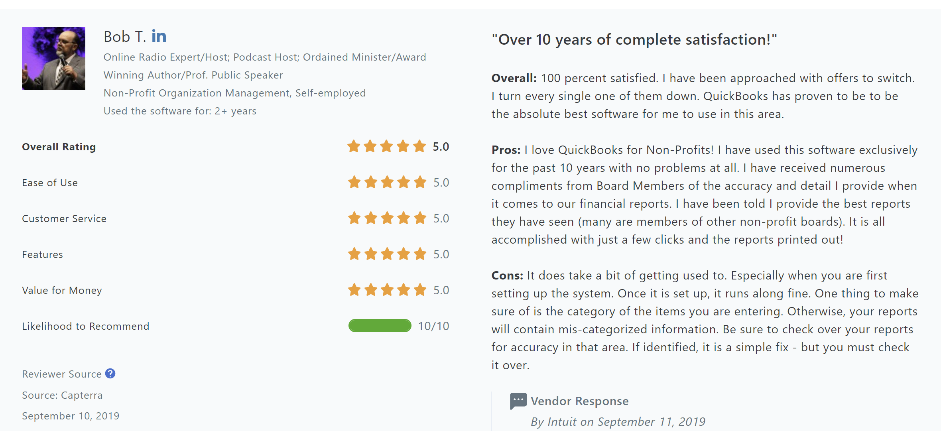
Please go to the following link and grab all the review information: https://www.capterra.com/p/189398/QuickBooks-Online/reviews/
There should be 844 reviews

