Data Request
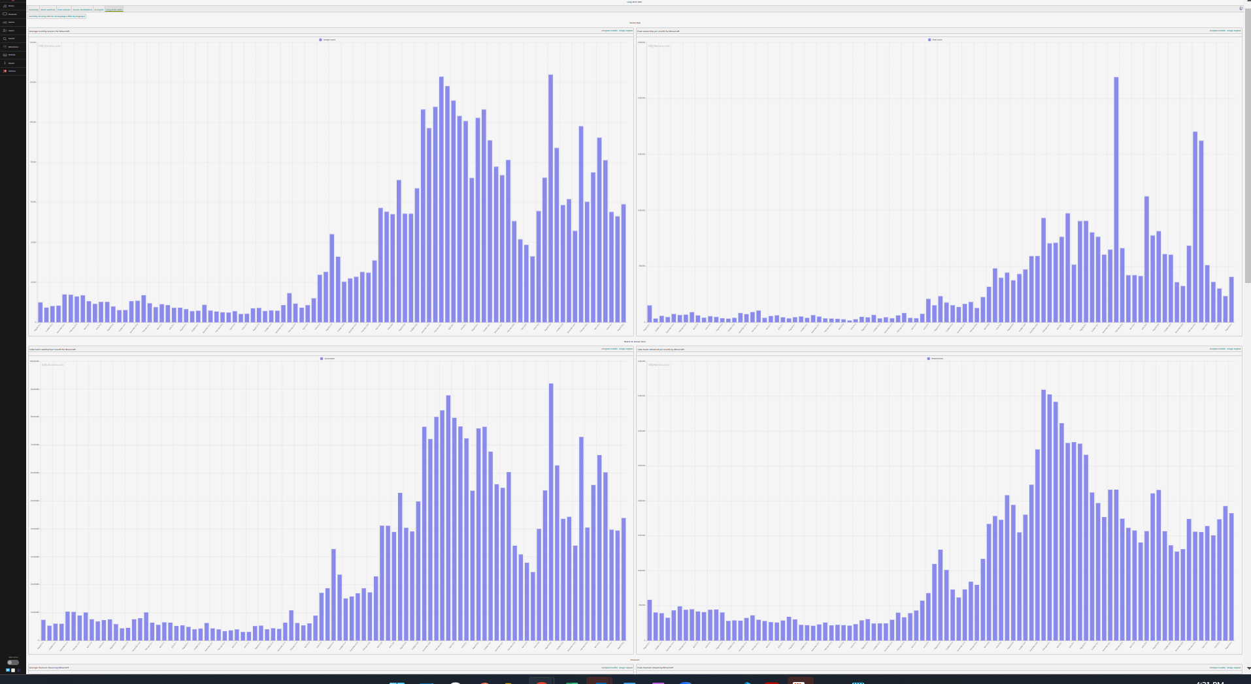
Reddit | Please grab data at the post level (image 1) and at the comment level (within posts, image 2). We want to see post text, comment text, number of votes, and date for each post/comment
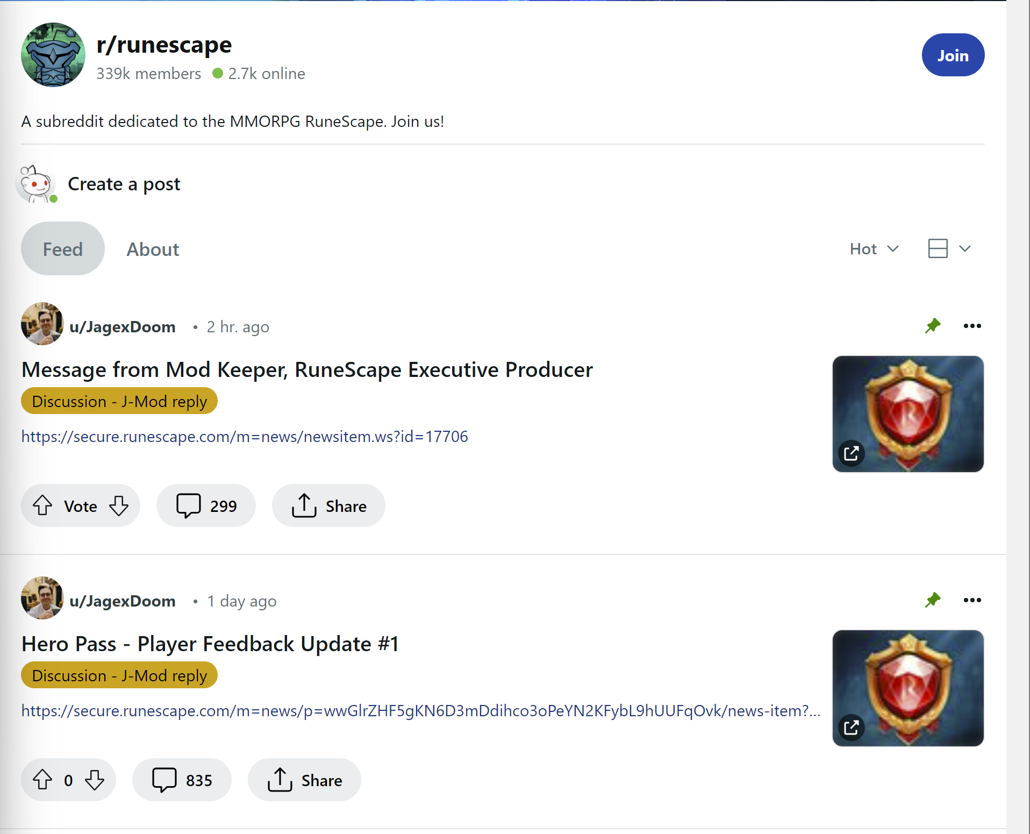


TwitchTracker | Please get month over month average and peak data for concurrent viewers, concurrent streams, hours watched (these metrics are in tables at the bottom).
 | We want the full history (back to 2016) and need to toggle through dates at the yellow stars in the image below.
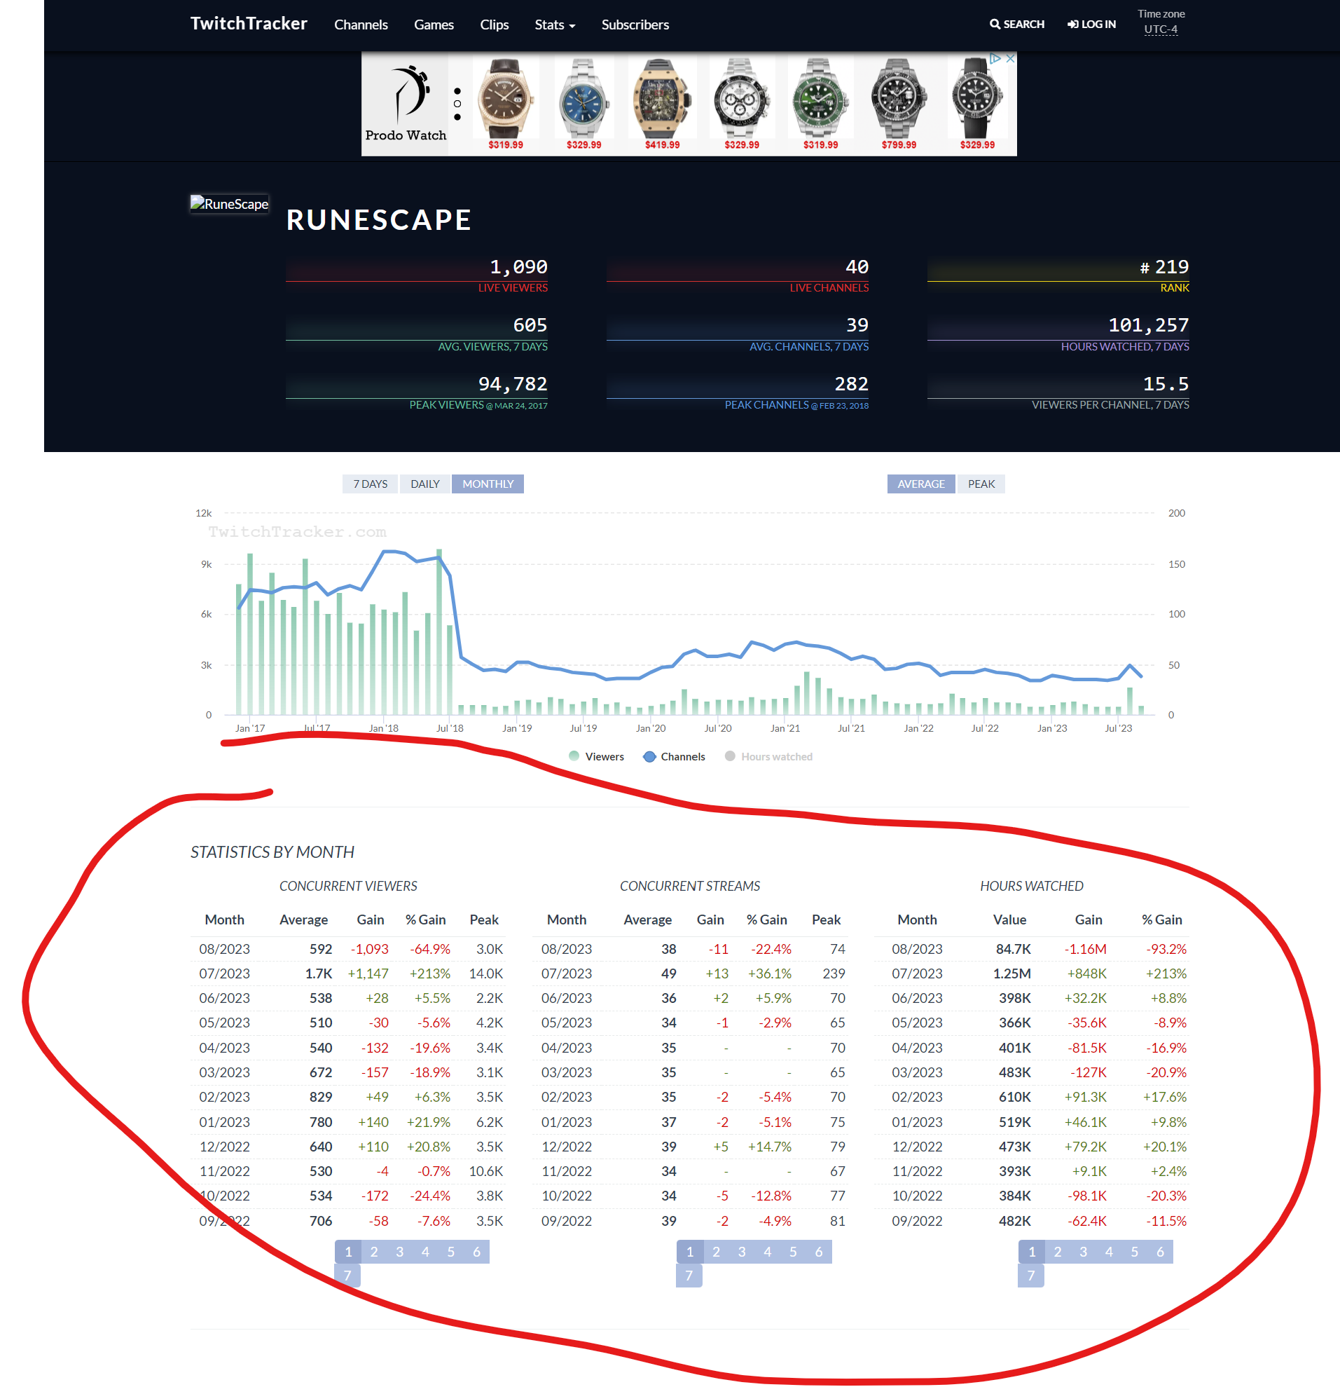

Sully Gnome | Please extract the data from all long term stats tables

