Instruction
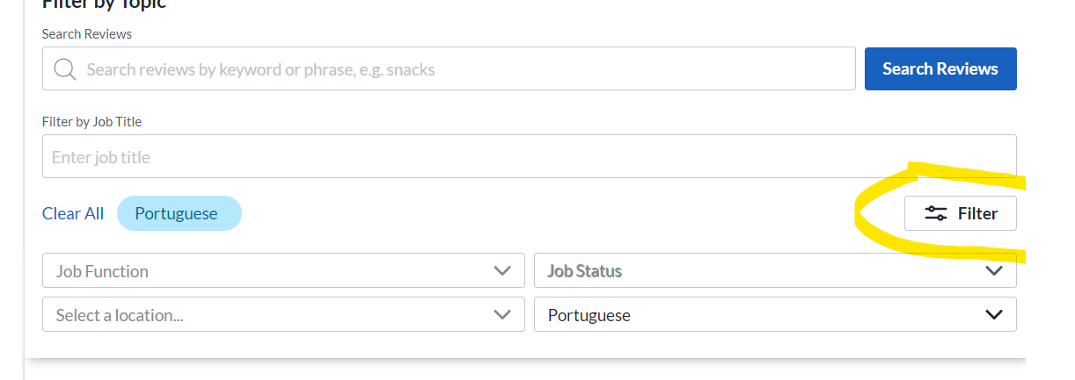
For reviews might need to filter for portuguese to access

