Instructions
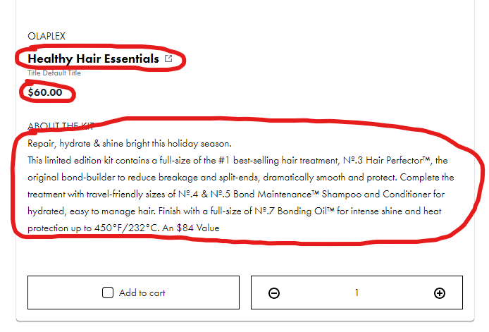
1. Go To URL: https://recommendation.gethumankind.com/?id=1yansWM4iGuqLAV1EUGLc5qUBH3%7C1yay7NACvUvmlU6Ua5xwGGWgo1X
2. Pull the following for all products: "Product Name", "Product Price", "Product About"
3. Format in example sheet "Enrichment"

