Instructions
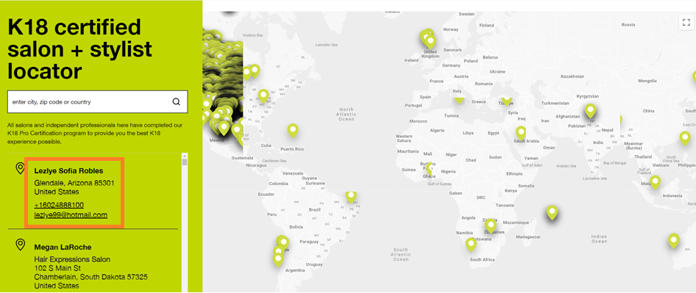
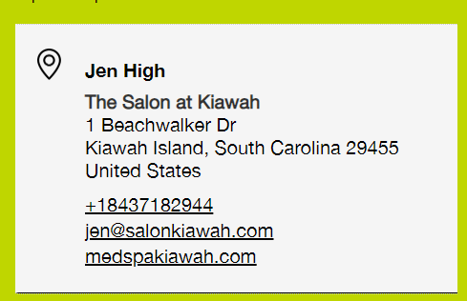
1) Go to https://www.k18hair.com/pages/salon-locator
2) Grab all locations details and put in "Locations" tab

