Sheet1
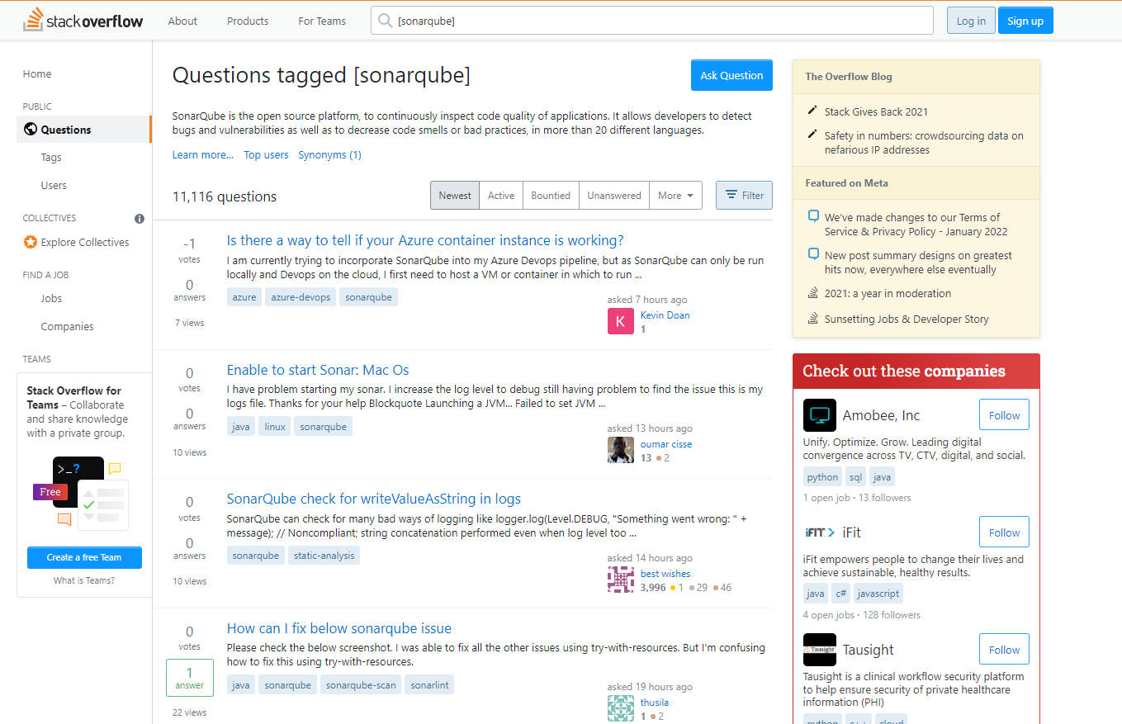

https://stackoverflow.com/questions/tagged/sonarqube

Example
1
5
9
8
6
1 | Title | Is there a way to tell if your Azure container instance is working?
2 | Tags | azure, azure-devops, sonarqube
3 | Time | asked 7 hours ago
2
3
4
4 | Author | Kevin Doan
7
5 | Votes | -1
6 | Answers | 0
7 | Views | 7
8 | Text | I am currently trying to incorporate SonarQube into my Azure Devops pipeline, but as SonarQube can only be run locally and Devops on the cloud, I first need to host a VM or container in which to run SonarQube. However when using Azure and having created my container and appending it with the port number 9000, I get a time out error. Is this something wrong with my container? Slow internet? My DNS Address
9 | Link | https://stackoverflow.com/questions/70713764/is-there-a-way-to-tell-if-your-azure-container-instance-is-working

