Sheet3
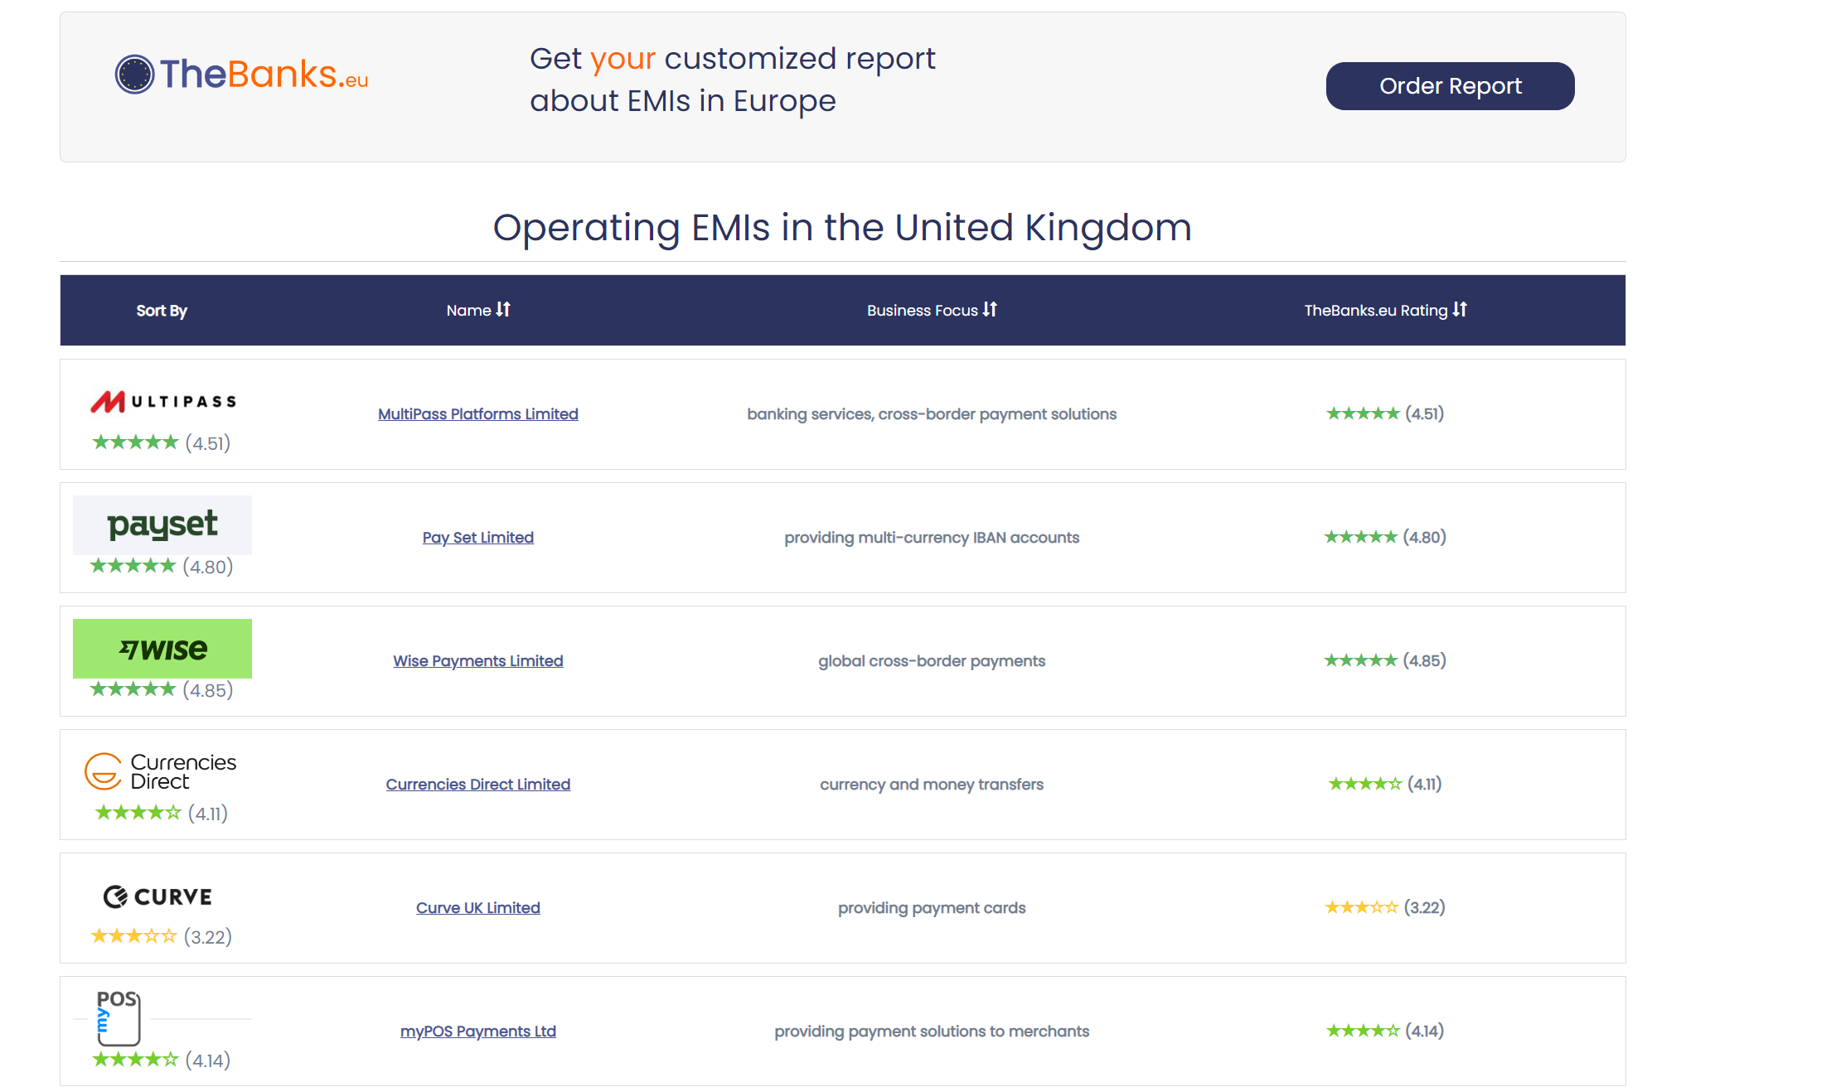
Country | URL
Austria | https://thebanks.eu/list-of-emis/Austria
Belgium | https://thebanks.eu/list-of-emis/Belgium
Bulgaria | https://thebanks.eu/list-of-emis/Bulgaria
Croatia | https://thebanks.eu/list-of-emis/Croatia
Cyprus | https://thebanks.eu/list-of-emis/Cyprus
Czech Republic | https://thebanks.eu/list-of-emis/Czech-Republic
Denmark | https://thebanks.eu/list-of-emis/Denmark |  |  | Example 1
Estonia | https://thebanks.eu/list-of-emis/Estonia
Finland | https://thebanks.eu/list-of-emis/Finland | 0 | Country | United Kingdom
France | https://thebanks.eu/list-of-emis/France | 1 | URL | https://thebanks.eu/list-of-emis/United-Kingdom
Germany | https://thebanks.eu/list-of-emis/Germany | 2 | Name | MultiPass Platforms Limited
Gibraltar | https://thebanks.eu/list-of-emis/Gibraltar | 3 | Company URL | https://thebanks.eu/emis/multipass-platforms-354783
Greece | https://thebanks.eu/list-of-emis/Greece | 4 | Business Focus | banking services, cross-border payment solutions
Hungary | https://thebanks.eu/list-of-emis/Hungary | 5 | Rating | 4.51
Iceland | https://thebanks.eu/list-of-emis/Iceland
2
Ireland | https://thebanks.eu/list-of-emis/Ireland
Italy | https://thebanks.eu/list-of-emis/Italy
Latvia | https://thebanks.eu/list-of-emis/Latvia |  |  | Example 2
3
4
5
Liechtenstein | https://thebanks.eu/list-of-emis/Liechtenstein
Lithuania | https://thebanks.eu/list-of-emis/Lithuania | 0 | Country | United Kingdom
Luxembourg | https://thebanks.eu/list-of-emis/Luxembourg | 1 | URL | https://thebanks.eu/list-of-emis/United-Kingdom
Malta | https://thebanks.eu/list-of-emis/Malta | 2 | Name | Allied Wallet Ltd
Netherlands | https://thebanks.eu/list-of-emis/Netherlands | 3 | Company URL | https://thebanks.eu/emis/allied-wallet-354757
Norway | https://thebanks.eu/list-of-emis/Norway | 4 | Business Focus | turnkey payment gateway solutions
Poland | https://thebanks.eu/list-of-emis/Poland | 5 | Rating | in liquidation
Portugal | https://thebanks.eu/list-of-emis/Portugal |  |  | ^^ Sometimes it's text instead of a rating
Romania | https://thebanks.eu/list-of-emis/Romania
Slovakia | https://thebanks.eu/list-of-emis/Slovakia
Slovenia | https://thebanks.eu/list-of-emis/Slovenia
Spain | https://thebanks.eu/list-of-emis/Spain
Sweden | https://thebanks.eu/list-of-emis/Sweden
Switzerland | https://thebanks.eu/list-of-emis/Switzerland
United Kingdom | https://thebanks.eu/list-of-emis/United-Kingdom
0
1

5

5

