Intructions
1. Enter the URL - it should look like the below

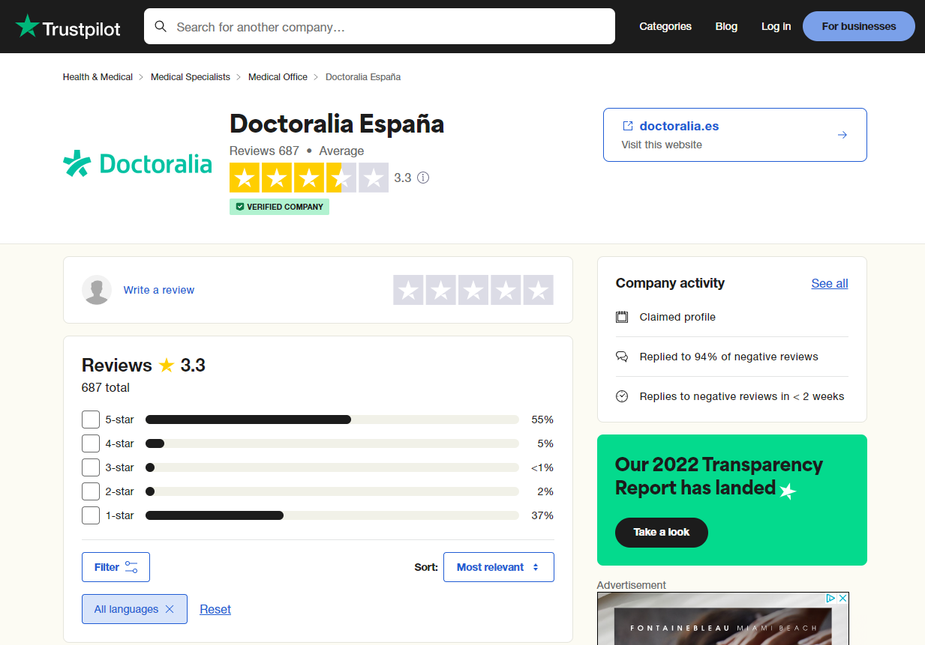

2. Translate the page to English using Google Translate pop up in the Chrome browser

username
3. Scrape the information from every review on the page:
Username
Location
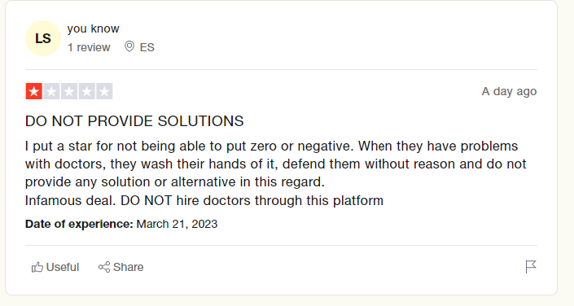
Date of Review
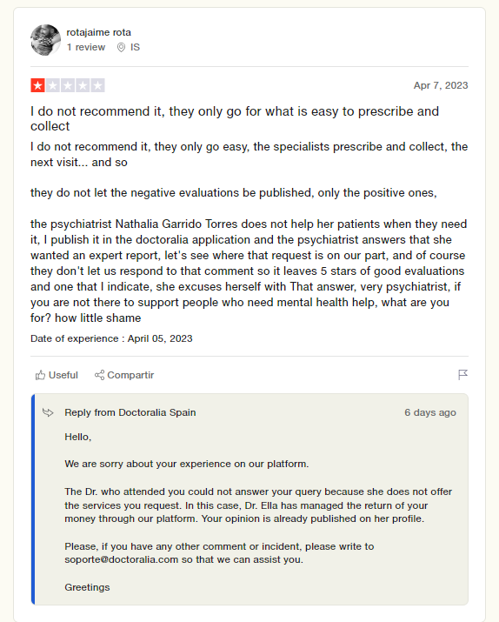
Number of Stars
number of stars
location
Title
Review
title (text)
URL of Review (link)
Date of Review
Date of Experience
Reply
Date of Reply
URL of Review

Review

Date of Experience

Date of Reply
Reply

*Not all reviews will have Reply / Date of Reply fields

4. Go through all pages
Bottom of the page after you have gone through all the reviews will have buttons to click to the next page

