Walmart
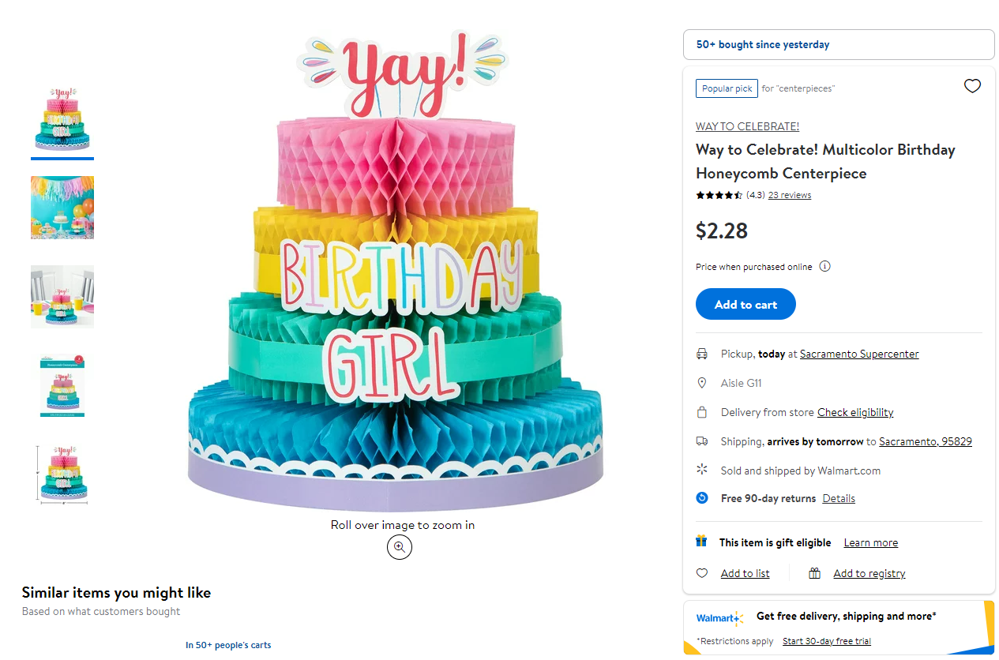
Go to walmart page | https://www.walmart.com/all-departments

Go through all departments and subcategories listed below with the exception of 'Shop All'

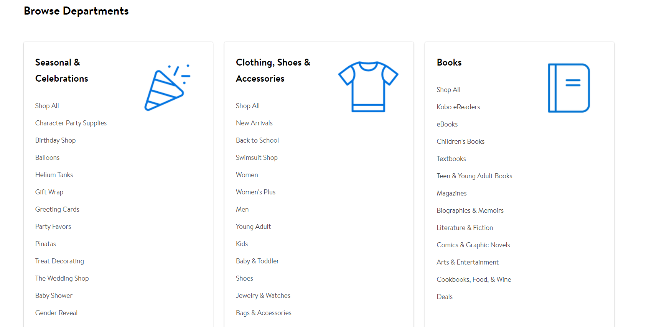

Click on each individual product
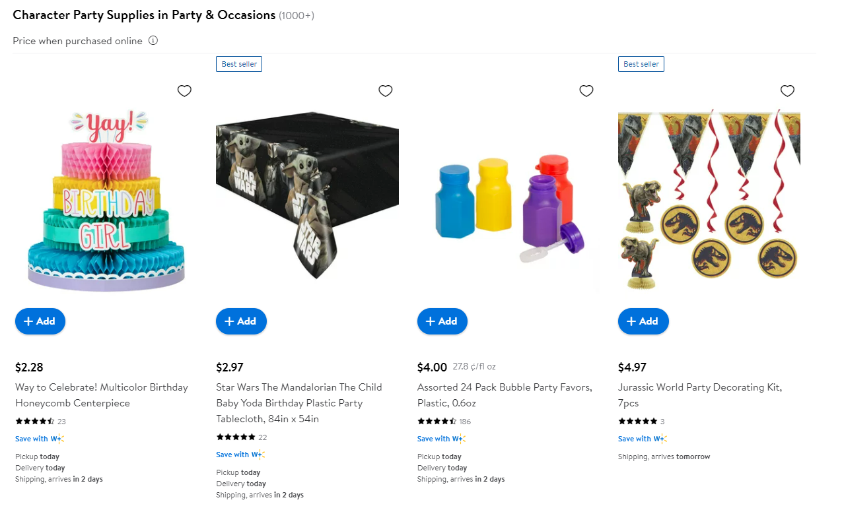

Grab the brand name, product name and price

Kroger
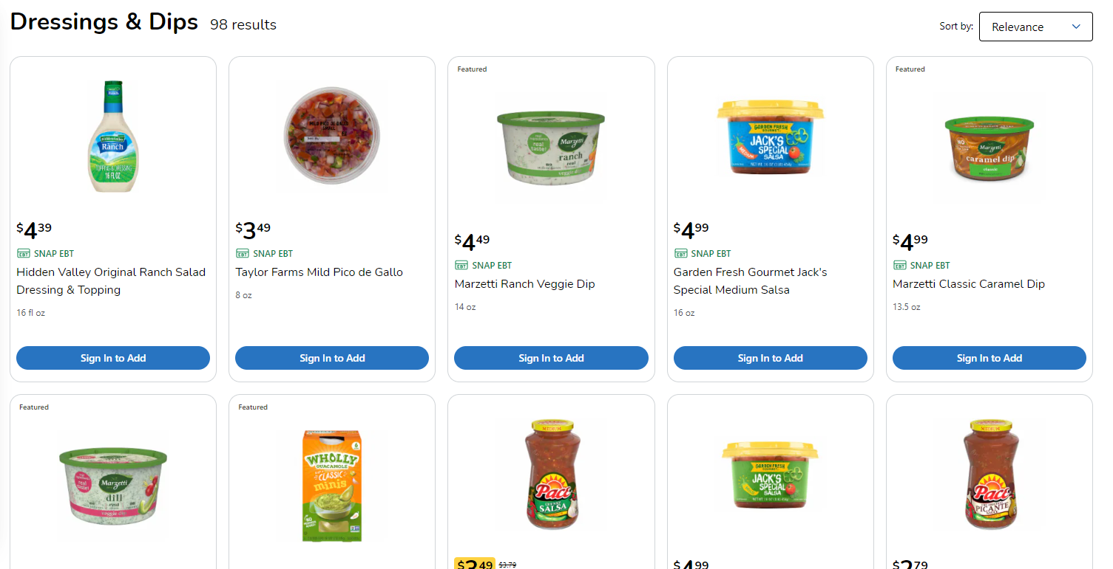
Go to kroger url | https://www.kroger.com/
Click on shop
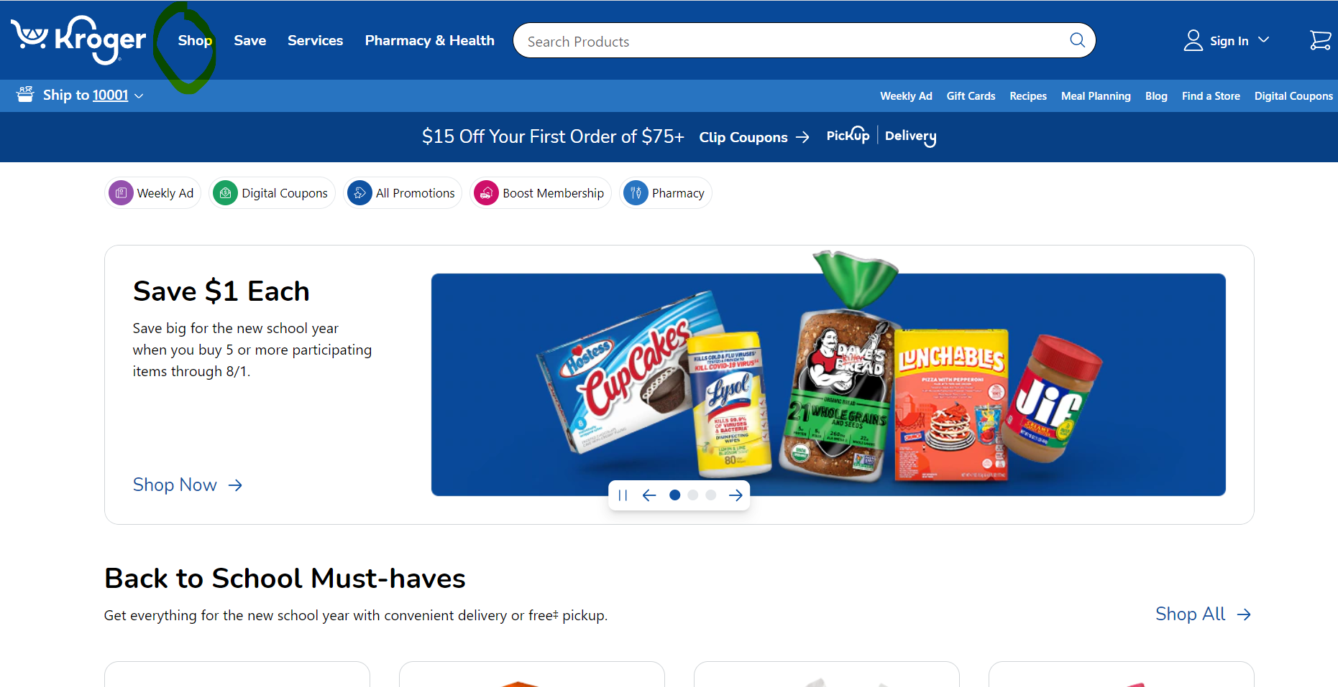

Under shop drop down, go through each of the categories highlighted below
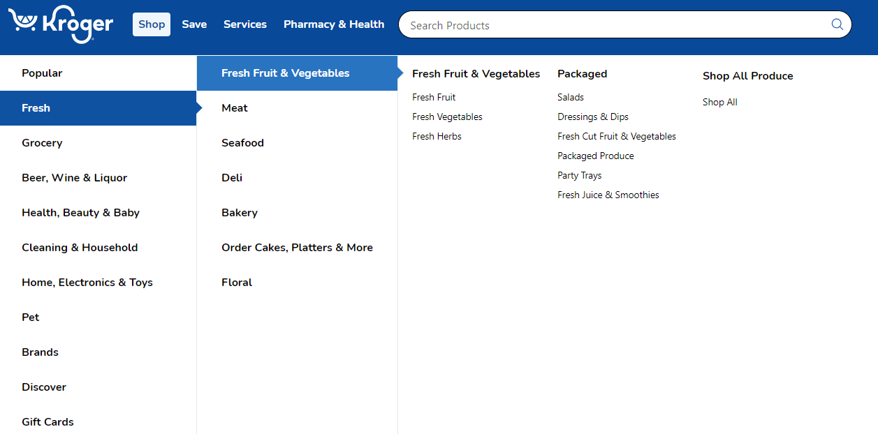

Click on each individual product and grab the brand name, product name and price

Sam's Club
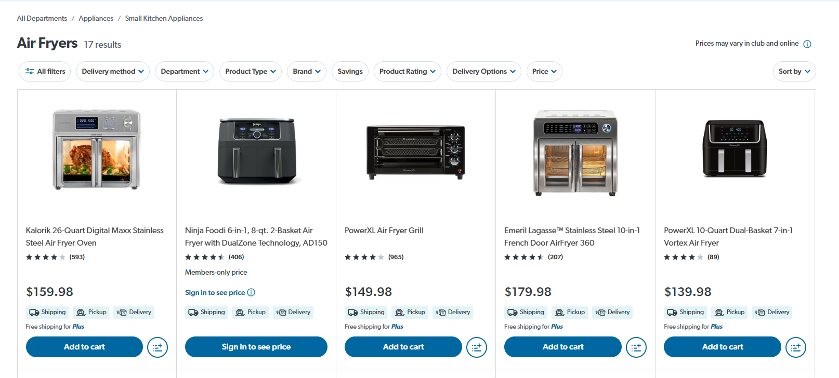
Go to Sam's club website | https://www.samsclub.com/c

Go through each of the department below and extract all product information

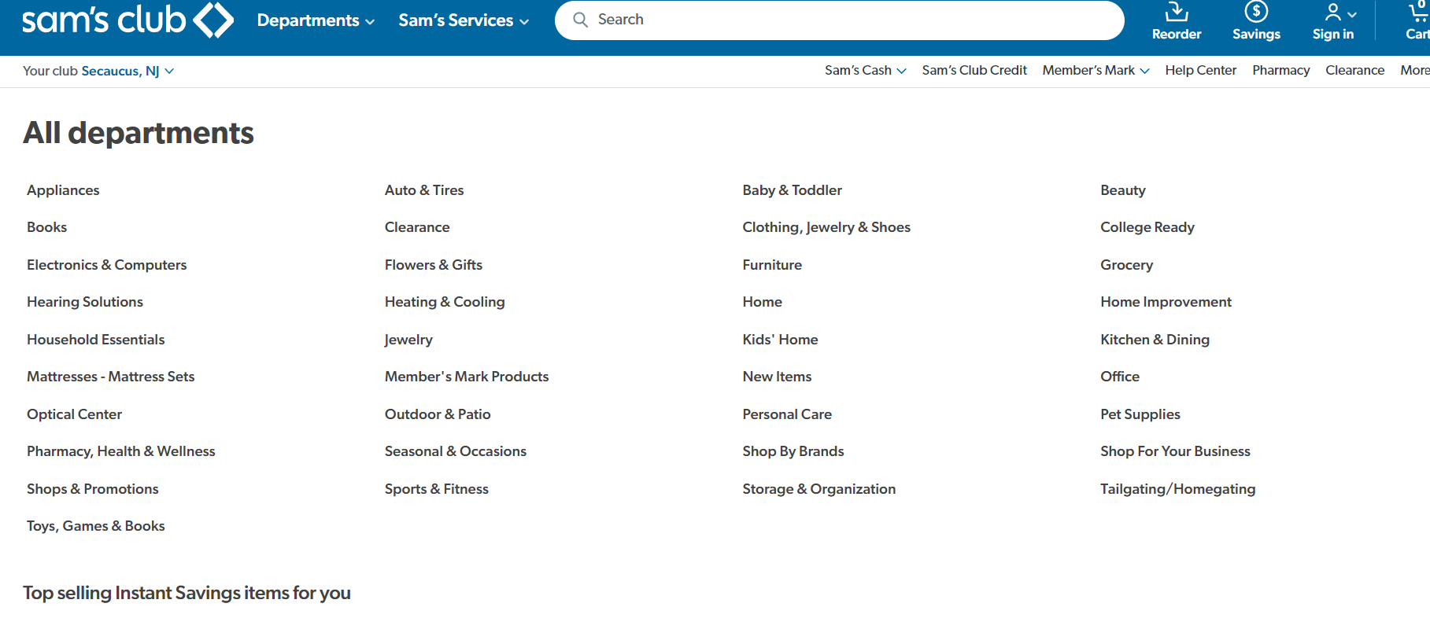

Click on each category until you reach a products page

Click on each individual product and grab the brand name, product name and price

