CSR1 Data Training Factor 0.6
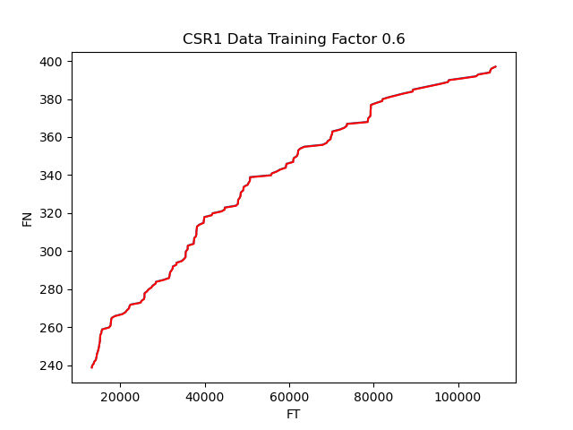
 | Actual | Predicted | MSE
0 | 239 | 238.8011691 | 0.016985819986
1 | 240 | 239.80077114
2 | 241 | 240.80037868
3 | 242 | 241.80001435
4 | 243 | 242.79965602
5 | 244 | 243.79931021
6 | 245 | 244.79897847
7 | 246 | 245.79867395
8 | 247 | 246.79836277
9 | 248 | 247.79808947
10 | 249 | 248.79780967
11 | 250 | 249.91120898
12 | 251 | 250.91004339
13 | 252 | 251.90889513
14 | 253 | 252.90776449
15 | 254 | 253.9066513
16 | 255 | 254.9030585
17 | 256 | 255.90192243
18 | 257 | 256.90080372
19 | 258 | 257.89970206
20 | 259 | 258.89861764
21 | 260 | 259.89755028
22 | 261 | 260.89649994
23 | 262 | 261.89546674
24 | 263 | 262.89445045
25 | 264 | 263.89345123
26 | 265 | 264.8924688
27 | 266 | 265.89150325
28 | 267 | 266.8905544
29 | 268 | 267.88962239
30 | 269 | 268.888707
31 | 270 | 269.8878082
32 | 271 | 270.88692589
33 | 272 | 271.88606006
34 | 273 | 272.88521065
35 | 274 | 273.88437752
36 | 275 | 274.88356061
37 | 276 | 275.88275979
38 | 277 | 276.88197512
39 | 278 | 277.88120637
40 | 279 | 278.88045351
41 | 280 | 279.87971641
42 | 281 | 280.87899511
43 | 282 | 281.87828924
44 | 283 | 282.87759914
45 | 284 | 283.87692425
46 | 285 | 284.87626476
47 | 286 | 285.8756204
48 | 287 | 286.87499112
49 | 288 | 287.87437686
50 | 289 | 288.87377752
51 | 290 | 289.87319289
52 | 291 | 290.87262303
53 | 292 | 291.87206764
54 | 293 | 292.87152666
55 | 294 | 293.87099996
56 | 295 | 294.87048758
57 | 296 | 295.86998922
58 | 297 | 296.86950484
59 | 298 | 297.86903425
60 | 299 | 298.8685775
61 | 300 | 299.86813429
62 | 301 | 300.8677045
63 | 302 | 301.86728827
64 | 303 | 302.86688511
65 | 304 | 303.86649504
66 | 305 | 304.86611806
67 | 306 | 305.87170856
68 | 307 | 306.87143097
69 | 308 | 307.87116579
70 | 309 | 308.87091301
71 | 310 | 309.87067245
72 | 311 | 310.87044385
73 | 312 | 311.87022709
74 | 313 | 312.87002205
75 | 314 | 313.86982877
76 | 315 | 314.86964674
77 | 316 | 315.86947611
78 | 317 | 316.86931653
79 | 318 | 317.86916807
80 | 319 | 318.86903036
81 | 320 | 319.86890336
82 | 321 | 320.8687869
83 | 322 | 321.86868066
84 | 323 | 322.86858475
85 | 324 | 323.86849923
86 | 325 | 324.86842337
87 | 326 | 325.86835751
88 | 327 | 326.86830119
89 | 328 | 327.86825422
90 | 329 | 328.86821687
91 | 330 | 329.86818872
92 | 331 | 330.86816955
93 | 332 | 331.86815942
94 | 333 | 332.86815812
95 | 334 | 333.86816552
96 | 335 | 334.86818137
97 | 336 | 335.86820561
98 | 337 | 336.86823809
99 | 338 | 337.86827872
100 | 339 | 338.86832721
101 | 340 | 339.86838346
102 | 341 | 340.86844755
103 | 342 | 341.86851897
104 | 343 | 342.86859781
105 | 344 | 343.86868367
106 | 345 | 344.86877688
107 | 346 | 345.86887677
108 | 347 | 346.86898315
109 | 348 | 347.8690964
110 | 349 | 348.86921568
111 | 350 | 349.86934127
112 | 351 | 350.86947279
113 | 352 | 351.86961006
114 | 353 | 352.86975277
115 | 354 | 353.86990083
116 | 355 | 354.87005385
117 | 356 | 355.87021177
118 | 357 | 356.87037427
119 | 358 | 357.87054099
120 | 359 | 358.87407318
121 | 360 | 359.87239321
122 | 361 | 360.87256653
123 | 362 | 361.8727446
124 | 363 | 362.87292733
125 | 364 | 363.87311507
126 | 365 | 364.87330682
127 | 366 | 365.873503
128 | 367 | 366.87370352
129 | 368 | 367.87390789
130 | 369 | 368.874116
131 | 370 | 369.87432772
132 | 371 | 370.87454277
133 | 372 | 371.87476088
134 | 373 | 372.87498208
135 | 374 | 373.87520587
136 | 375 | 374.87543185
137 | 376 | 375.87566045
138 | 377 | 376.87589387
139 | 378 | 377.87613667
140 | 379 | 378.87866125
141 | 380 | 379.87964902
142 | 381 | 380.87917939
143 | 382 | 381.87713222
144 | 383 | 382.87739025
145 | 384 | 383.87765207
146 | 385 | 384.87791909
147 | 386 | 385.8781916
148 | 387 | 386.87846914
149 | 388 | 387.87053585
150 | 389 | 388.87078742
151 | 390 | 389.87104099
152 | 391 | 390.87960476
153 | 392 | 391.87989105
154 | 393 | 392.8801779
155 | 394 | 393.88046541
156 | 395 | 394.88075335
157 | 396 | 395.88104229
158 | 397 | 396.99242435

CSR1 Data Training Factor 0.7

 | Actual | Predicted | MSE
0 | 278 | 277.92754788 | 0.0060577078823
1 | 279 | 278.92726489
2 | 280 | 279.92699119
3 | 281 | 280.92672681
4 | 282 | 281.92412304
5 | 283 | 282.92384076
6 | 284 | 283.92356701
7 | 285 | 284.92330158
8 | 286 | 285.92304431
9 | 287 | 286.92279543
10 | 288 | 287.92255456
11 | 289 | 288.92232165
12 | 290 | 289.9220967
13 | 291 | 290.92187959
14 | 292 | 291.92167022
15 | 293 | 292.92146848
16 | 294 | 293.92127413
17 | 295 | 294.92108734
18 | 296 | 295.92090782
19 | 297 | 296.92073557
20 | 298 | 297.92057047
21 | 299 | 298.92041239
22 | 300 | 299.92374687
23 | 301 | 300.92106248
24 | 302 | 301.92337973
25 | 303 | 302.92463548
26 | 304 | 303.88075484
27 | 305 | 304.92465588
28 | 306 | 305.92461549
29 | 307 | 306.92456887
30 | 308 | 307.92452935
31 | 309 | 308.92450644
32 | 310 | 309.9245096
33 | 311 | 310.92454969
34 | 312 | 311.92463495
35 | 313 | 312.88411392
36 | 314 | 313.92490904
37 | 315 | 314.88496634
38 | 316 | 315.89099817
39 | 317 | 316.88715519
40 | 318 | 317.91969826
41 | 319 | 318.91965775
42 | 320 | 319.9196183
43 | 321 | 320.91957902
44 | 322 | 321.92285848
45 | 323 | 322.92287591
46 | 324 | 323.92289556
47 | 325 | 324.92291872
48 | 326 | 325.9229467
49 | 327 | 326.92298059
50 | 328 | 327.92302053
51 | 329 | 328.9230663
52 | 330 | 329.92311712
53 | 331 | 330.9231721
54 | 332 | 331.9194635
55 | 333 | 332.91949031
56 | 334 | 333.8949937
57 | 335 | 334.92435256
58 | 336 | 335.92444904
59 | 337 | 336.92454324
60 | 338 | 337.92463902
61 | 339 | 338.92473865
62 | 340 | 339.92485597
63 | 341 | 340.89807191
64 | 342 | 341.92392449
65 | 343 | 342.92398202
66 | 344 | 343.92404344
67 | 345 | 344.92529953
68 | 346 | 345.92542923
69 | 347 | 346.92556576
70 | 348 | 347.925704
71 | 349 | 348.92584121
72 | 350 | 349.92004696
73 | 351 | 350.90187124
74 | 352 | 351.92684779
75 | 353 | 352.92639728
76 | 354 | 353.926701
77 | 355 | 354.92656485
78 | 356 | 355.92634251
79 | 357 | 356.92675239
80 | 358 | 357.92707812
81 | 359 | 358.92741764
82 | 360 | 359.92738062
83 | 361 | 360.9275217
84 | 362 | 361.92766671
85 | 363 | 362.92625572
86 | 364 | 363.9210075
87 | 365 | 364.92107089
88 | 366 | 365.90874703
89 | 367 | 366.92848269
90 | 368 | 367.92894823
91 | 369 | 368.91002269
92 | 370 | 369.93009595
93 | 371 | 370.91075193
94 | 372 | 371.91124182
95 | 373 | 372.92966131
96 | 374 | 373.92982204
97 | 375 | 374.92997964
98 | 376 | 375.93012808
99 | 377 | 376.93021586
100 | 378 | 377.93031083
101 | 379 | 378.9139574
102 | 380 | 379.9305109
103 | 381 | 380.9304095
104 | 382 | 381.93118742
105 | 383 | 382.93135212
106 | 384 | 383.9315008
107 | 385 | 384.92782639
108 | 386 | 385.93168507
109 | 387 | 386.93492521
110 | 388 | 387.91748313
111 | 389 | 388.93221261
112 | 390 | 389.93257162
113 | 391 | 390.93275765
114 | 392 | 391.93290144
115 | 393 | 392.93309217
116 | 394 | 393.93330994
117 | 395 | 394.93296873
118 | 396 | 395.93360906
119 | 397 | 396.99242435

CSR1 Data Training Factor 0.8

 | Actual | Predicted | MSE
0 | 318 | 317.96036013 | 0.0013215283335
1 | 319 | 318.96042896
2 | 320 | 319.96049998
3 | 321 | 320.96057257
4 | 322 | 321.95910968
5 | 323 | 322.96054189
6 | 324 | 323.96057718
7 | 325 | 324.96062931
8 | 326 | 325.96099838
9 | 327 | 326.96073122
10 | 328 | 327.9611334
11 | 329 | 328.96121686
12 | 330 | 329.9613008
13 | 331 | 330.96138651
14 | 332 | 331.96147522
15 | 333 | 332.96157672
16 | 334 | 333.96164048
17 | 335 | 334.96169982
18 | 336 | 335.96184407
19 | 337 | 336.96188847
20 | 338 | 337.96194342
21 | 339 | 338.962011
22 | 340 | 339.96218731
23 | 341 | 340.96225081
24 | 342 | 341.95952883
25 | 343 | 342.95954135
26 | 344 | 343.95957281
27 | 345 | 344.95967946
28 | 346 | 345.95269155
29 | 347 | 346.96279674
30 | 348 | 347.96281815
31 | 349 | 348.96302514
32 | 350 | 349.96313534
33 | 351 | 350.96325669
34 | 352 | 351.96327086
35 | 353 | 352.96337233
36 | 354 | 353.9634759
37 | 355 | 354.96349706
38 | 356 | 355.96309713
39 | 357 | 356.96383238
40 | 358 | 357.96394369
41 | 359 | 358.96303366
42 | 360 | 359.96408071
43 | 361 | 360.96415358
44 | 362 | 361.96433133
45 | 363 | 362.96445987
46 | 364 | 363.96443919
47 | 365 | 364.96467816
48 | 366 | 365.96478173
49 | 367 | 366.96487598
50 | 368 | 367.96381528
51 | 369 | 368.96502023
52 | 370 | 369.96506211
53 | 371 | 370.96512237
54 | 372 | 371.96539735
55 | 373 | 372.96550405
56 | 374 | 373.96558262
57 | 375 | 374.96569456
58 | 376 | 375.96580582
59 | 377 | 376.9659063
60 | 378 | 377.96600773
61 | 379 | 378.96610948
62 | 380 | 379.96595118
63 | 381 | 380.96604537
64 | 382 | 381.96613909
65 | 383 | 382.96623244
66 | 384 | 383.96632536
67 | 385 | 384.9664179
68 | 386 | 385.96650998
69 | 387 | 386.96660166
70 | 388 | 387.96702687
71 | 389 | 388.96712937
72 | 390 | 389.96723299
73 | 391 | 390.96733914
74 | 392 | 391.96742258
75 | 393 | 392.96755291
76 | 394 | 393.96766159
77 | 395 | 394.9677694
78 | 396 | 395.96691596
79 | 397 | 396.99242435

CSR1 Data Training Factor 0.9
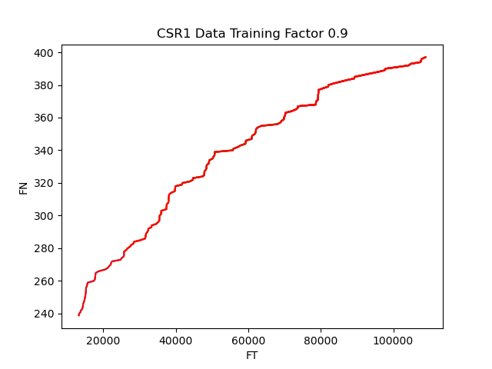
 | Actual | Predicted | MSE
0 | 358 | 357.98781388 | 0.00012831489274
1 | 359 | 358.98789073
2 | 360 | 359.98785139
3 | 361 | 360.98776815
4 | 362 | 361.98802016
5 | 363 | 362.98806835
6 | 364 | 363.98811398
7 | 365 | 364.98815956
8 | 366 | 365.98803106
9 | 367 | 366.98833393
10 | 368 | 367.98816021
11 | 369 | 368.98834957
12 | 370 | 369.98839405
13 | 371 | 370.98843054
14 | 372 | 371.98840988
15 | 373 | 372.98849021
16 | 374 | 373.98850964
17 | 375 | 374.988606
18 | 376 | 375.98861743
19 | 377 | 376.98868788
20 | 378 | 377.98872906
21 | 379 | 378.98876788
22 | 380 | 379.98881043
23 | 381 | 380.98880828
24 | 382 | 381.98884022
25 | 383 | 382.98882732
26 | 384 | 383.98755951
27 | 385 | 384.98896239
28 | 386 | 385.98900598
29 | 387 | 386.98905031
30 | 388 | 387.98909456
31 | 389 | 388.98917046
32 | 390 | 389.98920979
33 | 391 | 390.98924884
34 | 392 | 391.98928585
35 | 393 | 392.98926833
36 | 394 | 393.98936365
37 | 395 | 394.98940248
38 | 396 | 395.98944074
39 | 397 | 396.99242435

CSR2 Data Training Factor 0.6
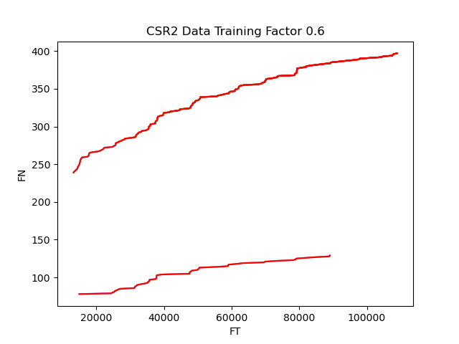
 | Actual | Predicted | MSE
0 | 78 | 77.798387504 | 0.03495676241
1 | 79 | 78.797083121
2 | 80 | 79.795931156
3 | 81 | 80.794928007
4 | 82 | 81.794070556
5 | 83 | 82.79335648
6 | 84 | 83.792783403
7 | 85 | 84.792348801
8 | 86 | 85.792050115
9 | 87 | 86.791883845
10 | 88 | 87.791574389
11 | 89 | 88.791718571
12 | 90 | 89.791962988
13 | 91 | 90.792265945
14 | 92 | 91.792653215
15 | 93 | 92.793385893
16 | 94 | 93.794148847
17 | 95 | 94.794930599
18 | 96 | 95.79590727
19 | 97 | 96.797141788
20 | 98 | 97.798275151
21 | 99 | 98.799491496
22 | 100 | 99.800785351
23 | 101 | 100.80214647
24 | 102 | 101.80356434
25 | 103 | 102.80522794
26 | 104 | 103.80660015
27 | 105 | 104.80813542
28 | 106 | 105.80959742
29 | 107 | 106.81106628
30 | 108 | 107.81268292
31 | 109 | 108.81574494
32 | 110 | 109.81757401
33 | 111 | 110.8203404
34 | 112 | 111.82150593
35 | 113 | 112.82341977
36 | 114 | 113.8254268
37 | 115 | 114.82735594
38 | 116 | 115.82939577
39 | 117 | 116.83124068
40 | 118 | 117.83337395
41 | 119 | 118.83537694
42 | 120 | 119.83730456
43 | 121 | 120.84086454
44 | 122 | 121.84089895
45 | 123 | 122.84309112
46 | 124 | 123.84512155
47 | 125 | 124.84730943
48 | 126 | 125.84928989
49 | 127 | 126.851121
50 | 128 | 127.85308685
51 | 129 | 128.99210521

CSR2 Data Training Factor 0.7
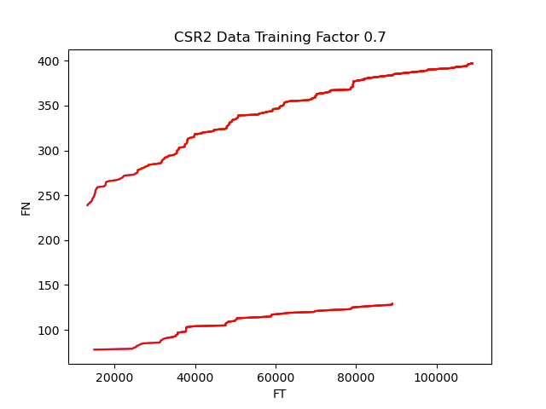
 | Actual | Predicted | MSE
0 | 91 | 90.867656076 | 0.011681540008
1 | 92 | 91.868687421
2 | 93 | 92.869758767
3 | 94 | 93.870915948
4 | 95 | 94.872019255
5 | 96 | 95.873332052
6 | 97 | 96.874690065
7 | 98 | 97.874208716
8 | 99 | 98.876978772
9 | 100 | 99.877278098
10 | 101 | 100.87987839
11 | 102 | 101.88170779
12 | 103 | 102.88327352
13 | 104 | 103.88458041
14 | 105 | 104.88553871
15 | 106 | 105.88703639
16 | 107 | 106.88863463
17 | 108 | 107.88981052
18 | 109 | 108.89026477
19 | 110 | 109.89244768
20 | 111 | 110.89378768
21 | 112 | 111.89517398
22 | 113 | 112.89652827
23 | 114 | 113.8980095
24 | 115 | 114.8990873
25 | 116 | 115.90051554
26 | 117 | 116.9018187
27 | 118 | 117.90312003
28 | 119 | 118.90432939
29 | 120 | 119.90569148
30 | 121 | 120.90684264
31 | 122 | 121.90888345
32 | 123 | 122.90938057
33 | 124 | 123.91086338
34 | 125 | 124.91166642
35 | 126 | 125.91296022
36 | 127 | 126.91411733
37 | 128 | 127.91525316
38 | 129 | 128.99210521

CSR2 Data Training Factor 0.8

 | Actual | Predicted | MSE
0 | 104 | 103.94104851 | 0.0023338643204
1 | 105 | 104.94181567
2 | 106 | 105.94271293
3 | 107 | 106.94354924
4 | 108 | 107.94433358
5 | 109 | 108.94516063
6 | 110 | 109.94587722
7 | 111 | 110.94671721
8 | 112 | 111.94713947
9 | 113 | 112.94817206
10 | 114 | 113.94895609
11 | 115 | 114.94969676
12 | 116 | 115.95037438
13 | 117 | 116.95099648
14 | 118 | 117.95382285
15 | 119 | 118.95242535
16 | 120 | 119.95300623
17 | 121 | 120.96159047
18 | 122 | 121.95428695
19 | 123 | 122.96224182
20 | 124 | 123.9555792
21 | 125 | 124.96288189
22 | 126 | 125.95685783
23 | 127 | 126.95733712
24 | 128 | 127.96384581
25 | 129 | 128.99210521

CSR2 Data Training Factor 0.9
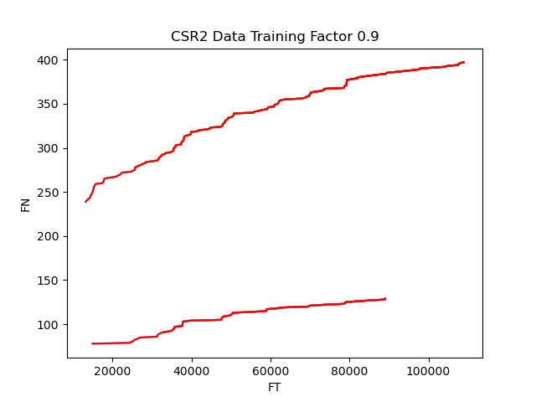
 | Actual | Predicted | MSE
0 | 117 | 116.9832379 | 0.00025724069188
1 | 118 | 117.98165936
2 | 119 | 118.98319179
3 | 120 | 119.9821211
4 | 121 | 120.98233759
5 | 122 | 121.9825569
6 | 123 | 122.98294574
7 | 124 | 123.9845181
8 | 125 | 124.98466662
9 | 126 | 125.98480462
10 | 127 | 126.98493962
11 | 128 | 127.985077
12 | 129 | 128.99210521

