ReadMe
 | SUMMARY
 | - This Config_test.xlsx will produce the runner_spec.csv file with the custom selected tests to run for the DMAT and CSR.
 | - runner_spec.csv is used by run_pscad.py or run_psse.py scripts to run the tests.

 | TO DO BEFORE RUNNING SCRIPT
 | 1) Ensure correct Suite, Software and WF States are selected in the System_inf tab
 | 2) Ensure correct clauses are selected in the Checklist tab by choosing "Yes" or "No" in the Action column
 | 3) If non suite is selected, for the selected test clause sheets select "Yes" or "No" in the Action column

WORKBOOK INFORMATION

1) Using the "System_inf" tab
- | This sheet is used to specify the parameters for the test sets. The table shows some of the possible inputs.
- | The options in yellow are the common ones to make changes for different run scenarios

 | V_POC | Nominal Power | Plant Capacity | Fault level | POC SCR | POC XR ratio | POC base Voltage | Nominal Frequency | Qlead,Qlag | Save Format | Q-V Droop | Suite | Software | WF States | Vgrid | Reference
 | 1.034 | 150 | 150 | 901.18603518 | [12.676303,2.2863071] | [6.66,5.33] | 220 | 50 | [0.3,-0.3] | csv | 0.05 | Run a suite of tests or not | If we want to run tests on PSCAD or PSSE | Describes the wf states which we want to run for. | To select between applying disturbance at either slack bus or using a dummy Tx in PSCAD
 |  |  |  |  |  |  |  |  |  |  |  | DMAT | PSCAD | ALL | Vslack
 |  |  |  |  |  |  |  |  |  |  |  | Reduced DMAT | PSSE | WTG PZERO | POC disturbance | Pbase 70, wtg=0
 |  |  |  |  |  |  |  |  |  |  |  | CSR | Both | BESS PMAX |  | base=150, bess=70
 |  |  |  |  |  |  |  |  |  |  |  | None |  | BESS PZERO |  | base=150, bess=0
 |  |  |  |  |  |  |  |  |  |  |  |  |  | BESS PMIN |  | base=150, bess=-70
 |  |  |  |  |  |  |  |  |  |  |  |  |  | BESS PNEG, WTG PZERO |  | base=-70, wtg=0
 |  |  |  |  |  |  |  |  |  |  |  |  |  | WTG PZERO; BESS PMAX
 |  |  |  |  |  |  |  |  |  |  |  |  |  | BESS PNEG
2) TABLE HEADERS
-
- | These are already set by default, avoid changing them.
- | Refer to Table 1 for headers of test tables and input options. For the SpecGenerator code to work, it is ESSENTIAL to use the exact header names in Table 1 and input format specified.
- | Every new test sheet created should include the headers under "Must Include" in Table 1
 | Order of headers does not matter

 | Table 1: (Every sheet must include)
 | Info | Test | Action | Software | Suite | End Run (s) | SCR | X/R
 | Description: | Test number to be added to the end of the file name. | Manual selection to choose if test will be included in runner_spec | Test for PSSE or PSCAD | Test suite category | Simulation time | Desired Grid SCR Level | Desired Grid X/R
 | Options / Exmaples: |  | Yes | PSSE | DMAT | 45 | 12 | 6
 |  |  | No | PSCAD | Reduced_DMAT |  | POC | POC
 |  |  |  | Both | CSR |  | [12,1]
 |  |  |  |  | None |  | inf | inf
 |  |  |  |  |  |  | POC MIN | POC MIN
 |  |  |  |  |  |  | POC MAX | POC MAX
 |  |  |  |  |  |  | WITHSTAND SCR

 | Table 1a: Optional Headings
 | Info | Time Steps (s) | Active Power (pu) | WTG Pref (pu) | BESS Pref (pu) | Pref Deltas (pu) | Pref Ramp (pu/s) | Reactive Power (pu) | Voltage POC (pu) | Voltage POC Deltas (pu) | Voltage POC Ramp (pu/s) | Vgrid Deltas (pu) | Vgrid Ramp (Hz/s) | Voltage Step (pu) | Vref (pu) | Vref Delta (pu)
 | Description: | Time profile for step changes | Wind farm active power reference (applied to BESS or WT depending on WF States from the "System_inf" tab) |  |  | Difference form original P ref at every timestep. |  | Wind farm reactive power setpoint | POC voltage | Difference form original voltage at every timestep. The steps are applied to the Dummy Tx in pscad. | Ramp to different poc voltages false/blank - no ramping (infinite step) true - ramp to next value | Difference form original voltage at every timestep. The steps are applied at the slack bus in pscad | Ramp to different poc voltages false/blank - no ramping (infinite step) true - ramp to next value | Step value when action needs to occur for every iteration in range, ref to Table 2 for more info | Desired Voltage reference | Difference form original voltage at every timestep. The voltage reference is stepped accordingly
 | Options / Exmaples: | [0,5,8] - user defined timesteps | 0.6 |  |  | [0,-0.2,0,0.2,0] - user defined pref_deltas |  | 0.3 | 1.034 | [0,-0.1,0,0.1,0] - user defined deltas | [false, true, false, true, false] - user defined ramps | Similar to Voltage POC Deltas (pu/s) | Similar to Voltage POC Ramp (pu/s) | 0.1 | 1.034 | Similar to Voltage POC Deltas (pu/s)
 |  | fig1 - using a figure from "Figure References" tab for customised profile timesteps | [0, 0.2, 0.4] |  |  | fig1 - using a figure from "Figure References" tab for customised profile pref_deltas |  |  |  | fig1 - using a figure from "Figure References" tab for customised profile voltage deltas | fig1 - using a figure from "Figure References" tab for customised profile voltage ramps | Similar to Voltage POC Deltas (pu/s) | Similar to Voltage POC Ramp (pu/s) |  |  | Similar to Voltage POC Deltas (pu/s)

 | Table 1b: Optional Headings
 | Info | Apply Fault (s) | Fault Duration (s) | Fault Type | Fault Impedance (pu) | Fault X/R | Event | Delta (pu) | Freq Deltas (Hz) | Freq Ramp (Hz/s) | Osc Freqs (Hz) | Osc Magnitude (pu) | Step (Hz) | Osc Phase (deg) | Angle Change
 | Description: | Time at which a fault is applied | Duration of fault | Fault type | Fault impedance for: - Under voltage faults - Temporary Over Voltage faults (ToV) | Usually matches grid Z, but custom specified for some S5255 tests | Event type if Delta title is used | For a change in value specified in Event, the difference from the original value in pu. | Difference form original freq at every timestep. | Ramp to different freq false/blank - no ramping (infinite step) true - ramp to next value | Grid voltage oscillation frequency | Grid voltage oscillation magntude | Step value when action needs to occur for every iteration in range, ref to Table 2 for more info | Grid voltage oscillation phase | Grid phase angle change
 | Options / Exmaples: | 5 - Single fault applied at time = 5s | 0.25 - Single fault duration | 3PHG | Zf=0 |  | Vref | [0,-0.1,0,0.1,0] - user defined deltas | [0,-1,0,2,0] - user defined deltas | [false, true, false, true, false] - user defined ramps | 0.1 - 0.1Hz oscillation | 0.2 | 0.1 | 2 | 40
 |  | [5, 5.5, 6.7] - MFRT | [0.1, 0.1, 0.25] - MFRT | 2PHG | Zf=Zs |  | Vgrid | fig1 - using a figure from "Figure References" tab for customised profile deltas | fig1 - using a figure from "Figure References" tab for customised frequency profile deltas | fig1 - using a figure from "Figure References" tab for customised frequency profile deltas | 0.1:0.9 - Range of oscillations, refer to Table 2 for more info |  |  |  | 40; -40; 60; -60
 |  |  | S1 - sequence that defines durations | 1PHG | Zf="K"xZs where K is an integer |  | Qref
 |  |  |  | L-L | TOV: Yf = jXc (U_Ov = 1.15pu)
 |  |  |  |  | Zf=Rf = 1, 5 and 10 Ohm
 |  |  |  |  | S1 -Sequence (MFRT)
3) Test Deliminators
-
- | The meaning of the general notation of deliminators to differentiate between tests in described
 | Essential to understand when iterating through multiple tests using the spec generator

 | Table 2: Deliminators
 | Deliminator | Examples | Test 1 |  |  | Test 2 |  |  | Test 3
 |  |  | Time step 1 | Time step 2 | Time step 3 | Time step 1 | Time step 2 | Time step 3 | Time step 1 | Time step 2 | Time step 3
 | , | [100, 200, 300] | 100 | 200 | 300
 | ; | 100; 200; 300 | 100 |  |  | 200 |  |  | 300
 | : | 100:300 (steps = 100) | 100 |  |  | 200 |  |  | 300

 | In general, if a test is specified as (In the Config_test workbook sheet): |  | Col1 | Col2
 |  |  | 23; 67 | 122; 215

 | Then the following tests are produced (In the runner_spec.csv): |  |  | Col1 | Col2
 |  |  | Test1 | 23 | 122
 |  |  | Test2 | 23 | 215
 |  |  | Test3 | 67 | 122
 |  |  | Test4 | 67 | 215

 | However, in the case of SCR=POC and X/R=POC we get the following: |  |  | SCR | X/R
 |  |  | Test1 | POC SCR low | POC X/R low
 |  |  | Test2 | POC SCR high | POC X/R high

4) Figure Profiles
-
- | Default profiles in the "Figure References" tab SHOULD REMAIN CONSTANT, only change if they are not an appropriate model for the DMAT (or other test) in accordance
- | To make a minor change to an existing default profile, ensure that the delta, timestep, ramp values are changed in alignment (equal number of elements)
 | To make a fresh profile, make a new row of the profile under "Figure References"and fill in the delta, timestep and ramp columns as needed.

 | Profiles
 | For signals which change over time, these can reference Figure references which contain some default profiles, or a custom one can be added. It is important to correctly understand how a profile will be specified.
 | An example from DMAT 3.2.14 is shown below. Consider the profile in red.
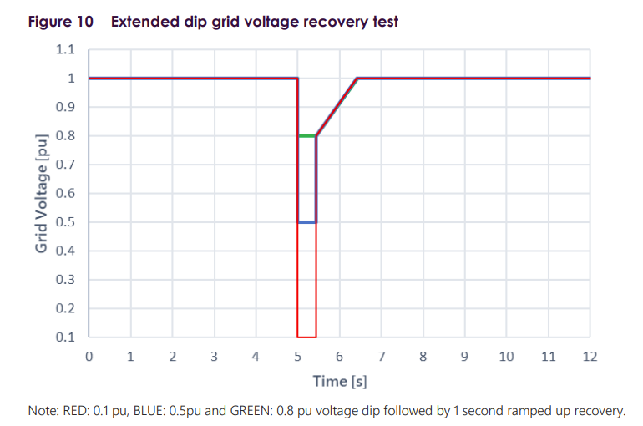
 |  |  |  |  | [0,5,5.499,5.5001,6.5001,12] | [0,-0.9,-0.2,-0.2,0,0] | [false,false,false,true,false,false] |  | Time Step | Delta | Absolute
 |  |  |  |  | Time Step | Delta | Ramp |  | 0 | 0 | 1
 |  |  |  |  | 0 | 0 | FALSE |  | 5 | 0 | 1
 |  |  |  |  | 5 | -0.9 | FALSE | => | 5 | -0.9 | 0.1
 |  |  |  |  | 5.5 | -0.2 | FALSE |  | 5.5 | -0.9 | 0.1
 |  |  |  |  | 5.5 | -0.2 | TRUE |  | 5.5 | -0.2 | 0.8
 |  |  |  |  | 6.5 | 0 | FALSE |  | 5.5 | -0.2 | 0.8
 |  |  |  |  | 12 | 0 | FALSE |  | 5.5 | -0.2 | 0.8
 |  |  |  |  |  |  |  |  | 6.5 | 0 | 1
 |  |  |  |  |  |  |  |  | 6.5 | 0 | 1
 |  |  |  |  |  |  |  |  | 12 | 0 | 1

 |  |  |  |  | 0 | 0 | FALSE |  | 0 | 0
 |  |  |  |  | 3 | 0 | TRUE |  | 3 | 0
 |  |  |  |  | 3.5 | -2 | FALSE |  | 3 | 0
 |  |  |  |  | 15 | -2 | FALSE |  | 3.5 | -2
 |  |  |  |  |  |  |  |  | 3.5 | -2
 |  |  |  |  |  |  |  |  | 15 | -2

