ReadMe
The following table describes the different headers which can be used to describe a test and the input options for each.
The order of the headers is not important but using the correct header name and input format is.
Must include |  |  |  |  |  |  | Optional
Test | Action | Software | Suite | End Run (s) | SCR | X/R | Time Steps (s) | Active Power (pu) | WTG Pref (pu) | BESS Pref (pu) | Pref Deltas (pu) | Pref Ramp (pu/s) | Reactive Power (pu) | Slack Voltage (pu) | Voltage POC (pu) | Voltage POC Deltas (pu) | Voltage POC Ramp (pu/s) | Vgrid Deltas (pu) | Vgrid Ramp (Hz/s) | Voltage Step (pu) | Vref (pu) | Vref Delta (pu)
Test number to be added to the end of the file name. | Manual test selection | Test for PSSE or PSCAD | Test suite category | Simulation time | Grid SCR | Grid X/R | Time profile for step changes | Wind farm active power reference (applied to BESS or WT depending on scenario) |  |  | Difference form original P ref. |  | Wind farm reactive power setpoint | Slack voltage | POC voltage (only specify one of slack and poc voltage) |  |  | Difference from original grid voltage | Ramp to different grid voltages |  | Voltage reference
 | Yes | PSSE | DMAT | 45 | 12 | 6 | [0,5,8] | 0.6 |  |  | [0,-0.2,0,0.2,0] |  | 0.3 | 1.12 | 1.034 |  |  | [0,-0.1,0,0.1,0] | [false, true, false, true, false]
 | No | PSCAD | Reduced_DMAT |  | POC | POC | fig1 | [0, 0.2, 0.4] |  |  | fig1 |  |  |  |  |  |  | fig1 | fig1
 |  | Both | CSR |  | [12,1]
 |  |  | None |  | inf | inf

Optional
Apply Fault (s) | Fault Duration (s) | Fault Type | Fault Impedance (pu) | Fault X/R | Event | Delta (pu) | Freq Deltas (Hz) | Freq Ramp (Hz/s) | Osc Freqs (Hz) | Osc Magnitude (pu) | Step (Hz) | Osc Phase (deg) | Angle Change | Column2 | Column24 | Column25 | Column26 | Column27
Time at which a fault is applied | Duration of fault | Fault type | Fault impedance |  | Event type if Delta title is used | For a change in value specified in Event, the difference from the original value in pu. | Difference from original frequency. | Ramp for frequency changes. | Grid voltage oscillation frequency | Grid voltage oscillation magntude | When a range is specified for different tests (":"), then this is the step size | Grid voltage oscillation phase | Grid phase angle change
5 | 0.25 | 3PHG | Zf=0 |  | Vref | [0,-0.2,0,0.2,0] | [0,-0.2,0,0.2,0] | [false, true, false] | 0.1 | 0.2 | 0.1 | 45 | 40
[5, 5.5, 6.7] | [0.1, 0.1, 0.25] | 2PHG | Zf=Zs |  | Vgrid | fig1 | fig1 | fig1 | 0.1:0.9 |  |  |  | 40; -40; 60; -60
 | S1 | 1PHG | Zf=2xZs |  | Qref
 |  | L-L | Yf = jXc (U_Ov = 1.15pu)
 |  |  | Zf=Rf = 1, 5 and 10 Ohm
 |  |  | S1

The meaning of the following general notation is described.
Combanations can be used but take care to ensure readability.
 | Test 1 |  |  | Test 2 |  |  | Test 3 |  |  | Deliminator
 | Time step 1 | Time step 2 | Time step 3 | Time step 1 | Time step 2 | Time step 3 | Time step 1 | Time step 2 | Time step 3
[100, 200, 300] | 100 | 200 | 300 |  |  |  |  |  |  | ","
100; 200; 300 | 100 |  |  | 200 |  |  | 300 |  |  | "; "
100:300 (steps = 100) | 100 |  |  | 200 |  |  | 300 |  |  | ":"
 |  | Spec1 | Spec2
In general, if a test is specified as: |  | 23; 67 | 122; 215
Then the following tests are produced: |  | Spec1 | Spec2
 | Test1 | 23 | 122
 | Test2 | 23 | 215
 | Test3 | 67 | 122
 | Test4 | 67 | 215
But in the case of SCR=POC and X/R=POC we get the following |  | SCR | X/R
 | Test1 | POC SCR low | POC X/R low
 | Test2 | POC SCR high | POC X/R high

Customisation
The aim is to make this sheet as flexible and readable as possible but as of now, the script is a work in progress and has only been tested on the DMAT.
If you would like to make a minor change to an existing default profile, then copy in the profile into the delta, timestep and ramp columns and then adjust the values as needed.
Default profiles should remain constant, only change if they are not an appropriate model for the DMAT (or other test).
If you intend to use a variation a lot, you can copy the variation into the test or add another default profile and refer to that one instead.

System_inf
This sheet is used to specify the parameters for the test sets. The table shows some of the possible inputs.
V_POC | Nominal Power | Plant Capacity | Fault level | POC SCR | POC XR ratio | POC base Voltage | Nominal Frequency | Qlead,Qlag | Save Format | Q-V Droop | Suite | Software | WF States | Vgrid | Column1
1.034 | 150 | 150 | 901.18603518 | [12.676303,2.2863071] | [6.66,5.33] | 220 | 50 | [0.3,-0.3] | csv | 0.05 | Run a suite of tests or not | If we want to run tests on PSCAD or PSSE | Describes the wf states which we want to run for.
 |  |  |  |  |  |  |  |  |  |  | DMAT | PSCAD | ALL | Vslack
 |  |  |  |  |  |  |  |  |  |  | Reduced DMAT | PSSE | WTG PZERO | POC disturbance | Pbase 70, wtg=0
 |  |  |  |  |  |  |  |  |  |  | CSR | Both | BESS PMAX |  | base=150, bess=70
 |  |  |  |  |  |  |  |  |  |  | None |  | BESS PZERO |  | base=150, bess=0
 |  |  |  |  |  |  |  |  |  |  |  |  | BESS PMIN |  | base=150, bess=-70
 |  |  |  |  |  |  |  |  |  |  |  |  | Pneg, WTG PZERO |  | base=-70, wtg=0
 |  |  |  |  |  |  |  |  |  |  |  |  | WTG PZERO; BESS PMAX
Profiles
For signals which change over time, these can reference Figure references which contain some default profiles, or a custom one can be added. It is important to correctly understand how a profile will be specified.
An example from DMAT 3.2.14 is shown below. Consider the profile in red.
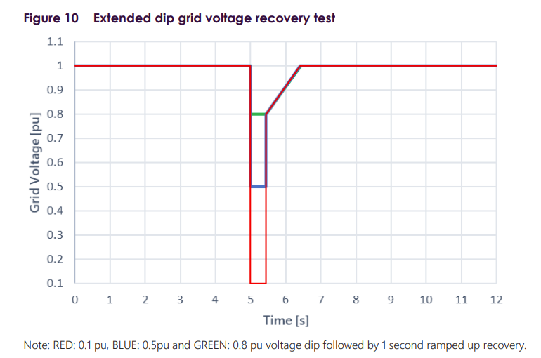
 |  |  |  | [0,5,5.499,5.5001,6.5001,12] | [0,-0.9,-0.2,-0.2,0,0] | [false,false,false,true,false,false] |  | Time Step | Delta | Absolute
 |  |  |  | Time Step | Delta | Ramp |  | 0 | 0 | 1
 |  |  |  | 0 | 0 | FALSE |  | 5 | 0 | 1
 |  |  |  | 5 | -0.9 | FALSE | => | 5 | -0.9 | 0.1
 |  |  |  | 5.5 | -0.2 | FALSE |  | 5.5 | -0.9 | 0.1
 |  |  |  | 5.5 | -0.2 | TRUE |  | 5.5 | -0.2 | 0.8
 |  |  |  | 6.5 | 0 | FALSE |  | 5.5 | -0.2 | 0.8
 |  |  |  | 12 | 0 | FALSE |  | 5.5 | -0.2 | 0.8
 |  |  |  |  |  |  |  | 6.5 | 0 | 1
 |  |  |  |  |  |  |  | 6.5 | 0 | 1
 |  |  |  |  |  |  |  | 12 | 0 | 1

 |  |  |  | 0 | 0 | FALSE |  | 0 | 0
 |  |  |  | 3 | 0 | TRUE |  | 3 | 0
 |  |  |  | 3.5 | -2 | FALSE |  | 3 | 0
 |  |  |  | 15 | -2 | FALSE |  | 3.5 | -2
 |  |  |  |  |  |  |  | 3.5 | -2
 |  |  |  |  |  |  |  | 15 | -2

